R2. IEA ETP sales
R2: IEA EV ETP 2017, vehicle sales by scenario
Source: | IEA Energy Technology Perspectives report, 2017
SP Link: | https://vivideconomics.sharepoint.com/:b:/s/projects/171211HSB/EcA1DBl8cIhCnriRlsLuBUgBTgly5of18fqS13r-REoNTQ?e=GlGMHC
URL: | https://www.iea.org/etp2017/
Date accessed: | 2018-07-22
Units: | Mn vehicles sold per annum
Notes:

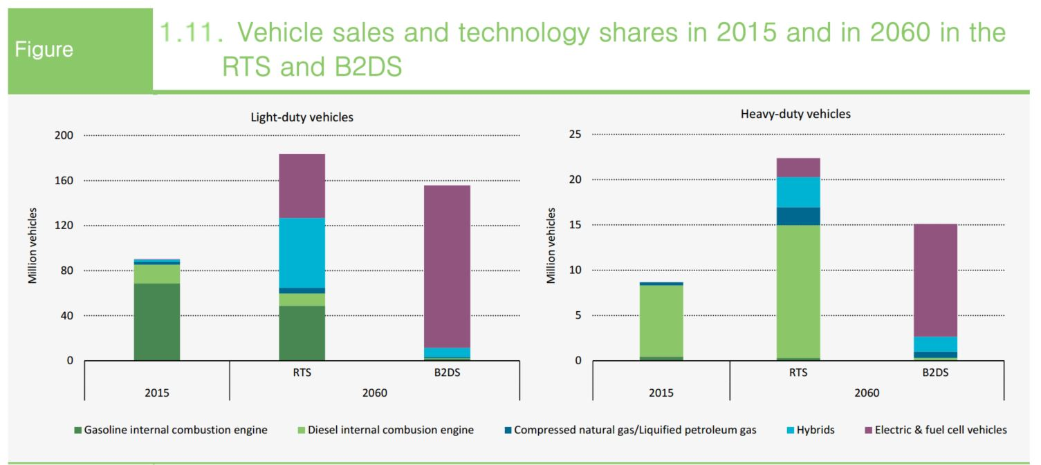
Scenario | Year | Type | Sales (mn vehicles)
IEA RTS | 2015 | Fossil | 89.83
IEA RTS | 2015 | EV | 1.69
IEA RTS | 2060 | Fossil | 127.12
IEA RTS | 2060 | EV | 56.78
IEA B2DS | 2060 | Fossil | 11.86
IEA B2DS | 2060 | EV | 144.07

