R1. IEA EVO deployment
R1: IEA EV Outlook 2017, deployment by scenario
Source: | IEA Global EV Outlook, 2017
SP Link: | https://vivideconomics.sharepoint.com/:b:/s/projects/171211HSB/EUIy5f1EUQlPvEbpm338ITsB2cPo0ogZ6e7Ij7xSXarxRA?e=LdXq6s
URL: | https://www.iea.org/publications/freepublications/publication/GlobalEVOutlook2017.pdf
Date accessed: | 2018-08-22
Units: | Mn vehicles
Notes:

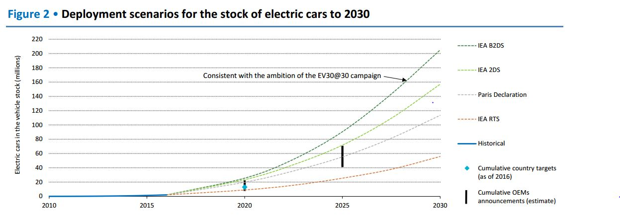
Scenario | Year | EV stock (mn vehicles)
IEA RTS | 2015 | 1.59
IEA RTS | 2016 | 1.59
IEA RTS | 2020 | 8.76
IEA RTS | 2025 | 24.70
IEA RTS | 2030 | 55.78
IEA 2DS | 2020 | 23.11
IEA 2DS | 2025 | 70.92
IEA 2DS | 2030 | 158.57
IEA B2DS | 2020 | 25.50
IEA B2DS | 2025 | 90.84
IEA B2DS | 2030 | 206.37

