1-4
Row Labels | Sum of Products.Price (INR) | Sum of Revenue | Sum of Revenue | Average of Diff_Ordered-Deliverd | Total Revenue | Total Revenue
Female | ₹ 97,669.00 | ₹ 312,697.00 | ₹ 586,176.00 | 5.7222222222 | ₹ 586,176.00 | ₹ 586,176.00
Male | ₹ 91,555.00 | ₹ 273,479.00
Grand Total | ₹ 189,224.00 | ₹ 586,176.00 | Name of month | Sum of Revenue
 |  |  | January | ₹ 34,078.00
Row Labels | Sum of Products.Price (INR) | Sum of Revenue | February | ₹ 80,152.00
Colors | ₹ 36,808.00 | ₹ 105,732.00 | March | ₹ 55,334.00
Mugs | ₹ 3,870.00 | ₹ 11,610.00 | April | ₹ 28,983.00
Raksha Bandhan | ₹ 18,950.00 | ₹ 60,640.00 | May | ₹ 46,378.00
Soft Toys | ₹ 89,560.00 | ₹ 286,898.00 | June | ₹ 62,662.00
Sweets | ₹ 40,036.00 | ₹ 121,296.00 | July | ₹ 49,120.00
Grand Total | ₹ 189,224.00 | ₹ 586,176.00 | August | ₹ 36,883.00
 |  |  | September | ₹ 42,504.00
 |  |  | October | ₹ 43,773.00
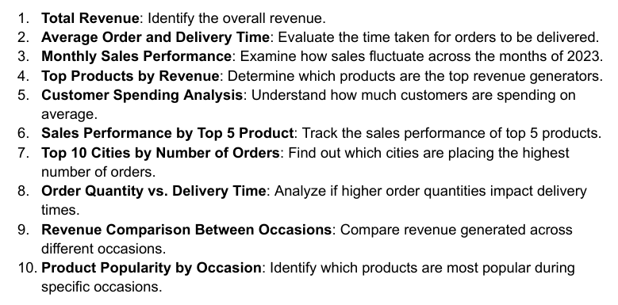
 |  |  | November | ₹ 42,970.00
 |  |  | December | ₹ 63,339.00
 |  |  | Grand Total | ₹ 586,176.00

 |  |  | TOP 5 Products | Sum of Revenue
 |  |  | Exercitationem Pack | ₹ 96,701.00
 |  |  | Expedita Gift | ₹ 88,944.00
 |  |  | Fugit Set | ₹ 68,292.00
 |  |  | Magnam Set | ₹ 121,905.00
 |  |  | Nihil Box | ₹ 73,964.00
 |  |  | Grand Total | ₹ 449,806.00

Dashboard
Sales Analysis
1000
Total Orders
Rs. 35,20,984.00
Total Revenue
5.53 days
Order-Delivery Time
Rs. 3520.98
Avg Customer spent

Revenue by Occasions
 | Total
All Occasions | ₹ 586,176.00
Anniversary | ₹ 674,634.00
Birthday | ₹ 408,194.00
Diwali | ₹ 313,783.00
Holi | ₹ 574,682.00
Raksha Bandhan | ₹ 631,585.00
Valentine's Day | ₹ 331,930.00
Revenue by Category
 | Total
Cake | ₹ 329,862.00
Colors | ₹ 1,005,645.00
Mugs | ₹ 201,151.00
Plants | ₹ 212,281.00
Raksha Bandhan | ₹ 297,372.00
Soft Toys | ₹ 740,831.00
Sweets | ₹ 733,842.00
Revenue by Hours(Order Time)
 | Total
0 | ₹ 11,479.00
1 | ₹ 19,257.00
2 | ₹ 13,482.00
3 | ₹ 30,928.00
4 | ₹ 13,160.00
5 | ₹ 39,129.00
6 | ₹ 53,398.00
7 | ₹ 21,923.00
8 | ₹ 15,081.00
9 | ₹ 25,659.00
10 | ₹ 5,056.00
11 | ₹ 14,102.00
12 | ₹ 33,538.00
13 | ₹ 28,562.00
14 | ₹ 23,771.00
15 | ₹ 17,469.00
16 | ₹ 19,260.00
17 | ₹ 10,280.00
18 | ₹ 51,674.00
19 | ₹ 44,137.00
20 | ₹ 22,228.00
21 | ₹ 28,534.00
22 | ₹ 24,529.00
23 | ₹ 19,540.00

Revenue by Months
 | Total
January | ₹ 34,078.00
February | ₹ 80,152.00
March | ₹ 55,334.00
April | ₹ 28,983.00
May | ₹ 46,378.00
June | ₹ 62,662.00
July | ₹ 49,120.00
August | ₹ 36,883.00
September | ₹ 42,504.00
October | ₹ 43,773.00
November | ₹ 42,970.00
December | ₹ 63,339.00
TOP 5 Products by Revenue
 | Total
Exercitationem Pack | ₹ 96,701.00
Expedita Gift | ₹ 88,944.00
Fugit Set | ₹ 68,292.00
Magnam Set | ₹ 121,905.00
Nihil Box | ₹ 73,964.00
TOP 10 Cities by Orders
 | Total
Aizawl | 3
Bharatpur | 4
Bhatpara | 3
Bidhannagar | 4
Chinsurah | 3
Kalyan-Dombivli | 4
Kavali | 7
Kota | 4
Machilipatnam | 5
Tiruchirappalli | 4

