Sheet1
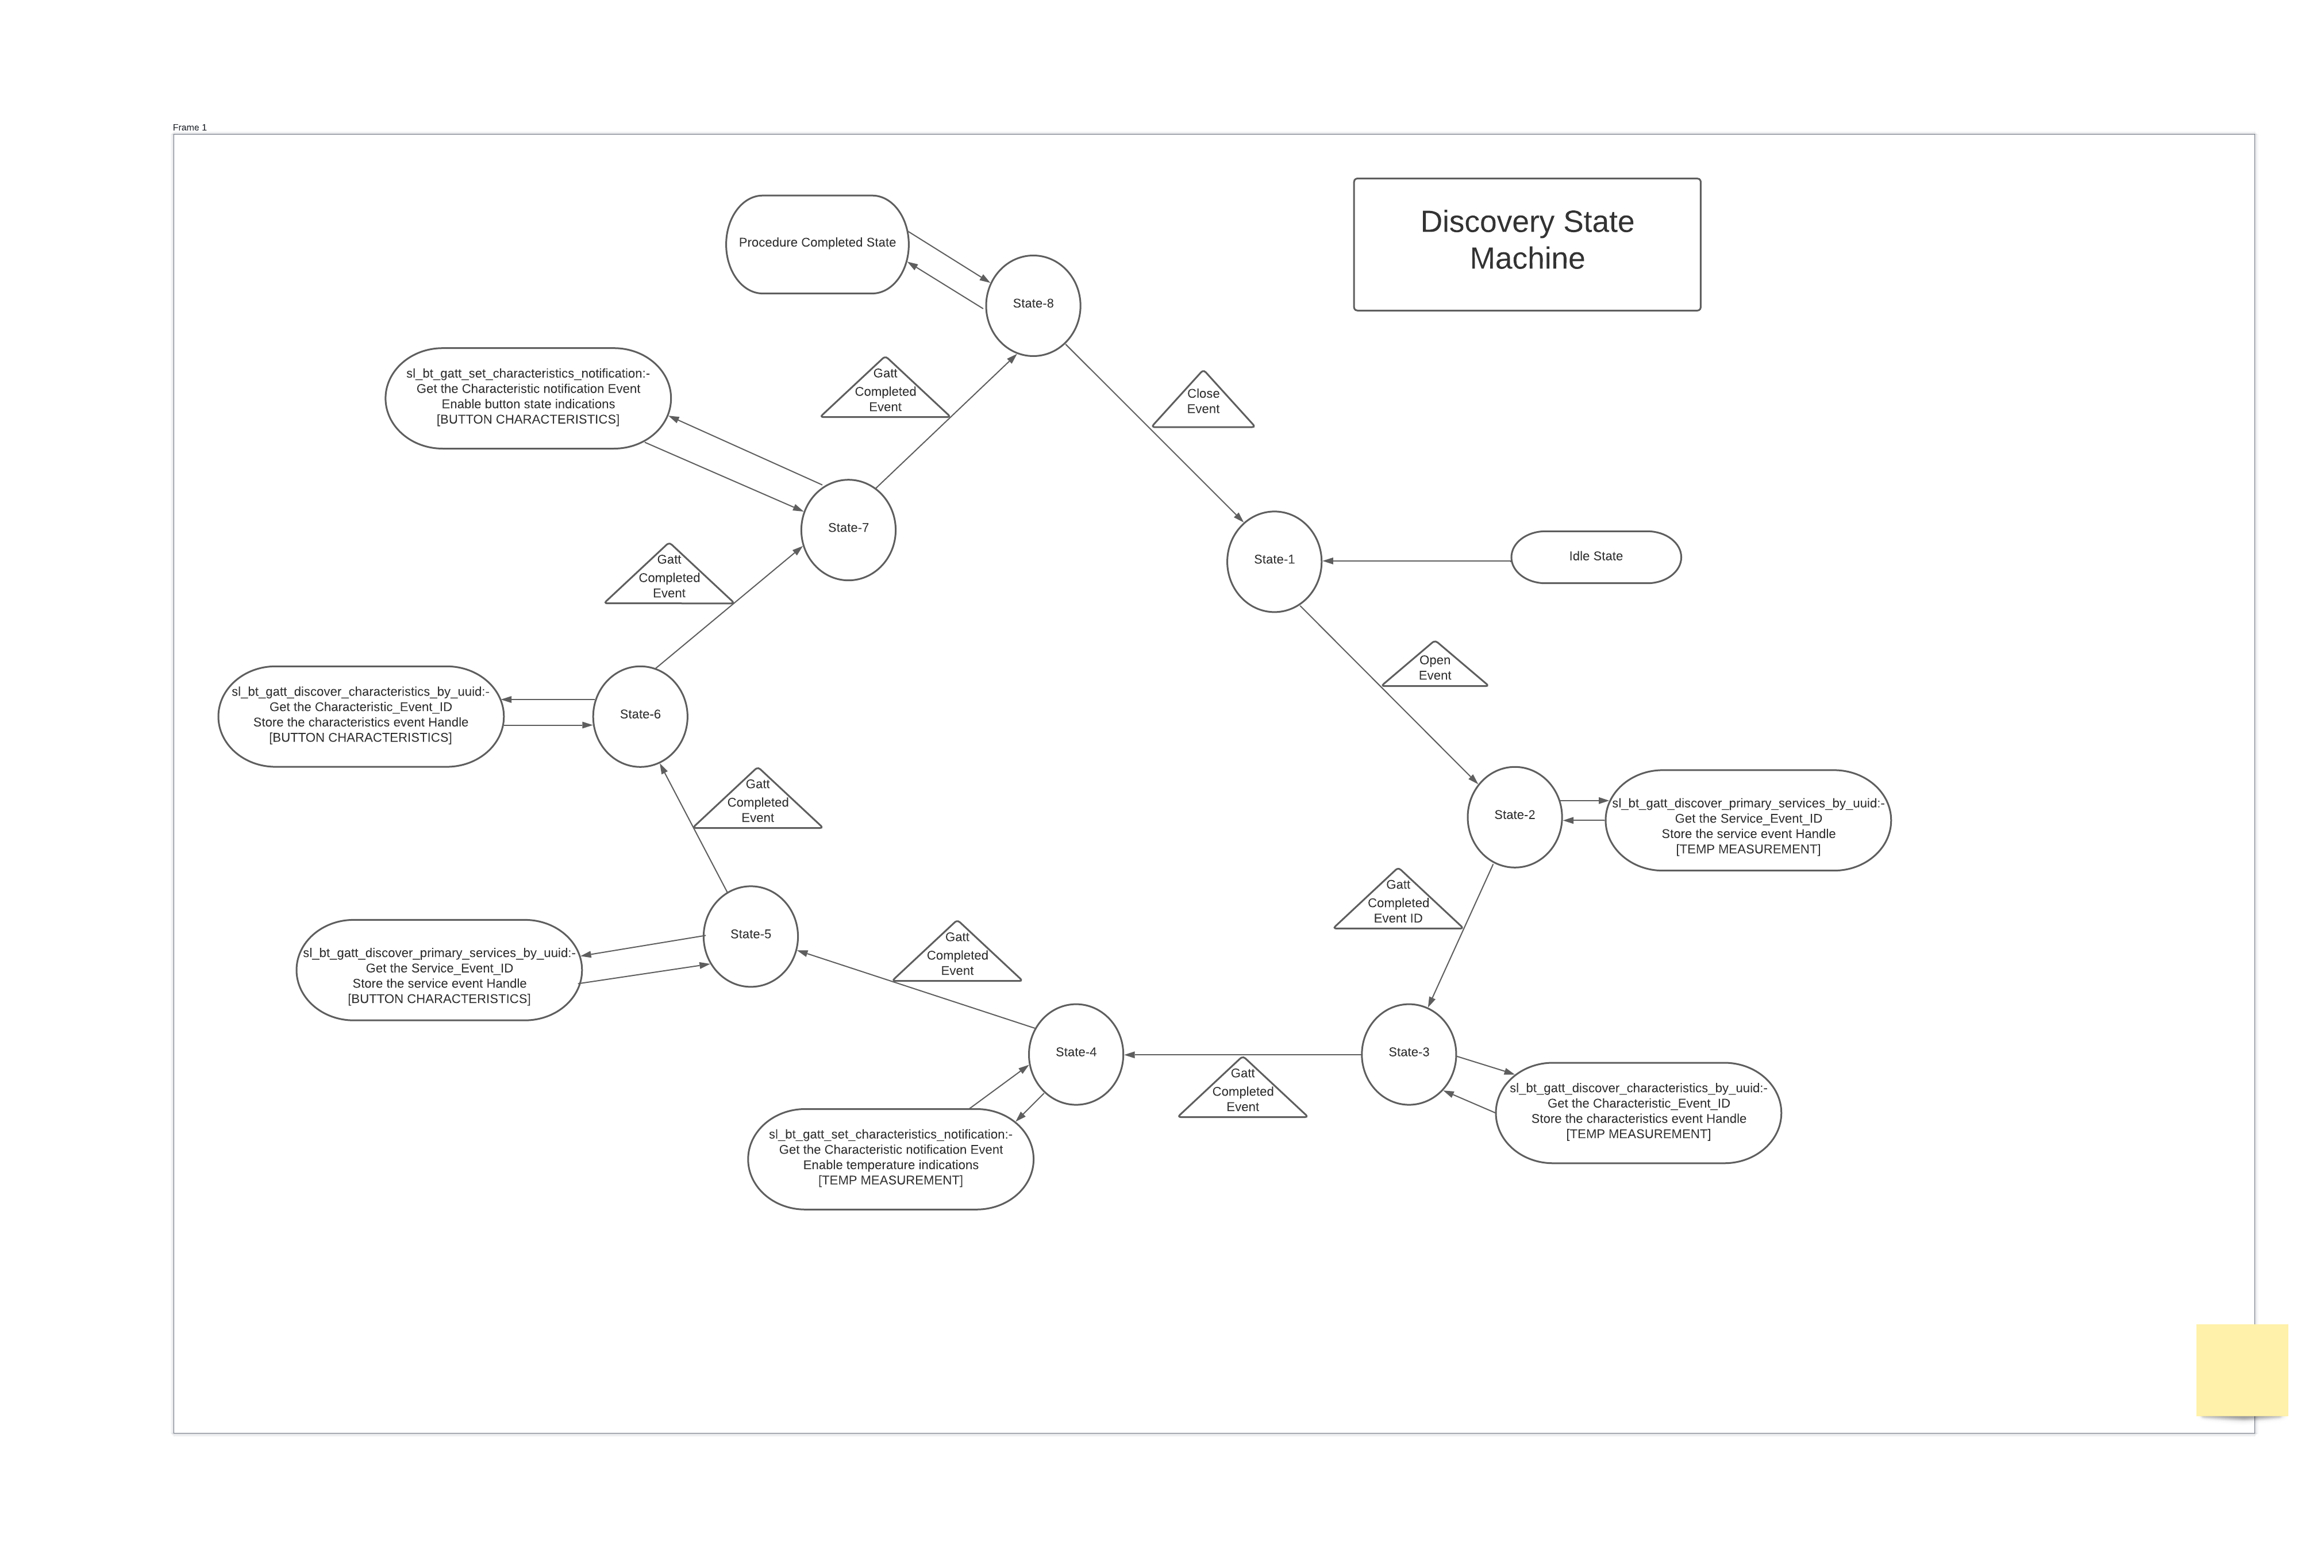
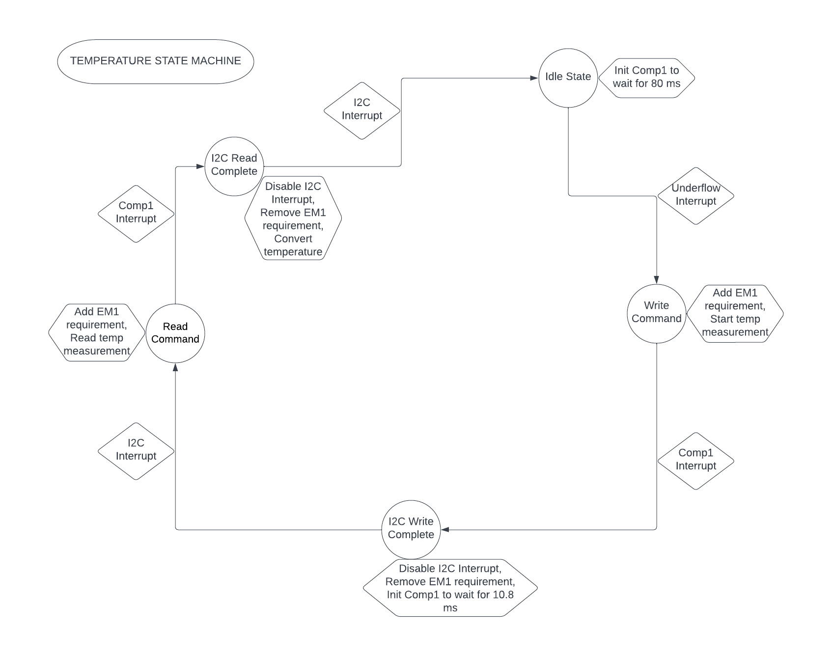
 | Server Command Table for A8

 | Use this table to help you design your program. Add rows as needed. | Use this column to describe when and what your LCD display changes to for rows like DISPLAY_ROW_CONNECTION | Use this column to denote if BT stack events cause your state machine to advance, you can put an X in the cell to note this. Drawing a bubble diagram of your state machine might also be a good idea 👍. | Commands that may be useful: sl_bt_gatt_discover_primary_services_by_uuid() sl_bt_gatt_discover_characteristics_by_uuid()
 | Event | LCD Display State | Advances State Machine | Commands called in response to event | Notes
Events Common to Slaves/Clients
 | sl_bt_evt_system_boot_id | displayInit() => SERVER |  | This event is generated on stack boot up | You can also document in column D values that need to be saved in response to receiving BT stack events.
 |  | DISPLAY_ROW_NAME:- Server => SERVER ; Client => CLIENT
 |  | DISPLAY_ROW_BTADDR:- bd_addr => SERVER; bd_addr => CLIENT
 |  | DISPLAY_ROW_CONNECTION:- Advertising => SERVER; Discovering => CLIENT | start_scanning()
 |  | DISPLAY_ROW_ASSIGNMENT:- A9 => SERVER; A9 => CLIENT |  |  | You should start and stop scanning just like you did with advertising for a Server.
 |  | SERVER |  | sl_bt_advertiser_create_set()
 |  | SERVER |  | sl_bt_advertiser_set_timing()
 |  | SERVER |  | sl_bt_advertiser_start()
 |  | SERVER |  | sl_bt_system_get_identity_address()
 |  | SERVER |  | sl_bt_sm_configuration()
 |  | SERVER |  | sl_bt_sm_delete_bondings() | Delete previous bondings
 |  | CLIENT |  | sl_bt_scanner_set_mode() | Set the scan mode on the specified PHYs.
 |  | CLIENT |  | sl_bt_scanner_set_timing() | Set the scanning timing parameters on the specified PHYs
 |  | CLIENT |  | sl_bt_connection_set_default_parameters() | Set the default Bluetooth connection parameters.
 |  | CLIENT |  | sl_bt_scan_start() | Start the GAP discovery procedure to scan for advertising devices on the specified scanning phys.
 |  | CLIENT |  | sl_bt_sm_delete_bondings() | Delete all the previous bondings
 |  | CLIENT |  | sl_bt_sm_configure() | 0x0F=> security, enable display yes-no

 | sl_bt_evt_connection_opened_id | DISPLAY_ROW_CONNECTION:- Connected => SERVER; Handling Indications => CLIENT | X | Stores the connection handle; stop_advertising() => SERVER; set_parameters => SERVER; Store the connection handle

 | sl_bt_evt_connection_closed_id | DISPLAY_ROW_CONNECTION:- Advertising => SERVER; Discovering => CLIENT | X | Advertiser_start => SERVER; Scan_start => CLIENT;
 |  | DISPLAY_ROW_BTADDR2,"" ; CLEAR Server address |  | sl_bt_sm_delete_bondings() | Delete bondings
 |  | DISPLAY_ROW_9:- ""
 |  | DISPLAY_ROW_ACTION:- ""
 |  | DISPLAY_ROW_PASSKEY:- ""
 |  | DISPLAY_ROW_VALUE:- "" (Clear temp value) => SERVER; "" (Clear temp value) => CLIENT
 | sl_bt_evt_system_soft_timer_id | Toggles EXTCOMIN pin on Sharp LCD for every 1 sec time interval | Timer Handle | displayUpdate() | This event indicates that a soft timer has expired.

Events only for Masters/Clients
 | sl_bt_evt_scanner_scan_report_id | Display Advertising and client address; DISPLAY_ROW_BTADDR2:- bd_addr_client => CLIENT | Reports an advertising or scan response packet | Received for advertising or scan response packets generated by: sl_bt_scanner_start(). Is the bd_addr, packet_type and address_type what we expect for our Server? If yes: sl_bt_scanner_stop() sl_bt_connection_open()

 | sl_bt_evt_gatt_procedure_completed_id | Every GATT suucessfull call would retrun sl_bt_evt_procedure_completed_id | X | We get this event when it’s ok to call the next GATT command. It’s a good idea to check for returned error codes. This would be a great event to use to sequence your new state machine. | Do not build your state machine into your handle_ble_event() function! Instead build a new state machine for A7.
 |  | CLIENT | ERROR CODE :- 0x110F | sl_bt_sm_increase_security(); => call this to initiate bonding

 | sl_bt_evt_gatt_service_id |  | Indicates that a GATT service in the remote GATT database was discovered. | A GATT service in the remote GATT database was discovered

 | sl_bt_evt_gatt_characteristic_id |  | Indicates that a GATT characteristic in the remote GATT database was discovered. | A GATT characteristic in the remote GATT database was discovered

 | sl_bt_evt_gatt_characteristic_value_id | Update the temperature in the Client LCD. | Indicates that the value of one or several characteristics in the remote GATT server was received. | If an indication or notification has been enabled for a characteristic, this event is triggered whenever an indication or notification is received from the remote GATT server. Is the characteristic handle and att_opcode we expect? If yes: sl_bt_gatt_send_characteristic_confirmation()
 |  | CLIENT:- DISPLAY_ROW_9:- Button Pressed or Button Released | Check for (att_opcode == sl_bt_gatt_read_response) when the indications are disabled | Display the button state
 |  | CLIENT:- DISPLAY_ROW_9:- Button Pressed or Button Released and also temperature value | Send characteristics confirmation | Update LCD based on characteristic:- button_state or temperature measurement

Events for Server with security
 | sl_bt_evt_system_external_signal_id | Button Press, Button Release | sl_bt_sm_passkey_confirm() | Confirm Passkey, Either store the button press events to the queue or send it over BLE if inFlight is False.
 | sl_bt_evt_system_soft_timer_id |  | soft_timer_id event=> Timer handle | displayUpdate(); read_queue() | Update LCD if handle == 2; read data from the queue and send it over BLE if the inFlight is false and buffer is not empty

 | sl_bt_evt_gatt_server_characteristic_id |  |  |  | Received when Indications for Temperature measurement or button press is enabled. Also, when client acknowledges.

 | sl_bt_evt_gatt_server_indication_timeout_id |  |  |  | When client didn't acknowledges

 | sl_bt_evt_sm_confirm_bonding_id |  |  | sl_bt_sm_bonding_confirm() => handle,1 | To confirm bonding

 | sl_bt_evt_sm_bonded_id | Bonded |  |  | Update local bool variable

 | sl_bt_evt_sm_confirm_passkey_id | Passkey value, confirm with PB0 |  |  | Display pass key and ask for confirmation

