Pune
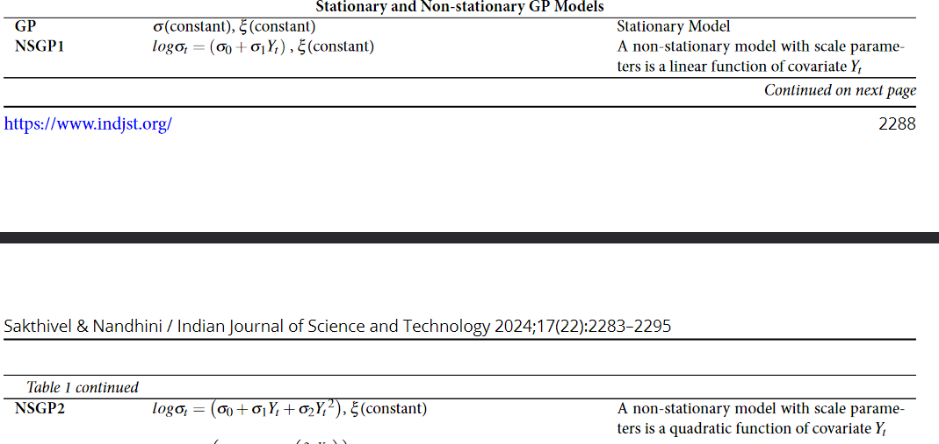
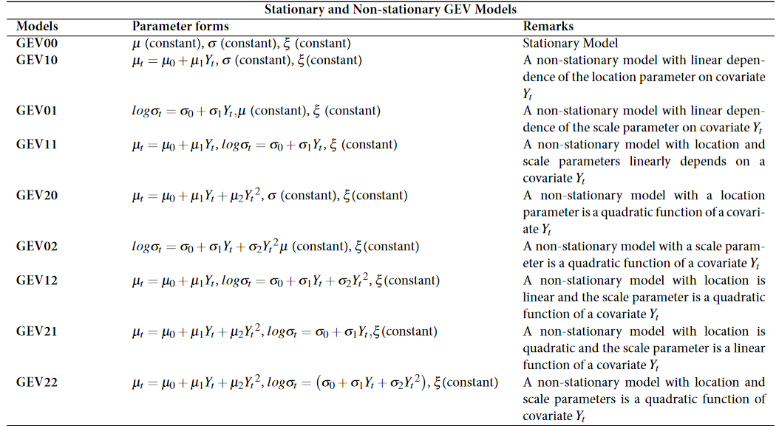
Annual Maxima
ADF test | Non-Stationarity failed to be rejected
KPSS test | Conforms with ADF
Pettitt's test | Indicates probable change in location paramter of distribution(GEV).

Above Threshold
ADF test | Non-Stationarity failed to be rejected
KPSS test | Conforms with ADF
Pettitt's test | Indicates no probable change in location paramter of distribution(GEV).

