Background
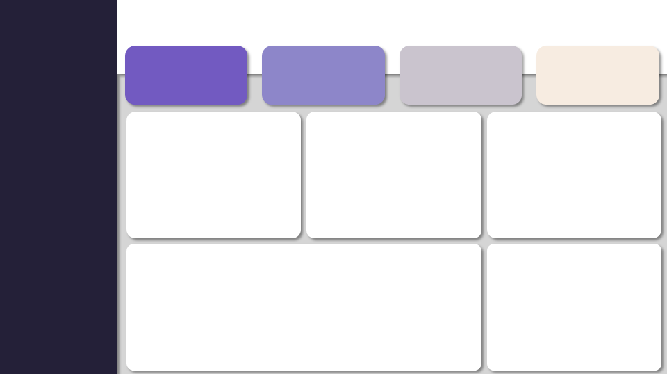
Last Refreshed: 23-Aug-2025 05:17 PM
HOUSE RENT ANALYSIS DASHBOARD

Total Listings
Average Rent
Avg House Size
Most Common BHK
Filter Panel
4746
₹ 34,993.45
967.49
2

Average Rent By BHK Type
Avg Rent By Furnishing Status
Average Rent By Area Type
 | Total
Furnished | 56110
Semi-Furnished | 38719
Unfurnished | 22462
 | Total
5 | 297500
4 | 168864.55556
6 | 73125
3 | 55863.062842
2 | 22113.864018
1 | 14139.22365

Average Rent By Date
Average Rent By City
 | Total
Apr | 19071
May | 27556
Jun | 37387
Jul | 46938
 | Total
Kolkata | 11645
Hyderabad | 20555
Chennai | 21614
Bangalore | 24966
Delhi | 29462
Mumbai | 85321

