Dashboard
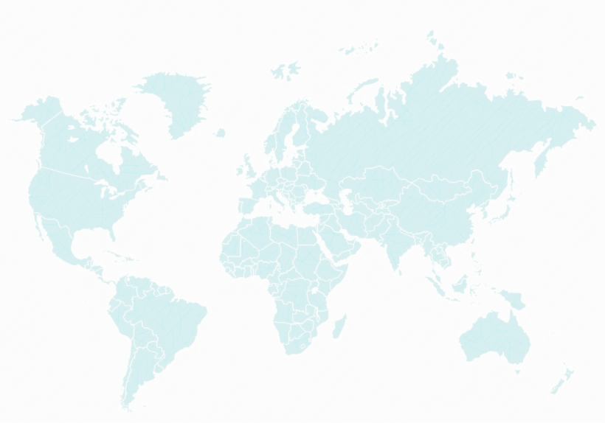
Telecom Customer Churn Dashboard
21,371k

Total Revenue
3555
Males
3488
Females
7043
Total Customers

Customer Status
Churned | 1869
Joined | 454
Stayed | 4720

Imarticus
Number of Dependents
 | Count
0 | 5416
1 | 553
2 | 531
3 | 517
4 + | 26
Age Group
 | Total
19-28 | 1283
29-38 | 1250
39-48 | 1346
49-58 | 1260
59-68 | 1047
69-78 | 715
79-88 | 142
3402
Married
3641
Single

"Connecting You to Limitless Possibilities"

Revenue of Top 10 Cities
 | Sum of Total Revenue | Count of Customer ID
Los Angeles | 852725.23 | 293
San Diego | 738416.01 | 285
Sacramento | 353371.84 | 108
San Jose | 326478.36 | 112
San Francisco | 306995.99 | 104
Fresno | 194430.25 | 61
Long Beach | 185937.12 | 60
Escondido | 155899.8 | 51
Oakland | 154564.36 | 52
Whittier | 128858.77 | 30

Dependents
Row Labels | Count of Number of Dependents | No. of dependents | Count
0 | 5416 | 0 | 5416
1 | 553 | 1 | 553
2 | 531 | 2 | 531
3 | 517 | 3 | 517
4 | 9 | 4 + | 26
5 | 10
6 | 3
7 | 2
Number of Dependents
8 | 1
9 | 1
Grand Total | 7043

age
Age Group
Row Labels | Count of Age | Age Group | Count
19-28 | 1283 | 19-28 | 1283
29-38 | 1250 | 29-38 | 1250
39-48 | 1346 | 39-48 | 1346
49-58 | 1260 | 49-58 | 1260
59-68 | 1047 | 59-68 | 1047
69-78 | 715 | 69-78 | 715
79-88 | 142 | 79-88 | 142
Grand Total | 7043

city+revenue
Revenue of Top 10 Cities
Row Labels | Sum of Total Revenue | Count of Customer ID
Los Angeles | 852725.23 | 293
San Diego | 738416.01 | 285
Sacramento | 353371.84 | 108
San Jose | 326478.36 | 112
San Francisco | 306995.99 | 104
Fresno | 194430.25 | 61
Long Beach | 185937.12 | 60
Escondido | 155899.8 | 51
Oakland | 154564.36 | 52
Whittier | 128858.77 | 30
Grand Total | 3397677.73 | 1156

Status
Row Labels | Count of Customer Status
Churned | 1869
Joined | 454
Stayed | 4720 | Churned | 1869
Grand Total | 7043 | Joined | 454
 |  | Stayed | 4720

q1_pivot
Row Labels | Count of Customer Status
Churned | 1869
Joined | 454
Stayed | 4720
Grand Total | 7043

