How1 - ShortDuration
the fashion cycle consists of three phases: planning, design, and product development; sell-in; and production and delivery. The length of each phase varies widely by company. A phase can be as short as 12 weeks or as long as 30.

The planning, design, and development phase is typically the longest and has the widest variability among companies (exhibit). Therefore, that’s where the greatest potential for compressing the calendar lies.
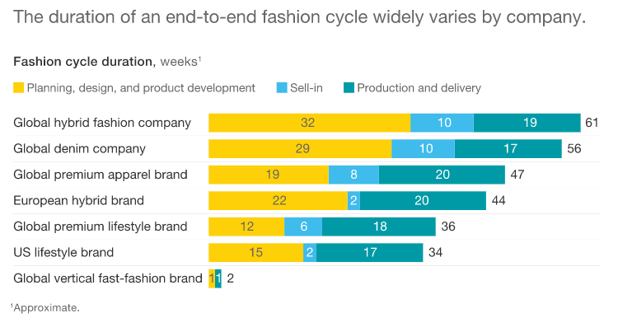

Source: | https://www.mckinsey.com/industries/retail/our-insights/faster-fashion-how-to-shorten-the-apparel-calendar
Date: | May-18

Impact1 - GreenHouseGases
So far, clothing companies have been unable to match their sales gains with commensurate improvements in environmental and social performance.
Cotton, accounting for about 30 percent of all textile fiber consumption, is usually grown using a lot of water, pesticides, and fertilizer.
Since countries with large fabric- and apparel-making industries rely mainly on fossil fuels for energy production,

we estimate that making 1 kilogram of fabric generates an average of 23 kilograms of greenhouse gases.

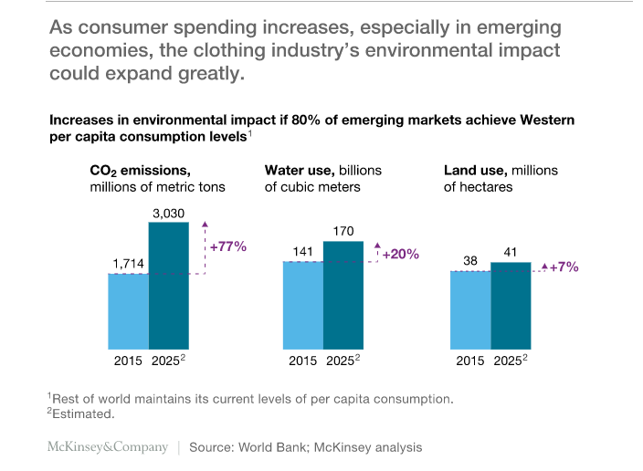

The sustainability impact of clothing continues to mount after consumers leave the store with newly purchased apparel.

Washing and drying 1 kilogram of clothing over its entire life cycle, using typical methods, creates 11 kilograms of greenhouse gases, according to our estimates—an amount that companies could reduce by altering fabrics and clothing designs.

The postpurchase choices that consumers make, such as whether to wash clothes in cold, warm, or hot water, also make a big difference.

Source: | https://www.mckinsey.com/business-functions/sustainability/our-insights/style-thats-sustainable-a-new-fast-fashion-formula
Date: | Oct-18

