DashBoard
AIR-QUALITY INDEX DASHBOARD

Bottom 5 least polluted Geographic Locations
 | Total
Bayside - Little Neck | 143.5
Bensonhurst - Bay Ridge | 176.8
Borough Park | 170.9
Greenwich Village - SoHo | 139.9
Upper East Side | 180.4
Top 5 Most Polluted Geographic Locations
 | Total
Central Harlem - Morningside Heights | 1898.80
Crotona -Tremont | 1546.10
East Harlem | 1941.20
High Bridge - Morrisania | 1630.40
Hunts Point - Mott Haven | 1672.40

MAIN PAGE

Count of AQI Records Over the Seasons
 | Total
Winter | 84

Yearly Distribution of AQI Records
 | Total
Good | 47.14%
Moderate | 27.38%
Unhealthy | 5.24%
Unhealthy for Sensitive Groups | 15.95%
Very Unhealthy | 4.29%
Yearly Trend of Average Pollutant Concentration
 | Total
2005 | 67.60
2009 | 76.06
2012 | 82.24
2015 | 71.92
2017 | 60.21

main page
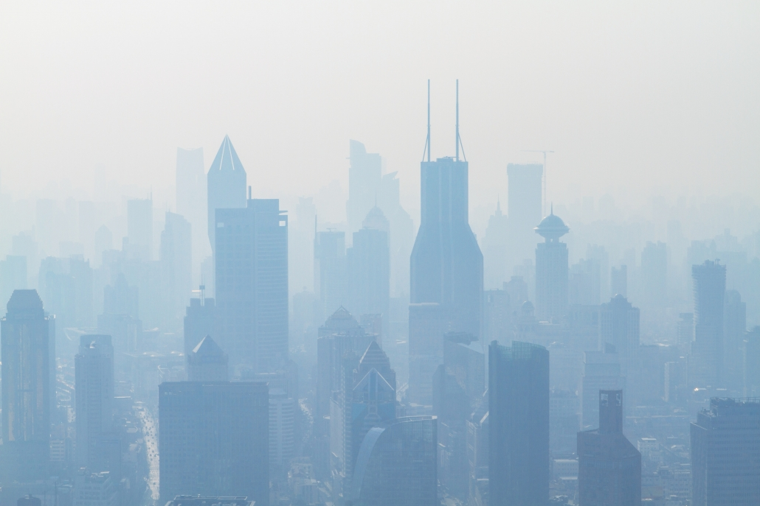
AIR QUALITY INDEX ANALYSIS

DASHBOARD
DATA SET LINK

PIVOT TABLES
IMPORTANT TERMS

NAME: SHRUTI SOMVANSHI
SECTION: K23EH
REGISTRATION NUMBER: 12310394
SUBMITTED TO : VIKAS KUMAR

