Raw creation
Which region has highest total revenue = |  | What is the Average price per unit for each product category = |  |  |  | Gender wise total revenue =
Row Labels | Sum of Total Revenue | Sum of Price per Unit | Column Labels |  |  | Row Labels | Sum of Total Revenue | Sum of Total Revenue | Count of Total Revenue | Sum of Total Revenue
West | 36436157 | Row Labels | Male | Woman | Grand Total | Male | 64778581 | 120166650 | 9648 | 100.00%
Northeast | 25078267 | Men's Apparel | 80817 |  | 80817 | Woman | 55388069
Southeast | 21374436 | Men's Athletic Footwear | 70485 |  | 70485 | Grand Total | 120166650 | Sum of Total Revenue | Sum of Units Sold | Average of Price per Unit
South | 20603356 | Men's Street Footwear | 71221 |  | 71221 |  |  | 120166650 | 2478861 | 45.216625207
Midwest | 16674434 | Women's Apparel |  | 82974 | 82974
Grand Total | 120166650 | Women's Athletic Footwear |  | 66027 | 66027
 |  | Women's Street Footwear |  | 64726 | 64726
 |  | Grand Total | 222523 | 213727 | 436250
 | Male | Woman
Men's Apparel | 80817
Men's Athletic Footwear | 70485
Men's Street Footwear | 71221
Women's Apparel |  | 82974
Women's Athletic Footwear |  | 66027
Women's Street Footwear |  | 64726

 |  |  |  |  |  | What percentage of total revenue comes from each sales method=
 |  |  |  |  |  | Row Labels | Percentage of Total Revenue
 |  |  |  |  |  | In-store | 29.68%
 |  |  |  |  |  | Online | 37.42%
 |  |  |  |  |  | Outlet | 32.90%
 |  |  |  |  |  | Grand Total | 100.00%

Dashboard
ADIDAS Sales Dashborad

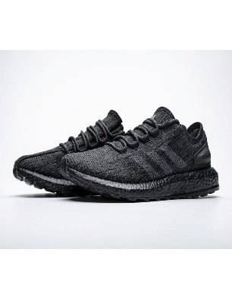

Sum of Total Revenue | Sum of Units Sold | Average of Price per Unit | Count of Total Revenue | Sum of Total Revenue
120166650 | 2478861 | 45.216625207 | 9648 | 100.00%

Gender wise Total Revenue
Region Wise Total Revenue

 | Total
West | 36436157
Northeast | 25078267
Southeast | 21374436
South | 20603356
Midwest | 16674434
Percentage of Total Revenue comes from each sales
 | Total
Male | 64778581
Woman | 55388069

 | Total
In-store | 29.68%
Online | 37.42%
Outlet | 32.90%

Average Price Per unit of each product

 | Male | Woman
Men's Apparel | 80817
Men's Athletic Footwear | 70485
Men's Street Footwear | 71221
Women's Apparel |  | 82974
Women's Athletic Footwear |  | 66027
Women's Street Footwear |  | 64726

 | Sum of Price per Unit | Column Labels
 | Row Labels | Male | Woman | Grand Total
 | Men's Apparel | 80817 |  | 80817
 | Men's Athletic Footwear | 70485 |  | 70485
 | Men's Street Footwear | 71221 |  | 71221
 | Women's Apparel |  | 82974 | 82974
 | Women's Athletic Footwear |  | 66027 | 66027
 | Women's Street Footwear |  | 64726 | 64726
 | Grand Total | 222523 | 213727 | 436250

