snaps on fetching data
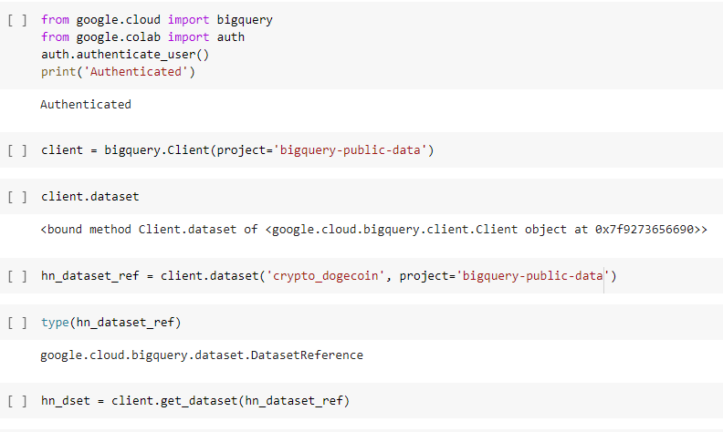
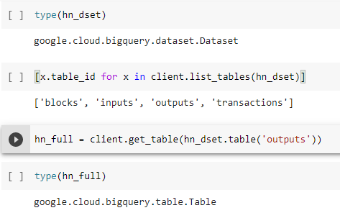
results wil have the 1000 rows for outputs table for Dogecoin

