Overview
Base types | Part types
Wires | Bracketr hose | Coaxial cable | 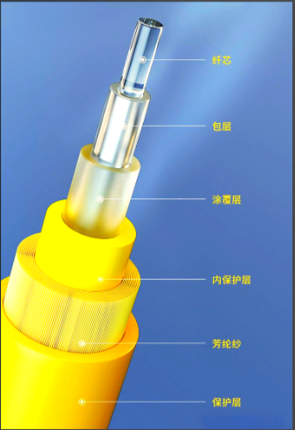 Fibre optics | Flat cable electr. | Flat wire | Multicore cable | Single core cable
Contact parts | Clip | connector | Contact | Eyelet | Joint connector | Sleeve eyelet
Wire protection elements | Corrugated pipe | Molded part | Shrinkage tubing | Tube | Wrapping tape
Gasket element | Cable fixing | Pressure disc | Dummy plug | Single core seal
Fixing parts | Cable duct | Grommet | holder
E/E components | Common E/E-component | Fuse | Power distributor
Parts are going to be released by local SE TL
Parts are released by Local SE TL
Parts are released by MUC
Mechanical harness components | Assembly | Common Harness component | Covering cap
Connector housing | Contact housing

Ring terminal
 |  |  |  |  |  |  |  |  |  |  |  |  |  |  | BC is confirmed
 |  |  |  |  |  |  |  | Ring terminal |  |  |  |  |  |  | BC to be cofirmed

Ring Terminal | Projects | 2026 |  |  |  | 2027 |  |  |  | 2028 |  |  |  | 2029 |  |  |  | Supplier Tier1 | Current Supplier Tier2 | Proposed Supplier Tier2
 |  | Q1 | Q2 | Q3 | Q4 | Q1 | Q2 | Q3 | Q4 | Q1 | Q2 | Q3 | Q4 | Q1 | Q2 | Q3 | Q4
SOP 11/26
6 PNs
 | NCAR |  |  |  |  |  |  |  |  |  |  |  |  |  |  |  |  | LEONI | ??
SOP 01/28
5 PNs
ΔHK: ~23 RMB/car, caculated by Shuang
 | G67CN |  |  |  |  |  |  |  |  |  |  |  |  |  |  |  |  | MIND | 5xFDJ/9xIntercable | FDJ
SOP 05/28
xx PNs
 | G48LCI |  |  |  |  |  |  |  |  |  |  |  |  |  |  |  |  | G&G | RSD?
33 Weeks
10 PNs
ΔHK: ~ 20 RMB/car
 | G48/G68 |  |  |  |  |  |  |  |  |  |  |  |  |  |  |  |  | GG | GG/Lear/Schulter/Nexans/SAK​ | FDJ
33 Weeks
10 PNs
ΔHK: ~1 RMB/car
 | G2X/G58 |  |  |  |  |  |  |  |  |  |  |  |  |  |  |  |  |  |  | RSD
33 Weeks
1 PNs
ΔHK: ~1.61 RMB/car
 | G68 |  |  |  |  |  |  |  |  |  |  |  |  |  |  |  |  |  | Lear | ZZ

wires_single core cable
 |  |  |  |  |  |  |  |  |  |  |  |  |  | BC is confirmed
 |  |  |  |  |  |  |  | Single core cable |  |  |  |  |  | BC to be cofirmed

（5+9 )PNs
 |  | Projects | 2026 |  |  |  | 2027 |  |  |  | 2028 |  |  |  | 2029 |  |  |  | Supplier Tier1 | Current Supplier Tier2 | Proposed Supplier Tier2
 |  |  | Q1 | Q2 | Q3 | Q4 | Q1 | Q2 | Q3 | Q4 | Q1 | Q2 | Q3 | Q4 | Q1 | Q2 | Q3 | Q4
ΔHK: ~6 RMB/car
14 Weeks
140 PNs FLRY
 | Wire | NA8/NA0/G18/F78 |  |  |  |  |  |  |  |  |  |  |  |  |  |  |  |  | KSK | KBE | Force
ΔHK: ~1.2 RMB/car
7 PN: FLRY-A Flex Ray
33 Weeks
 |  | NA6/G68/G48 |  |  |  |  |  |  |  |  |  |  |  |  |  |  |  |  | Versigent | Kroschu | Coficab
ΔHK: ~5.5 RMB/car
9 PN: FLR9Y/FLRBY/FLU7Y/
33 Weeks
 |  | G78/G68/G58 |  |  |  |  |  |  |  |  |  |  |  |  |  |  |  |  | DRX | Gebauer/DRAKA/Coficab | KBE
ΔHK: ~0.38 RMB/car
26 PN: FLR9Y/FLBY/FLR2Y
33 Weeks
 |  | NA6/U12 |  |  |  |  |  |  |  |  |  |  |  |  |  |  |  |  | LEONI | LEONI | KBE/Force/Coficab

Single core cable
FLRY/FLUY/Flexray/FLR2X

multicore cable
FLR9Y/FLRYBY/

Wires_Data cable
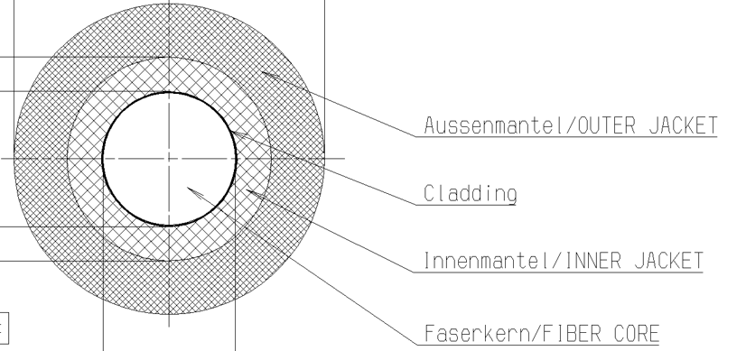
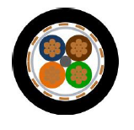
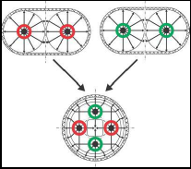
HSD
 |  |  |  |  |  |  | Data cable |  |  |  |  |  |  |  | BC is confirmed
 |  |  |  |  |  |  |  |  |  |  |  |  |  |  | BC to be cofirmed

（5+9 )PNs
 | Projects | 2026 |  |  |  | 2027 |  |  |  | 2028 |  |  |  | 2029 |  |  |  | Supplier Tier1 | Current Supplier Tier2 | Proposed Supplier Tier2 | Current Supplier Tier3
 |  | Q1 | Q2 | Q3 | Q4 | Q1 | Q2 | Q3 | Q4 | Q1 | Q2 | Q3 | Q4 | Q1 | Q2 | Q3 | Q4

Amphynol --> versigent
20 Weeks
Selected from PBE-SDV;
localization to be discussed!
Localization? 19 PN: EPB/HSD/Ethenet STP/Mini COAX/ABX5
05/28
 |  |  |  |  |  |  |  |  |  |  |  |  |  |  |  |  |  | Versigent | Amphenol(Changzhou) | Versigent(free sourcing) | ???
 | G68 LCI
FAKRA
 | G48LCI |  |  |  |  |  |  |  |  |  |  |  |  |  |  |  |  | MIND | MIND? |  | MIND

Localization? 41 PN: EPB/HSD/Ethenet STP/Mini COAX/ABX5
05/28
 | G48LCI |  |  |  |  |  |  |  |  |  |  |  |  |  |  |  |  | LEONI | Luxshare? |  | Luxshare

only selected from PBE-SDV

MATEnet



H-MTD

H-MTDe 0.35mm²

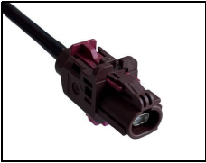

Ve-NET STP

Fiber optics

Template
（5+9 )PNs
Projects | 2026 |  |  |  | 2027 |  |  |  | 2028 |  |  |  | 2029 |  |  |  | Supplier Tier1 | Current Supplier Tier2 | Proposed Supplier Tier2
 | Q1 | Q2 | Q3 | Q4 | Q1 | Q2 | Q3 | Q4 | Q1 | Q2 | Q3 | Q4 | Q1 | Q2 | Q3 | Q4

Contact housing
 |  |  |  |  |  |  |  |  |  |  |  |  |  |  | BC is confirmed
 |  |  |  |  |  |  |  | Contact housing |  |  |  |  |  |  | BC to be confirmed

（5+9 )PNs
 | Projects | 2026 |  |  |  | 2027 |  |  |  | 2028 |  |  |  | 2029 |  |  |  | Supplier Tier1 | Current Supplier Tier2 | Proposed Supplier Tier2 | Current Supplier Tier3
 |  | Q1 | Q2 | Q3 | Q4 | Q1 | Q2 | Q3 | Q4 | Q1 | Q2 | Q3 | Q4 | Q1 | Q2 | Q3 | Q4

Selected from PBE-SDV;
localization to be discussed!
New design? 20 PN: EPB/HSD/Ethenet STP/Mini COAX/ABX5
05/28
Data cable contact housing | G48LCI |  |  |  |  |  |  |  |  |  |  |  |  |  |  |  |  | MIND | MIND |  | MIND?

New design? 31 PN: EPB/HSD/Ethenet STP/Mini COAX/ABX5
05/28
 | G48LCI |  |  |  |  |  |  |  |  |  |  |  |  |  |  |  |  | LEONI | Luxshare |  | Luxshare?

New design? ?? PN: COAX
01/28
 | G67CN |  |  |  |  |  |  |  |  |  |  |  |  |  |  |  |  |  | Rosenberg

8 PNs: normal
05/28
 |  |  |  |  |  |  |  |  |  |  |  |  |  |  |  |  |  | LEONI | Luxshare
 | G48LCI

Normal contact housing

Tape&tube
 |  |  |  |  |  |  | Tape &tube

（5+9 )PNs
Projects | 2026 |  |  |  | 2027 |  |  |  | 2028 |  |  |  | 2029 |  |  |  | Supplier Tier1 | Current Supplier Tier2 | Proposed Supplier Tier2
 | Q1 | Q2 | Q3 | Q4 | Q1 | Q2 | Q3 | Q4 | Q1 | Q2 | Q3 | Q4 | Q1 | Q2 | Q3 | Q4

alternative connector summary
ATQ040
As a PKR measure, the second-source connector from Kostal (nMQS alternative), which was validated during the NB5 confirmation assembly phase, is now to be rolled out across the entire NCAR.
This affects all 12-pin nMQS socket housings (WD, with CPA). In the NCAR, these are used on the SRR, MRR, and FBD6 components. New connector variants are available for this purpose, some with a different CPA outlet direction and others with injection-molded chambers.
 |  | Alternative connector
 |  | Projects | gAMS | Amphybe | ΔHK | TID
 |  | G78 | ATB332 |  | 16.982
 |  | G67CN | ATB332 |  | 11.087 | 2027.09.01
 |  | G68 | ABZ770 |  | 0.36 | 2027.05.01
 |  | G68LCI | ABZ770 |  | -5.25
 |  | NA6 | ATQ040 |  | 1.968 | 2028.05.01
 |  | NA8 | ATQ040 |  | 28.946 | 2028.05.01
 |  | NA0CN | ATQ040 |  | 28.946 | 2028.05.01
 |  | F78 | ACB299 |  | -1.558
 |  | U12 | ACB299 |  | -1.476
 |  | G58 | AUD296 | 19543

G78 position | RMB | G67 position | RMB
6 | 0.119 | 12 | 3.158
5 | 0.119 | 11 | 0.059
4 | 10.877 | 10 | 0.237
3 | 5.09 | 9 | 0.059
2 | 0.119 | 13 | 2.086
1 | 0.658 | 16 | 0.119
 |  | 15 | 0.356
 |  | 14 | 5.013

