Bug in Open New Account
Defect ID | Summary | Reported By | Reporting Date | Assigned Date | Severity | Priority | Status | Build Version | Module | Enviroment | Defect Type | Steps to Reproduce | Expected Result | Actual Result | Comments | Screenshot

D_001 | User can proceed without selecting account type. | arjitsharma515@gmail.com | 17/04/2026 | 2026-04-17 | Blocker | P0 | New | version 1 | Open new account | Operating System : Windows 11 Operating System Version : 24H2(Build 26100+) Browser : Chrome Browser version : 147.0.7727.102 URL : https://parabank.parasoft.com/parabank/index.htm;jsessionid=9E9C885506DACC02227EDCABDF6ECA8A | Functionality | 1. Open the browser and enter the test URL. 2. Navigate to the 'Open New Account' section. 3. Enter the valid 'Username' and 'Password' and click 'Login' button. 4. Fill in all required details except “Account Type” 5. Leave the account type unselected. 6. Click on 'Open New Account' button. | Error massege should be displayed. | Congratulations, your account is now open. Your new account number: 14454 |  | 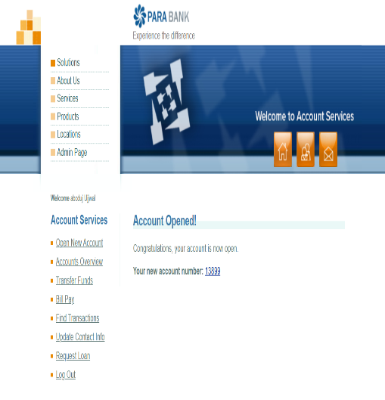
D_002 | The Account Number field is pre-filled with a default value, and the user is unable to modify or enter a new account number. | arjitsharma515@gmail.com | 17/04/2027 | 2026-04-18 | Major | P1 | New | version 1 | Open new account | Operating System : Windows 11 Operating System Version : 24H2(Build 26100+) Browser : Chrome Browser version : 147.0.7727.103 URL : https://parabank.parasoft.com/parabank/index.htm;jsessionid=9E9C885506DACC02227EDCABDF6ECA8A | Functionality | 1. Open the browser and enter test URL. 2. Enter the valid 'Username' and 'Password' and click 'Login' button. 3. Click on fund transfer textfield. 4. User unable to modify the value or enter the account number. | A text field should be available for the user to enter the account number to transfer. | No input field is available to enter the account number. |  | 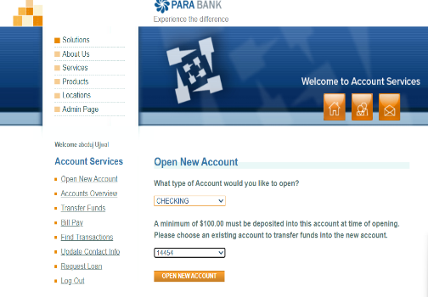
D_003 | Account can be opened without minimum required balance($100). | arjitsharma515@gmail.com | 17/04/2029 | 2026-04-20 | Critical | P1 | New | version 1 | Open new account | Operating System : Windows 11 Operating System Version : 24H2(Build 26100+) Browser : Chrome Browser version : 147.0.7727.105 URL : https://parabank.parasoft.com/parabank/index.htm;jsessionid=9E9C885506DACC02227EDCABDF6ECA8A | Functionality | 1. Open the browser and enter the test URL. 2. Enter the valid 'Username' and 'Password' and click 'Login' button. 3. Navigate to the 'Open Account' section. 4. Fill in all required details Enter an initial deposit amount less than $100 (e.g., $50) 5. Submit the form | Can't process further without having minimun amount ($100). | Congratulations, your account is now open. Your new account number: 14454 |  | 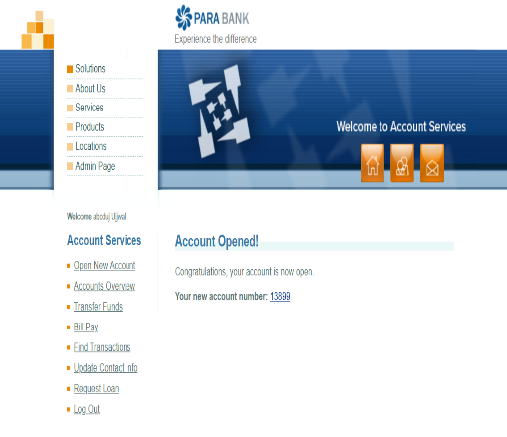
D_004 | Missing amount input field in fund transfer from existing account number. | arjitsharma515@gmail.com | 17/04/2030 | 2026-04-21 | Critical | P2 | New | version 1 | Open new account | Operating System : Windows 11 Operating System Version : 24H2(Build 26100+) Browser : Chrome Browser version : 147.0.7727.106 URL : https://parabank.parasoft.com/parabank/index.htm;jsessionid=9E9C885506DACC02227EDCABDF6ECA8A | Functionality | 1. Open the browser and enter the test URL. 2. Enter the valid 'Username' and 'Password' and click 'Login' button. 3. User unable to find the testfield of transfer funds from esxisting account. | A text field should be available for the user to enter the amount to transfer. | No input field is available to enter the amount to transfer. |  | 