Overview
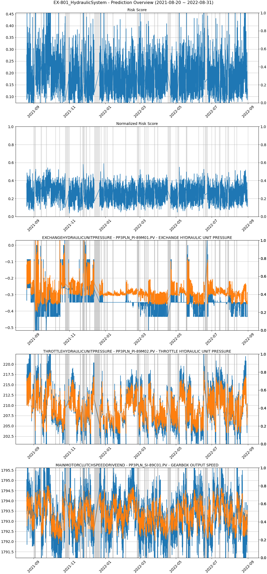
Overview 2019

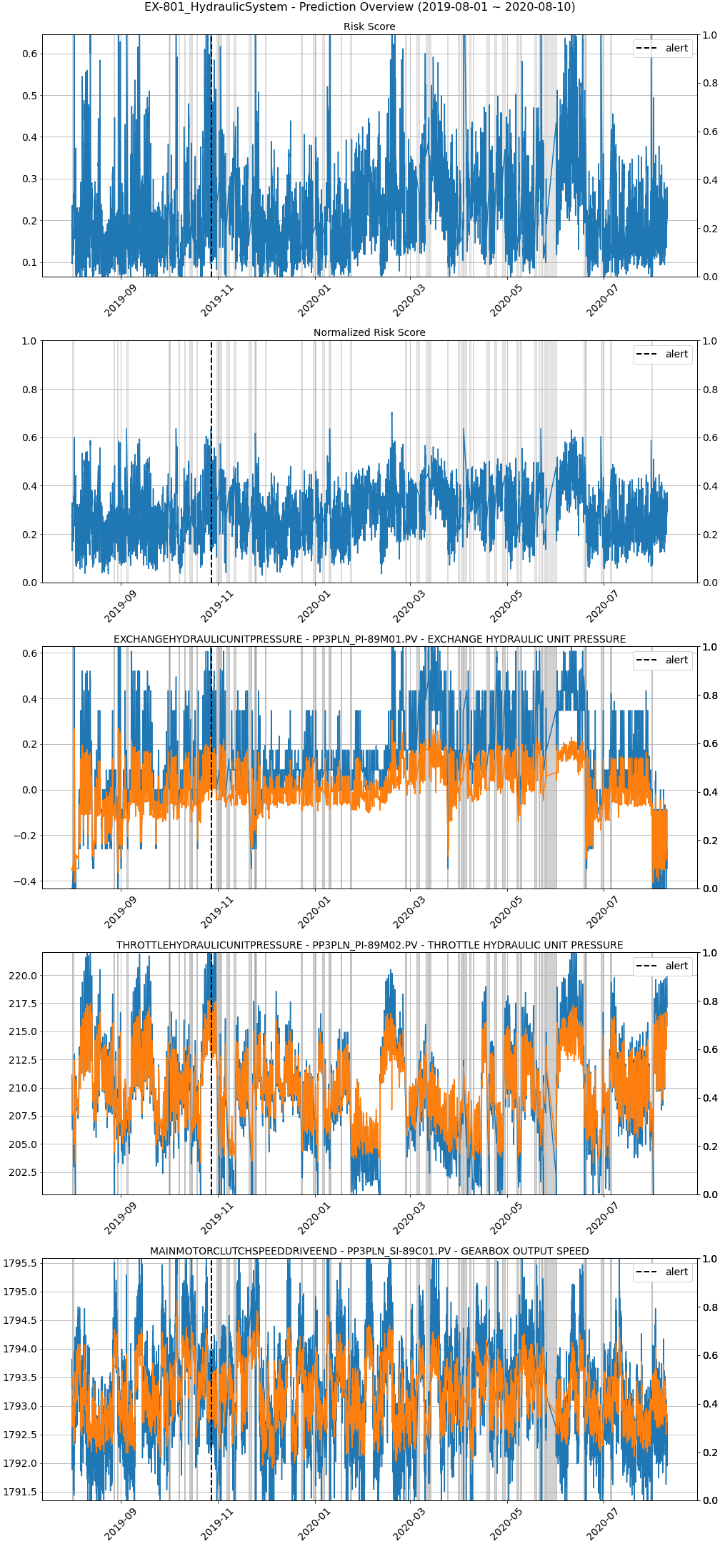

Overview 2020

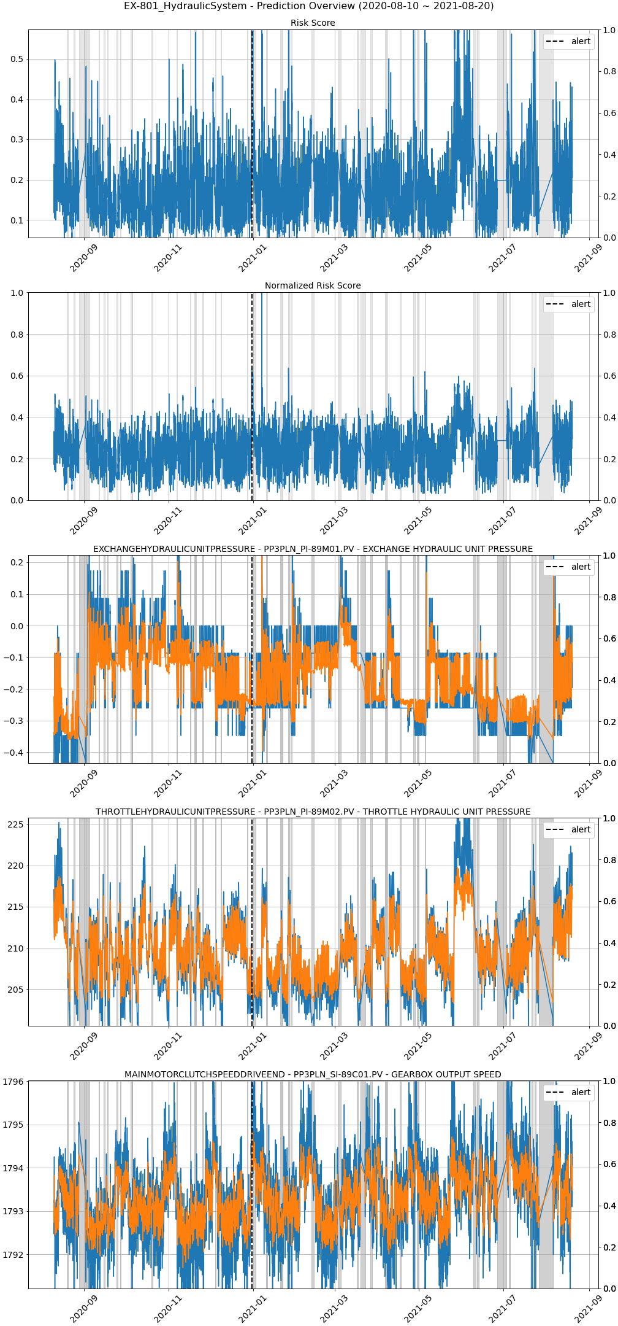

Overview 2021

Alert Details
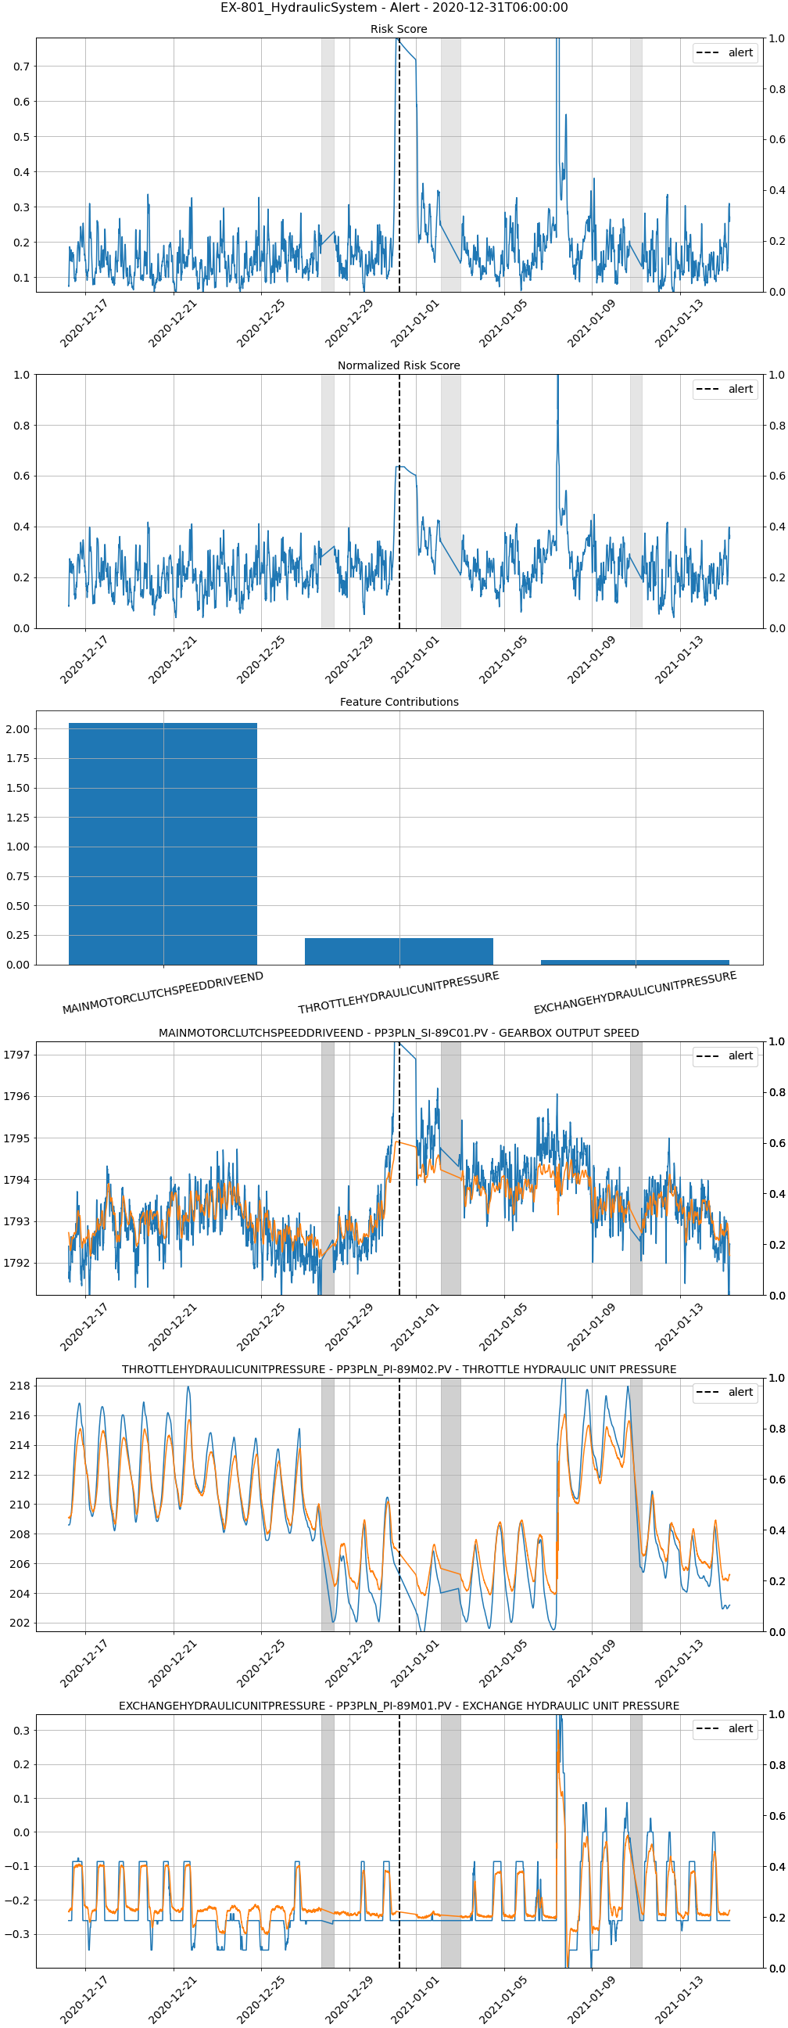
Alert timestamp: 2019-10-27 18:35:00
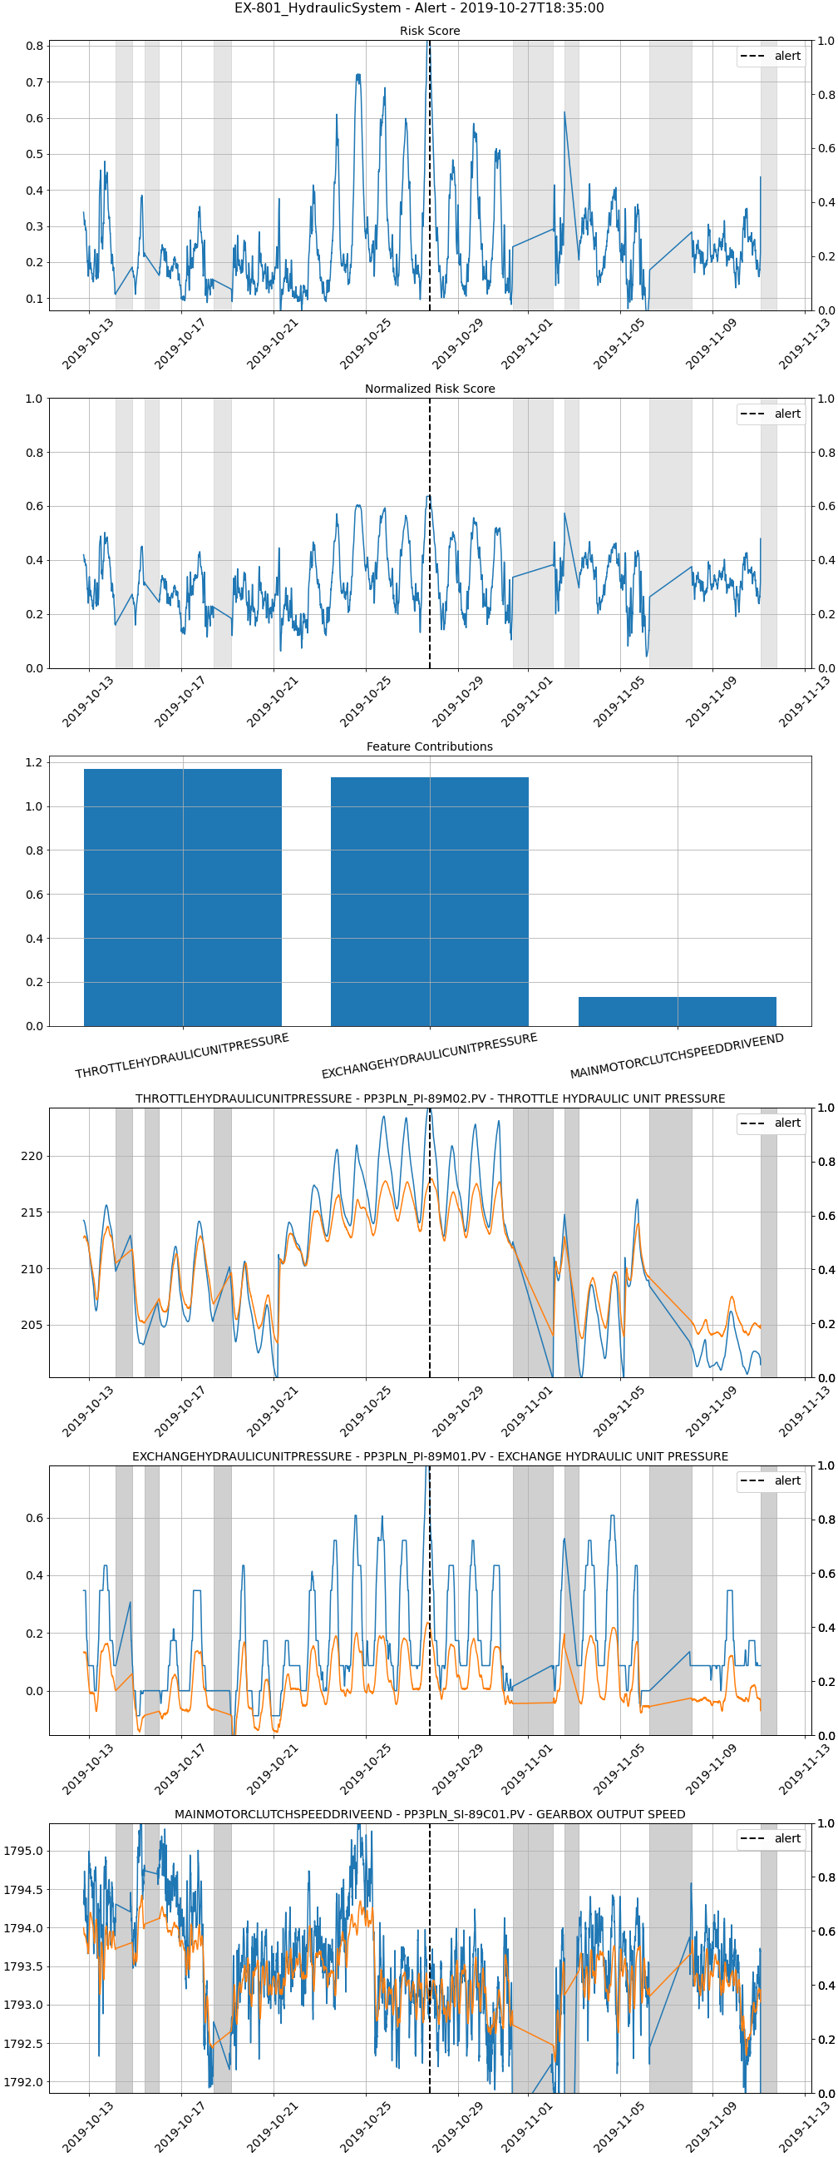

Alert timestamp: 2020-12-31 06:00:00

