Project Write-UP
Project Overview

The Dairy2Door is a web application for Milk Management and Distribution System. The mission of this application is to create a communication between customer and dairy management. By using this application customer can find distributor belonging to his area or the nearby location along with customer as well as distributor able to find availability of product within a click. Also it helps the distributor for easy management of customer’s order and transaction activities.

Usecase Diagram2
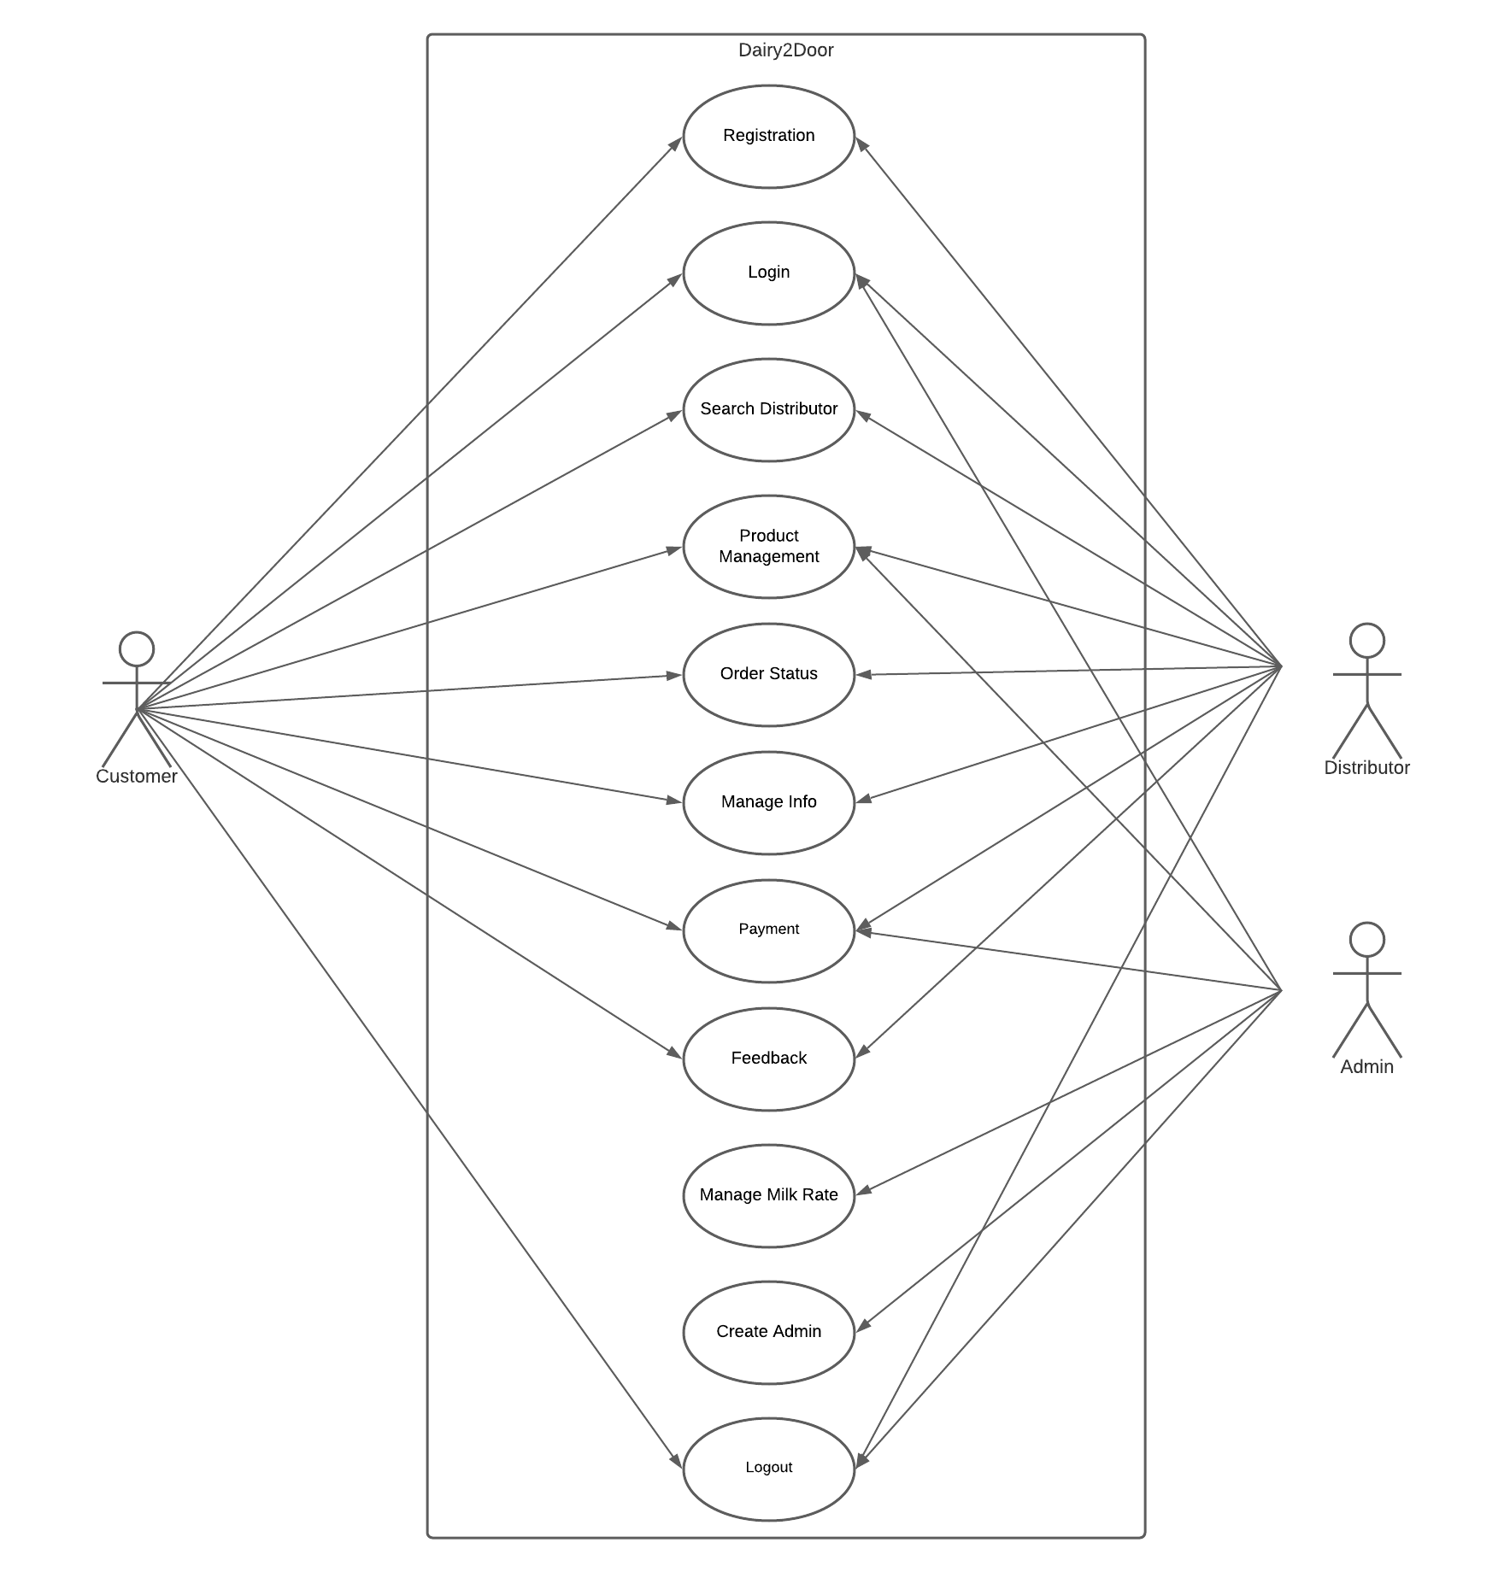

Usecase Diagram
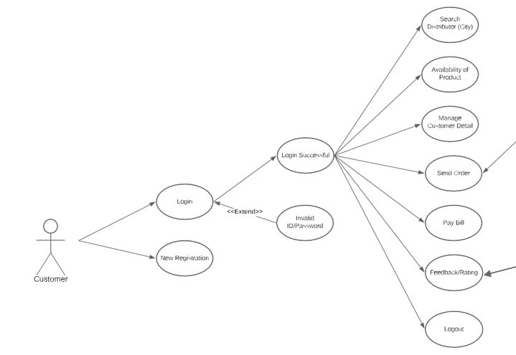 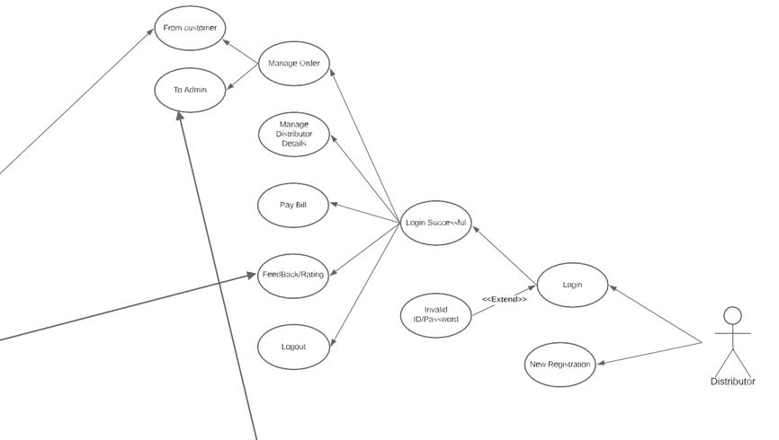 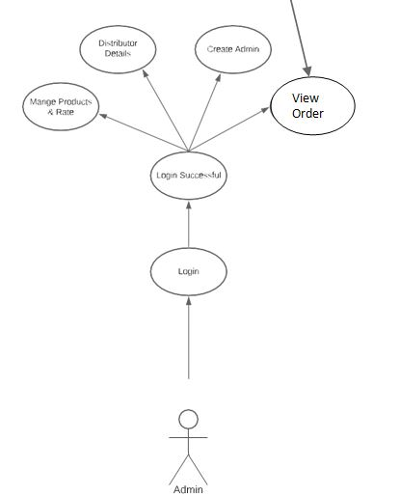
 | Usecase Diagram

App Flow
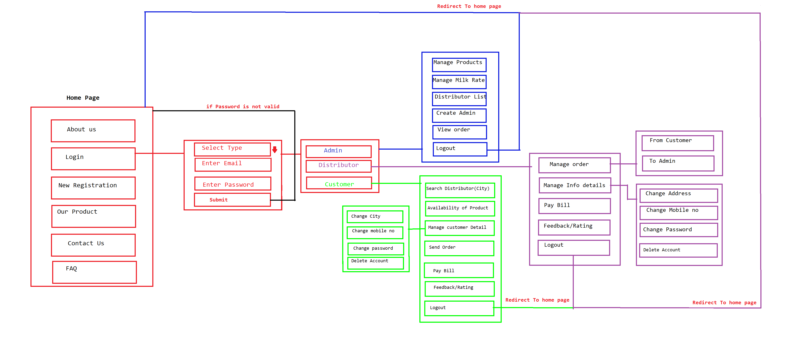

Uml
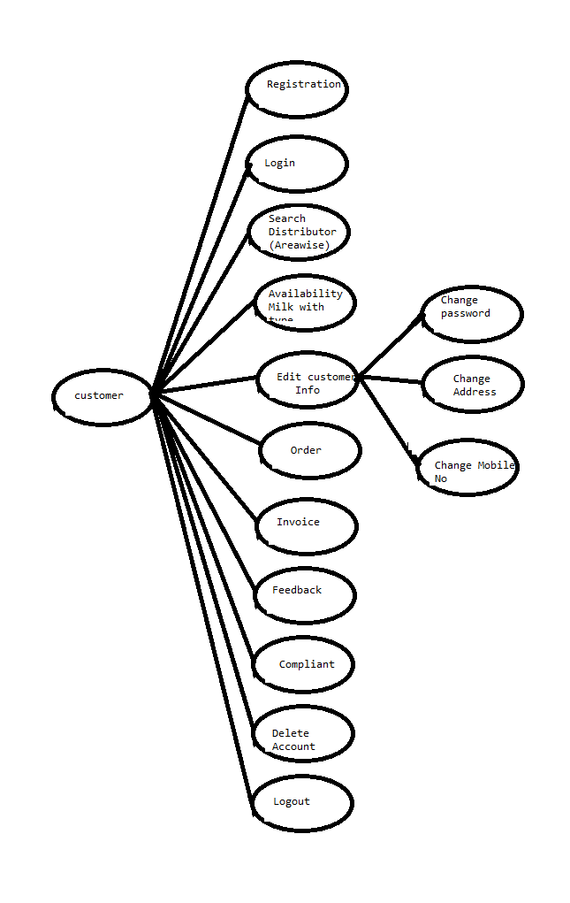

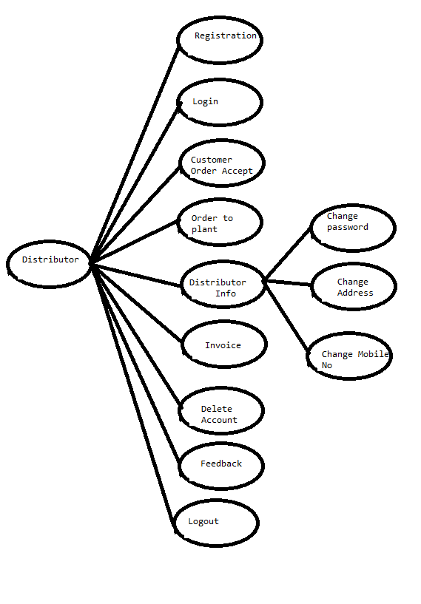

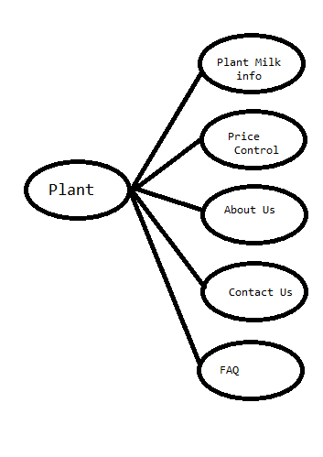

Plant

 | Distributor

 |  | Customer

