Sheet1
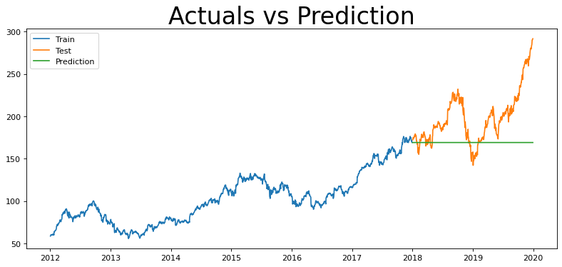
ARIMA |  |  | Charts
Order | RMSE | MAPE
(2,1,2) | 41.66 | 0.18620975295
(0,1,0) | 41.69 | 0.18646892075
(1,1,1) | 41.72 | 0.1867015699
(0,1,1) | 41.72 | 0.18675199021
(1,1,0) | 41.72 | 0.1867386117
(3,1,2) | 41.72 | 0.18672699454
(7,1,4) | 41.78 | 0.18716859571
(5,1,1) | 41.78 | 0.18717308672
(0,0,0) | 100.12 | 0.92938795879

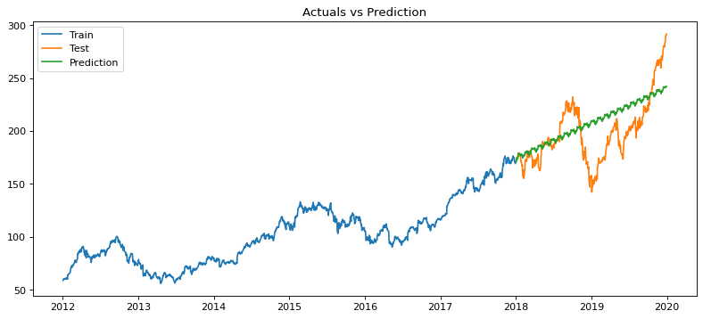
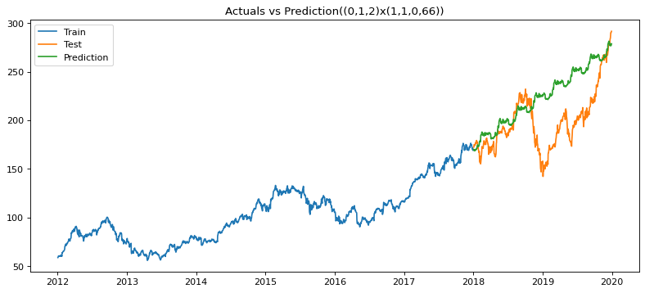
SARIMA |  |  |  | (0, 1, 2) x (1, 1, 0, 22) | (0, 1, 2) x (1, 1, 0, 66)
Order | RMSE | MAPE
(0, 1, 2) x (1, 1, 0, 22) | 24.86 | 0.094798073289
(1, 1, 1) x (0, 1, 1,66 ) | 26.59 | 0.10234896205
(0, 1, 1) x (0, 1, 1, 66) | 26.59 | 0.10236668205
(0, 1, 2) x (1, 1, 1, 22) | 26.64 | 0.10244373225
(0, 1, 1) x (0, 1, 2, 22) | 26.68 | 0.10266910934
(1, 1, 1) x (0, 1, 1, 22) | 26.77 | 0.10323662352
(0, 1, 1) x (0, 1, 1,22) | 26.78 | 0.10326385726
(0, 1, 2) x (1, 1, 1, 5) | 26.84 | 0.10365646725
(1, 1, 1) x (0, 1, 1, 5) | 26.85 | 0.10368543342
(0, 1, 1) x (0, 1, 1, 5) | 26.85 | 0.10371363867
(0, 1, 1) x (0, 1, 2, 5) | 26.87 | 0.10382165005
(0, 1, 2) x (1, 1, 1, 66) | 26.87 | 0.10391314612
(0, 1, 1) x (0, 1, 2, 66) | 26.94 | 0.10428165309
(0, 1, 2) x (1, 1, 0, 66) | 36.42 | 0.12270984327
(0, 1, 2) x (1, 1, 0, 5) | 203.74 | 19.951831417
(1,1,1) x (1, 1, 1, 5) | 26.83 | 0.10357448595
(1,1,1) x (1, 1, 1, 22) | 26.66 | 0.10254996349
(1,1,1) x (1, 1, 1, 66) | 26.88 | 0.10396753378
(1, 1, 1) x (0, 1, 1, 264) | Memory Error

 |  |  |  | "mul", "mul" | "add", "mul"
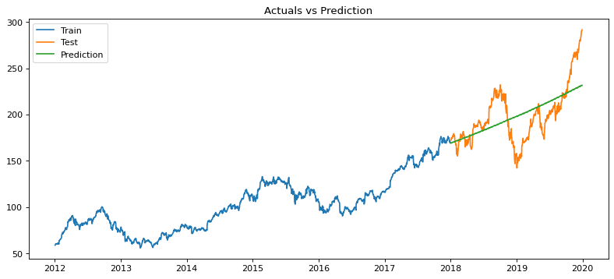
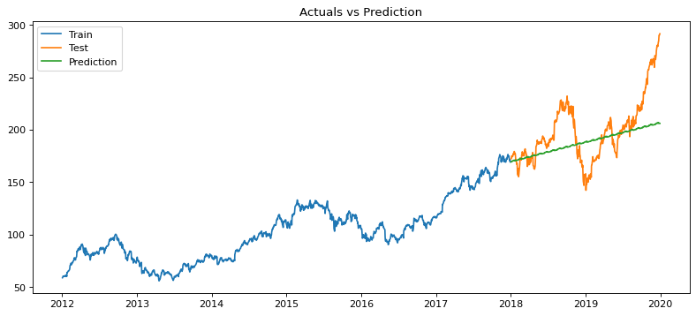

Holt's Winter Method
Trend, Season | RMSE | MAPE
"mul", "mul" | 22.91 | 0.091746228684
"add", "mul" | 26.64 | 0.093473946021
"mul", "add" | 22.9 | 0.092141334363
"add", "add" | 26.75 | 0.093856092013

 |  |  |  | "mul", "add" | "add", "add"
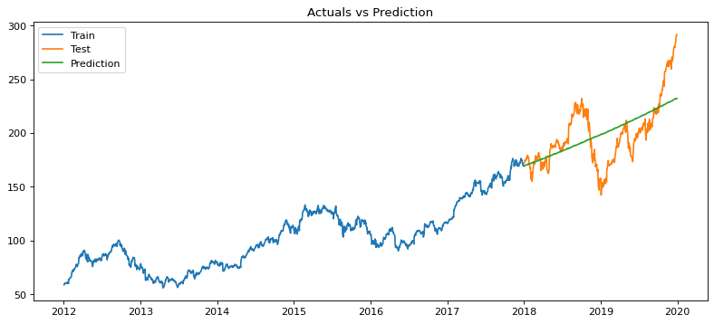


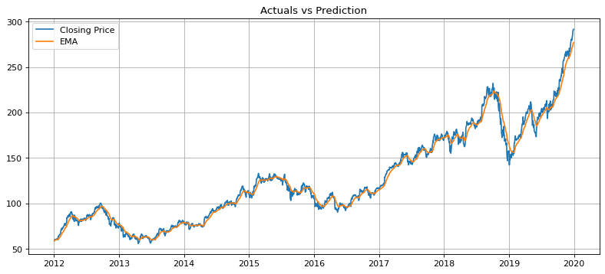
EMA
Span | RMSE | MAPE
22 | 5.13 | 0.029755854056

