Project_Plan
1. Project Introduction |  | 2. Real Business Scenario |  |  | 3. SAP Objects Required |  |  |  | 4. Project Architecture
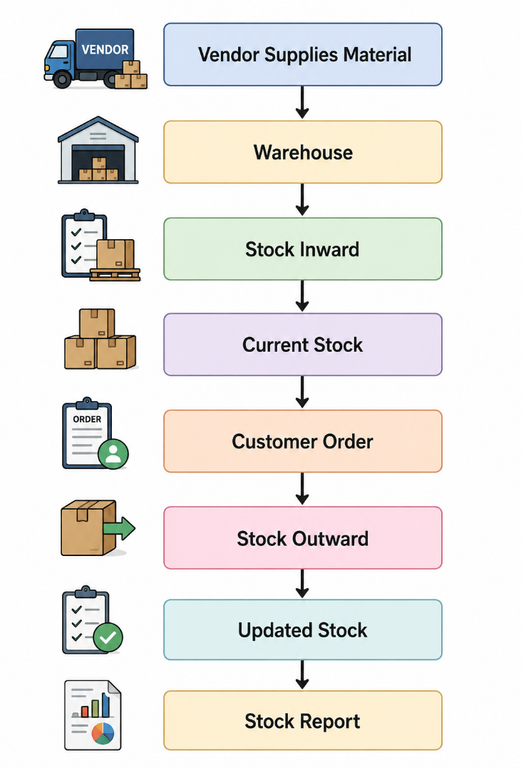
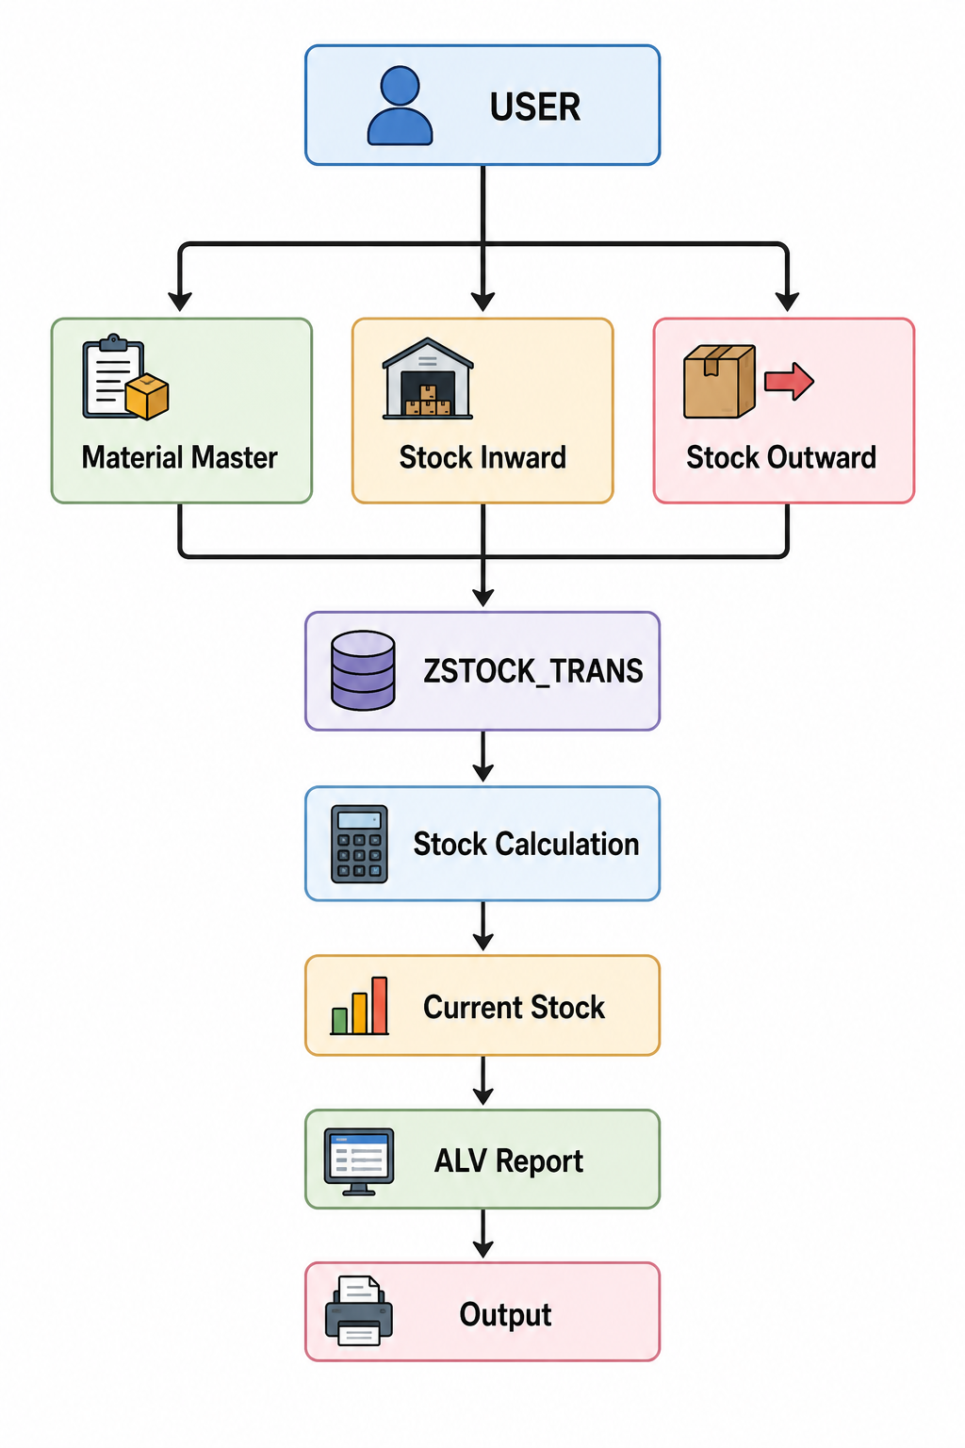
Project Name | Inventory Management System |  |  |  | Object | Purpose
 |  |  |  |  | SE11 | Database Tables
Project Objective | The objective of this project is to manage material stock within a company by tracking: |  | Ex |  | SE54 | Table Maintenance
 | Material Creation |  | Laptop Received = 100 Laptop Issued = 40 Available Stock = 60 |  | SE38 | Reports
 | Stock Inward |  |  |  | SE80 | Module Pool
 | Stock Outward |  |  |  | SE93 | Transaction Codes
 | Current Stock Availability |  |  |  | ALV | Reporting
 | Stock Reporting |  |  |  | Search Help | Material Search
 |  |  |  |  | Lock Object | Data Locking

5. Database Design |  | 6. Project Development Roadmap |  | 7. Module 1: Material Master |  |  |  | 8. Module 2: Stock Inward |  | 9. Module 3: Stock Outward
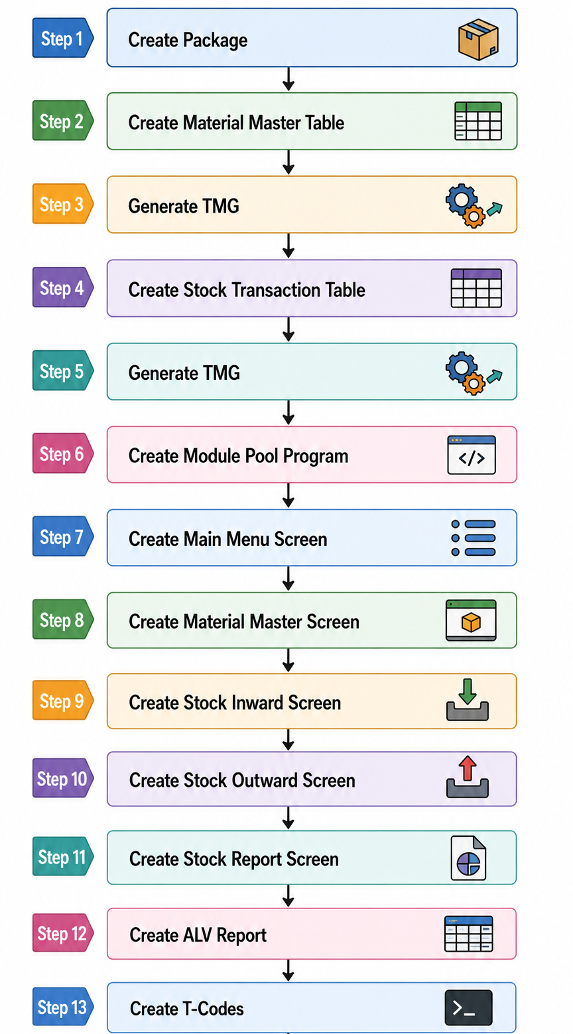
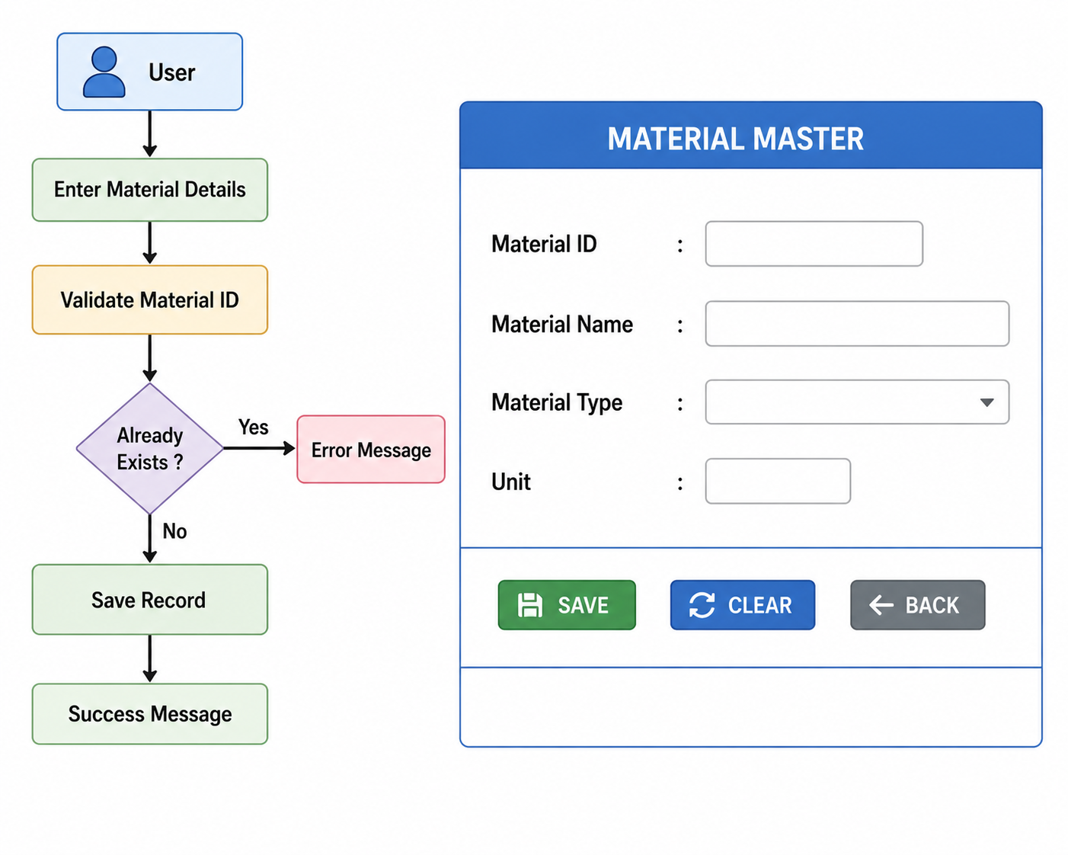
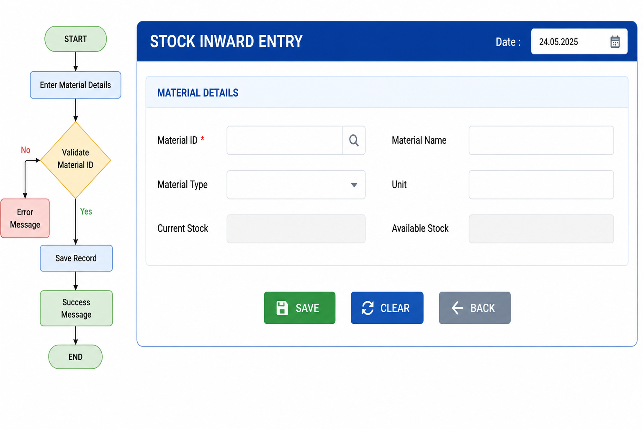
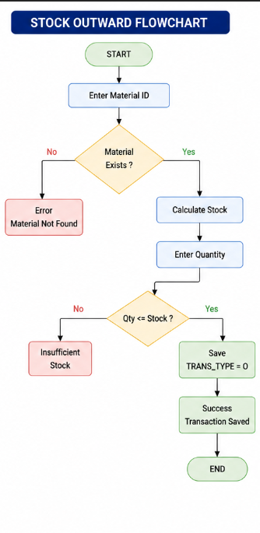
Table 1: ZMATERIAL_MASTER

Purpose | Stores Material Information.

Field Name | Description
MAT_ID | Material ID
MAT_NAME | Material Name
MAT_TYPE | Material Type
UNIT | Unit
CREATED_BY | User
CREATED_ON | Date

Primary Key | MAT_ID

Table 2: ZSTOCK_TRANS

Purpose | Stores stock movement transactions.

Field Name | Description
TRANS_ID | Transaction Number
MAT_ID | Material ID
TRANS_TYPE | I / O
QTY | Quantity
TRANS_DATE | Date
CREATED_BY | User

PK | TRANS_ID
FK | MAT_ID

10. Stock Calculation Logic |  | 11. Module Pool Screen Structure |  | 12. Navigation Flow |  |  | 13. Transaction Codes

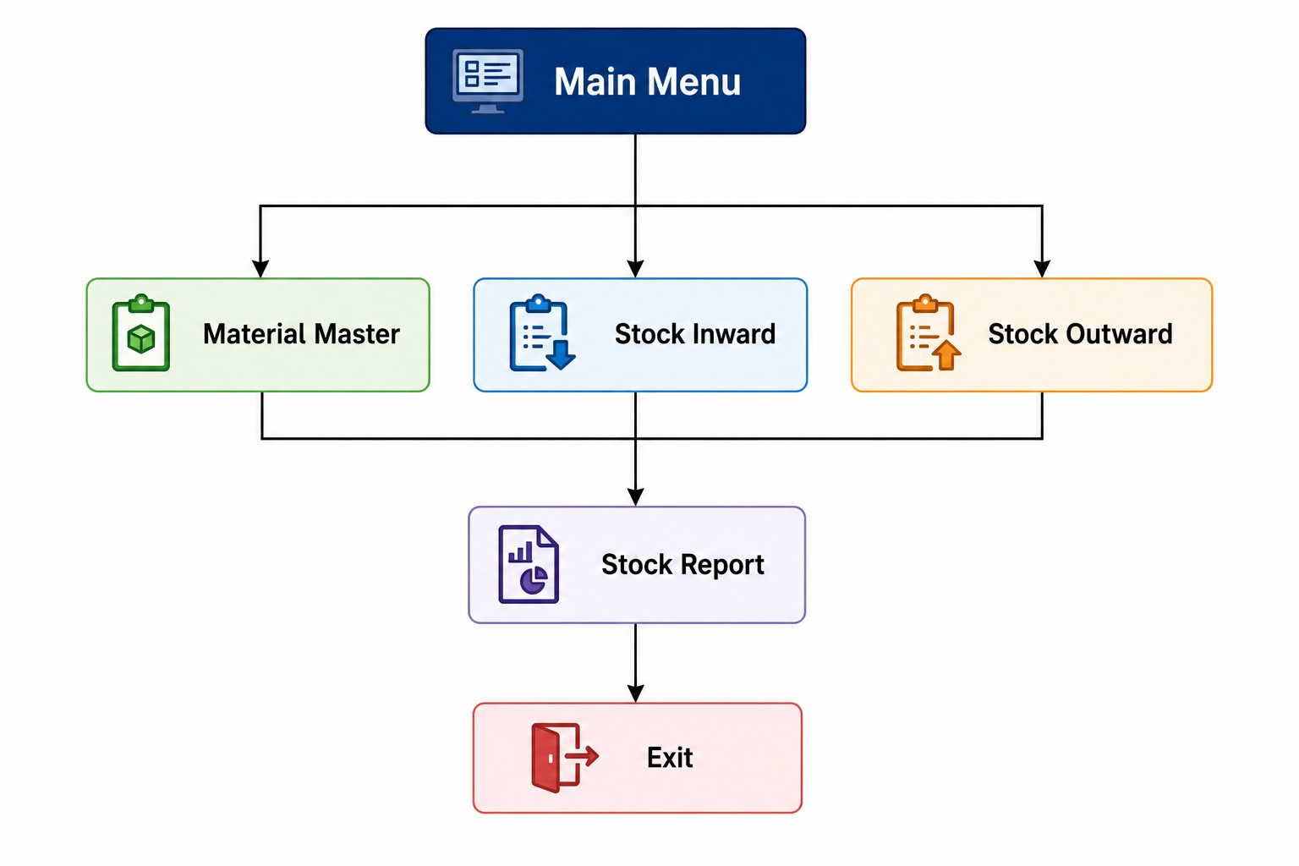
Formula | Current Stock = Total Inward - Total Outward | Screen 100 → Main Menu |  |  |  |  | T-Code | Purpose
 |  |  |  |  |  |  | ZINV | Main Menu
 |  | Screen 200 → Material Master |  |  |  |  | ZMAT | Material Master
 |  |  |  |  |  |  | ZINWARD | Stock Inward
 |  | Screen 300 → Stock Inward |  |  |  |  | ZOUTWARD | Stock Outward
 |  |  |  |  |  |  | ZSTOCKREP | Stock Report
 |  | Screen 400 → Stock Outward

 |  | Screen 500 → Stock Report

