Sheet1
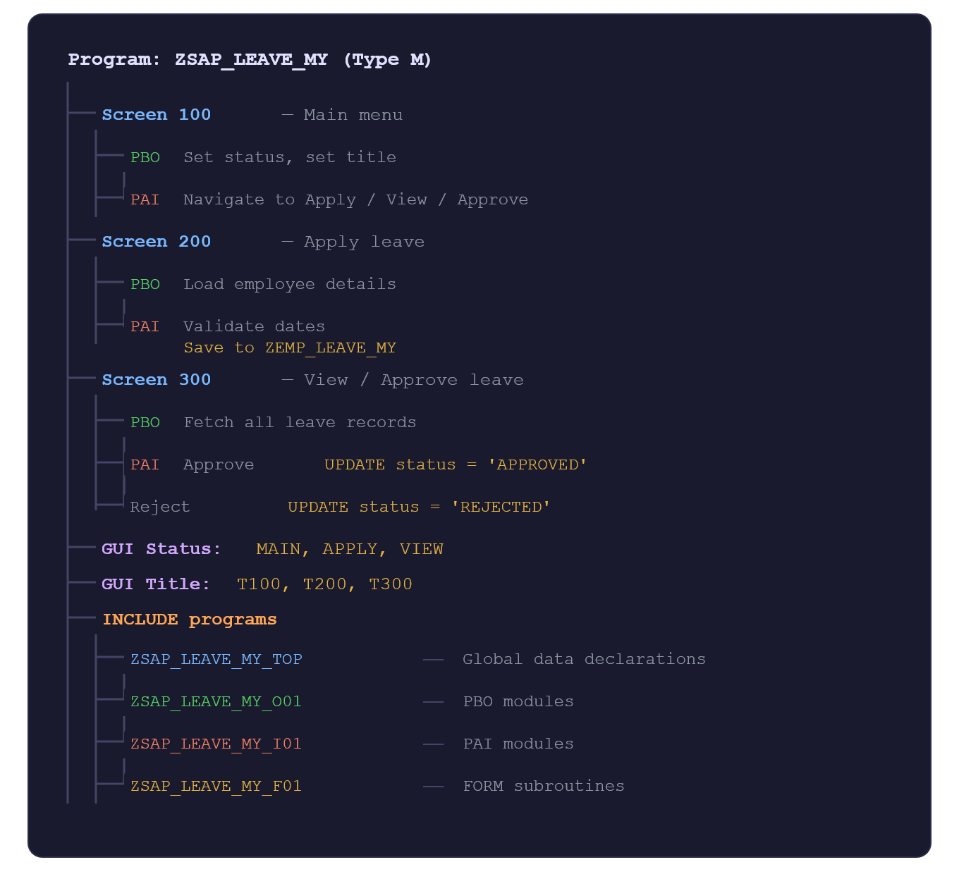
 |  | Complete Structure of the Leave Management System
TR | A4HK904424
PKG | ZTR_PROJECT

MASTER TABLE NAME | ZEMP_MASTER_MY
LEAVE TABLE NAME | ZEMP_LEAVE_MY

TMG FOR MASTER TABLE | ZEMP_MASTER_MY
TMG FOR LEAVE TABLE | ZEMP_LEAVE_MY

