Answer
TR | A4HK904217 | Program name | ZPRG_SHUBHAM_BUFFER

Package | ZBUFFER_SHUBHAM

Table name | ZEMP_DEPT_SR

Table Info |  |  |  | Technical Settings
 |  |  |  |  |  | Bufferd Data
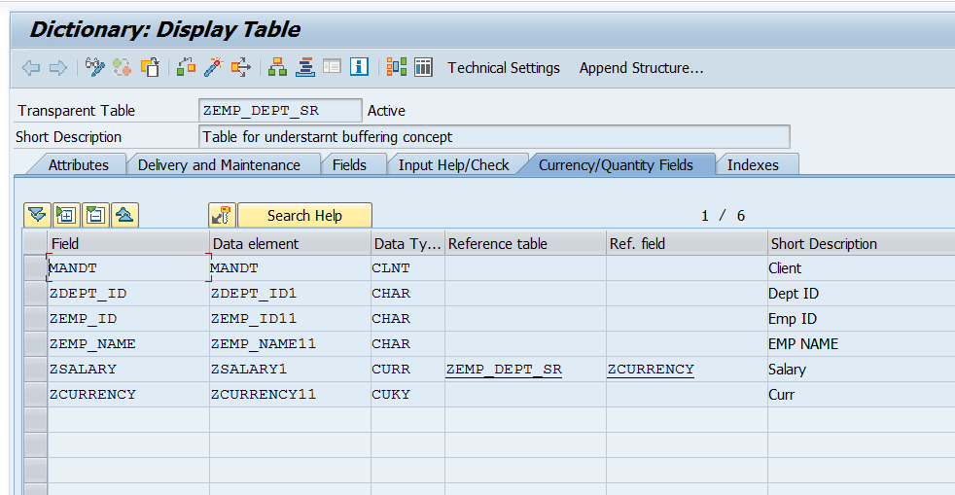
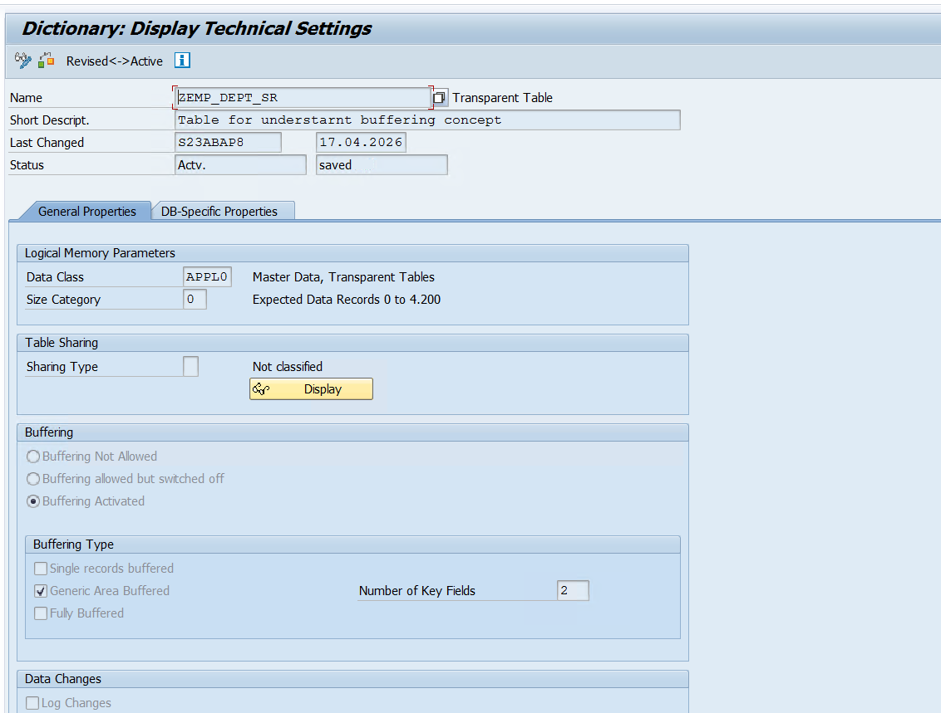

 |  |  |  |  |  |  | Working Flow

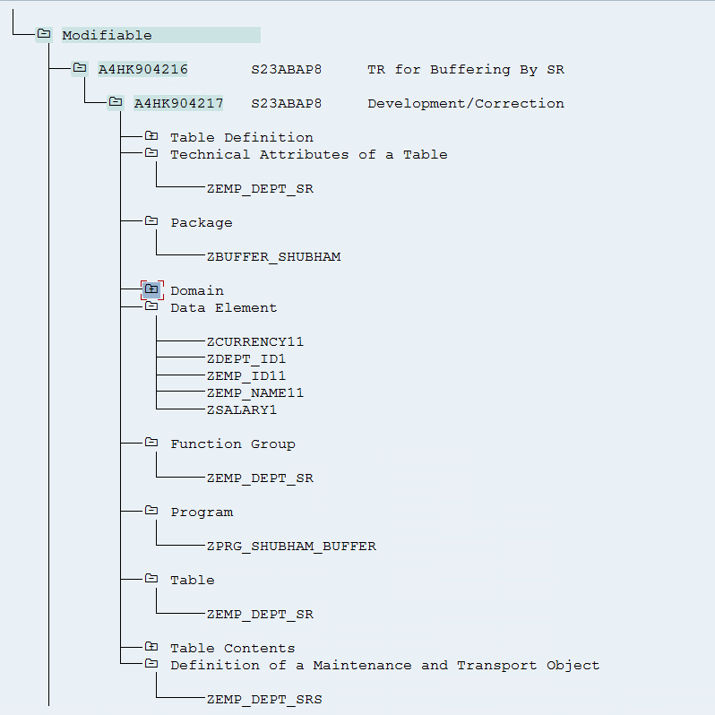

Table Data
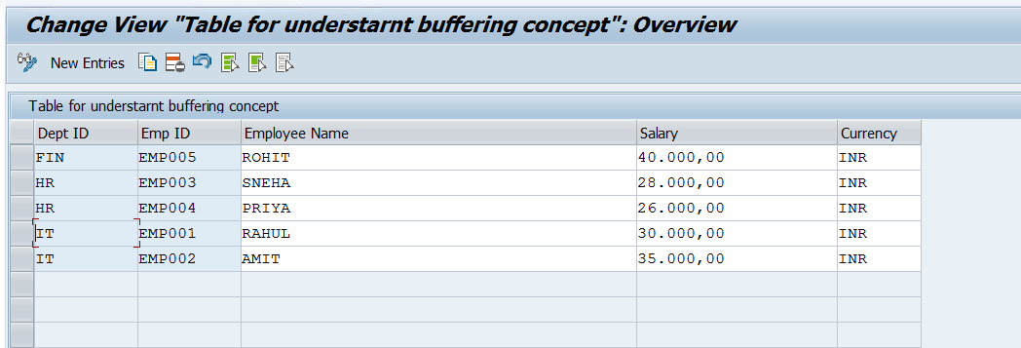

 |  |  |  |  | Buffer Program Data

