Sheet1
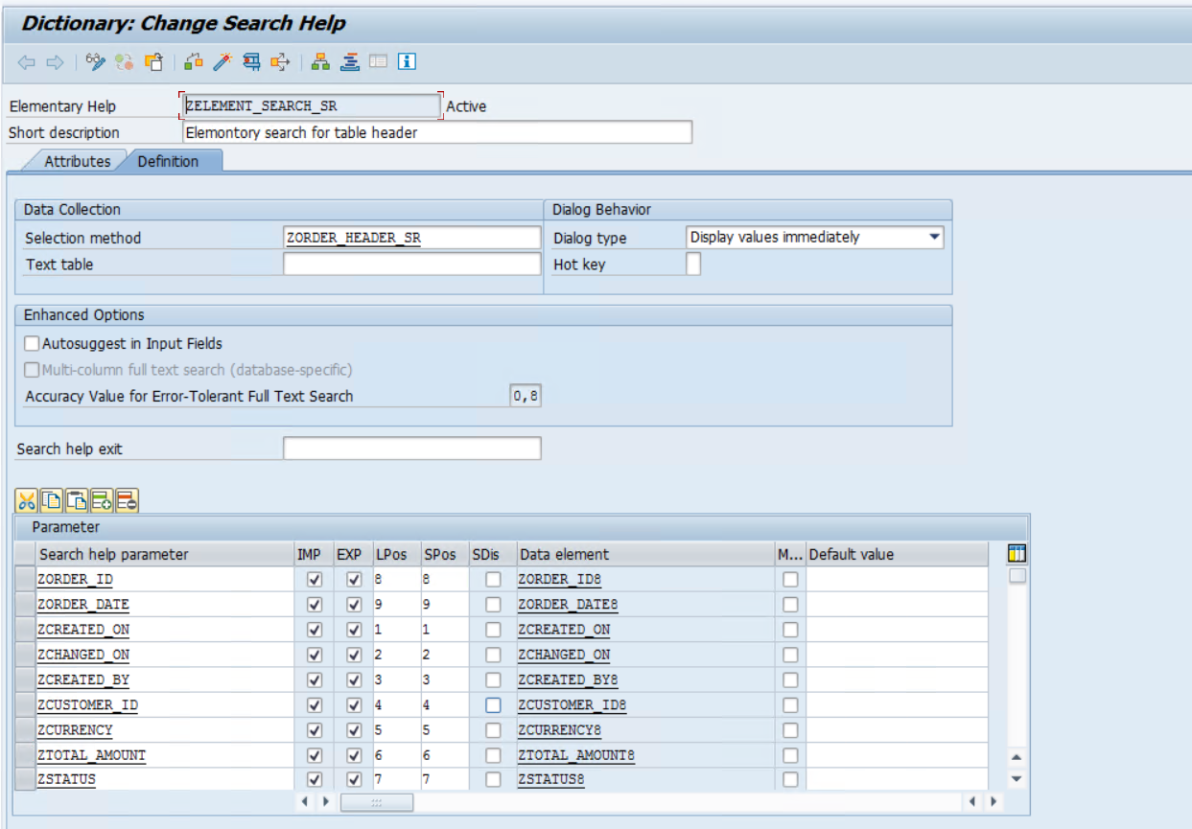
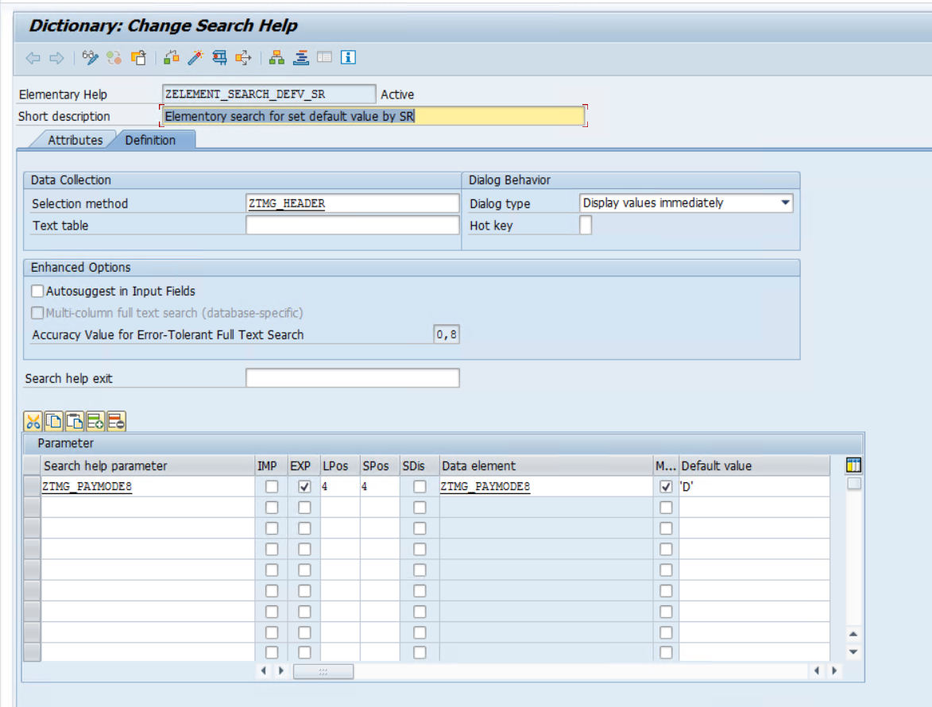
Search Help name |  | Search Help Name |  | ZELEMENT_SEARCH_SR_HV
ZELEMENT_SEARCH_SR | Applied On : ZORDER_HEADER_SR | ZELEMENT_SEARCH_DEFV_SR | Applied Table : TMG_HEADER

