View
Database view |  | Order Header Table |  | Maintenance View |  |  |  | Views Name in TR : A4HK904172
 |  |  |  |  |  |  |  | ZVIEW_SR_DB
Field Description | Reference Table | Field Description | Ref Table | Field Description | Ref Table |  |  | ZVIEW_SR_PROJ
Order Number | Order header table | Order Number | Order Header Table | Client Number | Project Detials 1 |  |  | ZVIEW_SR_MAIN_N
Order Date | Order header table | Order Date | Order Header Table | Project Number | Project Detials 1 |  |  | ZVIEW_SR_HELP
Delivery Number | Order header table | Delivery Number | Order Header Table | Project Description | Project Detials 2 |  |  | ZSHUBH_DB_VIEW
Delivery Date | Order header table | Delivery Date | Order Header Table | Project Location | Project Detials 2
Payment Mode | Order header table |  |  |  |  |  |  | Structure Name
Total Amount | Order header table |  |  |  |  |  |  | ZSTRUCTURE_SR
Currency | Order header table
Delivery location | Order header table
Order Item Number | Order Item Table |  |  | Project Detials 1 | Table Name : ZPROJECT1_SR_N

Order Description | Order Item Table |  |  | Field Description | Key | Data type | Length | Possible Value | Domain | Data Element
Item Cost | Order Item Table |  |  | Client Number | Y | CLNT | 3 |  | ZCLINT_NO | ZCLINT_NO
 |  |  |  | Project Number | Y | NUMC | 8 |  | ZPROJECT_NO | ZPROJECT_NO
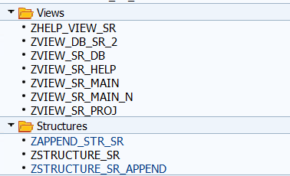

 |  |  |  | Project Details 2 | Table Name : ZPROJECT2_SR_N

 |  |  |  | Field Description | Key | Data type | Length | Possible Values
 |  |  |  | Client Number | Y | CLNT | 3
 |  |  |  | Project Number | Y | NUMC | 8
 |  |  |  | Project Description | N | CHAR | 40 |  | ZPROJECT_DESC | ZPROJECT_DESC
 |  |  |  | Project Location | N | CHAR | 3 | MUM = Mumbai, AHD = Ahmedabad, KOL = Kolkatta | ZPROJECT_LOC | ZPROJECT_LOC

 |  |  |  | Logic

 |  |  |  | Create the above mentioned tables and assign the PFK relationship
 |  |  |  | Create a maintenance view with the help of abouve 2 tables
 |  |  |  | Create a TMG of the view and insert the following entries

 |  |  |  | Entries

 |  |  |  | Project Numebr | Project Descriptions | Project Location
 |  |  |  | 1 | Sales | Ahmedabad
 |  |  |  | 2 | Marketing | Mumbai
 |  |  |  | 3 | Human Resources | Kolkatta

