Dashboard
Amazon Sales Dashboard

Cancellation Rate by Region
 | Total
Central | 35.71%
East | 16.67%
North | 40.00%
South | 20.00%
West | 34.78%
Total Sales Amount by Region and Product Category
 | Books | Electronics | Fashion | Home | Toys
Central | 84 | 2662 | 210 | 2063 | 437
East | 394 | 365 | 711 | 741 | 1424
North | 464 | 6522 | 788 | 2131 | 586
South | 423 | 3938 | 1032 | 1881 | 43
West | 350 | 1722 | 1131 | 4135 | 1021
Total Revenue

$35,258

Top 3 Performing Regions
29.75%
23.71%
20.75%
North
West
South
% of Total Sales Revenue

Effective Sales
 | Total
Books | 127
Electronics | 6126
Fashion | 1376
Home | 4203
Toys | 1824
Count of Orders by Delivery Status
 | Total
Cancelled | 30
Delivered | 34
In Transit | 36

Highest-selling Product
Smartphone

% of Fast Deliveries
32.35%
Sales by Month
 | Total
Jan | 1099
Feb | 3712
Mar | 905
Apr | 2637
May | 4940
Jun | 2599
Jul | 3315
Aug | 782
Sep | 1570
Oct | 2920
Nov | 6312
Dec | 4467

Average Fulfillment Time
3.76 Days

Questions
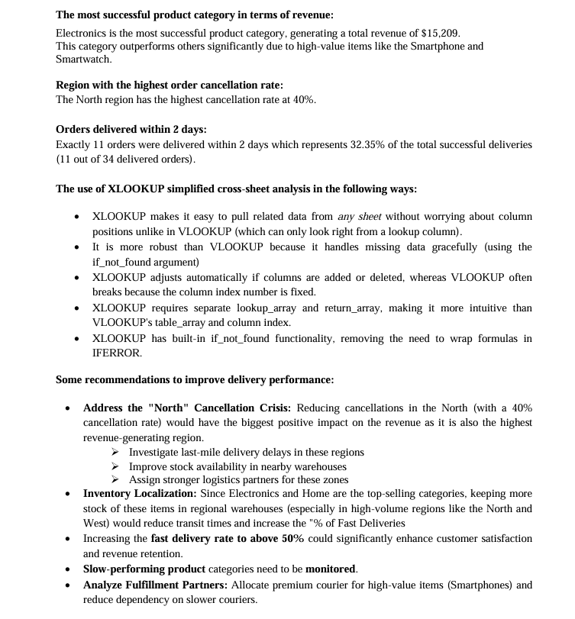
Brainstorming Reflection

