colorClusterID to colorCluster
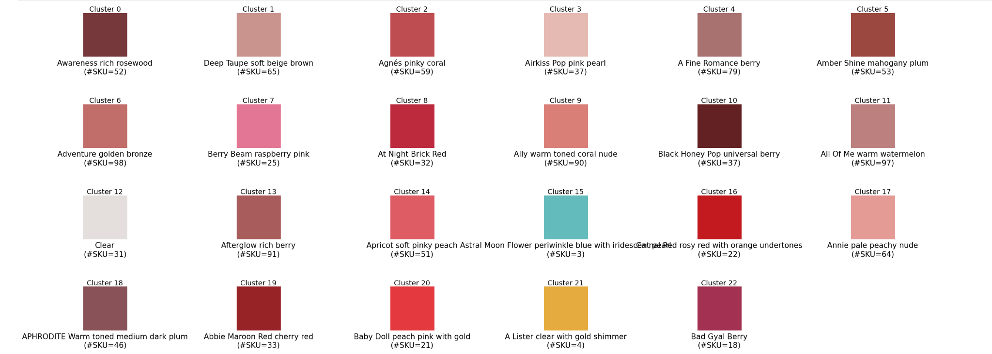
ColorCluster | ClusterColorDescription | cluster_R | cluster_G | cluster_B | SKU_Count
0 | Awareness rich rosewood | 119 | 56 | 59 | 52
1 | Deep Taupe soft beige brown | 202 | 147 | 143 | 65
2 | Agnés pinky coral | 191 | 78 | 82 | 59
3 | Airkiss Pop pink pearl | 227 | 186 | 178 | 37
4 | A Fine Romance berry | 167 | 115 | 113 | 79
5 | Amber Shine mahogany plum | 154 | 72 | 65 | 53
6 | Adventure golden bronze | 194 | 108 | 106 | 98
7 | Berry Beam raspberry pink | 227 | 118 | 148 | 25
8 | At Night Brick Red | 190 | 43 | 63 | 32
9 | Ally warm toned coral nude | 218 | 128 | 120 | 90
10 | Black Honey Pop universal berry | 100 | 33 | 36 | 37
11 | All Of Me warm watermelon | 189 | 128 | 127 | 97
12 | Clear | 228 | 222 | 221 | 31
13 | Afterglow rich berry | 168 | 93 | 91 | 91
14 | Apricot soft pinky peach | 222 | 93 | 101 | 51
15 | Astral Moon Flower periwinkle blue with iridescent pearl | 100 | 188 | 188 | 3
16 | Carnal Red rosy red with orange undertones | 195 | 27 | 31 | 22
17 | Annie pale peachy nude | 227 | 156 | 149 | 64
18 | APHRODITE Warm toned medium dark plum | 136 | 82 | 87 | 46
19 | Abbie Maroon Red cherry red | 152 | 36 | 39 | 33
20 | Baby Doll peach pink with gold | 228 | 58 | 64 | 21
21 | A Lister clear with gold shimmer | 230 | 171 | 63 | 4
22 | Bad Gyal Berry | 162 | 50 | 81 | 18

