Sheet1
S.NO. | ROLL NO. | NAME | DOB | mail ID | PHOTO
1 | 240002001 | AARADHYA SHARMA | 10-May-07 | OFFICIALAARS10@GMAIL.COM | 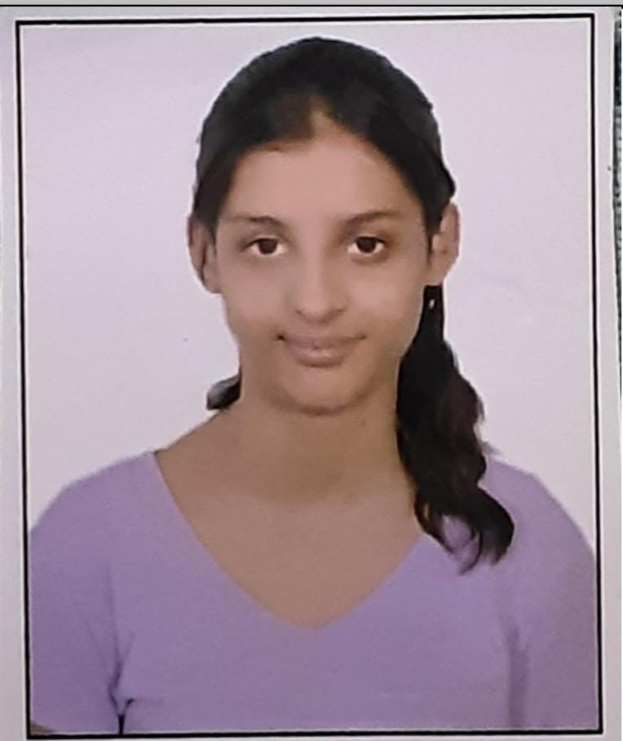
2 | 240002002 | ABHISHEK LARIYA | 6-May-05 | ABHISHEKLARIYA688@GMAIL.COM | 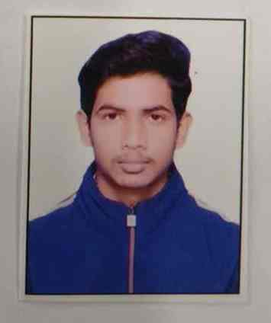
3 | 240002003 | ABHISHEK MEHTA | 19-Nov-06 | abhishekmehta3644@gmail.com | 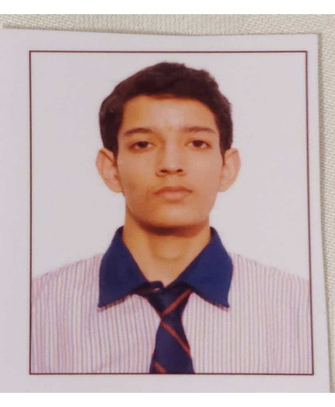
4 | 240002004 | ADHARSH GOPALAKRISHNAN | 16-Jul-24 | GADHARSH16@GMAIL.COM | 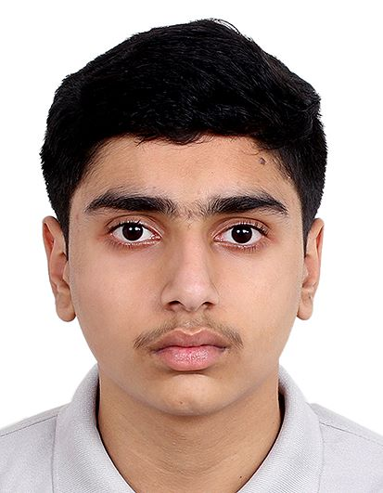
5 | 240002005 | ADITHYA B | 14-Jun-06 | BADITHYA2006@GMAIL.COM | 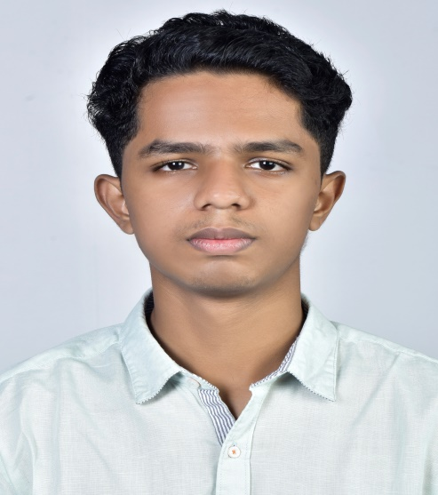
6 | 240002006 | ADITYA VINODKUMAR SABOO | 10-Mar-06 | ADISABOO10@GMAIL.COM | 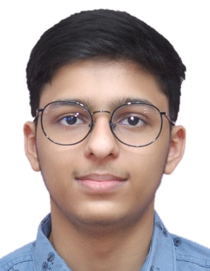
7 | 240002007 | AKARSH J | 17-Aug-05 | SMITHA.JAYANTH23@GMAIL.COM | 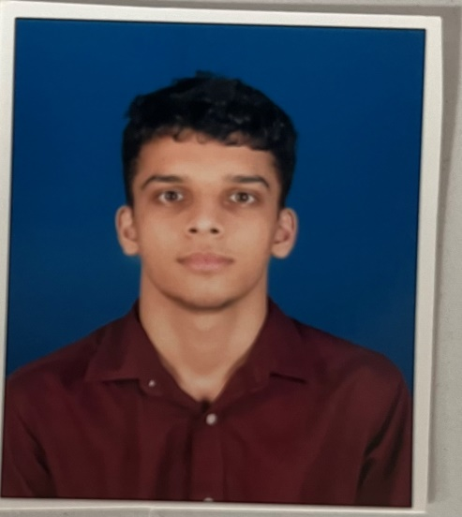
8 | 240002008 | ANKIT VERMA | 17-Mar-06 | ANKITVERMA17MARCH@GMAIL.COM | 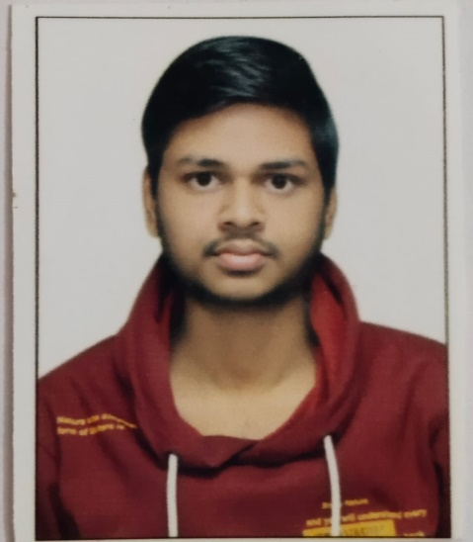
9 | 240002009 | ANKITA YADAV | 15-Nov-05 | ANK2005ITA@GMAIL.COM | 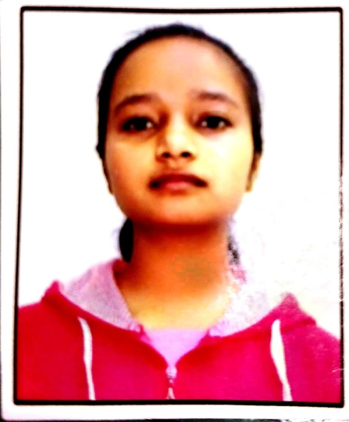
10 | 240002010 | ANKUSH RAJ | 29-Jul-07 | ANKUSHRAJ2024@GMAIL.COM | 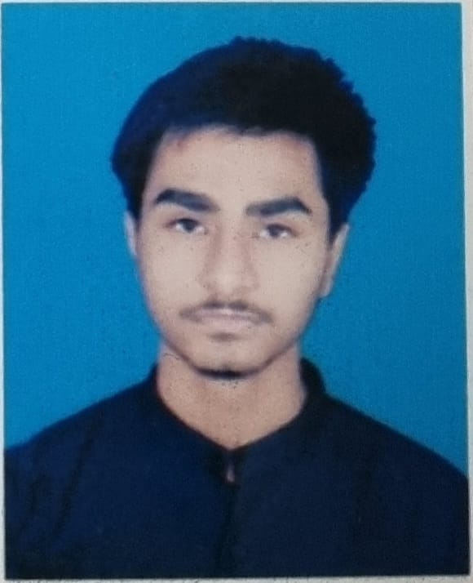
11 | 240002011 | ARPIT VERMA | 15-Nov-06 | ARPITVERMA.LPS9@GMAIL.COM | 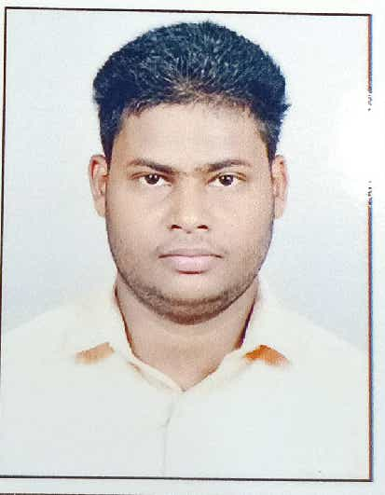
12 | 240002012 | ARYAN JAIN | 14-Dec-05 | ARYANJ2615@GMAIL.COM | 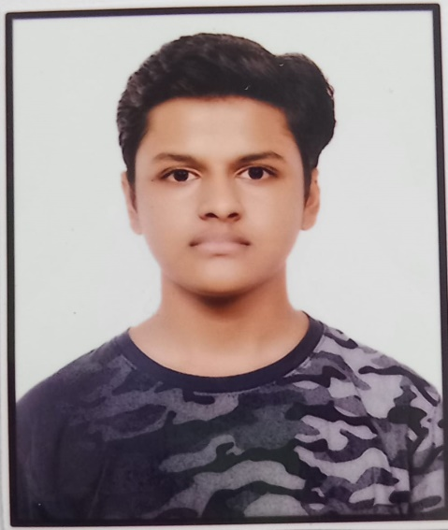
13 | 240002013 | ASHMITA SHARMA | 22-Dec-05 | HASHMITA635@GMAIL.COM | 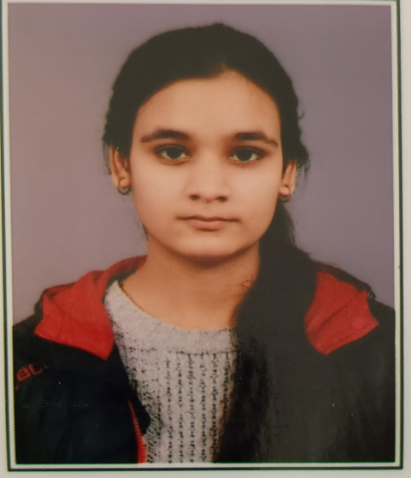
14 | 240002014 | ATLURI AAKARSH | 31-Dec-06 | SUSHAMA.TUMMALA@GMAIL.COM | 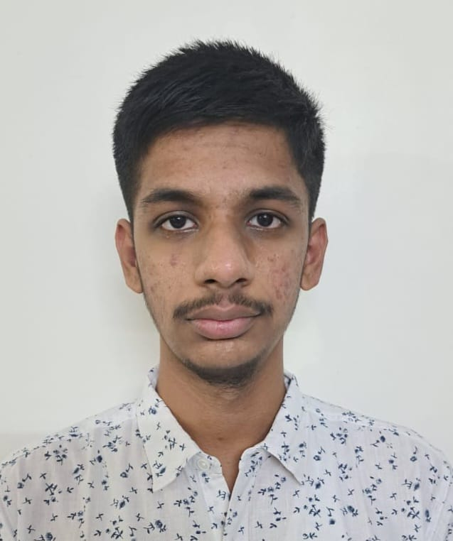
15 | 240002015 | AVNI JHARWARE | 18-Feb-05 | AVNIJHARWADE8385@GMAIL.COM | 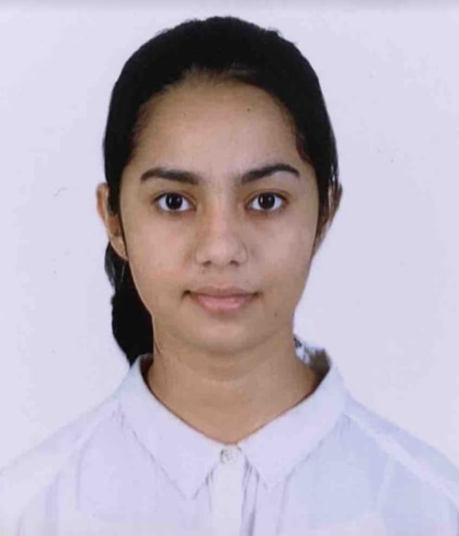
16 | 240002016 | BANDARU SHIVA | 28-Aug-07 | ADITHYASUNKAR@GMAIL.COM | 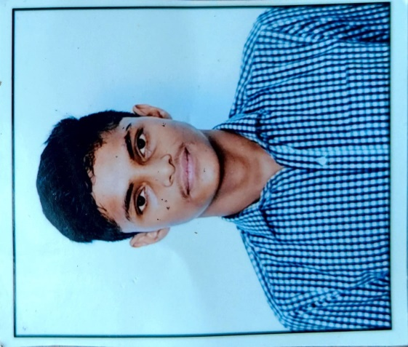
17 | 240002017 | BHASURU NIKHIL | 19-Feb-07 | bhasurun@gmail.com | 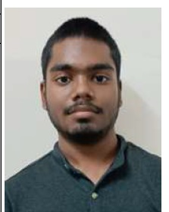
18 | 240002018 | BOJJA JAGRUTHI | 12-Aug-07 | BJAGRUTHI23@GMAIL.COM | 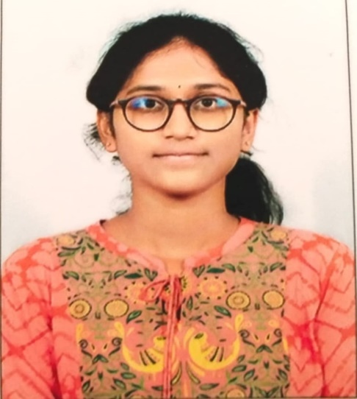
19 | 240002019 | CHAKILAM RISHWANTH | 5-Nov-06 | rishwanthchakilam5@gmail.com | 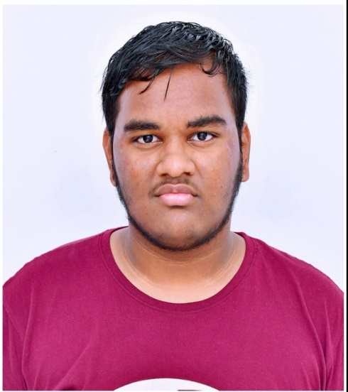
20 | 240002020 | CHITTURI YASHWANTH SRI SAI | 22-Nov-06 | Yashwanthsrisaichitturi@gmail.com | 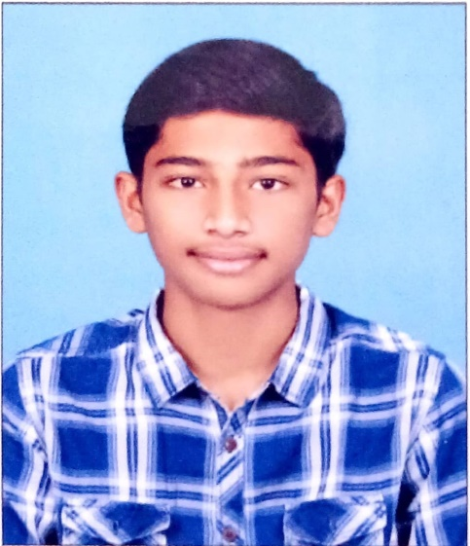
21 | 240002021 | CHUKKA HEMANTH KUMAR NAIDU | 5-Jan-07 | hemuchukka147@gmail.com | 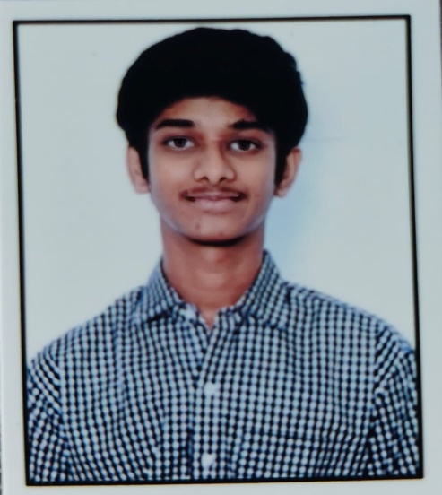
22 | 240002022 | DEEPAK | 24-Jan-07 | DEEPAKASSOCIATES247@GMAIL.COM | 
23 | 240002023 | DEVANSH CHAUDHARY | 19-Oct-06 | chaudharydevansh163@gmail.com | 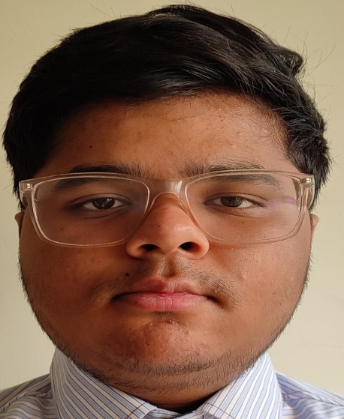
24 | 240002024 | DIGVIJAY SINGH PUNDIR | 23-May-06 | DIGVIJAYPUNDIR23506@GMAIL.COM | 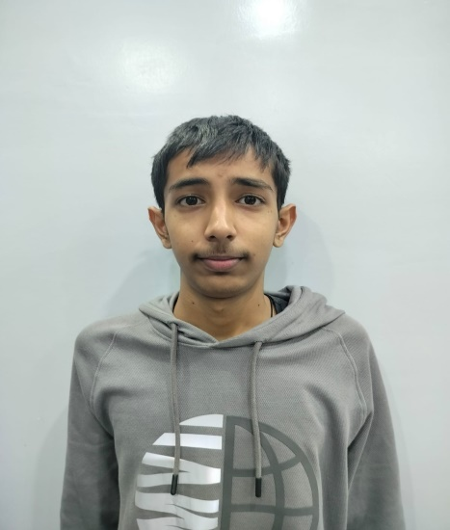
25 | 240002025 | GADGIL RUCHA VINAY | 18-Dec-05 | RUCHAGADGIL07@GMAIL.COM | 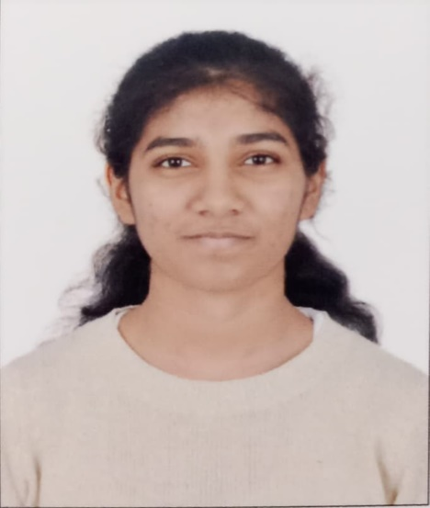
26 | 240002026 | GOGULA VENKATA HEMANTH | 24-Oct-06 | HEMANTHGV06@GMAIL.COM | 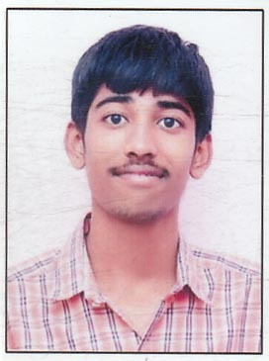
27 | 240002027 | HARSHITKUMAR SINGH | 5-May-07 | harshitsingh562006@gmail.com | 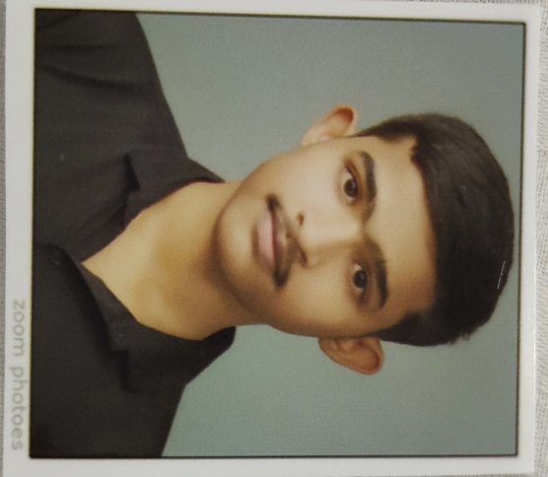
28 | 240002028 | KARAN HITESH BAGTHARIYA | 30-May-06 | KARAN.BAGTHARIYA3005@GMAIL.COM | 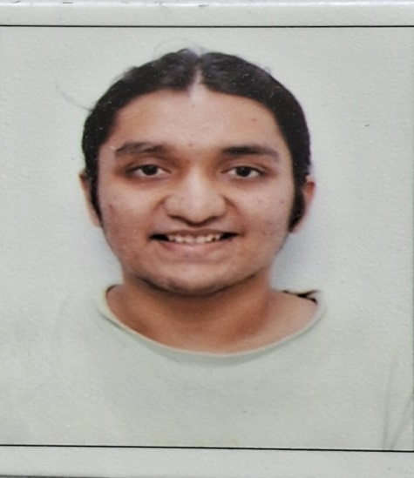
29 | 240002029 | KAVYA JIGARKUMAR SHAH | 24-Jul-06 | KAVYAJSHAH240706@GMAIL.COM | 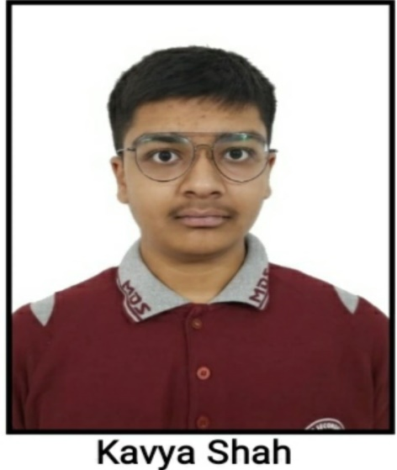
30 | 240002030 | KONDAPARTHY SIRI CHANDANA | 12-Jul-06 | RAMKONDAPARTHY@GMAIL.COM | 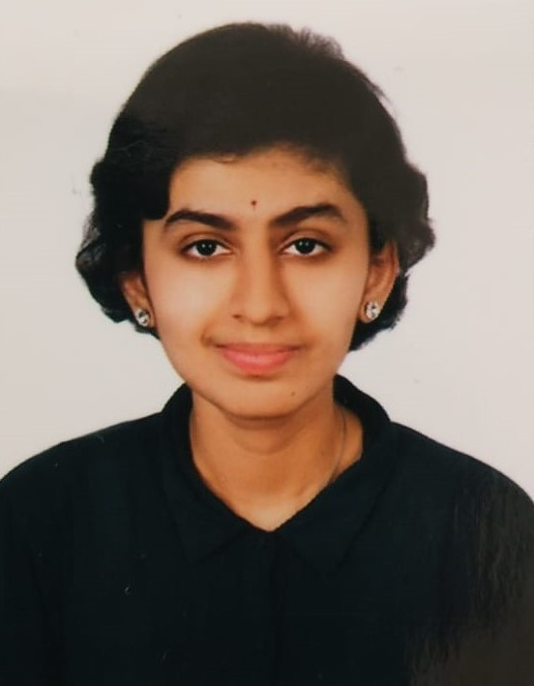
31 | 240002031 | KRISH PRASAD | 9-Mar-06 | K2ENTERPRISES09@GMAIL.COM | 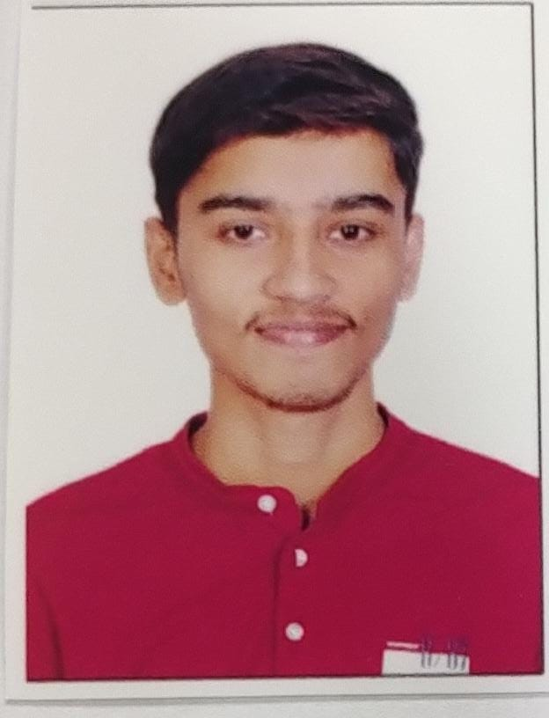
32 | 240002032 | KULKARNI NINAD ATUL | 2-Dec-05 | NINAD.K2005@GMAIL.COM | 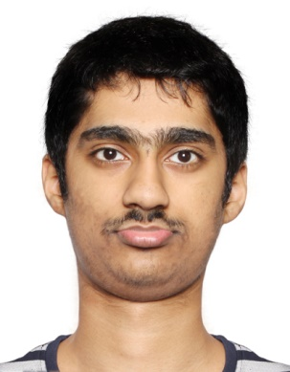
33 | 240002033 | MADDI HARSHINI | 10-Mar-06 | MADDIHARSHINI12@GMAIL.COM | 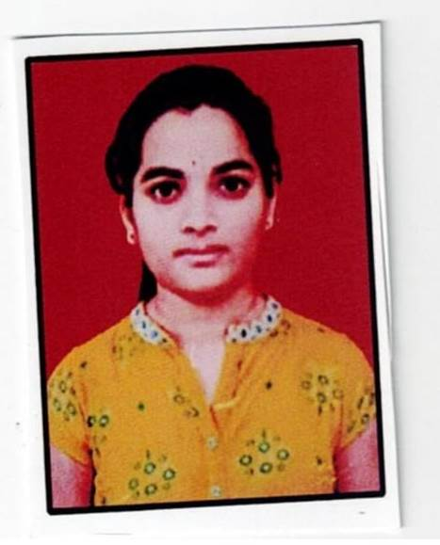
34 | 240002034 | MAMINDLAPELLY SAI KRISHNA | 24-Nov-06 | SAISHIRISHA9177@GMAIL.COM | 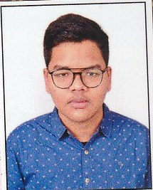
35 | 240002035 | MANAGARI SAATVIK | 23-Oct-06 | managari.saatvik@gmail.com | 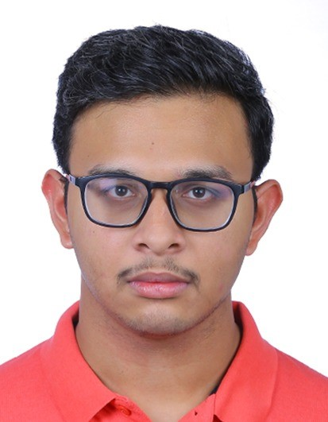
36 | 240002036 | MANTHAN GUPTA | 14-Nov-06 | MANTHANGUPTA1411@GMAIL.COM | 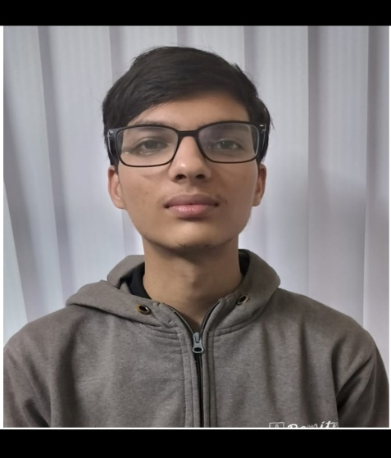
37 | 240002037 | MAYUR SONI | 8-May-06 | SONIMAYUR0806@GMAIL.COM | 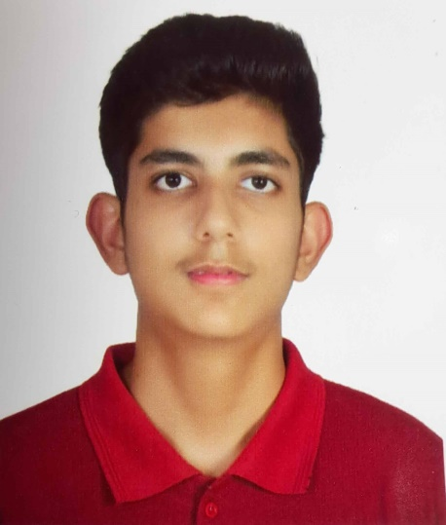
38 | 240002038 | MIDATANA DHILEEP | 29-Dec-06 | dhileep29122006@gmail.com | 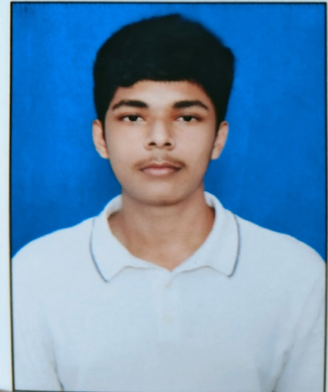
39 | 240002039 | MIHIR JAIN | 16-Apr-06 | NDJBOM@YAHOO.COM | 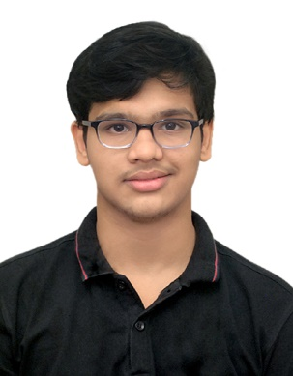
40 | 240002040 | MOHIT NAVAL | 20-Sep-06 | MAHINAVAL18@GMAIL.COM | 
41 | 240002041 | NAGALLA ABHISRI KARTHIK | 6-May-06 | HELLOSRINIVAS123@GMAIL.COM | 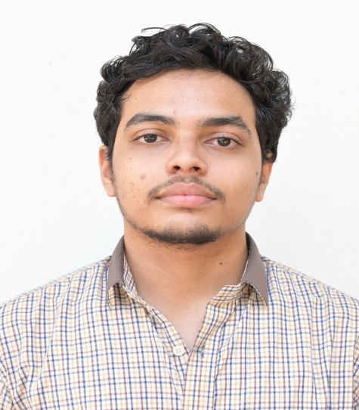
42 | 240002042 | NAINSI KUSHWAHA | 8-Jul-06 | nainsikushwaha8765@gmail.com | 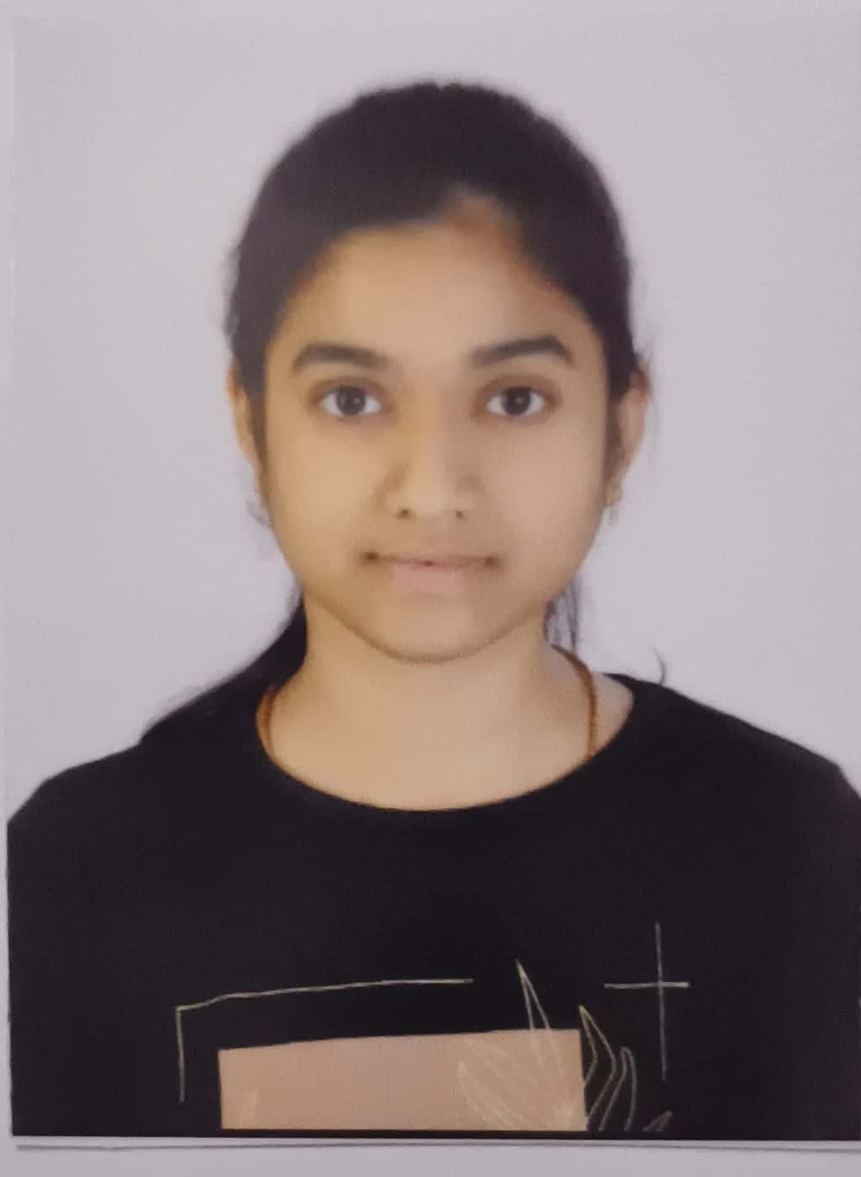
43 | 240002043 | NAMAN V SHETTY | 25-Oct-06 | NAMANVSHETTY25@GMAIL.COM | 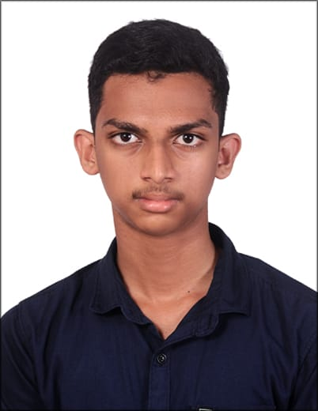
44 | 240002044 | NEMANI SANDEEP | 13-Oct-06 | sandeepnemani2401@gmail.com | 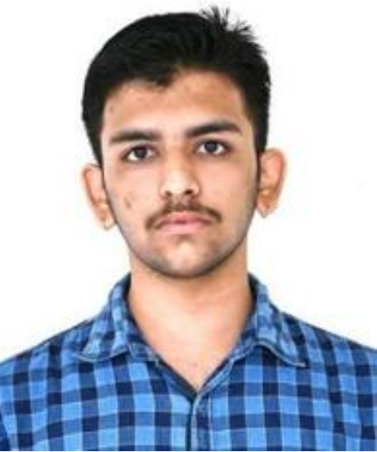
45 | 240002045 | NUNAVATH MAHESH | 18-Jul-06 | MAHESHNUNAVATH2528@GMAIL.COM | 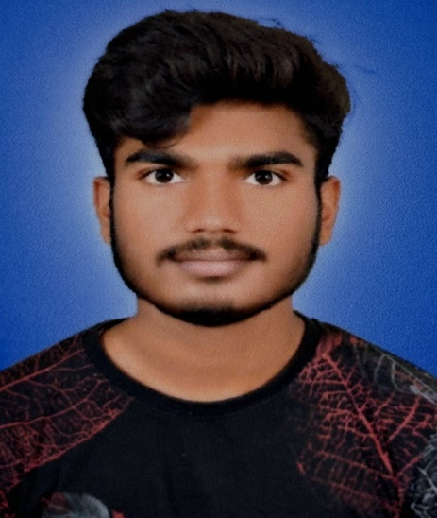
46 | 240002046 | OJASHVI JAIN | 6-Jun-05 | jainojashvi1@gmail.com | 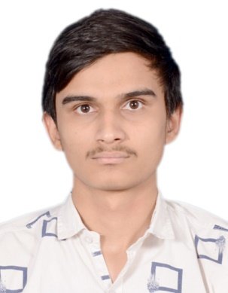
47 | 240002047 | P HAVISH | 20-Aug-06 | PONMURUGAN2007@GMAIL.COM | 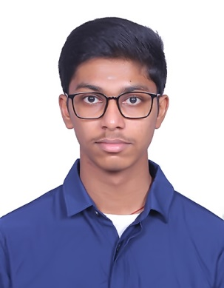
48 | 240002048 | PANKAJ KUMAR YADAV | 16-Apr-07 | PANK2007AJK@GMAIL.COM | 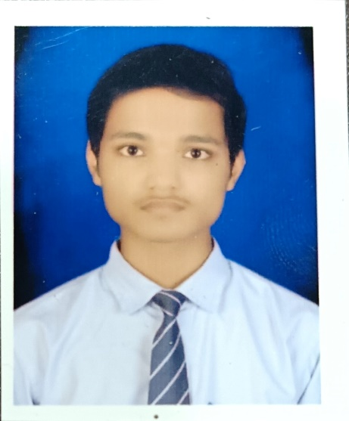
49 | 240002049 | PAREKH OM NIRAV | 19-Mar-06 | OMNIR19@GMAIL.COM | 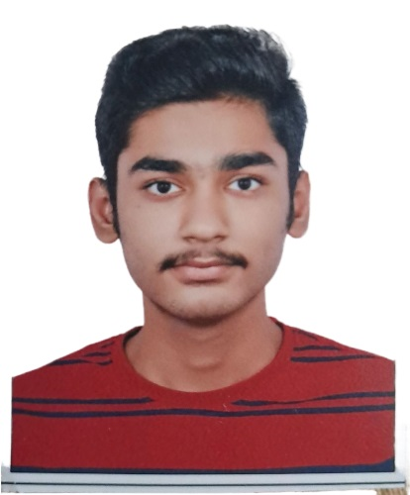
50 | 240002050 | PAYAM SAI VENKATA KRISHNA | 9-Jul-06 | SAIVENKATWPWW@GMAIL.COM | 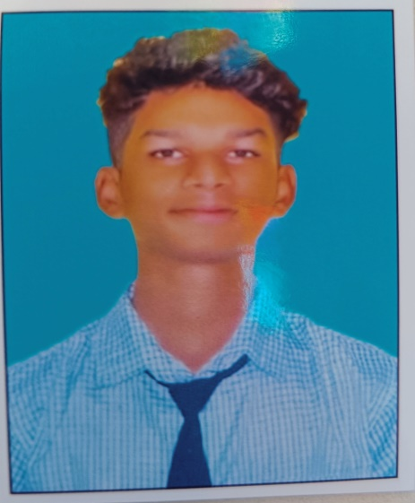
51 | 240002051 | PEELA SHANMUK SAINADH | 4-Jul-07 | peela.shanmuk7347@gmail.com | 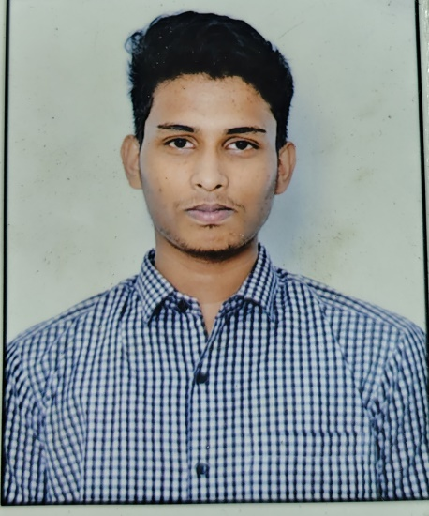
52 | 240002052 | PENDURTHI VENKATA SAI KEERTHANA | 31-Oct-07 | PENDURTHI.RAMANA@GMAIL.COM | 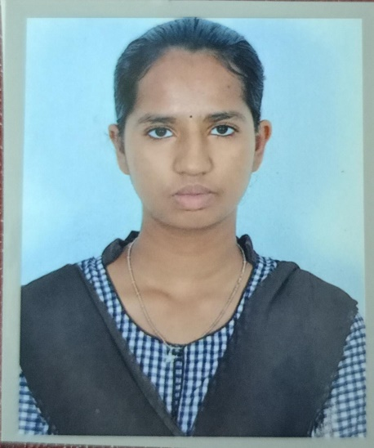
53 | 240002053 | PIPALVA KRISHA VIPULBHAI | 15-Sep-06 | USHAPIPALVA@GMAIL.COM | 
54 | 240002054 | PIYUSH SOURASTRIYA | 30-Oct-06 | PIYUSHSOURASTRIYA30@GMAIL.COM | 
55 | 240002055 | PRAGYAN JYOTI DAS | 16-Mar-06 | PRAGYAN274@GMAIL.COM | 
56 | 240002056 | PRATYAKSHA BHARDWAJ | 7-May-05 | bhardwajpratyaksha@gmail.com | 
57 | 240002057 | PRIYANSHI MAHTO | 16-Sep-06 | PRIYANSHIMAHTO@GMAIL.COM | 
58 | 240002058 | RAMALA AMULYA | 8-Apr-06 | PULLARAO473@GMAIL.COM | 
59 | 240002059 | RAMAVATH SAI KUMAR | 20-Aug-06 | KORRADEVSING6110@GMAIL.COM | 
60 | 240002060 | ROHAN JAIN | 23-Oct-06 | RJTG2006@GMAIL.COM | 
61 | 240002061 | SABBANI NISHANK | 9-Dec-06 | nishanksabbani@gmail.com | 
62 | 240002062 | SAGNIK DEB | 8-Dec-05 | SANTANU_DEB@YAHOO.COM | 
63 | 240002063 | SAHARSH ASHISH CHOKHANDRE | 5-Feb-05 | SAHARSHCHOKHANDRE123@GMAIL.COM | 
64 | 240002064 | SANDINENI PRAHARSHA | 5-Dec-07 | praharshasandineni05@gmail.com | 
65 | 240002065 | SANJEEV KUMAR | 5-Jul-06 | sanjeev572006@gmail.com | 
66 | 240002066 | SASI KIRAN PULAPAKURA | 6-Oct-06 | BABUCHANDRASEKHAR@YAHOO.IN | 
67 | 240002067 | SATHVIK RATHOD | 21-Jan-07 | RATHODSHYAMRAO06@GMAIL.COM | 
68 | 240002068 | SAVITA MEENA | 20-Dec-06 | savitmeena.2007@gmail.com | 
69 | 240002069 | SHAKKAR RIDHI | 22-Jan-07 | RIDHISHAKKAR@GMAIL.COM | 
70 | 240002070 | SIDDHA NEMA | 28-Sep-06 | SIDDHANEMA@GMAIL.COM | 
71 | 240002071 | SIDDHARTHA PORIKA | 3-Apr-05 | RAJUPORIKA7074@GMAIL.COM | 
72 | 240002072 | SIDDHI SHASHIKANT BORASE | 12-Jan-07 | ASBORSE1983@GMAIL.COM | 
73 | 240002073 | SREEHARI J | 20-Sep-06 | SREEHARIJ10A@GMAIL.COM | 
74 | 240002074 | SWITIN MECHINENI | 19-May-06 | switinmechineni@gmail.com | 
75 | 240002075 | TALLA HEMASRI SATYA SAI NISHANTH REDDY | 18-Jun-07 | RAMESHREDDYTALLA007@GMAIL.COM | 
76 | 240002076 | TANGUDU DEEPAK | 27-Dec-06 | deepaktangudu45@gmail.com | 
77 | 240002077 | VAIBHAV SHARMA | 18-Jul-05 | WHYHOWSHARMA281@GMAIL.COM | 
78 | 240002078 | VAISHNAVI VENTRAPRAGADA | 8-Feb-06 | ssvaishnavi.ventra@gmail.com | 
79 | 240002079 | VIRAJ PATEL | 18-Aug-06 | viraj082006@gmail.com | 
80 | 240002080 | VISHARAD GUPTA | 14-Feb-05 | VISHARADGUPTA05@GMAIL.COM | 
81 | 240002081 | VYAS JAY PRANAVKUMAR | 30-Aug-06 | CA.PRANAV09@GMAIL.COM | 
82 | 240002082 | YASH BRIJESH MODI | 21-Nov-06 | yashmodi017@gmail.com | 
83 | 240002083 | YOGENDRA SINGH | 2-Dec-05 | DILIPKUMAR896085@GMAIL.COM | 

