e-3e-31500
LESA Maml Hyperparameter Tuning |  |  |  |  | Fine Tuning
Filename: landS_maml_model.pt
Train Expt1 | alpha | beta | MAML iterations
 | 1.00E-03 | 1.00E-03 | 1500 | Trial 1 | Learning Rate | Max iterations | Epochs |  | Trial 2 | Learning Rate | Max iterations | Epochs | Trial 3 | Learning Rate | Max iterations | Epochs
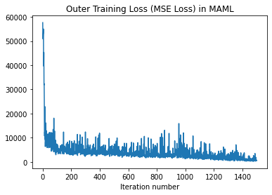
 |  |  |  |  | 1.00E-03 | 800 | 75 |  |  | 1.00E-03 | 1000 | 50 |  | 1.00E-03 | 1000 | 100
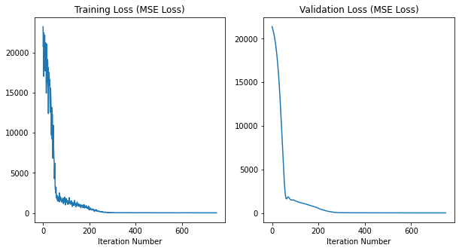
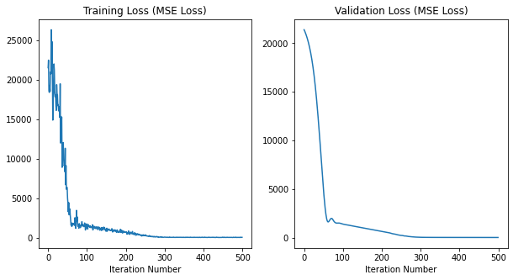
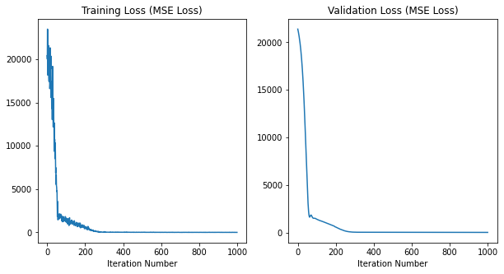

It 0, outer traning loss: 57637.80859375
It 50, outer traning loss: 10783.6044921875
It 100, outer traning loss: 7215.7197265625
It 150, outer traning loss: 3938.2255859375
It 200, outer traning loss: 2994.02978515625
It 250, outer traning loss: 3752.8828125
It 300, outer traning loss: 5316.99755859375 |  |  |  | It 0, L2 training loss: 23251.857421875 |  |  |  | Run Epoch 0 |  |  |  |  | Run Epoch 0
It 350, outer traning loss: 4030.8896484375 |  |  |  | It 0, L2 validation loss: 21386.240234375 |  |  |  | It 0, L2 training loss: 21551.18359375 |  |  |  |  | It 0, L2 training loss: 20402.443359375
It 400, outer traning loss: 3147.3017578125 |  |  |  | It 5, L2 training loss: 20594.4765625 |  |  |  | It 0, L2 validation loss: 21386.650390625 |  |  |  |  | It 0, L2 validation loss: 21386.1015625
It 450, outer traning loss: 3811.7001953125 |  |  |  | It 5, L2 validation loss: 20887.384765625 |  |  |  | It 5, L2 training loss: 18552.3671875 |  |  |  |  | It 5, L2 training loss: 20014.76171875
It 500, outer traning loss: 2751.530517578125 |  |  |  | Run Epoch 1 |  |  |  | It 5, L2 validation loss: 20890.03125 |  |  |  |  | It 5, L2 validation loss: 20874.240234375
It 550, outer traning loss: 3535.01513671875 |  |  |  | It 10, L2 training loss: 17718.8359375 |  |  |  | Run Epoch 1 |  |  |  |  | Run Epoch 1
It 600, outer traning loss: 3682.888671875 |  |  |  | It 10, L2 validation loss: 20239.5859375 |  |  |  | It 10, L2 training loss: 24855.943359375 |  |  |  |  | It 10, L2 training loss: 17424.19140625
It 650, outer traning loss: 4010.9765625 |  |  |  | It 15, L2 training loss: 20268.345703125 |  |  |  | It 10, L2 validation loss: 20239.2421875 |  |  |  |  | It 10, L2 validation loss: 20207.091796875
It 700, outer traning loss: 2614.5830078125 |  |  |  | It 15, L2 validation loss: 19402.193359375 |  |  |  | It 15, L2 training loss: 22034.2890625 |  |  |  |  | It 15, L2 training loss: 17050.4921875
It 750, outer traning loss: 2191.79736328125 |  |  |  | Run Epoch 2 |  |  |  | It 15, L2 validation loss: 19405.435546875 |  |  |  |  | It 15, L2 validation loss: 19367.658203125
It 800, outer traning loss: 2521.65478515625 |  |  |  | It 20, L2 training loss: 18919.708984375 |  |  |  | Run Epoch 2 |  |  |  |  | Run Epoch 2
It 850, outer traning loss: 2043.630615234375 |  |  |  | It 20, L2 validation loss: 18305.5234375 |  |  |  | It 20, L2 training loss: 16722.490234375 |  |  |  |  | It 20, L2 training loss: 20350.51171875
It 900, outer traning loss: 2501.837890625 |  |  |  | It 25, L2 training loss: 15979.4189453125 |  |  |  | It 20, L2 validation loss: 18313.5859375 |  |  |  |  | It 20, L2 validation loss: 18266.609375
It 950, outer traning loss: 2731.7041015625 |  |  |  | It 25, L2 validation loss: 16897.203125 |  |  |  | It 25, L2 training loss: 16745.513671875 |  |  |  |  | It 25, L2 training loss: 17429.62109375
It 1000, outer traning loss: 5911.216796875 |  |  |  | Run Epoch 3 |  |  |  | It 25, L2 validation loss: 16905.02734375 |  |  |  |  | It 25, L2 validation loss: 16853.095703125
It 1050, outer traning loss: 2741.02099609375 |  |  |  | It 30, L2 training loss: 14130.0419921875 |  |  |  | Run Epoch 3 |  |  |  |  | Run Epoch 3
It 1100, outer traning loss: 3251.9150390625 |  |  |  | It 30, L2 validation loss: 15097.087890625 |  |  |  | It 30, L2 training loss: 15235.0595703125 |  |  |  |  | It 30, L2 training loss: 14631.609375
It 1150, outer traning loss: 1232.9561767578125 |  |  |  | It 35, L2 training loss: 12861.810546875 |  |  |  | It 30, L2 validation loss: 15112.037109375 |  |  |  |  | It 30, L2 validation loss: 15060.0341796875
It 1200, outer traning loss: 1757.643798828125 |  |  |  | It 35, L2 validation loss: 12878.6142578125 |  |  |  | It 35, L2 training loss: 15281.998046875 |  |  |  |  | It 35, L2 training loss: 12803.66796875
It 1250, outer traning loss: 3536.64990234375 |  |  |  | Run Epoch 4 |  |  |  | It 35, L2 validation loss: 12892.33203125 |  |  |  |  | It 35, L2 validation loss: 12845.1865234375
It 1300, outer traning loss: 3431.634765625 |  |  |  | It 40, L2 training loss: 12320.6044921875 |  |  |  | Run Epoch 4 |  |  |  |  | Run Epoch 4
It 1350, outer traning loss: 1825.7587890625 |  |  |  | It 40, L2 validation loss: 10309.634765625 |  |  |  | It 40, L2 training loss: 9946.173828125 |  |  |  |  | It 40, L2 training loss: 10743.943359375
It 1400, outer traning loss: 2228.609375 |  |  |  | It 45, L2 training loss: 8556.599609375 |  |  |  | It 40, L2 validation loss: 10351.4677734375 |  |  |  |  | It 40, L2 validation loss: 10290.35546875
It 1450, outer traning loss: 395.1894226074219 |  |  |  | It 45, L2 validation loss: 7557.8779296875 |  |  |  | It 45, L2 training loss: 6696.6279296875 |  |  |  |  | It 45, L2 training loss: 6874.70458984375
 |  |  |  | Run Epoch 5 |  |  |  | It 45, L2 validation loss: 7590.5400390625 |  |  |  |  | It 45, L2 validation loss: 7517.4921875
 |  |  |  | It 50, L2 training loss: 5705.3603515625 |  |  |  | Run Epoch 5 |  |  |  |  | Run Epoch 5
 |  |  |  | It 50, L2 validation loss: 4841.5498046875 |  |  |  | It 50, L2 training loss: 4991.70263671875 |  |  |  |  | It 50, L2 training loss: 5250.8232421875
 |  |  |  | It 55, L2 training loss: 2465.9375 |  |  |  | It 50, L2 validation loss: 4869.72802734375 |  |  |  |  | It 50, L2 validation loss: 4831.72021484375
 |  |  |  | It 55, L2 validation loss: 2725.640869140625 |  |  |  | It 55, L2 training loss: 3227.187255859375 |  |  |  |  | It 55, L2 training loss: 3573.95751953125
 |  |  |  | Run Epoch 6 |  |  |  | It 55, L2 validation loss: 2756.38818359375 |  |  |  |  | It 55, L2 validation loss: 2733.065673828125
 |  |  |  | It 60, L2 training loss: 1881.2376708984375 |  |  |  | Run Epoch 6 |  |  |  |  | Run Epoch 6
 |  |  |  | It 60, L2 validation loss: 1707.7908935546875 |  |  |  | It 60, L2 training loss: 1858.23828125 |  |  |  |  | It 60, L2 training loss: 1904.1361083984375
 |  |  |  | It 65, L2 training loss: 1766.976806640625 |  |  |  | It 60, L2 validation loss: 1699.1439208984375 |  |  |  |  | It 60, L2 validation loss: 1708.7552490234375
 |  |  |  | It 65, L2 validation loss: 1705.2432861328125 |  |  |  | It 65, L2 training loss: 1679.870361328125 |  |  |  |  | It 65, L2 training loss: 1618.2042236328125
 |  |  |  | Run Epoch 7 |  |  |  | It 65, L2 validation loss: 1749.778076171875 |  |  |  |  | It 65, L2 validation loss: 1703.8265380859375
 |  |  |  | It 70, L2 training loss: 2507.01513671875 |  |  |  | Run Epoch 7 |  |  |  |  | Run Epoch 7
 |  |  |  | It 70, L2 validation loss: 1844.6529541015625 |  |  |  | It 70, L2 training loss: 1751.586669921875 |  |  |  |  | It 70, L2 training loss: 1954.390625
 |  |  |  | It 75, L2 training loss: 1564.07666015625 |  |  |  | It 70, L2 validation loss: 1977.0753173828125 |  |  |  |  | It 70, L2 validation loss: 1835.975341796875
 |  |  |  | It 75, L2 validation loss: 1685.8343505859375 |  |  |  | It 75, L2 training loss: 2630.3623046875 |  |  |  |  | It 75, L2 training loss: 1674.661376953125
 |  |  |  | Run Epoch 8 |  |  |  | It 75, L2 validation loss: 1794.769287109375 |  |  |  |  | It 75, L2 validation loss: 1669.4326171875
 |  |  |  | It 80, L2 training loss: 1473.54931640625 |  |  |  | Run Epoch 8 |  |  |  |  | Run Epoch 8
 |  |  |  | It 80, L2 validation loss: 1525.4488525390625 |  |  |  | It 80, L2 training loss: 1778.6597900390625 |  |  |  |  | It 80, L2 training loss: 1291.490966796875
 |  |  |  | It 85, L2 training loss: 1568.5546875 |  |  |  | It 80, L2 validation loss: 1556.2532958984375 |  |  |  |  | It 80, L2 validation loss: 1522.468994140625
 |  |  |  | It 85, L2 validation loss: 1496.5518798828125 |  |  |  | It 85, L2 training loss: 1630.3323974609375 |  |  |  |  | It 85, L2 training loss: 1741.1328125
 |  |  |  | Run Epoch 9 |  |  |  | It 85, L2 validation loss: 1502.59814453125 |  |  |  |  | It 85, L2 validation loss: 1497.6468505859375
 |  |  |  | It 90, L2 training loss: 1529.489501953125 |  |  |  | Run Epoch 9 |  |  |  |  | Run Epoch 9
 |  |  |  | It 90, L2 validation loss: 1504.214111328125 |  |  |  | It 90, L2 training loss: 1589.3804931640625 |  |  |  |  | It 90, L2 training loss: 1386.7230224609375
 |  |  |  | It 95, L2 training loss: 1252.825927734375 |  |  |  | It 90, L2 validation loss: 1508.9979248046875 |  |  |  |  | It 90, L2 validation loss: 1501.96337890625
 |  |  |  | It 95, L2 validation loss: 1473.3883056640625 |  |  |  | It 95, L2 training loss: 1601.224365234375 |  |  |  |  | It 95, L2 training loss: 1365.077392578125
 |  |  |  | Run Epoch 10 |  |  |  | It 95, L2 validation loss: 1460.34521484375 |  |  |  |  | It 95, L2 validation loss: 1451.9000244140625
 |  |  |  | It 100, L2 training loss: 1785.8330078125 |  |  |  | Run Epoch 10 |  |  |  |  | Run Epoch 10
 |  |  |  | It 100, L2 validation loss: 1402.4581298828125 |  |  |  | It 100, L2 training loss: 1214.425537109375 |  |  |  |  | It 100, L2 training loss: 1360.7772216796875
 |  |  |  | It 105, L2 training loss: 1267.52490234375 |  |  |  | It 100, L2 validation loss: 1399.760009765625 |  |  |  |  | It 100, L2 validation loss: 1397.869873046875
 |  |  |  | It 105, L2 validation loss: 1345.7833251953125 |  |  |  | It 105, L2 training loss: 1463.423583984375 |  |  |  |  | It 105, L2 training loss: 1335.231201171875
 |  |  |  | Run Epoch 11 |  |  |  | It 105, L2 validation loss: 1355.374755859375 |  |  |  |  | It 105, L2 validation loss: 1347.8487548828125
 |  |  |  | It 110, L2 training loss: 1461.6148681640625 |  |  |  | Run Epoch 11 |  |  |  |  | Run Epoch 11
 |  |  |  | It 110, L2 validation loss: 1294.382080078125 |  |  |  | It 110, L2 training loss: 1380.158935546875 |  |  |  |  | It 110, L2 training loss: 1553.971923828125
 |  |  |  | It 115, L2 training loss: 1246.263916015625 |  |  |  | It 110, L2 validation loss: 1317.237548828125 |  |  |  |  | It 110, L2 validation loss: 1304.8536376953125
 |  |  |  | It 115, L2 validation loss: 1251.8525390625 |  |  |  | It 115, L2 training loss: 973.4052734375 |  |  |  |  | It 115, L2 training loss: 793.16015625
 |  |  |  | Run Epoch 12 |  |  |  | It 115, L2 validation loss: 1286.4105224609375 |  |  |  |  | It 115, L2 validation loss: 1264.4678955078125
 |  |  |  | It 120, L2 training loss: 1492.0330810546875 |  |  |  | Run Epoch 12 |  |  |  |  | Run Epoch 12
 |  |  |  | It 120, L2 validation loss: 1211.903564453125 |  |  |  | It 120, L2 training loss: 1190.2906494140625 |  |  |  |  | It 120, L2 training loss: 1348.339111328125
 |  |  |  | It 125, L2 training loss: 1110.943115234375 |  |  |  | It 120, L2 validation loss: 1246.715087890625 |  |  |  |  | It 120, L2 validation loss: 1227.818115234375
 |  |  |  | It 125, L2 validation loss: 1171.026123046875 |  |  |  | It 125, L2 training loss: 1321.2103271484375 |  |  |  |  | It 125, L2 training loss: 1186.8994140625
 |  |  |  | Run Epoch 13 |  |  |  | It 125, L2 validation loss: 1204.812255859375 |  |  |  |  | It 125, L2 validation loss: 1194.781494140625
 |  |  |  | It 130, L2 training loss: 1174.886474609375 |  |  |  | Run Epoch 13 |  |  |  |  | Run Epoch 13
 |  |  |  | It 130, L2 validation loss: 1135.7916259765625 |  |  |  | It 130, L2 training loss: 1340.449462890625 |  |  |  |  | It 130, L2 training loss: 1129.616455078125
 |  |  |  | It 135, L2 training loss: 943.8001098632812 |  |  |  | It 130, L2 validation loss: 1170.9720458984375 |  |  |  |  | It 130, L2 validation loss: 1163.656494140625
 |  |  |  | It 135, L2 validation loss: 1111.336669921875 |  |  |  | It 135, L2 training loss: 1017.5660400390625 |  |  |  |  | It 135, L2 training loss: 1073.7882080078125
 |  |  |  | Run Epoch 14 |  |  |  | It 135, L2 validation loss: 1133.0982666015625 |  |  |  |  | It 135, L2 validation loss: 1118.3382568359375
 |  |  |  | It 140, L2 training loss: 1005.0977783203125 |  |  |  | Run Epoch 14 |  |  |  |  | Run Epoch 14
 |  |  |  | It 140, L2 validation loss: 1070.0626220703125 |  |  |  | It 140, L2 training loss: 989.9085693359375 |  |  |  |  | It 140, L2 training loss: 1105.649658203125
 |  |  |  | It 145, L2 training loss: 1116.8375244140625 |  |  |  | It 140, L2 validation loss: 1094.823486328125 |  |  |  |  | It 140, L2 validation loss: 1079.04248046875
 |  |  |  | It 145, L2 validation loss: 1027.8614501953125 |  |  |  | It 145, L2 training loss: 1284.093994140625 |  |  |  |  | It 145, L2 training loss: 1187.2066650390625
 |  |  |  | Run Epoch 15 |  |  |  | It 145, L2 validation loss: 1057.9764404296875 |  |  |  |  | It 145, L2 validation loss: 1040.5758056640625
 |  |  |  | It 150, L2 training loss: 1059.106689453125 |  |  |  | Run Epoch 15 |  |  |  |  | Run Epoch 15
 |  |  |  | It 150, L2 validation loss: 980.4328002929688 |  |  |  | It 150, L2 training loss: 970.1558837890625 |  |  |  |  | It 150, L2 training loss: 767.238037109375
 |  |  |  | It 155, L2 training loss: 872.1708984375 |  |  |  | It 150, L2 validation loss: 1020.3621826171875 |  |  |  |  | It 150, L2 validation loss: 1002.7438354492188
 |  |  |  | It 155, L2 validation loss: 939.5289916992188 |  |  |  | It 155, L2 training loss: 961.4522705078125 |  |  |  |  | It 155, L2 training loss: 912.2008056640625
 |  |  |  | Run Epoch 16 |  |  |  | It 155, L2 validation loss: 984.682861328125 |  |  |  |  | It 155, L2 validation loss: 964.4788818359375
 |  |  |  | It 160, L2 training loss: 1055.8642578125 |  |  |  | Run Epoch 16 |  |  |  |  | Run Epoch 16
 |  |  |  | It 160, L2 validation loss: 898.6437377929688 |  |  |  | It 160, L2 training loss: 907.9820556640625 |  |  |  |  | It 160, L2 training loss: 933.7525634765625
 |  |  |  | It 165, L2 training loss: 822.5348510742188 |  |  |  | It 160, L2 validation loss: 947.3657836914062 |  |  |  |  | It 160, L2 validation loss: 926.1632690429688
 |  |  |  | It 165, L2 validation loss: 858.8131713867188 |  |  |  | It 165, L2 training loss: 958.5867309570312 |  |  |  |  | It 165, L2 training loss: 894.9625244140625
 |  |  |  | Run Epoch 17 |  |  |  | It 165, L2 validation loss: 909.80810546875 |  |  |  |  | It 165, L2 validation loss: 891.89013671875
 |  |  |  | It 170, L2 training loss: 858.9103393554688 |  |  |  | Run Epoch 17 |  |  |  |  | Run Epoch 17
 |  |  |  | It 170, L2 validation loss: 819.3603515625 |  |  |  | It 170, L2 training loss: 808.4075317382812 |  |  |  |  | It 170, L2 training loss: 947.59375
 |  |  |  | It 175, L2 training loss: 1020.2068481445312 |  |  |  | It 170, L2 validation loss: 871.583984375 |  |  |  |  | It 170, L2 validation loss: 850.1769409179688
 |  |  |  | It 175, L2 validation loss: 784.8538208007812 |  |  |  | It 175, L2 training loss: 893.8995361328125 |  |  |  |  | It 175, L2 training loss: 806.5255126953125
 |  |  |  | Run Epoch 18 |  |  |  | It 175, L2 validation loss: 835.7107543945312 |  |  |  |  | It 175, L2 validation loss: 804.8800048828125
 |  |  |  | It 180, L2 training loss: 818.55859375 |  |  |  | Run Epoch 18 |  |  |  |  | Run Epoch 18
 |  |  |  | It 180, L2 validation loss: 740.052490234375 |  |  |  | It 180, L2 training loss: 677.0755004882812 |  |  |  |  | It 180, L2 training loss: 636.6788940429688
 |  |  |  | It 185, L2 training loss: 741.9520874023438 |  |  |  | It 180, L2 validation loss: 798.0691528320312 |  |  |  |  | It 180, L2 validation loss: 765.873779296875
 |  |  |  | It 185, L2 validation loss: 698.6212158203125 |  |  |  | It 185, L2 training loss: 721.0054931640625 |  |  |  |  | It 185, L2 training loss: 609.1102294921875
 |  |  |  | Run Epoch 19 |  |  |  | It 185, L2 validation loss: 765.796630859375 |  |  |  |  | It 185, L2 validation loss: 732.1575927734375
 |  |  |  | It 190, L2 training loss: 675.4747314453125 |  |  |  | Run Epoch 19 |  |  |  |  | Run Epoch 19
 |  |  |  | It 190, L2 validation loss: 658.823486328125 |  |  |  | It 190, L2 training loss: 908.0787353515625 |  |  |  |  | It 190, L2 training loss: 726.5468139648438
 |  |  |  | It 195, L2 training loss: 559.0772705078125 |  |  |  | It 190, L2 validation loss: 721.1856079101562 |  |  |  |  | It 190, L2 validation loss: 690.4678955078125
 |  |  |  | It 195, L2 validation loss: 605.1301879882812 |  |  |  | It 195, L2 training loss: 672.3731079101562 |  |  |  |  | It 195, L2 training loss: 622.9730224609375
 |  |  |  | Run Epoch 20 |  |  |  | It 195, L2 validation loss: 686.3726806640625 |  |  |  |  | It 195, L2 validation loss: 612.4400634765625
 |  |  |  | It 200, L2 training loss: 620.3052978515625 |  |  |  | Run Epoch 20 |  |  |  |  | Run Epoch 20
 |  |  |  | It 200, L2 validation loss: 536.4686889648438 |  |  |  | It 200, L2 training loss: 679.238525390625 |  |  |  |  | It 200, L2 training loss: 633.767333984375
 |  |  |  | It 205, L2 training loss: 610.4097900390625 |  |  |  | It 200, L2 validation loss: 650.76416015625 |  |  |  |  | It 200, L2 validation loss: 570.9793090820312
 |  |  |  | It 205, L2 validation loss: 473.9879150390625 |  |  |  | It 205, L2 training loss: 648.705810546875 |  |  |  |  | It 205, L2 training loss: 456.4901428222656
 |  |  |  | Run Epoch 21 |  |  |  | It 205, L2 validation loss: 610.2781372070312 |  |  |  |  | It 205, L2 validation loss: 523.1994018554688
 |  |  |  | It 210, L2 training loss: 370.10662841796875 |  |  |  | Run Epoch 21 |  |  |  |  | Run Epoch 21
 |  |  |  | It 210, L2 validation loss: 430.8854675292969 |  |  |  | It 210, L2 training loss: 401.43096923828125 |  |  |  |  | It 210, L2 training loss: 471.3333435058594
 |  |  |  | It 215, L2 training loss: 487.6573181152344 |  |  |  | It 210, L2 validation loss: 573.869873046875 |  |  |  |  | It 210, L2 validation loss: 479.04754638671875
 |  |  |  | It 215, L2 validation loss: 381.322509765625 |  |  |  | It 215, L2 training loss: 571.5513916015625 |  |  |  |  | It 215, L2 training loss: 700.5748291015625
 |  |  |  | Run Epoch 22 |  |  |  | It 215, L2 validation loss: 540.7012329101562 |  |  |  |  | It 215, L2 validation loss: 432.7247314453125
 |  |  |  | It 220, L2 training loss: 353.4739074707031 |  |  |  | Run Epoch 22 |  |  |  |  | Run Epoch 22
 |  |  |  | It 220, L2 validation loss: 346.116943359375 |  |  |  | It 220, L2 training loss: 537.2158203125 |  |  |  |  | It 220, L2 training loss: 519.6035766601562
 |  |  |  | It 225, L2 training loss: 405.486572265625 |  |  |  | It 220, L2 validation loss: 497.5917053222656 |  |  |  |  | It 220, L2 validation loss: 376.11126708984375
 |  |  |  | It 225, L2 validation loss: 311.64605712890625 |  |  |  | It 225, L2 training loss: 510.09149169921875 |  |  |  |  | It 225, L2 training loss: 242.03396606445312
 |  |  |  | Run Epoch 23 |  |  |  | It 225, L2 validation loss: 438.305908203125 |  |  |  |  | It 225, L2 validation loss: 335.7156677246094
 |  |  |  | It 230, L2 training loss: 262.72125244140625 |  |  |  | Run Epoch 23 |  |  |  |  | Run Epoch 23
 |  |  |  | It 230, L2 validation loss: 272.6799011230469 |  |  |  | It 230, L2 training loss: 487.6446838378906 |  |  |  |  | It 230, L2 training loss: 344.3436279296875
 |  |  |  | It 235, L2 training loss: 261.0879821777344 |  |  |  | It 230, L2 validation loss: 397.2148742675781 |  |  |  |  | It 230, L2 validation loss: 296.50201416015625
 |  |  |  | It 235, L2 validation loss: 237.85353088378906 |  |  |  | It 235, L2 training loss: 393.6142272949219 |  |  |  |  | It 235, L2 training loss: 211.4736785888672
 |  |  |  | Run Epoch 24 |  |  |  | It 235, L2 validation loss: 357.96826171875 |  |  |  |  | It 235, L2 validation loss: 255.45260620117188
 |  |  |  | It 240, L2 training loss: 217.80679321289062 |  |  |  | Run Epoch 24 |  |  |  |  | Run Epoch 24
 |  |  |  | It 240, L2 validation loss: 204.58053588867188 |  |  |  | It 240, L2 training loss: 341.4145202636719 |  |  |  |  | It 240, L2 training loss: 251.9139862060547
 |  |  |  | It 245, L2 training loss: 212.25338745117188 |  |  |  | It 240, L2 validation loss: 301.5223693847656 |  |  |  |  | It 240, L2 validation loss: 218.97015380859375
 |  |  |  | It 245, L2 validation loss: 177.52630615234375 |  |  |  | It 245, L2 training loss: 359.44830322265625 |  |  |  |  | It 245, L2 training loss: 185.29891967773438
 |  |  |  | Run Epoch 25 |  |  |  | It 245, L2 validation loss: 262.2576904296875 |  |  |  |  | It 245, L2 validation loss: 187.211181640625
 |  |  |  | It 250, L2 training loss: 127.95411682128906 |  |  |  | Run Epoch 25 |  |  |  |  | Run Epoch 25
 |  |  |  | It 250, L2 validation loss: 153.65211486816406 |  |  |  | It 250, L2 training loss: 351.97882080078125 |  |  |  |  | It 250, L2 training loss: 147.22744750976562
 |  |  |  | It 255, L2 training loss: 110.56998443603516 |  |  |  | It 250, L2 validation loss: 237.4058380126953 |  |  |  |  | It 250, L2 validation loss: 159.43968200683594
 |  |  |  | It 255, L2 validation loss: 125.79021453857422 |  |  |  | It 255, L2 training loss: 213.7423095703125 |  |  |  |  | It 255, L2 training loss: 128.97567749023438
 |  |  |  | Run Epoch 26 |  |  |  | It 255, L2 validation loss: 205.9232635498047 |  |  |  |  | It 255, L2 validation loss: 133.8658905029297
 |  |  |  | It 260, L2 training loss: 78.29460144042969 |  |  |  | Run Epoch 26 |  |  |  |  | Run Epoch 26
 |  |  |  | It 260, L2 validation loss: 104.81130981445312 |  |  |  | It 260, L2 training loss: 260.61370849609375 |  |  |  |  | It 260, L2 training loss: 103.45451354980469
 |  |  |  | It 265, L2 training loss: 112.87251281738281 |  |  |  | It 260, L2 validation loss: 182.29734802246094 |  |  |  |  | It 260, L2 validation loss: 113.22600555419922
 |  |  |  | It 265, L2 validation loss: 89.43666076660156 |  |  |  | It 265, L2 training loss: 130.9005126953125 |  |  |  |  | It 265, L2 training loss: 84.6994400024414
 |  |  |  | Run Epoch 27 |  |  |  | It 265, L2 validation loss: 148.06422424316406 |  |  |  |  | It 265, L2 validation loss: 95.74462127685547
 |  |  |  | It 270, L2 training loss: 84.11115264892578 |  |  |  | Run Epoch 27 |  |  |  |  | Run Epoch 27
 |  |  |  | It 270, L2 validation loss: 74.27215576171875 |  |  |  | It 270, L2 training loss: 143.70895385742188 |  |  |  |  | It 270, L2 training loss: 78.41575622558594
 |  |  |  | It 275, L2 training loss: 57.715545654296875 |  |  |  | It 270, L2 validation loss: 125.16505432128906 |  |  |  |  | It 270, L2 validation loss: 80.25798797607422
 |  |  |  | It 275, L2 validation loss: 62.25566101074219 |  |  |  | It 275, L2 training loss: 66.44593811035156 |  |  |  |  | It 275, L2 training loss: 69.10678100585938
 |  |  |  | Run Epoch 28 |  |  |  | It 275, L2 validation loss: 100.96907043457031 |  |  |  |  | It 275, L2 validation loss: 63.40822219848633
 |  |  |  | It 280, L2 training loss: 33.43724822998047 |  |  |  | Run Epoch 28 |  |  |  |  | Run Epoch 28
 |  |  |  | It 280, L2 validation loss: 57.62616729736328 |  |  |  | It 280, L2 training loss: 99.74024963378906 |  |  |  |  | It 280, L2 training loss: 46.62077331542969
 |  |  |  | It 285, L2 training loss: 27.38226318359375 |  |  |  | It 280, L2 validation loss: 83.03015899658203 |  |  |  |  | It 280, L2 validation loss: 56.67359161376953
 |  |  |  | It 285, L2 validation loss: 47.39857864379883 |  |  |  | It 285, L2 training loss: 42.8101921081543 |  |  |  |  | It 285, L2 training loss: 65.61824798583984
 |  |  |  | Run Epoch 29 |  |  |  | It 285, L2 validation loss: 68.7538070678711 |  |  |  |  | It 285, L2 validation loss: 45.78757858276367
 |  |  |  | It 290, L2 training loss: 41.95024108886719 |  |  |  | Run Epoch 29 |  |  |  |  | Run Epoch 29
 |  |  |  | It 290, L2 validation loss: 42.89414978027344 |  |  |  | It 290, L2 training loss: 81.65119171142578 |  |  |  |  | It 290, L2 training loss: 26.317773818969727
 |  |  |  | It 295, L2 training loss: 55.648406982421875 |  |  |  | It 290, L2 validation loss: 57.23822021484375 |  |  |  |  | It 290, L2 validation loss: 43.156219482421875
 |  |  |  | It 295, L2 validation loss: 40.547855377197266 |  |  |  | It 295, L2 training loss: 41.638832092285156 |  |  |  |  | It 295, L2 training loss: 24.475460052490234
 |  |  |  | Run Epoch 30 |  |  |  | It 295, L2 validation loss: 48.63356018066406 |  |  |  |  | It 295, L2 validation loss: 38.77888107299805
 |  |  |  | It 300, L2 training loss: 36.15795135498047 |  |  |  | Run Epoch 30 |  |  |  |  | Run Epoch 30
 |  |  |  | It 300, L2 validation loss: 36.326744079589844 |  |  |  | It 300, L2 training loss: 70.89640808105469 |  |  |  |  | It 300, L2 training loss: 43.40949630737305
 |  |  |  | It 305, L2 training loss: 50.525550842285156 |  |  |  | It 300, L2 validation loss: 43.31045150756836 |  |  |  |  | It 300, L2 validation loss: 33.88107681274414
 |  |  |  | It 305, L2 validation loss: 34.30973815917969 |  |  |  | It 305, L2 training loss: 43.475318908691406 |  |  |  |  | It 305, L2 training loss: 34.36630630493164
 |  |  |  | Run Epoch 31 |  |  |  | It 305, L2 validation loss: 38.632102966308594 |  |  |  |  | It 305, L2 validation loss: 34.302894592285156
 |  |  |  | It 310, L2 training loss: 28.228618621826172 |  |  |  | Run Epoch 31 |  |  |  |  | Run Epoch 31
 |  |  |  | It 310, L2 validation loss: 34.21826934814453 |  |  |  | It 310, L2 training loss: 20.611221313476562 |  |  |  |  | It 310, L2 training loss: 44.27815628051758
 |  |  |  | It 315, L2 training loss: 31.83559799194336 |  |  |  | It 310, L2 validation loss: 35.11015319824219 |  |  |  |  | It 310, L2 validation loss: 34.12111282348633
 |  |  |  | It 315, L2 validation loss: 32.0706901550293 |  |  |  | It 315, L2 training loss: 32.5531005859375 |  |  |  |  | It 315, L2 training loss: 26.345977783203125
 |  |  |  | Run Epoch 32 |  |  |  | It 315, L2 validation loss: 33.53948974609375 |  |  |  |  | It 315, L2 validation loss: 30.854110717773438
 |  |  |  | It 320, L2 training loss: 26.051498413085938 |  |  |  | Run Epoch 32 |  |  |  |  | Run Epoch 32
 |  |  |  | It 320, L2 validation loss: 31.655296325683594 |  |  |  | It 320, L2 training loss: 29.149866104125977 |  |  |  |  | It 320, L2 training loss: 29.18731689453125
 |  |  |  | It 325, L2 training loss: 34.427528381347656 |  |  |  | It 320, L2 validation loss: 32.025089263916016 |  |  |  |  | It 320, L2 validation loss: 29.12975311279297
 |  |  |  | It 325, L2 validation loss: 32.66192626953125 |  |  |  | It 325, L2 training loss: 21.155366897583008 |  |  |  |  | It 325, L2 training loss: 24.769216537475586
 |  |  |  | Run Epoch 33 |  |  |  | It 325, L2 validation loss: 30.644006729125977 |  |  |  |  | It 325, L2 validation loss: 28.904251098632812
 |  |  |  | It 330, L2 training loss: 28.311059951782227 |  |  |  | Run Epoch 33 |  |  |  |  | Run Epoch 33
 |  |  |  | It 330, L2 validation loss: 29.997764587402344 |  |  |  | It 330, L2 training loss: 32.96196746826172 |  |  |  |  | It 330, L2 training loss: 14.701810836791992
 |  |  |  | It 335, L2 training loss: 23.93491554260254 |  |  |  | It 330, L2 validation loss: 33.400814056396484 |  |  |  |  | It 330, L2 validation loss: 28.4636173248291
 |  |  |  | It 335, L2 validation loss: 29.670347213745117 |  |  |  | It 335, L2 training loss: 30.26373863220215 |  |  |  |  | It 335, L2 training loss: 20.823320388793945
 |  |  |  | Run Epoch 34 |  |  |  | It 335, L2 validation loss: 30.124757766723633 |  |  |  |  | It 335, L2 validation loss: 28.1569766998291
 |  |  |  | It 340, L2 training loss: 36.310794830322266 |  |  |  | Run Epoch 34 |  |  |  |  | Run Epoch 34
 |  |  |  | It 340, L2 validation loss: 31.300294876098633 |  |  |  | It 340, L2 training loss: 30.554773330688477 |  |  |  |  | It 340, L2 training loss: 19.211063385009766
 |  |  |  | It 345, L2 training loss: 24.934402465820312 |  |  |  | It 340, L2 validation loss: 31.234609603881836 |  |  |  |  | It 340, L2 validation loss: 27.900196075439453
 |  |  |  | It 345, L2 validation loss: 30.210546493530273 |  |  |  | It 345, L2 training loss: 23.64263153076172 |  |  |  |  | It 345, L2 training loss: 42.936370849609375
 |  |  |  | Run Epoch 35 |  |  |  | It 345, L2 validation loss: 31.0093936920166 |  |  |  |  | It 345, L2 validation loss: 27.9449405670166
 |  |  |  | It 350, L2 training loss: 19.60056495666504 |  |  |  | Run Epoch 35 |  |  |  |  | Run Epoch 35
 |  |  |  | It 350, L2 validation loss: 28.793407440185547 |  |  |  | It 350, L2 training loss: 26.638259887695312 |  |  |  |  | It 350, L2 training loss: 23.60485076904297
 |  |  |  | It 355, L2 training loss: 16.16762351989746 |  |  |  | It 350, L2 validation loss: 29.314594268798828 |  |  |  |  | It 350, L2 validation loss: 27.64267349243164
 |  |  |  | It 355, L2 validation loss: 30.367116928100586 |  |  |  | It 355, L2 training loss: 46.862239837646484 |  |  |  |  | It 355, L2 training loss: 13.014622688293457
 |  |  |  | Run Epoch 36 |  |  |  | It 355, L2 validation loss: 28.711156845092773 |  |  |  |  | It 355, L2 validation loss: 27.17835235595703
 |  |  |  | It 360, L2 training loss: 22.597911834716797 |  |  |  | Run Epoch 36 |  |  |  |  | Run Epoch 36
 |  |  |  | It 360, L2 validation loss: 28.760751724243164 |  |  |  | It 360, L2 training loss: 32.802459716796875 |  |  |  |  | It 360, L2 training loss: 21.98712730407715
 |  |  |  | It 365, L2 training loss: 34.7921257019043 |  |  |  | It 360, L2 validation loss: 30.313446044921875 |  |  |  |  | It 360, L2 validation loss: 27.376575469970703
 |  |  |  | It 365, L2 validation loss: 27.573505401611328 |  |  |  | It 365, L2 training loss: 20.328426361083984 |  |  |  |  | It 365, L2 training loss: 21.868696212768555
 |  |  |  | Run Epoch 37 |  |  |  | It 365, L2 validation loss: 28.161218643188477 |  |  |  |  | It 365, L2 validation loss: 26.740564346313477
 |  |  |  | It 370, L2 training loss: 26.777843475341797 |  |  |  | Run Epoch 37 |  |  |  |  | Run Epoch 37
 |  |  |  | It 370, L2 validation loss: 27.11119842529297 |  |  |  | It 370, L2 training loss: 31.094614028930664 |  |  |  |  | It 370, L2 training loss: 14.288034439086914
 |  |  |  | It 375, L2 training loss: 24.210559844970703 |  |  |  | It 370, L2 validation loss: 27.80070686340332 |  |  |  |  | It 370, L2 validation loss: 26.59263801574707
 |  |  |  | It 375, L2 validation loss: 26.960750579833984 |  |  |  | It 375, L2 training loss: 32.45100402832031 |  |  |  |  | It 375, L2 training loss: 34.928592681884766
 |  |  |  | Run Epoch 38 |  |  |  | It 375, L2 validation loss: 27.703964233398438 |  |  |  |  | It 375, L2 validation loss: 26.41206169128418
 |  |  |  | It 380, L2 training loss: 37.93233108520508 |  |  |  | Run Epoch 38 |  |  |  |  | Run Epoch 38
 |  |  |  | It 380, L2 validation loss: 26.691469192504883 |  |  |  | It 380, L2 training loss: 24.12509536743164 |  |  |  |  | It 380, L2 training loss: 18.882568359375
 |  |  |  | It 385, L2 training loss: 41.03190231323242 |  |  |  | It 380, L2 validation loss: 27.321063995361328 |  |  |  |  | It 380, L2 validation loss: 26.728391647338867
 |  |  |  | It 385, L2 validation loss: 26.35053062438965 |  |  |  | It 385, L2 training loss: 20.35171890258789 |  |  |  |  | It 385, L2 training loss: 15.320759773254395
 |  |  |  | Run Epoch 39 |  |  |  | It 385, L2 validation loss: 27.30820083618164 |  |  |  |  | It 385, L2 validation loss: 25.967910766601562
 |  |  |  | It 390, L2 training loss: 25.2060489654541 |  |  |  | Run Epoch 39 |  |  |  |  | Run Epoch 39
 |  |  |  | It 390, L2 validation loss: 27.133098602294922 |  |  |  | It 390, L2 training loss: 25.264575958251953 |  |  |  |  | It 390, L2 training loss: 18.361177444458008
 |  |  |  | It 395, L2 training loss: 22.075857162475586 |  |  |  | It 390, L2 validation loss: 27.229772567749023 |  |  |  |  | It 390, L2 validation loss: 25.817567825317383
 |  |  |  | It 395, L2 validation loss: 25.94249153137207 |  |  |  | It 395, L2 training loss: 35.37848663330078 |  |  |  |  | It 395, L2 training loss: 22.44417953491211
 |  |  |  | Run Epoch 40 |  |  |  | It 395, L2 validation loss: 26.779218673706055 |  |  |  |  | It 395, L2 validation loss: 27.248851776123047
 |  |  |  | It 400, L2 training loss: 15.089322090148926 |  |  |  | Run Epoch 40 |  |  |  |  | Run Epoch 40
 |  |  |  | It 400, L2 validation loss: 25.73837661743164 |  |  |  | It 400, L2 training loss: 35.82172775268555 |  |  |  |  | It 400, L2 training loss: 14.120450019836426
 |  |  |  | It 405, L2 training loss: 27.94484519958496 |  |  |  | It 400, L2 validation loss: 26.455551147460938 |  |  |  |  | It 400, L2 validation loss: 26.504270553588867
 |  |  |  | It 405, L2 validation loss: 27.344757080078125 |  |  |  | It 405, L2 training loss: 22.236698150634766 |  |  |  |  | It 405, L2 training loss: 12.823705673217773
 |  |  |  | Run Epoch 41 |  |  |  | It 405, L2 validation loss: 26.344396591186523 |  |  |  |  | It 405, L2 validation loss: 25.28989601135254
 |  |  |  | It 410, L2 training loss: 15.839828491210938 |  |  |  | Run Epoch 41 |  |  |  |  | Run Epoch 41
 |  |  |  | It 410, L2 validation loss: 26.935646057128906 |  |  |  | It 410, L2 training loss: 22.843175888061523 |  |  |  |  | It 410, L2 training loss: 16.259857177734375
 |  |  |  | It 415, L2 training loss: 29.708059310913086 |  |  |  | It 410, L2 validation loss: 25.899335861206055 |  |  |  |  | It 410, L2 validation loss: 28.431047439575195
 |  |  |  | It 415, L2 validation loss: 25.291807174682617 |  |  |  | It 415, L2 training loss: 29.326904296875 |  |  |  |  | It 415, L2 training loss: 13.87414836883545
 |  |  |  | Run Epoch 42 |  |  |  | It 415, L2 validation loss: 26.57276725769043 |  |  |  |  | It 415, L2 validation loss: 25.178695678710938
 |  |  |  | It 420, L2 training loss: 27.92087745666504 |  |  |  | Run Epoch 42 |  |  |  |  | Run Epoch 42
 |  |  |  | It 420, L2 validation loss: 25.395275115966797 |  |  |  | It 420, L2 training loss: 16.130481719970703 |  |  |  |  | It 420, L2 training loss: 32.71099853515625
 |  |  |  | It 425, L2 training loss: 25.43824577331543 |  |  |  | It 420, L2 validation loss: 25.359661102294922 |  |  |  |  | It 420, L2 validation loss: 24.501737594604492
 |  |  |  | It 425, L2 validation loss: 25.37494659423828 |  |  |  | It 425, L2 training loss: 26.424951553344727 |  |  |  |  | It 425, L2 training loss: 20.819889068603516
 |  |  |  | Run Epoch 43 |  |  |  | It 425, L2 validation loss: 25.26022720336914 |  |  |  |  | It 425, L2 validation loss: 24.697660446166992
 |  |  |  | It 430, L2 training loss: 13.280670166015625 |  |  |  | Run Epoch 43 |  |  |  |  | Run Epoch 43
 |  |  |  | It 430, L2 validation loss: 25.640945434570312 |  |  |  | It 430, L2 training loss: 15.05854320526123 |  |  |  |  | It 430, L2 training loss: 19.10958480834961
 |  |  |  | It 435, L2 training loss: 17.27901268005371 |  |  |  | It 430, L2 validation loss: 24.93570327758789 |  |  |  |  | It 430, L2 validation loss: 24.052305221557617
 |  |  |  | It 435, L2 validation loss: 24.16735076904297 |  |  |  | It 435, L2 training loss: 28.69081687927246 |  |  |  |  | It 435, L2 training loss: 23.87421226501465
 |  |  |  | Run Epoch 44 |  |  |  | It 435, L2 validation loss: 26.18526840209961 |  |  |  |  | It 435, L2 validation loss: 24.34914779663086
 |  |  |  | It 440, L2 training loss: 27.718585968017578 |  |  |  | Run Epoch 44 |  |  |  |  | Run Epoch 44
 |  |  |  | It 440, L2 validation loss: 24.86564064025879 |  |  |  | It 440, L2 training loss: 24.17732048034668 |  |  |  |  | It 440, L2 training loss: 19.445585250854492
 |  |  |  | It 445, L2 training loss: 28.8455810546875 |  |  |  | It 440, L2 validation loss: 24.463205337524414 |  |  |  |  | It 440, L2 validation loss: 23.65273094177246
 |  |  |  | It 445, L2 validation loss: 28.210344314575195 |  |  |  | It 445, L2 training loss: 19.363300323486328 |  |  |  |  | It 445, L2 training loss: 14.997209548950195
 |  |  |  | Run Epoch 45 |  |  |  | It 445, L2 validation loss: 25.20342254638672 |  |  |  |  | It 445, L2 validation loss: 23.439470291137695
 |  |  |  | It 450, L2 training loss: 19.43193817138672 |  |  |  | Run Epoch 45 |  |  |  |  | Run Epoch 45
 |  |  |  | It 450, L2 validation loss: 25.671995162963867 |  |  |  | It 450, L2 training loss: 16.160015106201172 |  |  |  |  | It 450, L2 training loss: 15.833272933959961
 |  |  |  | It 455, L2 training loss: 20.120357513427734 |  |  |  | It 450, L2 validation loss: 24.44416618347168 |  |  |  |  | It 450, L2 validation loss: 23.437076568603516
 |  |  |  | It 455, L2 validation loss: 23.733400344848633 |  |  |  | It 455, L2 training loss: 16.65875816345215 |  |  |  |  | It 455, L2 training loss: 22.878467559814453
 |  |  |  | Run Epoch 46 |  |  |  | It 455, L2 validation loss: 23.9714412689209 |  |  |  |  | It 455, L2 validation loss: 22.9654598236084
 |  |  |  | It 460, L2 training loss: 36.37306594848633 |  |  |  | Run Epoch 46 |  |  |  |  | Run Epoch 46
 |  |  |  | It 460, L2 validation loss: 23.30010223388672 |  |  |  | It 460, L2 training loss: 19.788070678710938 |  |  |  |  | It 460, L2 training loss: 20.557035446166992
 |  |  |  | It 465, L2 training loss: 16.29832649230957 |  |  |  | It 460, L2 validation loss: 24.9261531829834 |  |  |  |  | It 460, L2 validation loss: 22.865251541137695
 |  |  |  | It 465, L2 validation loss: 23.025758743286133 |  |  |  | It 465, L2 training loss: 17.962726593017578 |  |  |  |  | It 465, L2 training loss: 24.68564224243164
 |  |  |  | Run Epoch 47 |  |  |  | It 465, L2 validation loss: 24.061769485473633 |  |  |  |  | It 465, L2 validation loss: 22.831317901611328
 |  |  |  | It 470, L2 training loss: 26.2991886138916 |  |  |  | Run Epoch 47 |  |  |  |  | Run Epoch 47
 |  |  |  | It 470, L2 validation loss: 22.803050994873047 |  |  |  | It 470, L2 training loss: 19.487041473388672 |  |  |  |  | It 470, L2 training loss: 34.83156967163086
 |  |  |  | It 475, L2 training loss: 33.5684928894043 |  |  |  | It 470, L2 validation loss: 23.380151748657227 |  |  |  |  | It 470, L2 validation loss: 22.32876205444336
 |  |  |  | It 475, L2 validation loss: 22.665382385253906 |  |  |  | It 475, L2 training loss: 18.063888549804688 |  |  |  |  | It 475, L2 training loss: 17.377782821655273
 |  |  |  | Run Epoch 48 |  |  |  | It 475, L2 validation loss: 23.280847549438477 |  |  |  |  | It 475, L2 validation loss: 22.331100463867188
 |  |  |  | It 480, L2 training loss: 14.235509872436523 |  |  |  | Run Epoch 48 |  |  |  |  | Run Epoch 48
 |  |  |  | It 480, L2 validation loss: 22.4282283782959 |  |  |  | It 480, L2 training loss: 22.117725372314453 |  |  |  |  | It 480, L2 training loss: 12.62403678894043
 |  |  |  | It 485, L2 training loss: 14.947847366333008 |  |  |  | It 480, L2 validation loss: 23.827655792236328 |  |  |  |  | It 480, L2 validation loss: 22.659107208251953
 |  |  |  | It 485, L2 validation loss: 22.286334991455078 |  |  |  | It 485, L2 training loss: 15.420559883117676 |  |  |  |  | It 485, L2 training loss: 18.746673583984375
 |  |  |  | Run Epoch 49 |  |  |  | It 485, L2 validation loss: 22.679759979248047 |  |  |  |  | It 485, L2 validation loss: 21.925817489624023
 |  |  |  | It 490, L2 training loss: 19.719818115234375 |  |  |  | Run Epoch 49 |  |  |  |  | Run Epoch 49
 |  |  |  | It 490, L2 validation loss: 22.081701278686523 |  |  |  | It 490, L2 training loss: 23.89996910095215 |  |  |  |  | It 490, L2 training loss: 12.720600128173828
 |  |  |  | It 495, L2 training loss: 22.367416381835938 |  |  |  | It 490, L2 validation loss: 25.44171142578125 |  |  |  |  | It 490, L2 validation loss: 21.865041732788086
 |  |  |  | It 495, L2 validation loss: 21.87704849243164 |  |  |  | It 495, L2 training loss: 51.493019104003906 |  |  |  |  | It 495, L2 training loss: 24.446718215942383
 |  |  |  | Run Epoch 50 |  |  |  | It 495, L2 validation loss: 22.45437240600586 |  |  |  |  | It 495, L2 validation loss: 21.856725692749023
 |  |  |  | It 500, L2 training loss: 21.922746658325195 |  |  |  |  |  |  |  |  | Run Epoch 50
 |  |  |  | It 500, L2 validation loss: 22.2025089263916 |  |  |  |  |  |  |  |  | It 500, L2 training loss: 7.53140926361084
 |  |  |  | It 505, L2 training loss: 23.001867294311523 |  |  |  |  |  |  |  |  | It 500, L2 validation loss: 21.736995697021484
 |  |  |  | It 505, L2 validation loss: 21.5164852142334 |  |  |  |  |  |  |  |  | It 505, L2 training loss: 25.693832397460938
 |  |  |  | Run Epoch 51 |  |  |  |  |  |  |  |  | It 505, L2 validation loss: 20.920156478881836
 |  |  |  | It 510, L2 training loss: 19.833477020263672 |  |  |  |  |  |  |  |  | Run Epoch 51
 |  |  |  | It 510, L2 validation loss: 21.287199020385742 |  |  |  |  |  |  |  |  | It 510, L2 training loss: 20.026247024536133
 |  |  |  | It 515, L2 training loss: 20.422420501708984 |  |  |  |  |  |  |  |  | It 510, L2 validation loss: 21.484066009521484
 |  |  |  | It 515, L2 validation loss: 21.090450286865234 |  |  |  |  |  |  |  |  | It 515, L2 training loss: 15.288749694824219
 |  |  |  | Run Epoch 52 |  |  |  |  |  |  |  |  | It 515, L2 validation loss: 21.413076400756836
 |  |  |  | It 520, L2 training loss: 22.23243522644043 |  |  |  |  |  |  |  |  | Run Epoch 52
 |  |  |  | It 520, L2 validation loss: 21.37068748474121 |  |  |  |  |  |  |  |  | It 520, L2 training loss: 15.547558784484863
 |  |  |  | It 525, L2 training loss: 15.048382759094238 |  |  |  |  |  |  |  |  | It 520, L2 validation loss: 23.58016014099121
 |  |  |  | It 525, L2 validation loss: 20.79489517211914 |  |  |  |  |  |  |  |  | It 525, L2 training loss: 16.4298095703125
 |  |  |  | Run Epoch 53 |  |  |  |  |  |  |  |  | It 525, L2 validation loss: 20.132034301757812
 |  |  |  | It 530, L2 training loss: 14.942602157592773 |  |  |  |  |  |  |  |  | Run Epoch 53
 |  |  |  | It 530, L2 validation loss: 20.702896118164062 |  |  |  |  |  |  |  |  | It 530, L2 training loss: 14.97966194152832
 |  |  |  | It 535, L2 training loss: 19.884183883666992 |  |  |  |  |  |  |  |  | It 530, L2 validation loss: 19.857358932495117
 |  |  |  | It 535, L2 validation loss: 21.161245346069336 |  |  |  |  |  |  |  |  | It 535, L2 training loss: 18.32815170288086
 |  |  |  | Run Epoch 54 |  |  |  |  |  |  |  |  | It 535, L2 validation loss: 20.208410263061523
 |  |  |  | It 540, L2 training loss: 16.019182205200195 |  |  |  |  |  |  |  |  | Run Epoch 54
 |  |  |  | It 540, L2 validation loss: 20.26863670349121 |  |  |  |  |  |  |  |  | It 540, L2 training loss: 15.35505199432373
 |  |  |  | It 545, L2 training loss: 11.230735778808594 |  |  |  |  |  |  |  |  | It 540, L2 validation loss: 19.89634895324707
 |  |  |  | It 545, L2 validation loss: 20.40538215637207 |  |  |  |  |  |  |  |  | It 545, L2 training loss: 17.242717742919922
 |  |  |  | Run Epoch 55 |  |  |  |  |  |  |  |  | It 545, L2 validation loss: 20.653051376342773
 |  |  |  | It 550, L2 training loss: 18.617420196533203 |  |  |  |  |  |  |  |  | Run Epoch 55
 |  |  |  | It 550, L2 validation loss: 20.084150314331055 |  |  |  |  |  |  |  |  | It 550, L2 training loss: 9.52274227142334
 |  |  |  | It 555, L2 training loss: 16.854734420776367 |  |  |  |  |  |  |  |  | It 550, L2 validation loss: 19.152645111083984
 |  |  |  | It 555, L2 validation loss: 19.927431106567383 |  |  |  |  |  |  |  |  | It 555, L2 training loss: 8.990388870239258
 |  |  |  | Run Epoch 56 |  |  |  |  |  |  |  |  | It 555, L2 validation loss: 18.857295989990234
 |  |  |  | It 560, L2 training loss: 21.716909408569336 |  |  |  |  |  |  |  |  | Run Epoch 56
 |  |  |  | It 560, L2 validation loss: 19.556127548217773 |  |  |  |  |  |  |  |  | It 560, L2 training loss: 29.120824813842773
 |  |  |  | It 565, L2 training loss: 14.667576789855957 |  |  |  |  |  |  |  |  | It 560, L2 validation loss: 19.57721519470215
 |  |  |  | It 565, L2 validation loss: 19.574785232543945 |  |  |  |  |  |  |  |  | It 565, L2 training loss: 8.91601848602295
 |  |  |  | Run Epoch 57 |  |  |  |  |  |  |  |  | It 565, L2 validation loss: 18.67023468017578
 |  |  |  | It 570, L2 training loss: 17.38933563232422 |  |  |  |  |  |  |  |  | Run Epoch 57
 |  |  |  | It 570, L2 validation loss: 20.776081085205078 |  |  |  |  |  |  |  |  | It 570, L2 training loss: 12.618890762329102
 |  |  |  | It 575, L2 training loss: 19.197120666503906 |  |  |  |  |  |  |  |  | It 570, L2 validation loss: 18.53509521484375
 |  |  |  | It 575, L2 validation loss: 19.4396915435791 |  |  |  |  |  |  |  |  | It 575, L2 training loss: 11.264477729797363
 |  |  |  | Run Epoch 58 |  |  |  |  |  |  |  |  | It 575, L2 validation loss: 18.907920837402344
 |  |  |  | It 580, L2 training loss: 13.015092849731445 |  |  |  |  |  |  |  |  | Run Epoch 58
 |  |  |  | It 580, L2 validation loss: 18.904403686523438 |  |  |  |  |  |  |  |  | It 580, L2 training loss: 19.170814514160156
 |  |  |  | It 585, L2 training loss: 18.685916900634766 |  |  |  |  |  |  |  |  | It 580, L2 validation loss: 18.185985565185547
 |  |  |  | It 585, L2 validation loss: 18.760461807250977 |  |  |  |  |  |  |  |  | It 585, L2 training loss: 6.926277160644531
 |  |  |  | Run Epoch 59 |  |  |  |  |  |  |  |  | It 585, L2 validation loss: 18.07009506225586
 |  |  |  | It 590, L2 training loss: 10.415952682495117 |  |  |  |  |  |  |  |  | Run Epoch 59
 |  |  |  | It 590, L2 validation loss: 19.124706268310547 |  |  |  |  |  |  |  |  | It 590, L2 training loss: 11.134208679199219
 |  |  |  | It 595, L2 training loss: 15.730206489562988 |  |  |  |  |  |  |  |  | It 590, L2 validation loss: 18.87685775756836
 |  |  |  | It 595, L2 validation loss: 18.56700325012207 |  |  |  |  |  |  |  |  | It 595, L2 training loss: 8.055314064025879
 |  |  |  | Run Epoch 60 |  |  |  |  |  |  |  |  | It 595, L2 validation loss: 17.92094612121582
 |  |  |  | It 600, L2 training loss: 13.924459457397461 |  |  |  |  |  |  |  |  | Run Epoch 60
 |  |  |  | It 600, L2 validation loss: 19.450000762939453 |  |  |  |  |  |  |  |  | It 600, L2 training loss: 8.63168716430664
 |  |  |  | It 605, L2 training loss: 18.81970977783203 |  |  |  |  |  |  |  |  | It 600, L2 validation loss: 18.329940795898438
 |  |  |  | It 605, L2 validation loss: 19.410737991333008 |  |  |  |  |  |  |  |  | It 605, L2 training loss: 7.537814140319824
 |  |  |  | Run Epoch 61 |  |  |  |  |  |  |  |  | It 605, L2 validation loss: 17.514080047607422
 |  |  |  | It 610, L2 training loss: 16.883953094482422 |  |  |  |  |  |  |  |  | Run Epoch 61
 |  |  |  | It 610, L2 validation loss: 18.657136917114258 |  |  |  |  |  |  |  |  | It 610, L2 training loss: 15.657112121582031
 |  |  |  | It 615, L2 training loss: 11.615203857421875 |  |  |  |  |  |  |  |  | It 610, L2 validation loss: 17.6766414642334
 |  |  |  | It 615, L2 validation loss: 18.449628829956055 |  |  |  |  |  |  |  |  | It 615, L2 training loss: 6.9997968673706055
 |  |  |  | Run Epoch 62 |  |  |  |  |  |  |  |  | It 615, L2 validation loss: 17.279586791992188
 |  |  |  | It 620, L2 training loss: 12.024335861206055 |  |  |  |  |  |  |  |  | Run Epoch 62
 |  |  |  | It 620, L2 validation loss: 17.684843063354492 |  |  |  |  |  |  |  |  | It 620, L2 training loss: 14.537684440612793
 |  |  |  | It 625, L2 training loss: 12.553438186645508 |  |  |  |  |  |  |  |  | It 620, L2 validation loss: 18.44755744934082
 |  |  |  | It 625, L2 validation loss: 17.8587703704834 |  |  |  |  |  |  |  |  | It 625, L2 training loss: 17.154497146606445
 |  |  |  | Run Epoch 63 |  |  |  |  |  |  |  |  | It 625, L2 validation loss: 17.101720809936523
 |  |  |  | It 630, L2 training loss: 11.141008377075195 |  |  |  |  |  |  |  |  | Run Epoch 63
 |  |  |  | It 630, L2 validation loss: 18.374618530273438 |  |  |  |  |  |  |  |  | It 630, L2 training loss: 16.166255950927734
 |  |  |  | It 635, L2 training loss: 16.736221313476562 |  |  |  |  |  |  |  |  | It 630, L2 validation loss: 17.14954376220703
 |  |  |  | It 635, L2 validation loss: 17.346607208251953 |  |  |  |  |  |  |  |  | It 635, L2 training loss: 8.815046310424805
 |  |  |  | Run Epoch 64 |  |  |  |  |  |  |  |  | It 635, L2 validation loss: 16.681900024414062
 |  |  |  | It 640, L2 training loss: 24.24861717224121 |  |  |  |  |  |  |  |  | Run Epoch 64
 |  |  |  | It 640, L2 validation loss: 17.15827751159668 |  |  |  |  |  |  |  |  | It 640, L2 training loss: 15.90400218963623
 |  |  |  | It 645, L2 training loss: 19.759939193725586 |  |  |  |  |  |  |  |  | It 640, L2 validation loss: 16.673114776611328
 |  |  |  | It 645, L2 validation loss: 16.993894577026367 |  |  |  |  |  |  |  |  | It 645, L2 training loss: 18.61417007446289
 |  |  |  | Run Epoch 65 |  |  |  |  |  |  |  |  | It 645, L2 validation loss: 16.72459602355957
 |  |  |  | It 650, L2 training loss: 16.8728084564209 |  |  |  |  |  |  |  |  | Run Epoch 65
 |  |  |  | It 650, L2 validation loss: 17.031410217285156 |  |  |  |  |  |  |  |  | It 650, L2 training loss: 7.521239280700684
 |  |  |  | It 655, L2 training loss: 15.65148639678955 |  |  |  |  |  |  |  |  | It 650, L2 validation loss: 16.355499267578125
 |  |  |  | It 655, L2 validation loss: 16.750757217407227 |  |  |  |  |  |  |  |  | It 655, L2 training loss: 9.901325225830078
 |  |  |  | Run Epoch 66 |  |  |  |  |  |  |  |  | It 655, L2 validation loss: 17.04022789001465
 |  |  |  | It 660, L2 training loss: 12.180341720581055 |  |  |  |  |  |  |  |  | Run Epoch 66
 |  |  |  | It 660, L2 validation loss: 16.634912490844727 |  |  |  |  |  |  |  |  | It 660, L2 training loss: 20.575904846191406
 |  |  |  | It 665, L2 training loss: 14.61695671081543 |  |  |  |  |  |  |  |  | It 660, L2 validation loss: 16.322603225708008
 |  |  |  | It 665, L2 validation loss: 16.489206314086914 |  |  |  |  |  |  |  |  | It 665, L2 training loss: 8.212027549743652
 |  |  |  | Run Epoch 67 |  |  |  |  |  |  |  |  | It 665, L2 validation loss: 16.186464309692383
 |  |  |  | It 670, L2 training loss: 11.823402404785156 |  |  |  |  |  |  |  |  | Run Epoch 67
 |  |  |  | It 670, L2 validation loss: 16.391286849975586 |  |  |  |  |  |  |  |  | It 670, L2 training loss: 12.461730003356934
 |  |  |  | It 675, L2 training loss: 18.233449935913086 |  |  |  |  |  |  |  |  | It 670, L2 validation loss: 15.903014183044434
 |  |  |  | It 675, L2 validation loss: 16.690149307250977 |  |  |  |  |  |  |  |  | It 675, L2 training loss: 13.136510848999023
 |  |  |  | Run Epoch 68 |  |  |  |  |  |  |  |  | It 675, L2 validation loss: 15.848176002502441
 |  |  |  | It 680, L2 training loss: 12.386412620544434 |  |  |  |  |  |  |  |  | Run Epoch 68
 |  |  |  | It 680, L2 validation loss: 17.654008865356445 |  |  |  |  |  |  |  |  | It 680, L2 training loss: 10.87975788116455
 |  |  |  | It 685, L2 training loss: 10.40927505493164 |  |  |  |  |  |  |  |  | It 680, L2 validation loss: 16.00018882751465
 |  |  |  | It 685, L2 validation loss: 16.09442710876465 |  |  |  |  |  |  |  |  | It 685, L2 training loss: 14.421130180358887
 |  |  |  | Run Epoch 69 |  |  |  |  |  |  |  |  | It 685, L2 validation loss: 15.887385368347168
 |  |  |  | It 690, L2 training loss: 12.526666641235352 |  |  |  |  |  |  |  |  | Run Epoch 69
 |  |  |  | It 690, L2 validation loss: 16.82870101928711 |  |  |  |  |  |  |  |  | It 690, L2 training loss: 15.332220077514648
 |  |  |  | It 695, L2 training loss: 15.60795783996582 |  |  |  |  |  |  |  |  | It 690, L2 validation loss: 16.742063522338867
 |  |  |  | It 695, L2 validation loss: 17.972042083740234 |  |  |  |  |  |  |  |  | It 695, L2 training loss: 17.52499771118164
 |  |  |  | Run Epoch 70 |  |  |  |  |  |  |  |  | It 695, L2 validation loss: 15.642732620239258
 |  |  |  | It 700, L2 training loss: 14.337678909301758 |  |  |  |  |  |  |  |  | Run Epoch 70
 |  |  |  | It 700, L2 validation loss: 16.770606994628906 |  |  |  |  |  |  |  |  | It 700, L2 training loss: 17.112337112426758
 |  |  |  | It 705, L2 training loss: 14.251452445983887 |  |  |  |  |  |  |  |  | It 700, L2 validation loss: 15.61892318725586
 |  |  |  | It 705, L2 validation loss: 15.605143547058105 |  |  |  |  |  |  |  |  | It 705, L2 training loss: 16.691547393798828
 |  |  |  | Run Epoch 71 |  |  |  |  |  |  |  |  | It 705, L2 validation loss: 15.344500541687012
 |  |  |  | It 710, L2 training loss: 27.12761878967285 |  |  |  |  |  |  |  |  | Run Epoch 71
 |  |  |  | It 710, L2 validation loss: 17.499269485473633 |  |  |  |  |  |  |  |  | It 710, L2 training loss: 7.333277702331543
 |  |  |  | It 715, L2 training loss: 15.25469970703125 |  |  |  |  |  |  |  |  | It 710, L2 validation loss: 15.290142059326172
 |  |  |  | It 715, L2 validation loss: 15.556787490844727 |  |  |  |  |  |  |  |  | It 715, L2 training loss: 9.504861831665039
 |  |  |  | Run Epoch 72 |  |  |  |  |  |  |  |  | It 715, L2 validation loss: 15.227490425109863
 |  |  |  | It 720, L2 training loss: 12.590600967407227 |  |  |  |  |  |  |  |  | Run Epoch 72
 |  |  |  | It 720, L2 validation loss: 15.366507530212402 |  |  |  |  |  |  |  |  | It 720, L2 training loss: 8.187604904174805
 |  |  |  | It 725, L2 training loss: 11.537383079528809 |  |  |  |  |  |  |  |  | It 720, L2 validation loss: 15.471269607543945
 |  |  |  | It 725, L2 validation loss: 15.595694541931152 |  |  |  |  |  |  |  |  | It 725, L2 training loss: 9.556159019470215
 |  |  |  | Run Epoch 73 |  |  |  |  |  |  |  |  | It 725, L2 validation loss: 15.102048873901367
 |  |  |  | It 730, L2 training loss: 15.666793823242188 |  |  |  |  |  |  |  |  | Run Epoch 73
 |  |  |  | It 730, L2 validation loss: 15.642687797546387 |  |  |  |  |  |  |  |  | It 730, L2 training loss: 10.268600463867188
 |  |  |  | It 735, L2 training loss: 17.072200775146484 |  |  |  |  |  |  |  |  | It 730, L2 validation loss: 15.062681198120117
 |  |  |  | It 735, L2 validation loss: 15.720330238342285 |  |  |  |  |  |  |  |  | It 735, L2 training loss: 16.887805938720703
 |  |  |  | Run Epoch 74 |  |  |  |  |  |  |  |  | It 735, L2 validation loss: 15.786418914794922
 |  |  |  | It 740, L2 training loss: 9.547313690185547 |  |  |  |  |  |  |  |  | Run Epoch 74
 |  |  |  | It 740, L2 validation loss: 15.06551456451416 |  |  |  |  |  |  |  |  | It 740, L2 training loss: 8.538195610046387
 |  |  |  | It 745, L2 training loss: 17.283124923706055 |  |  |  |  |  |  |  |  | It 740, L2 validation loss: 14.900450706481934
 |  |  |  | It 745, L2 validation loss: 15.04515266418457 |  |  |  |  |  |  |  |  | It 745, L2 training loss: 26.93137550354004
 |  |  |  |  |  |  |  |  |  |  |  |  | It 745, L2 validation loss: 15.146571159362793
 |  |  |  |  |  |  |  |  |  |  |  |  | Run Epoch 75
 |  |  |  |  |  |  |  |  |  |  |  |  | It 750, L2 training loss: 12.276022911071777
 |  |  |  |  |  |  |  |  |  |  |  |  | It 750, L2 validation loss: 14.892366409301758
 |  |  |  |  |  |  |  |  |  |  |  |  | It 755, L2 training loss: 11.635293960571289
 |  |  |  |  |  |  |  |  |  |  |  |  | It 755, L2 validation loss: 14.805072784423828
 |  |  |  |  |  |  |  |  |  |  |  |  | Run Epoch 76
 |  |  |  |  |  |  |  |  |  |  |  |  | It 760, L2 training loss: 11.255544662475586
 |  |  |  |  |  |  |  |  |  |  |  |  | It 760, L2 validation loss: 15.790807723999023
 |  |  |  |  |  |  |  |  |  |  |  |  | It 765, L2 training loss: 12.161029815673828
 |  |  |  |  |  |  |  |  |  |  |  |  | It 765, L2 validation loss: 14.583505630493164
 |  |  |  |  |  |  |  |  |  |  |  |  | Run Epoch 77
 |  |  |  |  |  |  |  |  |  |  |  |  | It 770, L2 training loss: 6.823521614074707
 |  |  |  |  |  |  |  |  |  |  |  |  | It 770, L2 validation loss: 14.589315414428711
 |  |  |  |  |  |  |  |  |  |  |  |  | It 775, L2 training loss: 12.117040634155273
 |  |  |  |  |  |  |  |  |  |  |  |  | It 775, L2 validation loss: 15.193086624145508
 |  |  |  |  |  |  |  |  |  |  |  |  | Run Epoch 78
 |  |  |  |  |  |  |  |  |  |  |  |  | It 780, L2 training loss: 10.232725143432617
 |  |  |  |  |  |  |  |  |  |  |  |  | It 780, L2 validation loss: 14.464317321777344
 |  |  |  |  |  |  |  |  |  |  |  |  | It 785, L2 training loss: 16.36964988708496
 |  |  |  |  |  |  |  |  |  |  |  |  | It 785, L2 validation loss: 14.3631010055542
 |  |  |  |  |  |  |  |  |  |  |  |  | Run Epoch 79
 |  |  |  |  |  |  |  |  |  |  |  |  | It 790, L2 training loss: 13.165571212768555
 |  |  |  |  |  |  |  |  |  |  |  |  | It 790, L2 validation loss: 14.42917537689209
 |  |  |  |  |  |  |  |  |  |  |  |  | It 795, L2 training loss: 10.441972732543945
 |  |  |  |  |  |  |  |  |  |  |  |  | It 795, L2 validation loss: 14.281055450439453
 |  |  |  |  |  |  |  |  |  |  |  |  | Run Epoch 80
 |  |  |  |  |  |  |  |  |  |  |  |  | It 800, L2 training loss: 6.910283088684082
 |  |  |  |  |  |  |  |  |  |  |  |  | It 800, L2 validation loss: 14.067546844482422
 |  |  |  |  |  |  |  |  |  |  |  |  | It 805, L2 training loss: 13.308610916137695
 |  |  |  |  |  |  |  |  |  |  |  |  | It 805, L2 validation loss: 14.611974716186523
 |  |  |  |  |  |  |  |  |  |  |  |  | Run Epoch 81
 |  |  |  |  |  |  |  |  |  |  |  |  | It 810, L2 training loss: 7.331155300140381
 |  |  |  |  |  |  |  |  |  |  |  |  | It 810, L2 validation loss: 14.855940818786621
 |  |  |  |  |  |  |  |  |  |  |  |  | It 815, L2 training loss: 7.689730644226074
 |  |  |  |  |  |  |  |  |  |  |  |  | It 815, L2 validation loss: 14.964609146118164
 |  |  |  |  |  |  |  |  |  |  |  |  | Run Epoch 82
 |  |  |  |  |  |  |  |  |  |  |  |  | It 820, L2 training loss: 8.809388160705566
 |  |  |  |  |  |  |  |  |  |  |  |  | It 820, L2 validation loss: 13.96167278289795
 |  |  |  |  |  |  |  |  |  |  |  |  | It 825, L2 training loss: 13.6593656539917
 |  |  |  |  |  |  |  |  |  |  |  |  | It 825, L2 validation loss: 13.873462677001953
 |  |  |  |  |  |  |  |  |  |  |  |  | Run Epoch 83
 |  |  |  |  |  |  |  |  |  |  |  |  | It 830, L2 training loss: 9.852667808532715
 |  |  |  |  |  |  |  |  |  |  |  |  | It 830, L2 validation loss: 14.210667610168457
 |  |  |  |  |  |  |  |  |  |  |  |  | It 835, L2 training loss: 12.319704055786133
 |  |  |  |  |  |  |  |  |  |  |  |  | It 835, L2 validation loss: 13.895215034484863
 |  |  |  |  |  |  |  |  |  |  |  |  | Run Epoch 84
 |  |  |  |  |  |  |  |  |  |  |  |  | It 840, L2 training loss: 8.921899795532227
 |  |  |  |  |  |  |  |  |  |  |  |  | It 840, L2 validation loss: 14.095343589782715
 |  |  |  |  |  |  |  |  |  |  |  |  | It 845, L2 training loss: 15.624547004699707
 |  |  |  |  |  |  |  |  |  |  |  |  | It 845, L2 validation loss: 15.480154991149902
 |  |  |  |  |  |  |  |  |  |  |  |  | Run Epoch 85
 |  |  |  |  |  |  |  |  |  |  |  |  | It 850, L2 training loss: 12.624981880187988
 |  |  |  |  |  |  |  |  |  |  |  |  | It 850, L2 validation loss: 13.941678047180176
 |  |  |  |  |  |  |  |  |  |  |  |  | It 855, L2 training loss: 11.746735572814941
 |  |  |  |  |  |  |  |  |  |  |  |  | It 855, L2 validation loss: 14.260308265686035
 |  |  |  |  |  |  |  |  |  |  |  |  | Run Epoch 86
 |  |  |  |  |  |  |  |  |  |  |  |  | It 860, L2 training loss: 5.941373348236084
 |  |  |  |  |  |  |  |  |  |  |  |  | It 860, L2 validation loss: 13.576374053955078
 |  |  |  |  |  |  |  |  |  |  |  |  | It 865, L2 training loss: 6.628196716308594
 |  |  |  |  |  |  |  |  |  |  |  |  | It 865, L2 validation loss: 13.652464866638184
 |  |  |  |  |  |  |  |  |  |  |  |  | Run Epoch 87
 |  |  |  |  |  |  |  |  |  |  |  |  | It 870, L2 training loss: 7.836000919342041
 |  |  |  |  |  |  |  |  |  |  |  |  | It 870, L2 validation loss: 15.691750526428223
 |  |  |  |  |  |  |  |  |  |  |  |  | It 875, L2 training loss: 7.240472316741943
 |  |  |  |  |  |  |  |  |  |  |  |  | It 875, L2 validation loss: 14.258950233459473
 |  |  |  |  |  |  |  |  |  |  |  |  | Run Epoch 88
 |  |  |  |  |  |  |  |  |  |  |  |  | It 880, L2 training loss: 6.88521671295166
 |  |  |  |  |  |  |  |  |  |  |  |  | It 880, L2 validation loss: 14.027034759521484
 |  |  |  |  |  |  |  |  |  |  |  |  | It 885, L2 training loss: 14.330166816711426
 |  |  |  |  |  |  |  |  |  |  |  |  | It 885, L2 validation loss: 13.89083194732666
 |  |  |  |  |  |  |  |  |  |  |  |  | Run Epoch 89
 |  |  |  |  |  |  |  |  |  |  |  |  | It 890, L2 training loss: 10.079314231872559
 |  |  |  |  |  |  |  |  |  |  |  |  | It 890, L2 validation loss: 13.961393356323242
 |  |  |  |  |  |  |  |  |  |  |  |  | It 895, L2 training loss: 6.4174017906188965
 |  |  |  |  |  |  |  |  |  |  |  |  | It 895, L2 validation loss: 14.494827270507812
 |  |  |  |  |  |  |  |  |  |  |  |  | Run Epoch 90
 |  |  |  |  |  |  |  |  |  |  |  |  | It 900, L2 training loss: 8.800989151000977
 |  |  |  |  |  |  |  |  |  |  |  |  | It 900, L2 validation loss: 13.357428550720215
 |  |  |  |  |  |  |  |  |  |  |  |  | It 905, L2 training loss: 9.122106552124023
 |  |  |  |  |  |  |  |  |  |  |  |  | It 905, L2 validation loss: 13.377643585205078
 |  |  |  |  |  |  |  |  |  |  |  |  | Run Epoch 91
 |  |  |  |  |  |  |  |  |  |  |  |  | It 910, L2 training loss: 11.016900062561035
 |  |  |  |  |  |  |  |  |  |  |  |  | It 910, L2 validation loss: 13.251579284667969
 |  |  |  |  |  |  |  |  |  |  |  |  | It 915, L2 training loss: 4.5900115966796875
 |  |  |  |  |  |  |  |  |  |  |  |  | It 915, L2 validation loss: 13.758509635925293
 |  |  |  |  |  |  |  |  |  |  |  |  | Run Epoch 92
 |  |  |  |  |  |  |  |  |  |  |  |  | It 920, L2 training loss: 5.796780109405518
 |  |  |  |  |  |  |  |  |  |  |  |  | It 920, L2 validation loss: 13.196769714355469
 |  |  |  |  |  |  |  |  |  |  |  |  | It 925, L2 training loss: 10.58585262298584
 |  |  |  |  |  |  |  |  |  |  |  |  | It 925, L2 validation loss: 13.227238655090332
 |  |  |  |  |  |  |  |  |  |  |  |  | Run Epoch 93
 |  |  |  |  |  |  |  |  |  |  |  |  | It 930, L2 training loss: 9.974085807800293
 |  |  |  |  |  |  |  |  |  |  |  |  | It 930, L2 validation loss: 13.322240829467773
 |  |  |  |  |  |  |  |  |  |  |  |  | It 935, L2 training loss: 8.259681701660156
 |  |  |  |  |  |  |  |  |  |  |  |  | It 935, L2 validation loss: 13.0174560546875
 |  |  |  |  |  |  |  |  |  |  |  |  | Run Epoch 94
 |  |  |  |  |  |  |  |  |  |  |  |  | It 940, L2 training loss: 4.623625755310059
 |  |  |  |  |  |  |  |  |  |  |  |  | It 940, L2 validation loss: 13.454453468322754
 |  |  |  |  |  |  |  |  |  |  |  |  | It 945, L2 training loss: 7.844162940979004
 |  |  |  |  |  |  |  |  |  |  |  |  | It 945, L2 validation loss: 13.11336898803711
 |  |  |  |  |  |  |  |  |  |  |  |  | Run Epoch 95
 |  |  |  |  |  |  |  |  |  |  |  |  | It 950, L2 training loss: 8.089754104614258
 |  |  |  |  |  |  |  |  |  |  |  |  | It 950, L2 validation loss: 13.213602066040039
 |  |  |  |  |  |  |  |  |  |  |  |  | It 955, L2 training loss: 13.031072616577148
 |  |  |  |  |  |  |  |  |  |  |  |  | It 955, L2 validation loss: 14.540733337402344
 |  |  |  |  |  |  |  |  |  |  |  |  | Run Epoch 96
 |  |  |  |  |  |  |  |  |  |  |  |  | It 960, L2 training loss: 22.59627914428711
 |  |  |  |  |  |  |  |  |  |  |  |  | It 960, L2 validation loss: 13.23218059539795
 |  |  |  |  |  |  |  |  |  |  |  |  | It 965, L2 training loss: 12.349306106567383
 |  |  |  |  |  |  |  |  |  |  |  |  | It 965, L2 validation loss: 14.068063735961914
 |  |  |  |  |  |  |  |  |  |  |  |  | Run Epoch 97
 |  |  |  |  |  |  |  |  |  |  |  |  | It 970, L2 training loss: 12.376557350158691
 |  |  |  |  |  |  |  |  |  |  |  |  | It 970, L2 validation loss: 14.519283294677734
 |  |  |  |  |  |  |  |  |  |  |  |  | It 975, L2 training loss: 12.525556564331055
 |  |  |  |  |  |  |  |  |  |  |  |  | It 975, L2 validation loss: 16.336116790771484
 |  |  |  |  |  |  |  |  |  |  |  |  | Run Epoch 98
 |  |  |  |  |  |  |  |  |  |  |  |  | It 980, L2 training loss: 9.602046966552734
 |  |  |  |  |  |  |  |  |  |  |  |  | It 980, L2 validation loss: 13.49199390411377
 |  |  |  |  |  |  |  |  |  |  |  |  | It 985, L2 training loss: 5.872600078582764
 |  |  |  |  |  |  |  |  |  |  |  |  | It 985, L2 validation loss: 13.250911712646484
 |  |  |  |  |  |  |  |  |  |  |  |  | Run Epoch 99
 |  |  |  |  |  |  |  |  |  |  |  |  | It 990, L2 training loss: 13.304018020629883
 |  |  |  |  |  |  |  |  |  |  |  |  | It 990, L2 validation loss: 12.893599510192871
 |  |  |  |  |  |  |  |  |  |  |  |  | It 995, L2 training loss: 3.8760197162628174
 |  |  |  |  |  |  |  |  |  |  |  |  | It 995, L2 validation loss: 12.81269645690918

e-3e-32000
FILENAME: landS_maml_model2.pt
Train Expt2: | alpha | beta | MAML iterations |  | Fine Tuning
 | 1.00E-03 | 1.00E-03 | 2000
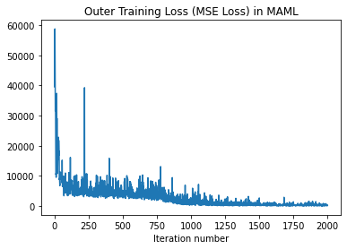
 |  |  |  | Trial 1 | Learning Rate | Max iterations | Epochs | Trial 2 | Learning Rate | Max iterations | Epochs | Trial 3 | Learning Rate | Max iterations | Epochs
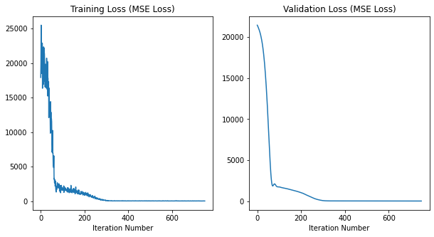
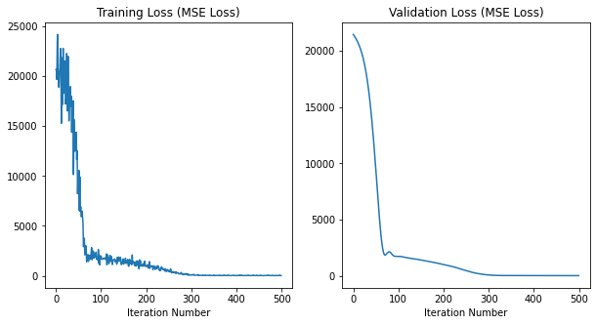
 |  |  |  |  | 1.00E-03 | 800 | 75 |  | 1.00E-03 | 1000 | 50 |  | 1.00E-03 | 1000 | 100
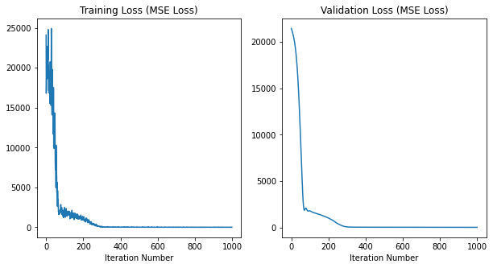

It 0, outer traning loss: 59396.359375
It 50, outer traning loss: 4914.90380859375
It 100, outer traning loss: 5501.8173828125
It 150, outer traning loss: 5732.64111328125
It 200, outer traning loss: 7248.47216796875
It 250, outer traning loss: 7143.2265625
It 300, outer traning loss: 4807.5888671875 |  |  |  | Run Epoch 0 |  |  |  | Run Epoch 0 |  |  |  | Run Epoch 0
It 350, outer traning loss: 2954.029296875 |  |  |  | It 0, L2 training loss: 26095.10546875 |  |  |  | It 0, L2 training loss: 20669.033203125 |  |  |  | It 0, L2 training loss: 24096.513671875
It 400, outer traning loss: 4261.25927734375 |  |  |  | It 0, L2 validation loss: 21306.890625 |  |  |  | It 0, L2 validation loss: 21443.361328125 |  |  |  | It 0, L2 validation loss: 21443.720703125 |  |  |  | e
It 450, outer traning loss: 3257.150146484375 |  |  |  | It 5, L2 training loss: 20576.01171875 |  |  |  | It 5, L2 training loss: 20095.724609375 |  |  |  | It 5, L2 training loss: 20754.015625
It 500, outer traning loss: 3461.845703125 |  |  |  | It 5, L2 validation loss: 20887.380859375 |  |  |  | It 5, L2 validation loss: 21134.396484375 |  |  |  | It 5, L2 validation loss: 21141.888671875
It 550, outer traning loss: 4918.7509765625 |  |  |  | Run Epoch 1 |  |  |  | Run Epoch 1 |  |  |  | Run Epoch 1
It 600, outer traning loss: 2273.59130859375 |  |  |  | It 10, L2 training loss: 22427.548828125 |  |  |  | It 10, L2 training loss: 22779.57421875 |  |  |  | It 10, L2 training loss: 21035.564453125
It 650, outer traning loss: 4838.06884765625 |  |  |  | It 10, L2 validation loss: 20371.02734375 |  |  |  | It 10, L2 validation loss: 20749.146484375 |  |  |  | It 10, L2 validation loss: 20762.603515625
It 700, outer traning loss: 1104.8111572265625 |  |  |  | It 15, L2 training loss: 17936.78515625 |  |  |  | It 15, L2 training loss: 17164.21875 |  |  |  | It 15, L2 training loss: 18839.2890625
It 750, outer traning loss: 832.0447998046875 |  |  |  | It 15, L2 validation loss: 19727.08203125 |  |  |  | It 15, L2 validation loss: 20263.509765625 |  |  |  | It 15, L2 validation loss: 20276.583984375
It 800, outer traning loss: 773.9796142578125 |  |  |  | Run Epoch 2 |  |  |  | Run Epoch 2 |  |  |  | Run Epoch 2
It 850, outer traning loss: 255.59963989257812 |  |  |  | It 20, L2 training loss: 18596.89453125 |  |  |  | It 20, L2 training loss: 21529.990234375 |  |  |  | It 20, L2 training loss: 15535.4892578125
It 900, outer traning loss: 666.1935424804688 |  |  |  | It 20, L2 validation loss: 18910.80859375 |  |  |  | It 20, L2 validation loss: 19624.88671875 |  |  |  | It 20, L2 validation loss: 19644.759765625
It 950, outer traning loss: 424.6815185546875 |  |  |  | It 25, L2 training loss: 15093.1455078125 |  |  |  | It 25, L2 training loss: 16519.5078125 |  |  |  | It 25, L2 training loss: 16277.595703125
It 1000, outer traning loss: 1348.2174072265625 |  |  |  | It 25, L2 validation loss: 17853.404296875 |  |  |  | It 25, L2 validation loss: 18776.400390625 |  |  |  | It 25, L2 validation loss: 18800.6015625
It 1050, outer traning loss: 356.5595703125 |  |  |  | Run Epoch 3 |  |  |  | Run Epoch 3 |  |  |  | Run Epoch 3
It 1100, outer traning loss: 1085.6103515625 |  |  |  | It 30, L2 training loss: 18228.73828125 |  |  |  | It 30, L2 training loss: 17056.34765625 |  |  |  | It 30, L2 training loss: 17963.177734375
It 1150, outer traning loss: 206.8912811279297 |  |  |  | It 30, L2 validation loss: 16473.76171875 |  |  |  | It 30, L2 validation loss: 17648.177734375 |  |  |  | It 30, L2 validation loss: 17679.62109375
It 1200, outer traning loss: 474.61383056640625 |  |  |  | It 35, L2 training loss: 15175.0654296875 |  |  |  | It 35, L2 training loss: 14377.044921875 |  |  |  | It 35, L2 training loss: 17229.693359375
It 1250, outer traning loss: 470.9225769042969 |  |  |  | It 35, L2 validation loss: 14703.7177734375 |  |  |  | It 35, L2 validation loss: 16169.666015625 |  |  |  | It 35, L2 validation loss: 16212.18359375
It 1300, outer traning loss: 781.51220703125 |  |  |  | Run Epoch 4 |  |  |  | Run Epoch 4 |  |  |  | Run Epoch 4
It 1350, outer traning loss: 235.52584838867188 |  |  |  | It 40, L2 training loss: 13924.552734375 |  |  |  | It 40, L2 training loss: 15668.369140625 |  |  |  | It 40, L2 training loss: 17521.52734375
It 1400, outer traning loss: 451.09246826171875 |  |  |  | It 40, L2 validation loss: 12512.859375 |  |  |  | It 40, L2 validation loss: 14299.919921875 |  |  |  | It 40, L2 validation loss: 14341.6298828125
It 1450, outer traning loss: 179.50201416015625 |  |  |  | It 45, L2 training loss: 7214.0341796875 |  |  |  | It 45, L2 training loss: 14389.919921875 |  |  |  | It 45, L2 training loss: 10734.5966796875
It 1500, outer traning loss: 241.78280639648438 |  |  |  | It 45, L2 validation loss: 9940.525390625 |  |  |  | It 45, L2 validation loss: 12027.0732421875 |  |  |  | It 45, L2 validation loss: 12101.33203125
It 1550, outer traning loss: 336.2337951660156 |  |  |  | Run Epoch 5 |  |  |  | Run Epoch 5 |  |  |  | Run Epoch 5
It 1600, outer traning loss: 556.40087890625 |  |  |  | It 50, L2 training loss: 4555.0947265625 |  |  |  | It 50, L2 training loss: 8235.7119140625 |  |  |  | It 50, L2 training loss: 7184.61083984375
It 1650, outer traning loss: 211.35215759277344 |  |  |  | It 50, L2 validation loss: 7201.166015625 |  |  |  | It 50, L2 validation loss: 9412.927734375 |  |  |  | It 50, L2 validation loss: 9483.3095703125
It 1700, outer traning loss: 128.20445251464844 |  |  |  | It 55, L2 training loss: 6313.60693359375 |  |  |  | It 55, L2 training loss: 6929.8759765625 |  |  |  | It 55, L2 training loss: 8341.1943359375
It 1750, outer traning loss: 338.3760986328125 |  |  |  | It 55, L2 validation loss: 4617.0966796875 |  |  |  | It 55, L2 validation loss: 6669.76123046875 |  |  |  | It 55, L2 validation loss: 6750.57177734375
It 1800, outer traning loss: 836.1106567382812 |  |  |  | Run Epoch 6 |  |  |  | Run Epoch 6 |  |  |  | Run Epoch 6
It 1850, outer traning loss: 642.3487548828125 |  |  |  | It 60, L2 training loss: 3380.305908203125 |  |  |  | It 60, L2 training loss: 5321.3056640625 |  |  |  | It 60, L2 training loss: 4665.15283203125
It 1900, outer traning loss: 196.52975463867188 |  |  |  | It 60, L2 validation loss: 2716.43994140625 |  |  |  | It 60, L2 validation loss: 4158.47216796875 |  |  |  | It 60, L2 validation loss: 4222.33837890625
It 1950, outer traning loss: 524.4105834960938 |  |  |  | It 65, L2 training loss: 1790.444580078125 |  |  |  | It 65, L2 training loss: 2534.42138671875 |  |  |  | It 65, L2 training loss: 3483.0859375
 |  |  |  | It 65, L2 validation loss: 2010.086669921875 |  |  |  | It 65, L2 validation loss: 2453.68212890625 |  |  |  | It 65, L2 validation loss: 2471.92822265625
 |  |  |  | Run Epoch 7 |  |  |  | Run Epoch 7 |  |  |  | Run Epoch 7
 |  |  |  | It 70, L2 training loss: 1627.043212890625 |  |  |  | It 70, L2 training loss: 1805.8079833984375 |  |  |  | It 70, L2 training loss: 1658.48828125
 |  |  |  | It 70, L2 validation loss: 2201.000244140625 |  |  |  | It 70, L2 validation loss: 1855.1348876953125 |  |  |  | It 70, L2 validation loss: 1860.467529296875
 |  |  |  | It 75, L2 training loss: 2824.423095703125 |  |  |  | It 75, L2 training loss: 2052.192138671875 |  |  |  | It 75, L2 training loss: 2133.85498046875
 |  |  |  | It 75, L2 validation loss: 2298.53857421875 |  |  |  | It 75, L2 validation loss: 2027.7720947265625 |  |  |  | It 75, L2 validation loss: 2007.0972900390625
 |  |  |  | Run Epoch 8 |  |  |  | Run Epoch 8 |  |  |  | Run Epoch 8
 |  |  |  | It 80, L2 training loss: 1930.3101806640625 |  |  |  | It 80, L2 training loss: 1608.9752197265625 |  |  |  | It 80, L2 training loss: 2370.34130859375
 |  |  |  | It 80, L2 validation loss: 2064.576171875 |  |  |  | It 80, L2 validation loss: 2146.64892578125 |  |  |  | It 80, L2 validation loss: 2055.919677734375
 |  |  |  | It 85, L2 training loss: 1599.0140380859375 |  |  |  | It 85, L2 training loss: 1785.246337890625 |  |  |  | It 85, L2 training loss: 1605.9530029296875
 |  |  |  | It 85, L2 validation loss: 1877.4571533203125 |  |  |  | It 85, L2 validation loss: 1955.7144775390625 |  |  |  | It 85, L2 validation loss: 1871.5767822265625
 |  |  |  | Run Epoch 9 |  |  |  | Run Epoch 9 |  |  |  | Run Epoch 9
 |  |  |  | It 90, L2 training loss: 1657.1236572265625 |  |  |  | It 90, L2 training loss: 1678.605712890625 |  |  |  | It 90, L2 training loss: 1422.3994140625
 |  |  |  | It 90, L2 validation loss: 1838.1337890625 |  |  |  | It 90, L2 validation loss: 1775.513427734375 |  |  |  | It 90, L2 validation loss: 1761.4674072265625
 |  |  |  | It 95, L2 training loss: 1365.925537109375 |  |  |  | It 95, L2 training loss: 1240.2532958984375 |  |  |  | It 95, L2 training loss: 1979.437255859375
 |  |  |  | It 95, L2 validation loss: 1827.034912109375 |  |  |  | It 95, L2 validation loss: 1739.7841796875 |  |  |  | It 95, L2 validation loss: 1789.86669921875
 |  |  |  | Run Epoch 10 |  |  |  | Run Epoch 10 |  |  |  | Run Epoch 10
 |  |  |  | It 100, L2 training loss: 1216.5360107421875 |  |  |  | It 100, L2 training loss: 1985.3170166015625 |  |  |  | It 100, L2 training loss: 1706.104736328125
 |  |  |  | It 100, L2 validation loss: 1789.5458984375 |  |  |  | It 100, L2 validation loss: 1741.051025390625 |  |  |  | It 100, L2 validation loss: 1791.563720703125
 |  |  |  | It 105, L2 training loss: 1836.043212890625 |  |  |  | It 105, L2 training loss: 1688.127197265625 |  |  |  | It 105, L2 training loss: 1653.4974365234375
 |  |  |  | It 105, L2 validation loss: 1727.1104736328125 |  |  |  | It 105, L2 validation loss: 1734.3218994140625 |  |  |  | It 105, L2 validation loss: 1749.437255859375
 |  |  |  | Run Epoch 11 |  |  |  | Run Epoch 11 |  |  |  | Run Epoch 11
 |  |  |  | It 110, L2 training loss: 1668.6318359375 |  |  |  | It 110, L2 training loss: 1689.0853271484375 |  |  |  | It 110, L2 training loss: 1701.660888671875
 |  |  |  | It 110, L2 validation loss: 1680.3331298828125 |  |  |  | It 110, L2 validation loss: 1685.1285400390625 |  |  |  | It 110, L2 validation loss: 1685.0262451171875
 |  |  |  | It 115, L2 training loss: 1441.128173828125 |  |  |  | It 115, L2 training loss: 2076.51611328125 |  |  |  | It 115, L2 training loss: 1819.507080078125
 |  |  |  | It 115, L2 validation loss: 1643.7354736328125 |  |  |  | It 115, L2 validation loss: 1639.8531494140625 |  |  |  | It 115, L2 validation loss: 1635.68505859375
 |  |  |  | Run Epoch 12 |  |  |  | Run Epoch 12 |  |  |  | Run Epoch 12
 |  |  |  | It 120, L2 training loss: 1370.3646240234375 |  |  |  | It 120, L2 training loss: 2041.9000244140625 |  |  |  | It 120, L2 training loss: 1660.7484130859375
 |  |  |  | It 120, L2 validation loss: 1606.386962890625 |  |  |  | It 120, L2 validation loss: 1605.2532958984375 |  |  |  | It 120, L2 validation loss: 1602.4854736328125
 |  |  |  | It 125, L2 training loss: 1493.0621337890625 |  |  |  | It 125, L2 training loss: 1121.329833984375 |  |  |  | It 125, L2 training loss: 1802.0572509765625
 |  |  |  | It 125, L2 validation loss: 1567.5491943359375 |  |  |  | It 125, L2 validation loss: 1577.1881103515625 |  |  |  | It 125, L2 validation loss: 1570.99755859375
 |  |  |  | Run Epoch 13 |  |  |  | Run Epoch 13 |  |  |  | Run Epoch 13
 |  |  |  | It 130, L2 training loss: 1153.464599609375 |  |  |  | It 130, L2 training loss: 1689.420654296875 |  |  |  | It 130, L2 training loss: 1732.249755859375
 |  |  |  | It 130, L2 validation loss: 1530.4267578125 |  |  |  | It 130, L2 validation loss: 1549.7598876953125 |  |  |  | It 130, L2 validation loss: 1536.68701171875
 |  |  |  | It 135, L2 training loss: 1757.2581787109375 |  |  |  | It 135, L2 training loss: 1161.478515625 |  |  |  | It 135, L2 training loss: 1592.507080078125
 |  |  |  | It 135, L2 validation loss: 1491.7926025390625 |  |  |  | It 135, L2 validation loss: 1520.139404296875 |  |  |  | It 135, L2 validation loss: 1503.156982421875
 |  |  |  | Run Epoch 14 |  |  |  | Run Epoch 14 |  |  |  | Run Epoch 14
 |  |  |  | It 140, L2 training loss: 1492.28125 |  |  |  | It 140, L2 training loss: 1720.323486328125 |  |  |  | It 140, L2 training loss: 1560.9190673828125
 |  |  |  | It 140, L2 validation loss: 1446.6314697265625 |  |  |  | It 140, L2 validation loss: 1488.9202880859375 |  |  |  | It 140, L2 validation loss: 1476.029541015625
 |  |  |  | It 145, L2 training loss: 1396.512939453125 |  |  |  | It 145, L2 training loss: 1114.3873291015625 |  |  |  | It 145, L2 training loss: 1234.699951171875
 |  |  |  | It 145, L2 validation loss: 1405.9127197265625 |  |  |  | It 145, L2 validation loss: 1453.3179931640625 |  |  |  | It 145, L2 validation loss: 1445.0697021484375
 |  |  |  | Run Epoch 15 |  |  |  | Run Epoch 15 |  |  |  | Run Epoch 15
 |  |  |  | It 150, L2 training loss: 1322.21484375 |  |  |  | It 150, L2 training loss: 1171.72509765625 |  |  |  | It 150, L2 training loss: 1639.504150390625
 |  |  |  | It 150, L2 validation loss: 1364.237060546875 |  |  |  | It 150, L2 validation loss: 1415.61669921875 |  |  |  | It 150, L2 validation loss: 1414.1025390625
 |  |  |  | It 155, L2 training loss: 1353.301025390625 |  |  |  | It 155, L2 training loss: 1243.3790283203125 |  |  |  | It 155, L2 training loss: 1788.677490234375
 |  |  |  | It 155, L2 validation loss: 1323.805419921875 |  |  |  | It 155, L2 validation loss: 1379.3499755859375 |  |  |  | It 155, L2 validation loss: 1383.561767578125
 |  |  |  | Run Epoch 16 |  |  |  | Run Epoch 16 |  |  |  | Run Epoch 16
 |  |  |  | It 160, L2 training loss: 1189.3946533203125 |  |  |  | It 160, L2 training loss: 1088.7882080078125 |  |  |  | It 160, L2 training loss: 1258.9442138671875
 |  |  |  | It 160, L2 validation loss: 1282.0076904296875 |  |  |  | It 160, L2 validation loss: 1342.9859619140625 |  |  |  | It 160, L2 validation loss: 1337.5225830078125
 |  |  |  | It 165, L2 training loss: 1149.939697265625 |  |  |  | It 165, L2 training loss: 1253.3243408203125 |  |  |  | It 165, L2 training loss: 1521.6334228515625
 |  |  |  | It 165, L2 validation loss: 1243.358154296875 |  |  |  | It 165, L2 validation loss: 1305.9500732421875 |  |  |  | It 165, L2 validation loss: 1299.8206787109375
 |  |  |  | Run Epoch 17 |  |  |  | Run Epoch 17 |  |  |  | Run Epoch 17
 |  |  |  | It 170, L2 training loss: 1229.7706298828125 |  |  |  | It 170, L2 training loss: 1244.0262451171875 |  |  |  | It 170, L2 training loss: 1615.3182373046875
 |  |  |  | It 170, L2 validation loss: 1200.01171875 |  |  |  | It 170, L2 validation loss: 1268.349853515625 |  |  |  | It 170, L2 validation loss: 1261.480224609375
 |  |  |  | It 175, L2 training loss: 1437.344482421875 |  |  |  | It 175, L2 training loss: 1209.379638671875 |  |  |  | It 175, L2 training loss: 1239.86572265625
 |  |  |  | It 175, L2 validation loss: 1158.6195068359375 |  |  |  | It 175, L2 validation loss: 1229.3665771484375 |  |  |  | It 175, L2 validation loss: 1226.4517822265625
 |  |  |  | Run Epoch 18 |  |  |  | Run Epoch 18 |  |  |  | Run Epoch 18
 |  |  |  | It 180, L2 training loss: 1028.2122802734375 |  |  |  | It 180, L2 training loss: 1505.760986328125 |  |  |  | It 180, L2 training loss: 1169.387939453125
 |  |  |  | It 180, L2 validation loss: 1112.9407958984375 |  |  |  | It 180, L2 validation loss: 1189.216064453125 |  |  |  | It 180, L2 validation loss: 1185.650146484375
 |  |  |  | It 185, L2 training loss: 1133.3587646484375 |  |  |  | It 185, L2 training loss: 1594.427001953125 |  |  |  | It 185, L2 training loss: 1183.3428955078125
 |  |  |  | It 185, L2 validation loss: 1071.1087646484375 |  |  |  | It 185, L2 validation loss: 1145.82373046875 |  |  |  | It 185, L2 validation loss: 1139.9840087890625
 |  |  |  | Run Epoch 19 |  |  |  | Run Epoch 19 |  |  |  | Run Epoch 19
 |  |  |  | It 190, L2 training loss: 988.4953002929688 |  |  |  | It 190, L2 training loss: 1036.9666748046875 |  |  |  | It 190, L2 training loss: 1036.6175537109375
 |  |  |  | It 190, L2 validation loss: 1027.016357421875 |  |  |  | It 190, L2 validation loss: 1103.2431640625 |  |  |  | It 190, L2 validation loss: 1098.40966796875
 |  |  |  | It 195, L2 training loss: 834.4345703125 |  |  |  | It 195, L2 training loss: 972.7420043945312 |  |  |  | It 195, L2 training loss: 1374.610595703125
 |  |  |  | It 195, L2 validation loss: 983.9862060546875 |  |  |  | It 195, L2 validation loss: 1060.57275390625 |  |  |  | It 195, L2 validation loss: 1059.614501953125
 |  |  |  | Run Epoch 20 |  |  |  | Run Epoch 20 |  |  |  | Run Epoch 20
 |  |  |  | It 200, L2 training loss: 973.7185668945312 |  |  |  | It 200, L2 training loss: 1000.546875 |  |  |  | It 200, L2 training loss: 951.8846435546875
 |  |  |  | It 200, L2 validation loss: 940.0152587890625 |  |  |  | It 200, L2 validation loss: 1017.4446411132812 |  |  |  | It 200, L2 validation loss: 1014.998779296875
 |  |  |  | It 205, L2 training loss: 806.9530029296875 |  |  |  | It 205, L2 training loss: 763.212158203125 |  |  |  | It 205, L2 training loss: 1037.6004638671875
 |  |  |  | It 205, L2 validation loss: 899.5921020507812 |  |  |  | It 205, L2 validation loss: 970.7599487304688 |  |  |  | It 205, L2 validation loss: 962.9910278320312
 |  |  |  | Run Epoch 21 |  |  |  | Run Epoch 21 |  |  |  | Run Epoch 21
 |  |  |  | It 210, L2 training loss: 663.188232421875 |  |  |  | It 210, L2 training loss: 1014.5635986328125 |  |  |  | It 210, L2 training loss: 944.1566162109375
 |  |  |  | It 210, L2 validation loss: 853.3271484375 |  |  |  | It 210, L2 validation loss: 924.3158569335938 |  |  |  | It 210, L2 validation loss: 912.7737426757812
 |  |  |  | It 215, L2 training loss: 858.67578125 |  |  |  | It 215, L2 training loss: 603.4117431640625 |  |  |  | It 215, L2 training loss: 841.5574951171875
 |  |  |  | It 215, L2 validation loss: 806.8326416015625 |  |  |  | It 215, L2 validation loss: 877.1951293945312 |  |  |  | It 215, L2 validation loss: 865.6048583984375
 |  |  |  | Run Epoch 22 |  |  |  | Run Epoch 22 |  |  |  | Run Epoch 22
 |  |  |  | It 220, L2 training loss: 635.9119873046875 |  |  |  | It 220, L2 training loss: 634.7799072265625 |  |  |  | It 220, L2 training loss: 784.0169677734375
 |  |  |  | It 220, L2 validation loss: 762.3125610351562 |  |  |  | It 220, L2 validation loss: 829.1742553710938 |  |  |  | It 220, L2 validation loss: 806.9632568359375
 |  |  |  | It 225, L2 training loss: 948.5325927734375 |  |  |  | It 225, L2 training loss: 998.8893432617188 |  |  |  | It 225, L2 training loss: 614.6270141601562
 |  |  |  | It 225, L2 validation loss: 719.0187377929688 |  |  |  | It 225, L2 validation loss: 776.957275390625 |  |  |  | It 225, L2 validation loss: 744.5982666015625
 |  |  |  | Run Epoch 23 |  |  |  | Run Epoch 23 |  |  |  | Run Epoch 23
 |  |  |  | It 230, L2 training loss: 737.9859619140625 |  |  |  | It 230, L2 training loss: 516.7139892578125 |  |  |  | It 230, L2 training loss: 943.8541259765625
 |  |  |  | It 230, L2 validation loss: 674.8407592773438 |  |  |  | It 230, L2 validation loss: 715.8829345703125 |  |  |  | It 230, L2 validation loss: 674.9950561523438
 |  |  |  | It 235, L2 training loss: 668.7658081054688 |  |  |  | It 235, L2 training loss: 647.551513671875 |  |  |  | It 235, L2 training loss: 710.5863647460938
 |  |  |  | It 235, L2 validation loss: 630.5569458007812 |  |  |  | It 235, L2 validation loss: 650.8563232421875 |  |  |  | It 235, L2 validation loss: 598.649169921875
...

e-3e-32500
FILENAME: landS_maml_model3.pt
 |  |  |  |  | Fine Tuning
Train Expt3: | alpha | beta | MAML iterations
 | 1.00E-03 | 1.00E-03 | 2500 | Trial 1 | Learning Rate | Max iterations | Epochs | Trial 2 | Learning Rate | Max iterations | Epochs | Trial 3 | Learning Rate | Max iterations | Epochs
 |  |  |  |  | 1.00E-03 | 800 | 75 |  | 1.00E-03 | 1000 | 50 |  | 1.00E-03 | 1000 | 100
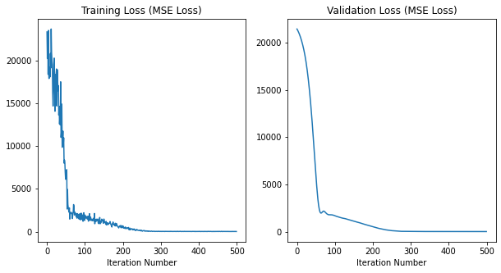
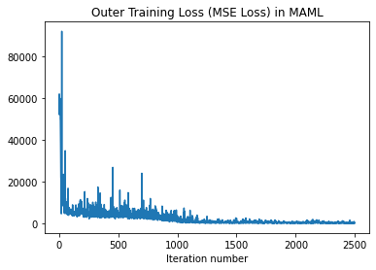
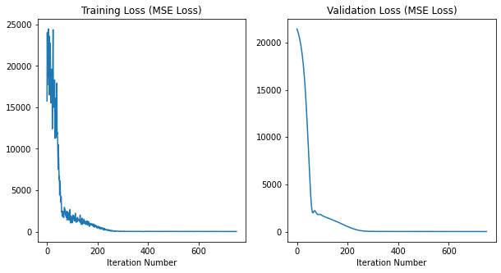
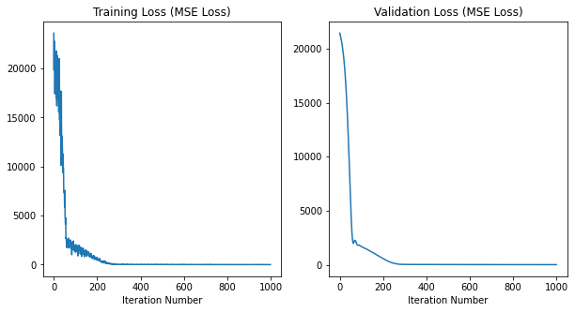

 |  |  |  |  |  |  |  | Run Epoch 0 |  |  |  | Run Epoch 0
It 0, outer traning loss: 57084.5546875 |  |  |  | Run Epoch 0 |  |  |  | It 0, L2 training loss: 23310.7578125 |  |  |  | It 0, L2 training loss: 23608.05078125
It 50, outer traning loss: 23344.234375 |  |  |  | It 0, L2 training loss: 15763.056640625 |  |  |  | It 0, L2 validation loss: 21428.236328125 |  |  |  | It 0, L2 validation loss: 21428.48828125
It 100, outer traning loss: 5893.712890625 |  |  |  | It 0, L2 validation loss: 21428.302734375 |  |  |  | It 5, L2 training loss: 17875.595703125 |  |  |  | It 5, L2 training loss: 17425.357421875
It 150, outer traning loss: 3832.74365234375 |  |  |  | It 5, L2 training loss: 20920.6171875 |  |  |  | It 5, L2 validation loss: 21016.095703125 |  |  |  | It 5, L2 validation loss: 21019.818359375
 |  |  |  | It 5, L2 validation loss: 21021.27734375 |  |  |  | Run Epoch 1 |  |  |  | Run Epoch 1
 |  |  |  | Run Epoch 1 |  |  |  | It 10, L2 training loss: 19099.53515625 |  |  |  | It 10, L2 training loss: 18956.71484375
 |  |  |  |  |  |  |  | It 10, L2 validation loss: 20468.416015625 |  |  |  | It 10, L2 validation loss: 20471.66015625
 |  |  |  |  |  |  |  |  |  |  |  | It 15, L2 training loss: 21164.58203125
...

e-3e-33000
FILENAME: landS_maml_model4.pt
 |  |  |  |  | Fine Tuning
Train Expt3: | alpha | beta | MAML iterations
 | 1.00E-03 | 1.00E-03 | 3000 | Trial 1 | Learning Rate | Max iterations | Epochs | Trial 2 | Learning Rate | Max iterations | Epochs |  | Trial 3 | Learning Rate | Max iterations | Epochs
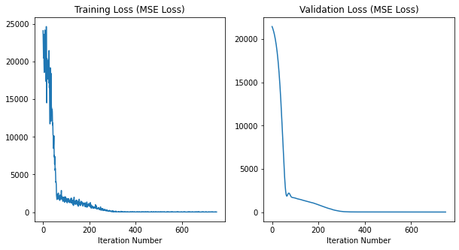
 |  |  |  |  | 1.00E-03 | 800 | 75 |  | 1.00E-03 | 1000 | 50 |  |  | 1.00E-03 | 1000 | 100
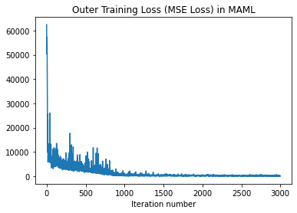
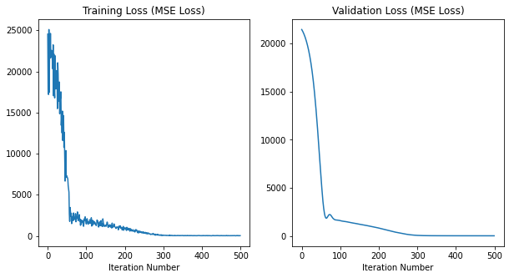
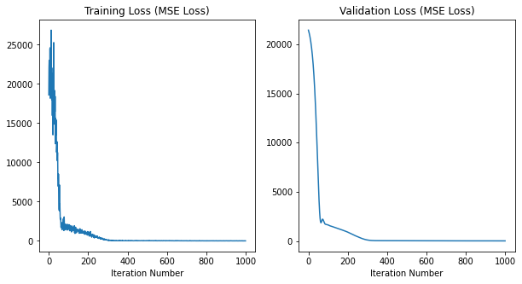

 |  |  |  |  |  |  |  | Run Epoch 0
It 0, outer traning loss: 62419.34765625 |  |  |  | Run Epoch 0 |  |  |  | It 0, L2 training loss: 24525.56640625
It 50, outer traning loss: 7890.599609375 |  |  |  | It 0, L2 training loss: 24122.814453125 |  |  |  | It 0, L2 validation loss: 21435.349609375
It 100, outer traning loss: 4724.73779296875 |  |  |  | It 0, L2 validation loss: 21435.5625 |  |  |  | It 5, L2 training loss: 24282.09375 |  |  |  | Run Epoch 0
It 150, outer traning loss: 4921.68603515625 |  |  |  | It 5, L2 training loss: 18565.474609375 |  |  |  | It 5, L2 validation loss: 21035.94921875 |  |  |  | It 0, L2 training loss: 18598.912109375
It 200, outer traning loss: 3329.768310546875 |  |  |  | It 5, L2 validation loss: 21039.298828125 |  |  |  | Run Epoch 1 |  |  |  | It 0, L2 validation loss: 21435.515625
It 250, outer traning loss: 4686.72607421875 |  |  |  | Run Epoch 1 |  |  |  | It 10, L2 training loss: 22560.05859375 |  |  |  | It 5, L2 training loss: 19249.263671875
It 300, outer traning loss: 17702.1328125 |  |  |  | It 10, L2 training loss: 23976.71875 |  |  |  | It 10, L2 validation loss: 20497.46484375 |  |  |  | It 5, L2 validation loss: 21039.068359375
 |  |  |  |  |  |  |  | It 15, L2 training loss: 17046.10546875 |  |  |  | Run Epoch 1
...

e-3e-41500
...
alpha | beta | MAML iterations | Trial 1 | Learning Rate | Max iterations | Epochs | Trial 2 | Learning Rate | Max iterations | Epochs | Trial 3 | Learning Rate | Max iterations | Epochs
1.00E-03 | 1.00E-04 | 1500 |  | 1.00E-03 | 800 | 75 |  | 1.00E-03 | 1000 | 50 |  | 1.00E-03 | 1000 | 100
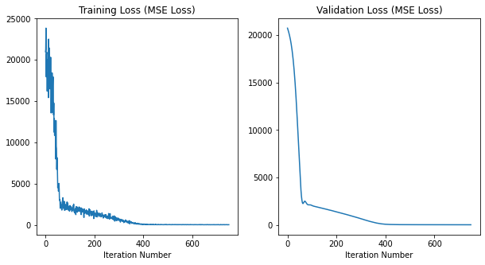
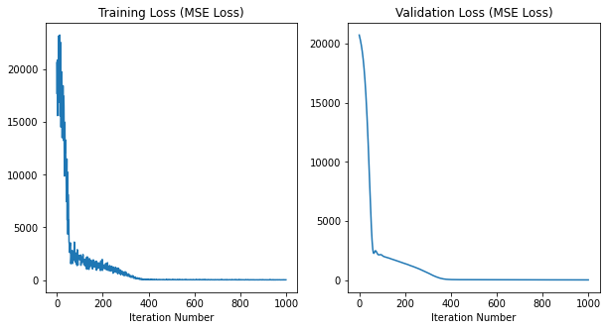
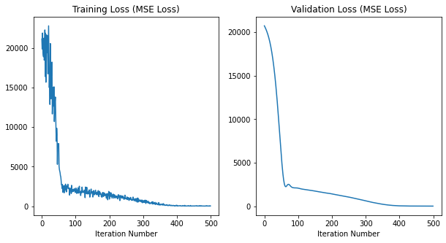
...
 |  |  | Run Epoch 0 |  |  |  | Run Epoch 0 |  |  |  | Run Epoch 0
 |  |  | It 0, L2 training loss: 20981.7734375 |  |  |  | It 0, L2 training loss: 21122.65234375 |  |  |  | It 0, L2 training loss: 20650.560546875
 |  |  | It 0, L2 validation loss: 20729.93359375 |  |  |  | It 0, L2 validation loss: 20729.939453125 |  |  |  | It 0, L2 validation loss: 20729.892578125
 |  |  | It 5, L2 training loss: 20930.40625 |  |  |  | It 5, L2 training loss: 18876.83203125 |  |  |  | It 5, L2 training loss: 19743.61328125
 |  |  | It 5, L2 validation loss: 20299.03515625 |  |  |  | It 5, L2 validation loss: 20302.423828125 |  |  |  | It 5, L2 validation loss: 20302.642578125
 |  |  | Run Epoch 1 |  |  |  | Run Epoch 1 |  |  |  | Run Epoch 1
 |  |  | It 10, L2 training loss: 18571.771484375 |  |  |  | It 10, L2 training loss: 16367.8935546875 |  |  |  | It 10, L2 training loss: 18104.70703125
 |  |  | It 10, L2 validation loss: 19762.75 |  |  |  | It 10, L2 validation loss: 19764.619140625 |  |  |  | It 10, L2 validation loss: 19763.548828125
 |  |  | It 15, L2 training loss: 21455.60546875 |  |  |  | It 15, L2 training loss: 20012.18359375 |  |  |  | It 15, L2 training loss: 18106.18359375
...

e-3e-42000
FILENAME: landS_maml_model5.pt

Train Expt3 | alpha | beta | MAML iterations | Trial 1 | Learning Rate | Max iterations | Epochs | Trial 2 | Learning Rate | Max iterations | Epochs | Trial 3 | Learning Rate | Max iterations | Epochs
 | 1.00E-03 | 1.00E-04 | 2000 |  | 1.00E-03 | 800 | 75 |  | 1.00E-03 | 1000 | 50 |  | 1.00E-03 | 1000 | 100

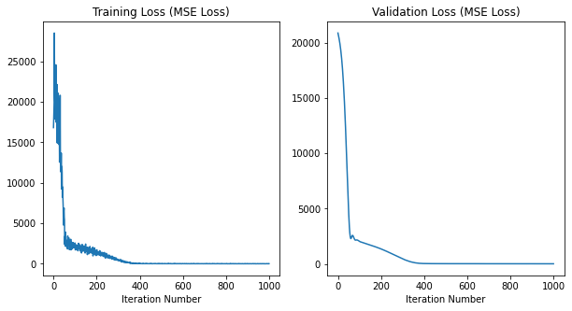
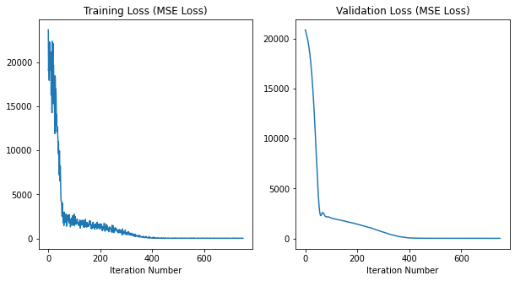
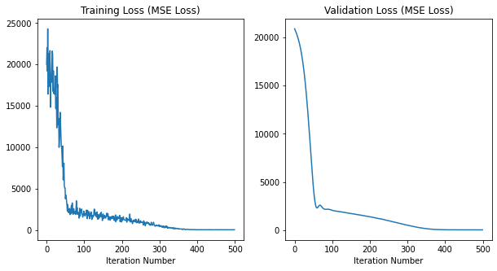
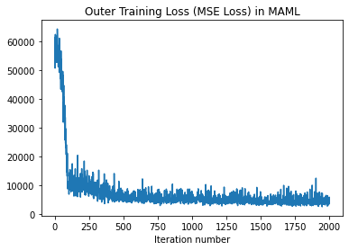

It 0, outer traning loss: 61289.19921875
It 50, outer traning loss: 49781.4921875 |  |  |  | Run Epoch 0 |  |  |  | Run Epoch 0 |  |  |  | Run Epoch 0
It 100, outer traning loss: 9365.267578125 |  |  |  | It 0, L2 training loss: 23694.44140625 |  |  |  | It 0, L2 training loss: 20002.138671875 |  |  |  | It 0, L2 training loss: 16820.52734375
It 150, outer traning loss: 10272.9833984375 |  |  |  | It 0, L2 validation loss: 20890.12109375 |  |  |  | It 0, L2 validation loss: 20890.21875 |  |  |  | It 0, L2 validation loss: 20890.220703125
It 200, outer traning loss: 9748.48828125 |  |  |  | It 5, L2 training loss: 22308.71484375 |  |  |  | It 5, L2 training loss: 18652.8046875 |  |  |  | It 5, L2 training loss: 22510.6640625
It 250, outer traning loss: 9951.6455078125 |  |  |  | It 5, L2 validation loss: 20403.732421875 |  |  |  | It 5, L2 validation loss: 20404.09375 |  |  |  | It 5, L2 validation loss: 20405.431640625
 |  |  |  | Run Epoch 1 |  |  |  | Run Epoch 1 |  |  |  | Run Epoch 1
 |  |  |  | It 10, L2 training loss: 20736.00390625 |  |  |  | It 10, L2 training loss: 14817.259765625
...

e-3e-42500
FILENAME: landS_maml_model7.pt

Train Expt3 | alpha | beta | MAML iterations | Trial 1 | Learning Rate | Max iterations | Epochs | Trial 2 | Learning Rate | Max iterations | Epochs | Trial 3 | Learning Rate | Max iterations | Epochs
 | 1.00E-03 | 1.00E-04 | 2500 |  | 1.00E-03 | 800 | 75 |  | 1.00E-03 | 1000 | 50 |  | 1.00E-03 | 1000 | 100
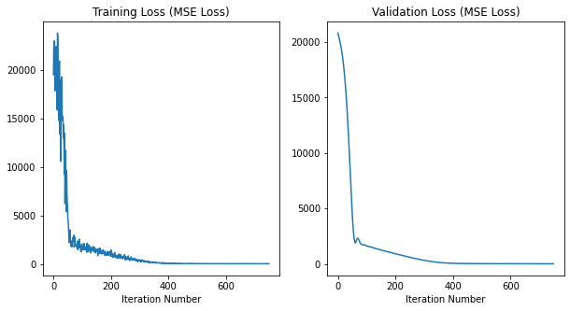
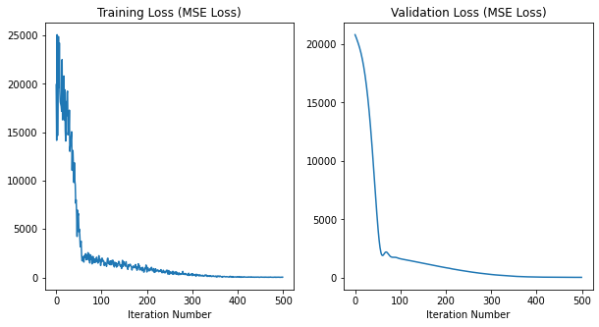


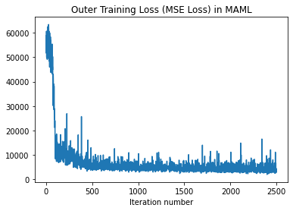

 |  |  |  | Run Epoch 0 |  |  |  | Run Epoch 0 |  |  |  |  | Run Epoch 0
It 0, outer traning loss: 58899.05078125 |  |  |  | It 0, L2 training loss: 19503.87890625 |  |  |  | It 0, L2 training loss: 19918.099609375 |  |  |  |  | It 0, L2 training loss: 19399.666015625
It 50, outer traning loss: 50313.8984375 |  |  |  | It 0, L2 validation loss: 20817.380859375 |  |  |  | It 0, L2 validation loss: 20817.337890625 |  |  |  |  | It 0, L2 validation loss: 20817.3984375
It 100, outer traning loss: 13833.828125 |  |  |  | It 5, L2 training loss: 17840.517578125 |  |  |  | It 5, L2 training loss: 24893.19140625 |  |  |  |  | It 5, L2 training loss: 21410.462890625
It 150, outer traning loss: 7131.939453125 |  |  |  | It 5, L2 validation loss: 20300.82421875 |  |  |  | It 5, L2 validation loss: 20303.400390625 |  |  |  |  | It 5, L2 validation loss: 20299.58203125
It 200, outer traning loss: 11463.283203125 |  |  |  | Run Epoch 1 |  |  |  | Run Epoch 1 |  |  |  |  | Run Epoch 1
It 250, outer traning loss: 7019.3515625 |  |  |  | It 10, L2 training loss: 22400.4140625 |  |  |  | It 10, L2 training loss: 17933.33203125 |  |  |  |  | It 10, L2 training loss: 20768.650390625
 |  |  |  | It 10, L2 validation loss: 19697.263671875 |  |  |  | It 10, L2 validation loss: 19697.9765625 |  |  |  |  | It 10, L2 validation loss: 19693.5234375
...

e-4e-31500
FILENAME: landS_maml_model8.pt

Train Expt3 | alpha | beta | MAML iterations | Trial 1 | Learning Rate | Max iterations | Epochs | Trial 2 | Learning Rate | Max iterations | Epochs | Trial 3 | Learning Rate | Max iterations | Epochs
 | 1.00E-04 | 1.00E-03 | 1500 |  | 1.00E-03 | 800 | 75 |  | 1.00E-03 | 1000 | 50 |  | 1.00E-03 | 1000 | 100
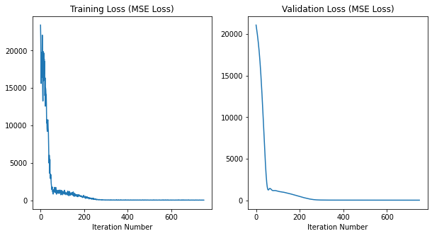
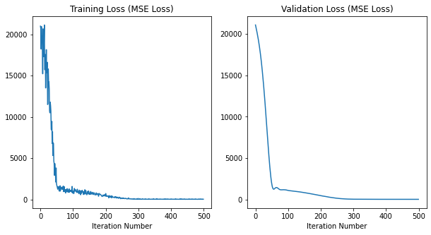
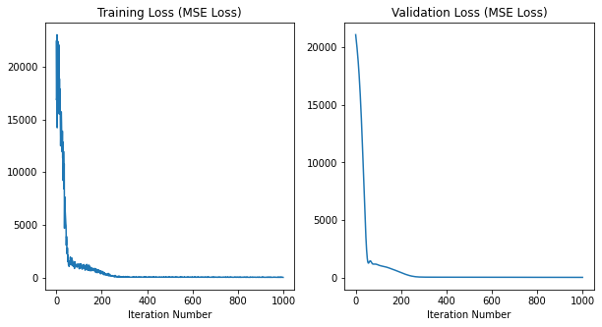
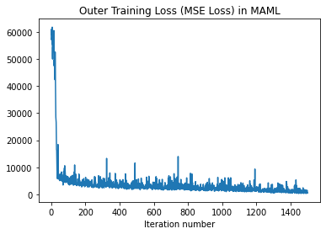

It 0, outer traning loss: 57175.2578125 |  |  |  | Run Epoch 0 |  |  |  | Run Epoch 0 |  |  |  |  | Run Epoch 0
It 50, outer traning loss: 7005.103515625 |  |  |  | It 0, L2 training loss: 23416.193359375 |  |  |  | It 0, L2 training loss: 21002.27734375 |  |  |  |  | It 0, L2 training loss: 22429.46484375
It 100, outer traning loss: 3854.15576171875 |  |  |  | It 0, L2 validation loss: 21085.03515625 |  |  |  | It 0, L2 validation loss: 21085.025390625 |  |  |  |  | It 0, L2 validation loss: 21085.060546875
It 150, outer traning loss: 3558.61767578125 |  |  |  | It 5, L2 training loss: 19105.384765625 |  |  |  | It 5, L2 training loss: 19806.998046875 |  |  |  |  | It 5, L2 training loss: 20806.876953125
 |  |  |  | It 5, L2 validation loss: 20137.076171875 |  |  |  | It 5, L2 validation loss: 20131.736328125 |  |  |  |  | It 5, L2 validation loss: 20141.55078125
 |  |  |  | Run Epoch 1 |  |  |  | Run Epoch 1 |  |  |  |  | Run Epoch 1
...

e-4e-32000
FILENAME: landS_maml_model9.pt

Train Expt3 | alpha | beta | MAML iterations | Trial 1 | Learning Rate | Max iterations | Epochs | Trial 2 | Learning Rate | Max iterations | Epochs | Trial 3 | Learning Rate | Max iterations | Epochs
 | 1.00E-04 | 1.00E-03 | 2000 |  | 1.00E-03 | 800 | 75 |  | 1.00E-03 | 1000 | 50 |  | 1.00E-03 | 1000 | 100
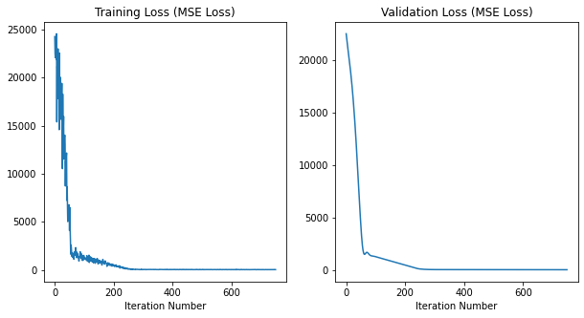
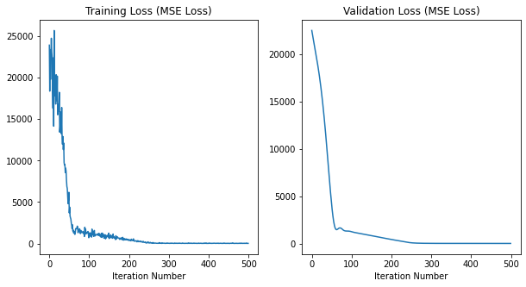
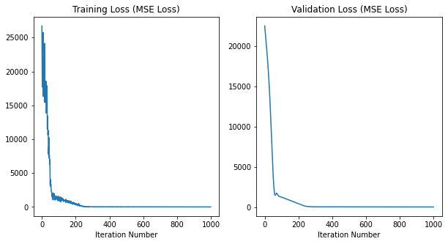

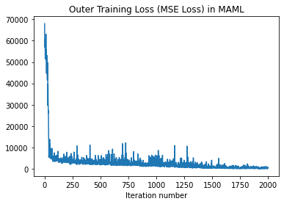

It 0, outer traning loss: 67941.7734375 |  |  |  | Run Epoch 0 |  |  |  | Run Epoch 0 |  |  |  | Run Epoch 0
It 50, outer traning loss: 6151.2822265625 |  |  |  | It 0, L2 training loss: 24265.91015625 |  |  |  | It 0, L2 training loss: 23916.75390625 |  |  |  | It 0, L2 training loss: 26720.333984375
It 100, outer traning loss: 4467.365234375 |  |  |  | It 0, L2 validation loss: 22537.580078125 |  |  |  | It 0, L2 validation loss: 22537.537109375 |  |  |  | It 0, L2 validation loss: 22537.51953125
It 150, outer traning loss: 4431.4189453125 |  |  |  | It 5, L2 training loss: 21867.0 |  |  |  | It 5, L2 training loss: 24750.61328125 |  |  |  | It 5, L2 training loss: 21109.69140625
It 200, outer traning loss: 3898.484375 |  |  |  | It 5, L2 validation loss: 21307.71484375 |  |  |  | It 5, L2 validation loss: 21305.20703125 |  |  |  | It 5, L2 validation loss: 21309.369140625
It 250, outer traning loss: 3016.666015625 |  |  |  | Run Epoch 1 |  |  |  | Run Epoch 1 |  |  |  | Run Epoch 1
 |  |  |  | It 10, L2 training loss: 17831.701171875 |  |  |  | It 10, L2 training loss: 22384.916015625 |  |  |  | It 10, L2 training loss: 18278.912109375
 |  |  |  | It 10, L2 validation loss: 20154.306640625 |  |  |  | It 10, L2 validation loss: 20114.478515625 |  |  |  | It 10, L2 validation loss: 20109.2109375
...

e-4e-32500
FILENAME: landS_maml_model10.pt

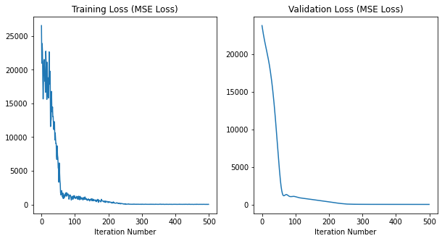
Train Expt3 | alpha | beta | MAML iterations | Trial 1 | Learning Rate | Max iterations | Epochs | Trial 2 | Learning Rate | Max iterations | Epochs | Trial 3 | Learning Rate | Max iterations | Epochs
 | 1.00E-04 | 1.00E-03 | 2500 |  | 1.00E-03 | 800 | 75 |  | 1.00E-03 | 1000 | 50 |  | 1.00E-03 | 1000 | 100
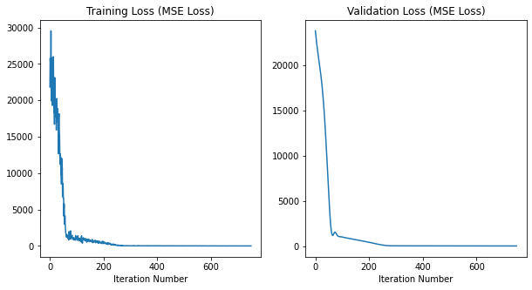
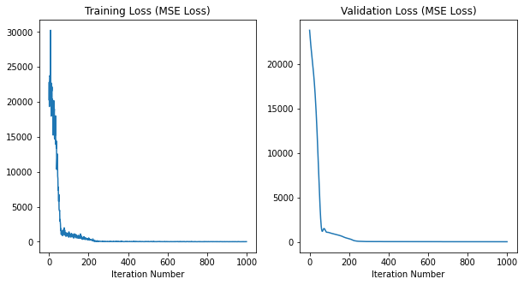
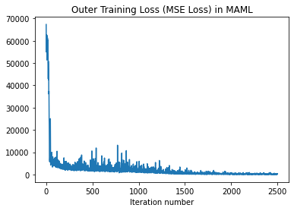

It 0, outer traning loss: 67294.9296875
It 50, outer traning loss: 9478.59375
It 100, outer traning loss: 4384.3916015625
It 150, outer traning loss: 3418.572509765625 |  |  |  | Run Epoch 0 |  |  |  | Run Epoch 0 |  |  |  | Run Epoch 0
It 200, outer traning loss: 2953.8125 |  |  |  | It 0, L2 training loss: 21821.671875 |  |  |  | It 0, L2 training loss: 26546.58984375 |  |  |  | It 0, L2 training loss: 20316.103515625
It 250, outer traning loss: 3191.38916015625 |  |  |  | It 0, L2 validation loss: 23793.419921875 |  |  |  | It 0, L2 validation loss: 23793.34375 |  |  |  | It 0, L2 validation loss: 23793.23046875
It 300, outer traning loss: 1764.1968994140625 |  |  |  | It 5, L2 training loss: 19918.767578125 |  |  |  | It 5, L2 training loss: 15662.5673828125 |  |  |  | It 5, L2 training loss: 23647.146484375
It 350, outer traning loss: 2119.886474609375 |  |  |  | It 5, L2 validation loss: 22397.298828125 |  |  |  | It 5, L2 validation loss: 22415.5546875 |  |  |  | It 5, L2 validation loss: 22392.408203125
It 400, outer traning loss: 4186.62890625 |  |  |  | Run Epoch 1 |  |  |  | Run Epoch 1 |  |  |  | Run Epoch 1
 |  |  |  | It 10, L2 training loss: 24062.63671875 |  |  |  | It 10, L2 training loss: 18305.216796875 |  |  |  | It 10, L2 training loss: 22093.087890625
 |  |  |  | It 10, L2 validation loss: 21228.404296875 |  |  |  | It 10, L2 validation loss: 21261.455078125 |  |  |  | It 10, L2 validation loss: 21201.298828125
...

