Sheet1
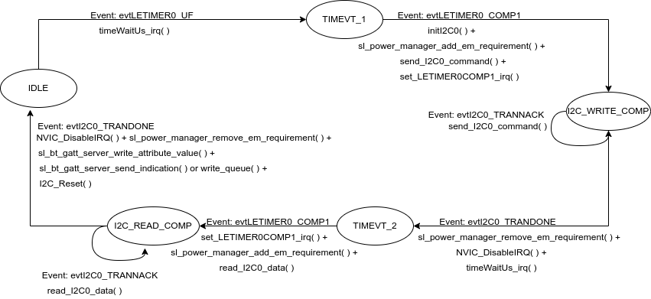
 | Server Command Table for A8

 | Use this table to help you design your program. Add rows as needed. | Use this column to describe when and what your LCD display changes to for rows like DISPLAY_ROW_CONNECTION | Use this column to denote if BT stack events cause your state machine to advance, you can put an X in the cell to note this. Drawing a bubble diagram of your state machine might also be a good idea 👍. | Commands that may be useful: sl_bt_gatt_discover_primary_services_by_uuid() sl_bt_gatt_discover_characteristics_by_uuid()
 | Event | LCD Display State | Advances State Machine | Commands called in response to event | Notes
Events Common to Slaves/Clients
 | sl_bt_evt_system_boot_id | Advertising |  | This event is generated on stack boot up. In this state, all previously stored bondings are deleted using sl_bt_sm_delete_bondings( ). The security requirement is configured to use sl_bt_sm_io_capability_displayyesno using sl_bt_sm_configure( ). In addition, sl_bt_sm_set_bondable_mode( ) is set true to enable bonding. Lastly, the advertisement timing parameters are set using sl_bt_advertiser_set_timing( ) and start the advertiser via sl_bt_advertiser_create_set( ). | You can also document in column D values that need to be saved in response to receiving BT stack events.

 | sl_bt_evt_connection_opened_id | Connected |  | Set the connection timing parameters via sl_bt_connection_set_parameters( ).

 | sl_bt_evt_connection_parameters_id |  |  | Save and display the received connection parameters.

 | sl_bt_evt_connection_closed_id |  |  | The connection has been closed. Delete all the existing bondings using sl_bt_sm_delete_bondings( ) and restart advertising using sl_bt_advertiser_start( ).

 | sl_bt_evt_system_soft_timer_id |  |  | This event indicates that a soft timer has expired. displayUpdate( ) should babe called to prevent charge buildup within the Liquid Crystal Cells.

 | sl_bt_evt_system_external_signal_id | Button Pressed / Button Released | X | The custom-defined events drive the temperature-taking state machine sequence. In addition, for the event representing the PB0 press/release, we update the GATT server using sl_bt_gatt_server_write_attribute_value( ). And send the indication to the client if the indication for the PB0 is enabled and there is no ongoing indication using sl_bt_gatt_server_send_indication( ). Enqueuing indication to the circular buffer via write_queue( ) is performed if ongoing indication exists.
 | sl_bt_evt_gatt_server_characteristic_status_id |  |  | If the indication confirmation is received and there are pending indications, then a pending element can be dequeued via read_queue( ) and send the indication using sl_bt_gatt_server_send_indication( ). If the CCCD is changed to enable the indication, then gpioLed1SetOn( ) is called for PB1 and gpioLed0SetOn( ) for the temperature service. On the contrary, gpioLed0SetOff( ) is called when the indication is disabled for the temperature service, and gpioLed1SetOff( ) for PB0.

 | sl_bt_evt_sm_confirm_bonding_id |  |  | Accept the bonding request by calling sl_bt_bonding_confirm( ).

 | sl_bt_evt_sm_confirm_passkey_id | Passkey Confirm with PB0 |  | Display the passkey on the LCD using displayPrintf( ).

 | sl_bt_evt_sm_bonded_id | Bonded |  | Display ‘Bonded’ on the LCD using displayPrintf( ).

 | sl_bt_evt_sm_bonding_failed_id |  |  | Bonding failed, this is used for troubleshooting.

