Sheet1
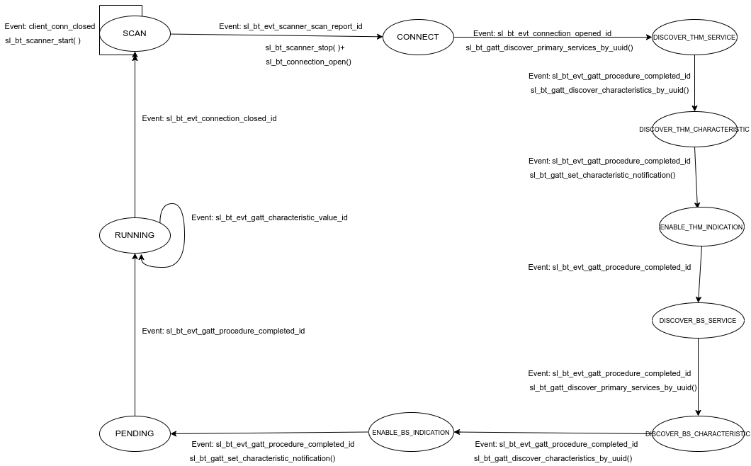
 | Client Command Table for A7

 | Use this table to help you design your program. Add rows as needed. | Use this column to describe when and what your LCD display changes to for rows like DISPLAY_ROW_CONNECTION | Use this column to denote if BT stack events cause your state machine to advance, you can put an X in the cell to note this. Drawing a bubble diagram of your state machine might also be a good idea 👍. | Commands that may be useful: sl_bt_gatt_discover_primary_services_by_uuid() sl_bt_gatt_discover_characteristics_by_uuid()
 | Event | LCD Display State | Advances State Machine | Commands called in response to event | Notes
Events Common to Slaves/Clients
 | sl_bt_evt_system_boot_id |  |  | This event is generated on stack boot up. All previous bondings should be deleted via sl_bt_sm_delete_bondigs(). | You can also document in column D values that need to be saved in response to receiving BT stack events.
 |  |  |  | sl_bt_scanner_set_mode()
 |  |  |  | sl_bt_scanner_set_timing()
 |  |  |  | sl_bt_connection_set_default_parameters()
 |  | Discovering |  | sl_bt_scanner_start() | You should start and stop scanning just like you did with advertising for a Server.

 | sl_bt_evt_connection_opened_id | Connected | X | The client should start discovering primary services using sl_bt_gatt_discover_primary_services_by_uuid( ).

 | sl_bt_evt_connection_parameters_id |  |  | Save and display the received connection parameters.

 | sl_bt_evt_connection_closed_id |  | X | The connection has been closed. The client needs to start scanning again by calling sl_bt_scanner_start( ). All previous bondings should be deleted via sl_bt_sm_delete_bondigs().

 | sl_bt_evt_system_soft_timer_id |  |  | This event indicates that a soft timer has expired. displayUpdate( ) should babe called to prevent charge buildup within the Liquid Crystal Cells.

Events only for Masters/Clients
 | sl_bt_evt_scanner_scan_report_id |  | X | Received for advertising or scan response packets generated by: sl_bt_scanner_start(). Is the bd_addr, packet_type and address_type what we expect for our Server? If yes: sl_bt_scanner_stop() sl_bt_connection_open()

 | sl_bt_evt_gatt_procedure_completed_id |  | X | We get this event when it’s ok to call the next GATT command. It’s a good idea to check for returned error codes. This would be a great event to use to sequence your new state machine. The arrival of this event sequences the client state machine by allowing the client to send additional commands: If the client is discovering the primary services, then it can start to discover characteristics of the primary service by using sl_bt_gatt_discover_characteristics_by_uuid( ) if no error codes returned. If the client is discovering characteristics, then it can start to enable the indication by sending sl_bt_gatt_set_characteristic_notification( ) if no error codes returned. If the client is sending a read request to the button state characteristic when not being bonded, a pairing process is required. And this requires the client to initiate the pairing process via sl_bt_sm_increase_security( ). | Do not build your state machine into your handle_ble_event() function! Instead build a new state machine for A7.

 | sl_bt_evt_gatt_service_id |  |  | A GATT service in the remote GATT database was discovered. The service information will be saved as part of the private global data for the client’s state machine.

 | sl_bt_evt_gatt_characteristic_id |  |  | A GATT characteristic in the remote GATT database was discovered. The characteristic information will be saved as part of the private global data for the client’s state machine.

 | sl_bt_evt_gatt_characteristic_value_id | Handling Indications Temp= Button Pressed/Button Released |  | If an indication or notification has been enabled for a characteristic, this event is triggered whenever an indication or notification is received from the remote GATT server. Is the characteristic handle and att_opcode we expect? If yes: sl_bt_gatt_send_characteristic_confirmation()

 | sl_bt_evt_system_external_signal_id |  |  | An external signal event is received. In A9, it can be either PB0 press&release, or PB1 press&release. For PB1 press, if there was no PB0 pressed, a read command is issued to read the button state characteristic value via sl_bt_gatt_characteristic_value( ). For PB0 press, when the client is not bonded with the server, pressing PB0 indicates accept the reported passkey confirm value, and this is done via sl_bt_sm_passkey_confirm( ); when the client has been bonded, pressing PB0 upon a series of button presses triggers a change of the button state characteristic notification using sl_bt_gatt_set_characteristic_notification( ).

 | sl_bt_evt_sm_confirm_passkey_id | Passkey Confirm with PB0 |  | A request for the passkey display and confirmation has been received. The received passkey and required user actions will be displayed on the LCD.

 | sl_bt_evt_sm_bonded_id | Bonded |  | The client is bonded. The internal connection state is set and ‘Bonded’ is displayed on the LCD.

 | sl_bt_evt_sm_bonding_failed_id |  |  | The bonding fails, indicating the button state characteristic read request will fail.

