Binomial Tree Model (Q3)
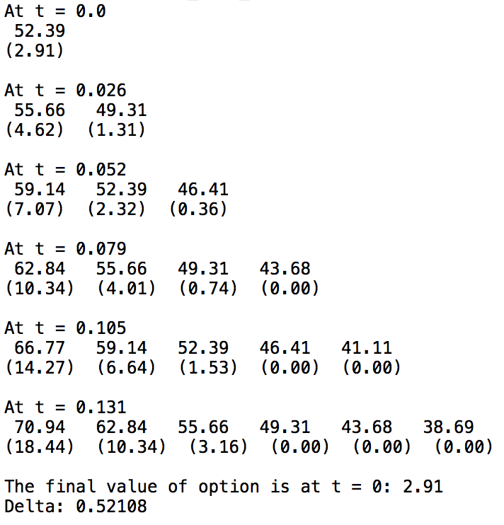
Inputs |  | Refer to american_call-binomial.py |  |  | Binomial Tree with N = 5
N | 5
T | 33/252
So | 52.37 | Call Option Premium |  | 2.9823374041
sigma | 37.46%
r | 2.18% | Delta | 0.5277834242
K | 52.5

 | The graph produced by plotOptionPrices() function
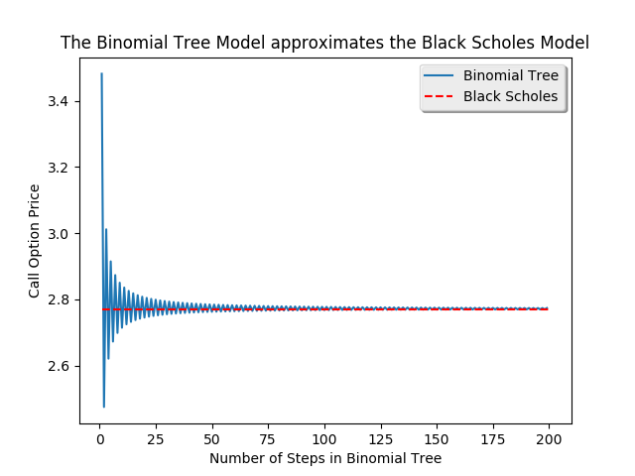

 |  |  |  |  | from binomial_tree_call() function (5 steps)

 | The call price converged to $2.77

Historical Vol. Hedging (Q3)
Dynamic Delta Hedging from historical volatility | Static Delta Hedging from historical volatility
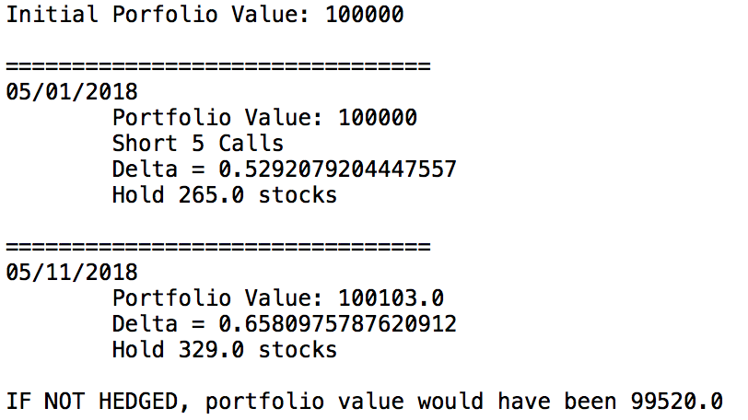

 | from staticDeltaHedgingSimulation(True) function

 | All the delta values are calculated with 200-step Binomial Tree

from dynamicDeltaHedgingSimulation(True) function

Implied Vol. Hedging (Q5)
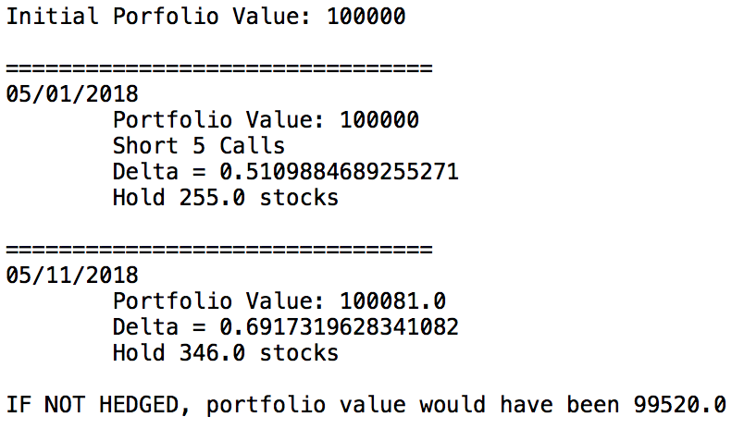
Dynamic Delta Hedging with Implied Volatility | Static Delta Heding with Implied Volatility |  | Implied |  | Historical
 |  |  | Dynamic | Static | Dynamic | Static
 |  | 2018-05-01 | $100,000.00 | $100,000.00 | $100,000.00 | $100,000.00
 |  | 2018-05-02 | $100,013.25 |  | $100,014.75
 |  | 2018-05-03 | $100,016.23 |  | $100,011.67
 |  | 2018-05-04 | $100,017.74 |  | $100,026.32
 |  | 2018-05-07 | $100,018.28 |  | $100,023.67
 |  | 2018-05-08 | $99,941.25 |  | $99,941.75
 |  | 2018-05-09 | $100,077.64 |  | $100,079.56
 |  | 2018-05-10 | $99,994.88 |  | $99,991.18
 |  | 2018-05-11 | $100,047.07 | $100,081.00 | $100,045.71 | $100,103.00

 | from staticDeltaHedgingSimulation() function

Option Hedging: Portfolio Movement
 | Static with Implied Vol. | Dynamic with Historical Vol. | Dynamic with Historical Vol. | Static with Historical Vol. | Dynamic with Implied Vol.
5/1/18 | $100,000.00 | $100,000.00 | $100,000.00 | $100,000.00 | $100,000.00
5/2/18 |  | $100,013.25 | $100,014.75 |  | $100,013.25
5/3/18 |  | $100,016.23 | $100,011.67 |  | $100,016.23
5/4/18 |  | $100,017.74 | $100,026.32 |  | $100,017.74
5/7/18 |  | $100,018.28 | $100,023.67 |  | $100,018.28
5/8/18 |  | $99,941.25 | $99,941.75 |  | $99,941.25
5/9/18 |  | $100,077.64 | $100,079.56 |  | $100,077.64
5/10/18 |  | $99,994.88 | $99,991.18 |  | $99,994.88
5/11/18 | $100,081.00 | $100,047.07 | $100,045.71 | $100,103.00 | $100,047.07

from dynamicDeltaHedgingSimulation() function

