Mind Maps
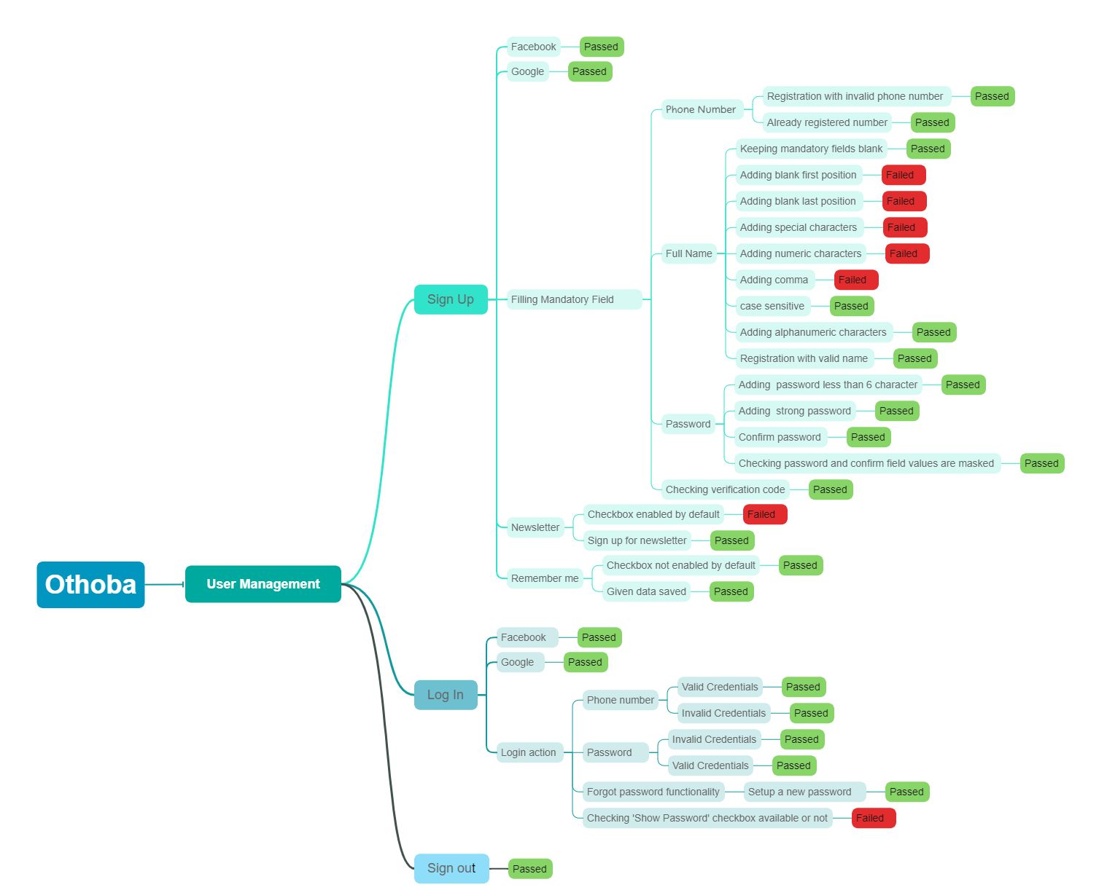

Report
Test Case Report
Project Name | Othoba
Module Name | Sign Up and Sign In |  |  |  |  | Total No. | Status
Test Case Version |  |  |  |  |  | 39 | PASS
Written By | Safar Khan Shuvo |  |  |  |  | 9 | FAIL
Executed By | Safar Khan Shuvo |  |  |  |  | 0 | Not Executed
Reviewed By |  |  |  |  |  | 0 | Out of Scope
TEST EXECUTION REPORT

Test Case | PASS | FAIL | Not Executed | Out Of Scope | Total TC
 | 39 | 9 | 0 | 0 | 48
Grand Total | 39 | 9 | 0 | 0 | 48

Test Case Report

