2. Terminologies Explained
Back to Index
Terminologies Explained

 | Markov Blanket | The Markov Blanket of a (Target) node consists of all nodes that make this Target conditionally independent of all the other nodes in the model:
 |  | The Parents are used for cutting the information coming from their ascendants.
 |  | The Children are used for cutting the information coming from their descendants
 |  | The Spouses are used for cutting the information coming from the ascendants of the Children.
 |  | The Spouses are used for cutting the information coming from the ascendants of the Children.

 | Evidence Variables | Find out updated knowledge of the state of a subset of variables when other variables (the evidence variables) are observed.

PGM Approach
Back to Index
Bayesian Network Build Process Diagram
Start

Remove the columns which contain name and address i.e. COMPANY_STREET_1, BROKER_NAME, etc
Impute missing values with 0
Bin the variables which are continuous or have unique values more than 100
List of variables for modelling which are binned where unique values are more than 100 and Removed personal variables like name and addresses
 | Step 1. Data Preparation

1
 |  |  | As a result

Convert all the final dataset variables to factor.
Structure Learning using score based approach(BDe - bayesian Dirichlet equivalent score) of bayesian network.
With the given Bayesian Network, see the Markov Blanket of the variables, Can force or remove the variables in this stage based on domain experties
Re-build the model based on previous changes by blacklisting and whitelisting the variables.
2
 | Step 2. Network Building

 |  | Keep checking Newtork and Markov Blanket of variables

Import the Learned structure and its CPT's into samIam to verify your Hypothesis
Build the Conditional Probability Table(CPT) of the fitted final network
Record Network
 |  |  | As a result

Network
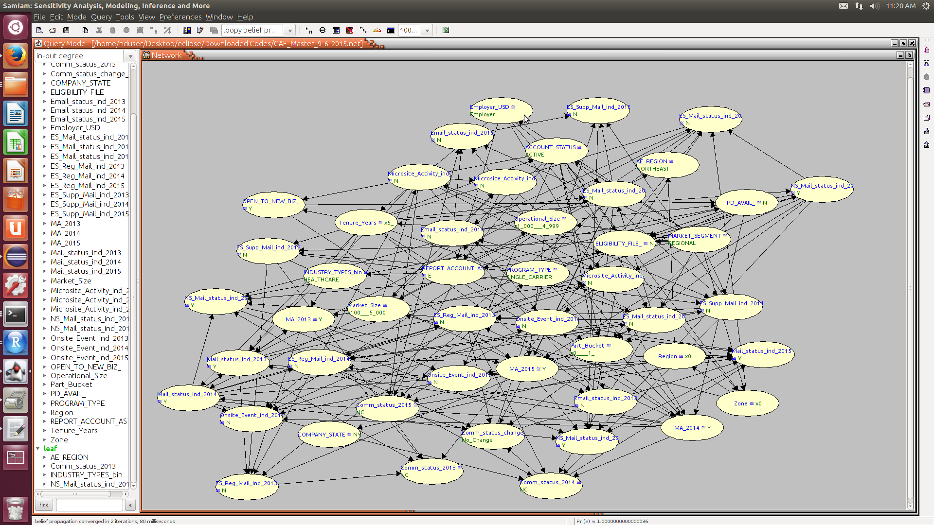
Back to Index

Target Variable | Part_Bucket

CHILD |  | PARENT | SPOUSE
Onsite_Event_ind_2013 |  | ES_Supp_Mail_ind_2014 | MA_2015
 |  | NS_Mail_status_ind_2014 | Mail_status_ind_2013
 |  | REPORT_ACCOUNT_AS | MA_2013
 |  | PD_AVAIL_
 |  | ACCOUNT_STATUS

