G12-1
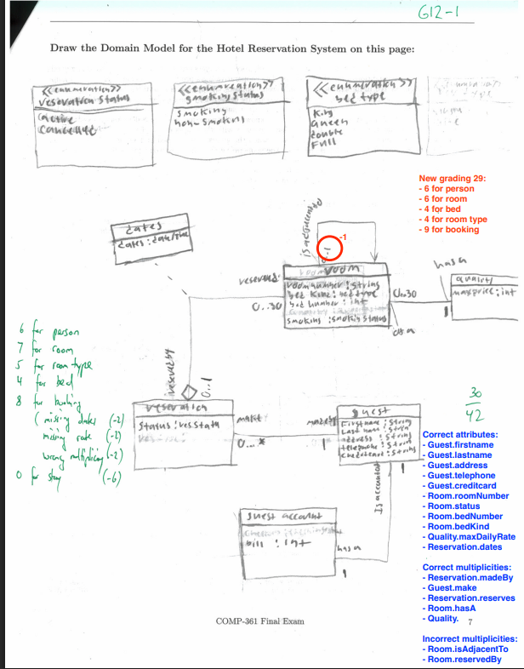
model_element | alignments_identified_and_correct | alignments_predicted_correct | misalignments_identified_and_correct | misalignments_predicted_correct | alignments | misalignments | precision_alignment | precision_misalignment | overall_precision | recall_alignment | recall_misalignment | overall_recall
attribute | 8 | 8 | 0 | 0 | 11 | 0 | 1 | 1 | 1 | 0.72727272727 | 1 | 0.72727272727
association | 2 | 2 | 1 | 4 | 5 | 2 | 1 | 0.25 | 0.5 | 0.4 | 0.5 | 0.42857142857
all | 10 | 10 | 1 | 4 | 16 | 2 | 1 | 0.25 | 0.78571428571 | 0.625 | 0.5 | 0.61111111111

G12-2
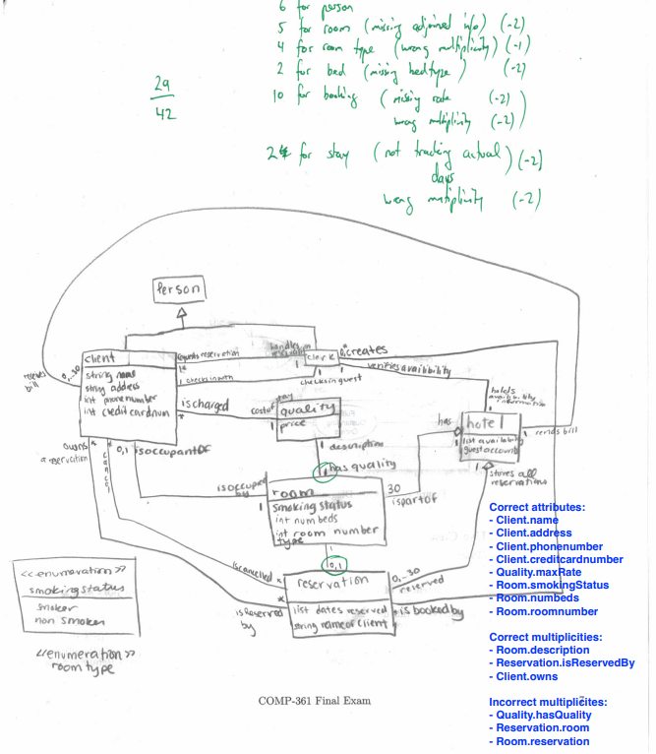
model_element | alignments_identified_and_correct | alignments_predicted_correct | misalignments_identified_and_correct | misalignments_predicted_correct | alignments | misalignments | precision_alignment | precision_misalignment | overall_precision | recall_alignment | recall_misalignment | overall_recall
attribute | 8 | 8 | 0 | 0 | 8 | 0 | 1 | 1 | 1 | 1 | 1 | 1
association | 1 | 2 | 1 | 2 | 3 | 3 | 0.5 | 0.5 | 0.5 | 0.33333333333 | 0.33333333333 | 0.33333333333
all | 9 | 10 | 1 | 2 | 11 | 3 | 0.9 | 0.5 | 0.83333333333 | 0.81818181818 | 0.33333333333 | 0.71428571429

G12-3
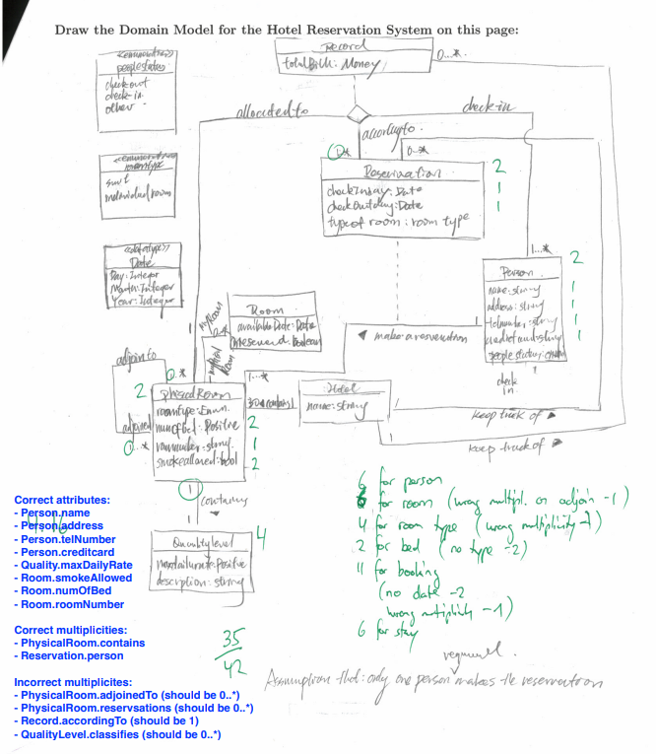
model_element | alignments_identified_and_correct | alignments_predicted_correct | misalignments_identified_and_correct | misalignments_predicted_correct | alignments | misalignments | precision_alignment | precision_misalignment | overall_precision | recall_alignment | recall_misalignment | overall_recall
attribute | 4 | 4 | 0 | 0 | 8 | 0 | 1 | 1 | 1 | 0.5 | 1 | 0.5
association | 1 | 3 | 0 | 0 | 2 | 4 | 0.33333333333 | 1 | 0.33333333333 | 0.5 | 0 | 0.16666666667
all | 5 | 7 | 0 | 0 | 10 | 4 | 0.71428571429 | 1 | 0.71428571429 | 0.5 | 0 | 0.35714285714

G12-4
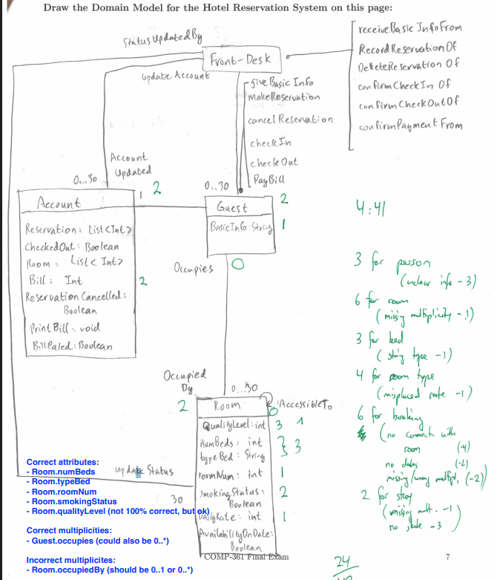
model_element | alignments_identified_and_correct | alignments_predicted_correct | misalignments_identified_and_correct | misalignments_predicted_correct | alignments | misalignments | precision_alignment | precision_misalignment | overall_precision | recall_alignment | recall_misalignment | overall_recall
attribute | 5 | 5 | 0 | 0 | 5 | 0 | 1 | 1 | 1 | 1 | 1 | 1
association | 0 | 0 | 1 | 2 | 1 | 1 | 1 | 0.5 | 0.5 | 0 | 1 | 0.5
all | 5 | 5 | 1 | 2 | 6 | 1 | 1 | 0.5 | 0.857142857 | 0.833333333 | 1 | 0.857142857

G12-5
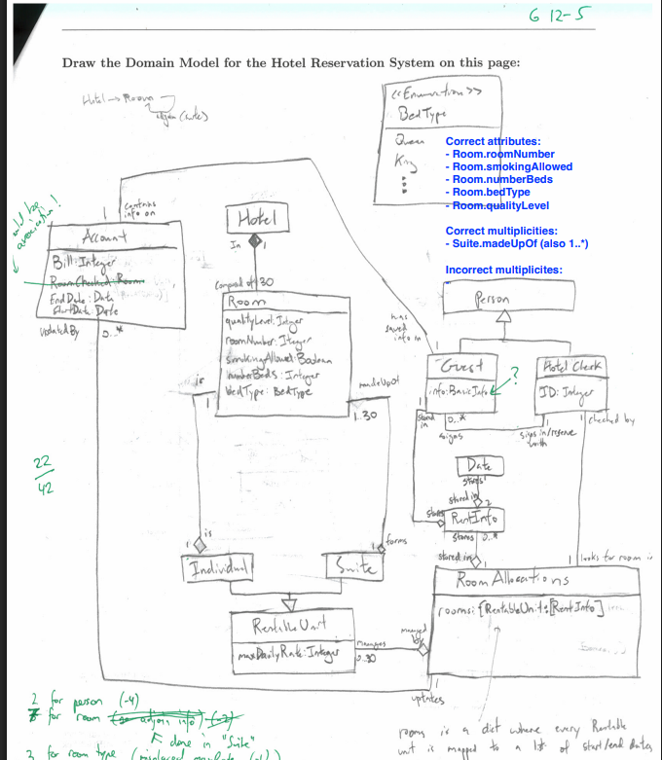
model_element | alignments_identified_and_correct | alignments_predicted_correct | misalignments_identified_and_correct | misalignments_predicted_correct | alignments | misalignments | precision_alignment | precision_misalignment | overall_precision | recall_alignment | recall_misalignment | overall_recall
attribute | 5 | 5 | 0 | 0 | 5 | 0 | 1 | 1 | 1 | 1 | 1 | 1
association | 1 | 1 | 0 | 0 | 1 | 0 | 1 | 1 | 1 | 1 | 1 | 1
all | 6 | 6 | 0 | 0 | 6 | 0 | 1 | 1 | 1 | 1 | 1 | 1

G12-6
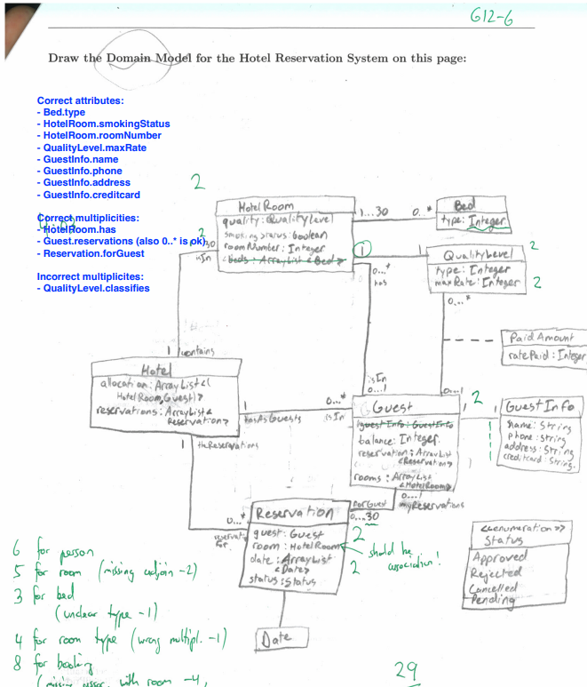
model_element | alignments_identified_and_correct | alignments_predicted_correct | misalignments_identified_and_correct | misalignments_predicted_correct | alignments | misalignments | precision_alignment | precision_misalignment | overall_precision | recall_alignment | recall_misalignment | overall_recall
attribute | 8 | 8 | 0 | 0 | 8 | 0 | 1 | 1 | 1 | 1 | 1 | 1
association | 2 | 3 | 0 | 0 | 3 | 1 | 0.66666666667 | 1 | 0.66666666667 | 0.66666666667 | 0 | 0.5
all | 10 | 11 | 0 | 0 | 11 | 1 | 0.90909090909 | 1 | 0.90909090909 | 0.90909090909 | 0 | 0.83333333333

