Summary
IDAC | LSB (A) | Offset Error (A) | Offset Error (LSBs)
IDAC0 | 1.1147152564E-06 | 0.00011411744574 | 102.37362868
IDAC1 | 1.1330747683E-06 | 1.0609352015E-05 | 9.3633291565
Composite INL vs Code for All IDACs
 | IDAC0 | IDAC1 | IDAC2 | IDAC3 | IDAC4 | IDAC5 | IDAC6 | IDAC7
384 | -15.132208976 | -25.202276017 | -11.229172461 | -27.354287542 | -12.452185123 | -31.105660185 | -22.973438291 | -24.421561624
416 | -14.824406788 | -25.128487936 | -11.200742089 | -27.002049087 | -12.844197598 | -31.050130877 | -22.997547503 | -24.42415885
448 | -15.158921099 | -24.87289367 | -11.338515949 | -26.964657053 | -12.508130715 | -31.296267265 | -23.130858579 | -24.12187583
480 | -15.098715774 | -24.926193407 | -11.530524875 | -27.317285443 | -13.054397291 | -31.327688658 | -23.086276296 | -24.067915562
512 | -15.27175387 | -24.98478847 | -11.697165786 | -27.292275009 | -12.90784259 | -31.085836419 | -22.869084616 | -23.634843335
544 | -14.589865119 | -25.138699396 | -11.813070668 | -26.977181357 | -12.925237962 | -31.710829433 | -22.85708676 | -23.79032254
576 | -15.067913842 | -25.423228357 | -12.102177856 | -26.842505316 | -13.308435917 | -31.657961881 | -23.108406301 | -23.768175863
608 | -15.101902976 | -25.435048043 | -12.020387178 | -26.892668887 | -13.206835268 | -31.424982163 | -22.472901031 | -23.950166393
640 | -15.344017008 | -25.721342112 | -11.973586864 | -26.81282565 | -12.995053119 | -31.113924264 | -22.470590438 | -23.586907324
672 | -15.267664062 | -25.467512956 | -12.477010036 | -26.763936414 | -13.145547744 | -31.417732036 | -22.44890532 | -23.690247589
704 | -15.537587886 | -24.735339373 | -12.332236701 | -26.879545589 | -13.640690104 | -31.32405089 | -22.117227816 | -23.49135874
736 | -15.606563533 | -24.988978934 | -12.349293803 | -27.070328769 | -13.416567626 | -31.284492119 | -22.097304018 | -23.306609264
768 | -15.470105551 | -25.205551215 | -12.135414498 | -26.752581917 | -13.66754778 | -31.082566222 | -22.02806325 | -23.574319748
800 | -15.805516952 | -25.521852131 | -12.352791438 | -26.657703878 | -13.737830273 | -30.873542309 | -22.107654054 | -23.022830266
832 | -15.802725392 | -25.116223636 | -12.543925604 | -26.963459066 | -13.920938622 | -30.83930705 | -22.018158101 | -23.016590384
864 | -15.827743624 | -25.081267943 | -12.882894062 | -26.75803102 | -14.306780933 | -30.846772638 | -21.93306545 | -22.854817391
896 | -16.023208973 | -25.273128704 | -12.94368912 | -26.609204579 | -14.122323796 | -30.769062028 | -21.94660674 | -22.662998229
928 | -16.109229331 | -24.982232267 | -12.889890733 | -26.787606158 | -13.939629562 | -30.523660781 | -21.335759956 | -22.896243989
960 | -15.866914719 | -25.001112387 | -12.757364026 | -26.330124096 | -14.034592711 | -30.429979635 | -21.015531034 | -22.618704874
992 | -16.191561039 | -24.426916022 | -12.842652339 | -26.607578482 | -13.91448157 | -30.343396505 | -20.601952132 | -22.416281181
1024 | -15.87209668 | -24.932083556 | -13.119512899 | -26.065194015 | -13.801422045 | -29.939177141 | -20.485155714 | -22.392367082
1056 | -16.19225755 | -24.929782373 | -12.768296412 | -26.060524782 | -13.986293298 | -29.90849089 | -20.215124423 | -22.101572303
1088 | -15.826144507 | -24.879823258 | -13.024162754 | -25.702095527 | -13.554148147 | -29.834329289 | -20.100969985 | -21.774545379
1120 | -15.911267775 | -24.838689685 | -13.362256452 | -25.632865091 | -13.850082353 | -29.590702546 | -19.85823916 | -21.481099468
1152 | -16.025097926 | -24.540732814 | -13.065275031 | -25.398251844 | -14.24297628 | -29.390551154 | -19.54945882 | -21.645415782
1184 | -15.885948673 | -24.68228798 | -13.334262759 | -25.306027005 | -14.159886124 | -29.555947606 | -19.826317506 | -21.943172435
1216 | -16.002470094 | -24.494650395 | -13.108136826 | -25.172235365 | -14.16141536 | -29.69206474 | -19.750912117 | -21.723958236
1248 | -16.069651561 | -24.138444941 | -13.836373091 | -25.243624537 | -14.305739821 | -29.152983065 | -19.558378923 | -21.525953098
1280 | -16.435564024 | -24.435329662 | -13.534143115 | -25.253105705 | -14.354867465 | -29.528658253 | -19.56311361 | -21.323529405
1312 | -16.501848401 | -24.843416224 | -13.818001748 | -25.727781303 | -14.548553239 | -29.287693266 | -19.666482239 | -21.298731595
1344 | -16.474835409 | -24.473972455 | -13.76507812 | -25.627596865 | -14.796889037 | -29.25878152 | -19.744311723 | -21.143144578
1376 | -15.953525782 | -24.494617683 | -13.450601516 | -25.493805224 | -15.329052381 | -29.299962685 | -19.480445053 | -20.982255295
1408 | -16.033266509 | -24.546152312 | -13.752830091 | -25.360897983 | -15.135780723 | -29.139737635 | -19.301121761 | -20.44755632
1440 | -16.362398279 | -24.219953703 | -13.995575046 | -25.212071541 | -15.200774504 | -28.746165295 | -19.155263557 | -20.355596484
1472 | -16.425094295 | -24.181467794 | -13.852551229 | -25.138419104 | -14.872640689 | -28.591263758 | -18.909010091 | -20.854839213
1504 | -15.992596587 | -24.389214532 | -14.123288475 | -25.017009064 | -15.032831286 | -28.960728181 | -18.96570373 | -20.371395468
1536 | -16.066954774 | -24.451339811 | -14.024877374 | -25.050369034 | -14.873054805 | -28.634586998 | -18.854191273 | -20.381946092
1568 | -16.059677763 | -24.261054564 | -14.170524066 | -25.264146616 | -15.114338987 | -28.852331321 | -18.662538738 | -20.413705777
1600 | -15.965383015 | -24.214625666 | -14.407145707 | -25.239136182 | -14.766813228 | -29.140168556 | -18.548384301 | -20.183887047
1632 | -16.048712103 | -23.90960836 | -14.34372497 | -24.865672126 | -15.038066778 | -29.045600158 | -18.715160463 | -20.197088804
1664 | -16.788711131 | -23.878182885 | -14.40277051 | -24.641671679 | -14.945280649 | -28.92973771 | -18.727821093 | -20.007920774
1696 | -16.122072911 | -23.779683283 | -14.208135905 | -24.84572086 | -14.900092929 | -29.308961906 | -18.792440673 | -19.722428261
1728 | -16.235005971 | -23.754435688 | -14.155212277 | -24.73227042 | -14.984478654 | -28.975722706 | -18.269659908 | -19.784234115
1760 | -16.377543004 | -23.912759386 | -14.527421581 | -24.778896391 | -15.231051548 | -29.034648912 | -18.285843178 | -19.739110955
1792 | -16.724616576 | -23.759541419 | -14.405391983 | -24.79103076 | -15.492609126 | -28.627767792 | -18.191063265 | -19.899008714
1824 | -16.626733468 | -23.636330297 | -14.627142719 | -24.323820298 | -15.571706138 | -28.571351232 | -18.164094186 | -19.685096781
1856 | -16.733386898 | -23.492820427 | -14.692311573 | -24.795842695 | -15.270015884 | -28.097038956 | -18.203174621 | -19.57723015
1888 | -16.809539265 | -23.606133856 | -15.109133592 | -24.665588655 | -15.263612052 | -28.10273004 | -18.190296105 | -19.650524245
1920 | -16.963738469 | -23.670906798 | -15.063208037 | -24.490230212 | -15.648572911 | -28.030342942 | -18.016256774 | -19.452519107
1952 | -16.877517532 | -23.489447093 | -14.845829695 | -24.139760557 | -15.454419801 | -27.712187027 | -17.904744317 | -19.131678159
...
IDAC2 | 1.14317185E-06 | -0.00014704011653 | -128.62468275
IDAC3 | 1.1307100141E-06 | 0.00016899412143 | 149.45841048
IDAC4 | 1.1344917158E-06 | -4.0982918002E-05 | -36.124475332
IDAC5 | 1.1270754463E-06 | 4.4454472395E-08 | 0.039442321756
IDAC6 | 1.1355117592E-06 | 7.1211093805E-05 | 62.712775301
IDAC7 | 1.1315918438E-06 | -5.3780028059E-05 | -47.525994779

IDAC0 Calculations
LSB (A) | 1.1147152564E-06
Offset (A) | 0.00011411744574
Offset (LSBs) | 102.37362868
INL vs Code for IDAC0
 | IDAC0 INL
384 | -15.132208976
416 | -14.824406788
448 | -15.158921099
480 | -15.098715774
512 | -15.27175387
544 | -14.589865119
576 | -15.067913842
608 | -15.101902976
640 | -15.344017008
672 | -15.267664062
704 | -15.537587886
736 | -15.606563533
768 | -15.470105551
800 | -15.805516952
832 | -15.802725392
864 | -15.827743624
896 | -16.023208973
928 | -16.109229331
960 | -15.866914719
992 | -16.191561039
1024 | -15.87209668
1056 | -16.19225755
1088 | -15.826144507
1120 | -15.911267775
1152 | -16.025097926
1184 | -15.885948673
1216 | -16.002470094
1248 | -16.069651561
1280 | -16.435564024
1312 | -16.501848401
1344 | -16.474835409
1376 | -15.953525782
1408 | -16.033266509
1440 | -16.362398279
1472 | -16.425094295
1504 | -15.992596587
1536 | -16.066954774
1568 | -16.059677763
1600 | -15.965383015
1632 | -16.048712103
1664 | -16.788711131
1696 | -16.122072911
1728 | -16.235005971
1760 | -16.377543004
1792 | -16.724616576
1824 | -16.626733468
1856 | -16.733386898
1888 | -16.809539265
1920 | -16.963738469
1952 | -16.877517532
...
 | INL vs Code for IDAC0
384 | -15.132208976
416 | -14.824406788
448 | -15.158921099
480 | -15.098715774
512 | -15.27175387
544 | -14.589865119
576 | -15.067913842
608 | -15.101902976
640 | -15.344017008
672 | -15.267664062
704 | -15.537587886
736 | -15.606563533
768 | -15.470105551
800 | -15.805516952
832 | -15.802725392
864 | -15.827743624
896 | -16.023208973
928 | -16.109229331
960 | -15.866914719
992 | -16.191561039
1024 | -15.87209668
1056 | -16.19225755
1088 | -15.826144507
1120 | -15.911267775
1152 | -16.025097926
1184 | -15.885948673
1216 | -16.002470094
1248 | -16.069651561
1280 | -16.435564024
1312 | -16.501848401
1344 | -16.474835409
1376 | -15.953525782
1408 | -16.033266509
1440 | -16.362398279
1472 | -16.425094295
1504 | -15.992596587
1536 | -16.066954774
1568 | -16.059677763
1600 | -15.965383015
1632 | -16.048712103
1664 | -16.788711131
1696 | -16.122072911
1728 | -16.235005971
1760 | -16.377543004
1792 | -16.724616576
1824 | -16.626733468
1856 | -16.733386898
1888 | -16.809539265
1920 | -16.963738469
1952 | -16.877517532
...
Code | Current | Ideal Current | INL (LSBs)
0 | 2.39351E-06 | 0.00011411744574 | -100.2264346
32 | 0.000134779 | 0.00014978833395 | -13.464724611
64 | 0.000169991 | 0.00018545922215 | -13.876388669
96 | 0.000205523 | 0.00022113011036 | -14.0009839
128 | 0.000241077 | 0.00025680099856 | -14.10584315
160 | 0.000276638 | 0.00029247188677 | -14.204422769
192 | 0.000312409 | 0.00032814277498 | -14.114613472
224 | 0.000348004 | 0.00036381366318 | -14.182692028
256 | 0.00038308 | 0.00039948455139 | -14.716360337
288 | 0.000418738 | 0.00043515543959 | -14.727922218
320 | 0.000454131 | 0.0004708263278 | -14.977212971
352 | 0.00048982 | 0.000506497216 | -14.96096506
384 | 0.0005253 | 0.00054216810421 | -15.132208976
416 | 0.000561314 | 0.00057783899241 | -14.824406788
448 | 0.000596612 | 0.00061350988062 | -15.158921099
480 | 0.00063235 | 0.00064918076883 | -15.098715774 | INL = ±32LSB
512 | 0.000667828 | 0.00068485165703 | -15.27175387 | 所以INL是过的
544 | 0.000704259 | 0.00072052254524 | -14.589865119
576 | 0.000739397 | 0.00075619343344 | -15.067913842
608 | 0.00077503 | 0.00079186432165 | -15.101902976
640 | 0.000810431 | 0.00082753520985 | -15.344017008
672 | 0.000846187 | 0.00086320609806 | -15.267664062
704 | 0.000881557 | 0.00089887698626 | -15.537587886
736 | 0.000917151 | 0.00093454787447 | -15.606563533
768 | 0.000952974 | 0.00097021876268 | -15.470105551
800 | 0.000988271 | 0.0010058896509 | -15.805516952
832 | 0.001023945 | 0.0010415605391 | -15.802725392
864 | 0.001059588 | 0.0010772314273 | -15.827743624
896 | 0.001095041 | 0.0011129023155 | -16.023208973
928 | 0.001130616 | 0.0011485732037 | -16.109229331
960 | 0.001166557 | 0.0011842440919 | -15.866914719
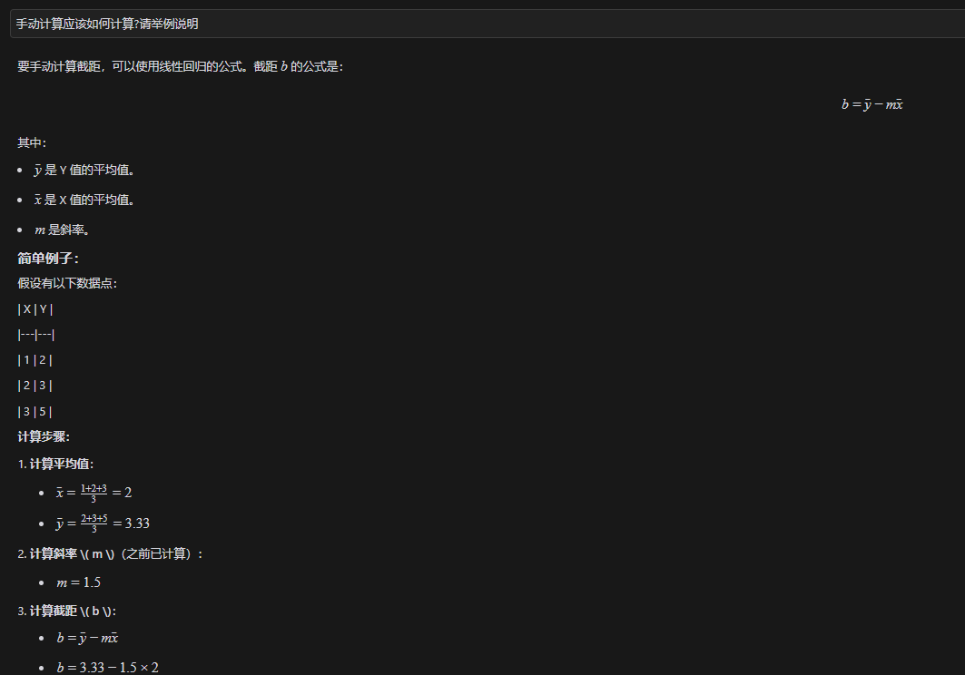
992 | 0.001201866 | 0.0012199149801 | -16.191561039
1024 | 0.001237893 | 0.0012555858683 | -15.87209668
1056 | 0.001273207 | 0.0012912567565 | -16.19225755
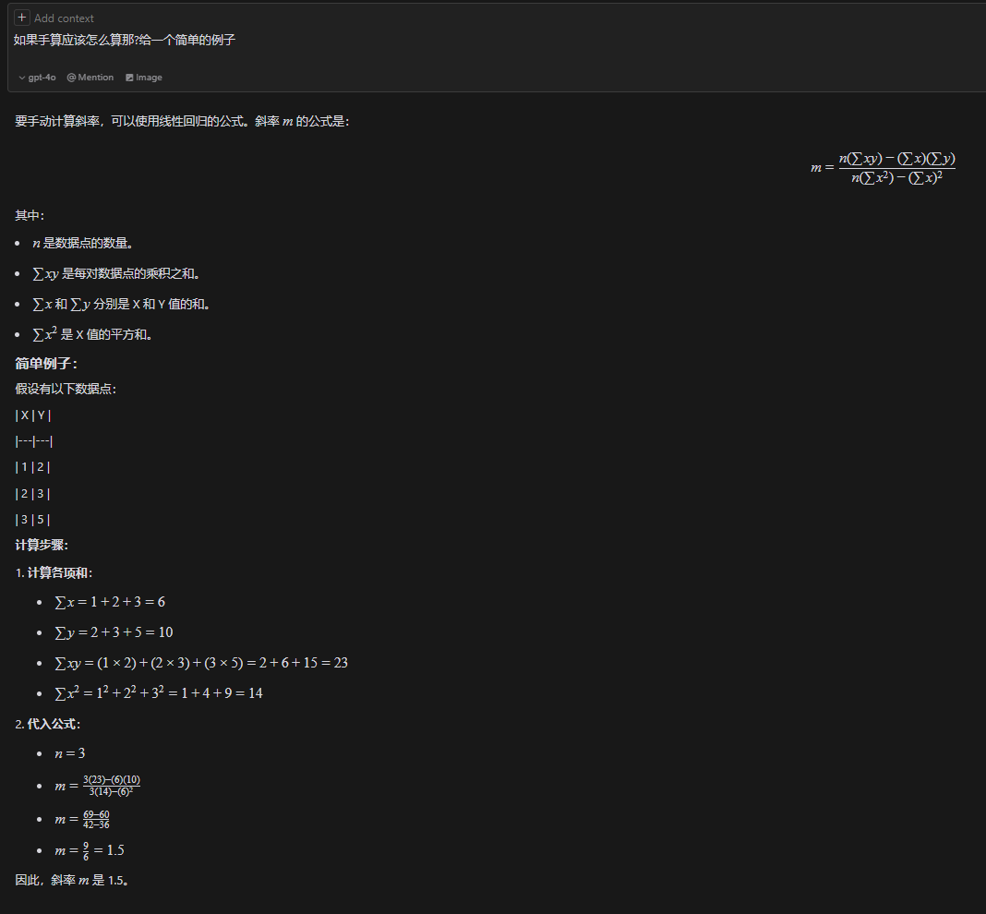
1088 | 0.001309286 | 0.0013269276447 | -15.826144507
1120 | 0.001344862 | 0.0013625985329 | -15.911267775
1152 | 0.001380406 | 0.0013982694211 | -16.025097926
1184 | 0.001416232 | 0.0014339403093 | -15.885948673
1216 | 0.001451773 | 0.0014696111976 | -16.002470094
1248 | 0.001487369 | 0.0015052820858 | -16.069651561
1280 | 0.001522632 | 0.001540952974 | -16.435564024
1312 | 0.001558229 | 0.0015766238622 | -16.501848401
1344 | 0.00159393 | 0.0016122947504 | -16.474835409
1376 | 0.001630182 | 0.0016479656386 | -15.953525782
1408 | 0.001665764 | 0.0016836365268 | -16.033266509
1440 | 0.001701068 | 0.001719307415 | -16.362398279
1472 | 0.001736669 | 0.0017549783032 | -16.425094295
1504 | 0.001772822 | 0.0017906491914 | -15.992596587
1536 | 0.00180841 | 0.0018263200796 | -16.066954774
1568 | 0.001844089 | 0.0018619909678 | -16.059677763
1600 | 0.001879865 | 0.001897661856 | -15.965383015
1632 | 0.001915443 | 0.0019333327442 | -16.048712103
1664 | 0.001950289 | 0.0019690036324 | -16.788711131
1696 | 0.001986703 | 0.0020046745206 | -16.122072911
1728 | 0.002022248 | 0.0020403454088 | -16.235005971
1760 | 0.00205776 | 0.002076016297 | -16.377543004
1792 | 0.002093044 | 0.0021116871853 | -16.724616576
1824 | 0.002128824 | 0.0021473580735 | -16.626733468
1856 | 0.002164376 | 0.0021830289617 | -16.733386898
1888 | 0.002199962 | 0.0022186998499 | -16.809539265
1920 | 0.002235461 | 0.0022543707381 | -16.963738469
1952 | 0.002271228 | 0.0022900416263 | -16.877517532
1984 | 0.002307203 | 0.0023257125145 | -16.604701858
2016 | 0.002342942 | 0.0023613834027 | -16.543599442
2048 | 0.002378778 | 0.0023970542909 | -16.395479289
2080 | 0.002414435 | 0.0024327251791 | -16.407938261
2112 | 0.002449843 | 0.0024683960673 | -16.643772663
2144 | 0.002485468 | 0.0025040669555 | -16.684938517
2176 | 0.002521138 | 0.0025397378437 | -16.685735317
2208 | 0.002557087 | 0.0025754087319 | -16.436243985
2240 | 0.002591998 | 0.0026110796201 | -17.117932157
2272 | 0.002628 | 0.0026467505083 | -16.82089505
2304 | 0.002663445 | 0.0026824213965 | -17.023537119
2336 | 0.002699162 | 0.0027180922848 | -16.982170686
2368 | 0.002735278 | 0.002753763173 | -16.58286531
2400 | 0.002770787 | 0.0027894340612 | -16.728093613
2432 | 0.002806663 | 0.0028251049494 | -16.544089857
2464 | 0.002842396 | 0.0028607758376 | -16.488369982
2496 | 0.002877902 | 0.0028964467258 | -16.636289556
2528 | 0.00291332 | 0.002932117614 | -16.863153057
2560 | 0.002949427 | 0.0029677885022 | -16.471921492
2592 | 0.002984953 | 0.0030034593904 | -16.601899264
2624 | 0.003020766 | 0.0030391302786 | -16.474412183
2656 | 0.003056136 | 0.0030748011668 | -16.744336008
2688 | 0.003092293 | 0.003110472055 | -16.308249939
2720 | 0.003127846 | 0.0031461429432 | -16.414006279
2752 | 0.003163184 | 0.0031818138314 | -16.712636986
2784 | 0.003199122 | 0.0032174847196 | -16.473013645
2816 | 0.003234343 | 0.0032531556078 | -16.876603892
2848 | 0.003270057 | 0.003288826496 | -16.837928729
2880 | 0.00330561 | 0.0033244973842 | -16.943685068
2912 | 0.003341277 | 0.0033601682725 | -16.947173139
2944 | 0.003377186 | 0.0033958391607 | -16.73356541
2976 | 0.003412942 | 0.0034315100489 | -16.657212464
3008 | 0.003448635 | 0.0034671809371 | -16.637376192
3040 | 0.003484387 | 0.0035028518253 | -16.564611606
3072 | 0.003519912 | 0.0035385227135 | -16.695486468
3104 | 0.00355563 | 0.0035741936017 | -16.653222945
3136 | 0.003591075 | 0.0036098644899 | -16.855865013
3168 | 0.003626715 | 0.0036455353781 | -16.883574516
3200 | 0.003662337 | 0.0036812062663 | -16.927431641
3232 | 0.003698289 | 0.0037168771545 | -16.675249038
3264 | 0.003733726 | 0.0037525480427 | -16.885067827
3296 | 0.003769251 | 0.0037882189309 | -17.01594269
3328 | 0.003804966 | 0.0038238898191 | -16.976370436
3360 | 0.003840652 | 0.0038595607073 | -16.962813796
3392 | 0.003876439 | 0.0038952315955 | -16.858651057
3424 | 0.003911812 | 0.0039309024837 | -17.125883611
3456 | 0.003947998 | 0.0039665733719 | -16.66378193
3488 | 0.003983308 | 0.0040022442602 | -16.987531159
3520 | 0.004019255 | 0.0040379151484 | -16.739834007
3552 | 0.004054618 | 0.0040735860366 | -17.016037463
3584 | 0.00409056 | 0.0041092569248 | -16.772825761
3616 | 0.004126067 | 0.004144927813 | -16.919848245
3648 | 0.004161764 | 0.0041805987012 | -16.896423613
3680 | 0.004197508 | 0.0042162695894 | -16.830835747
3712 | 0.004233112 | 0.0042519404776 | -16.890840493
3744 | 0.004269047 | 0.0042876113658 | -16.653908422
3776 | 0.00430489 | 0.004323282254 | -16.499508638
3808 | 0.00434053 | 0.0043589531422 | -16.527218141
3840 | 0.004375775 | 0.0043946240304 | -16.909278226
3872 | 0.004411453 | 0.0044302949186 | -16.902898306
3904 | 0.004446888 | 0.0044659658068 | -17.114511276
3936 | 0.004482596 | 0.004501636695 | -17.081218653
3968 | 0.004518545 | 0.0045373075832 | -16.831727321
4000 | 0.004554447 | 0.0045729784714 | -16.624399222
4032 | 0.004590136 | 0.0046086493596 | -16.608151311
4064 | 0.004626144 | 0.0046443202479 | -16.305731664
4096 | 0.004661442 | 0.0046799911361 | -16.640245975
4128 | 0.004697234 | 0.0047156620243 | -16.531597785
4160 | 0.004732786 | 0.0047513329125 | -16.638251215
4192 | 0.004768585 | 0.0047870038007 | -16.523323395
4224 | 0.004804695 | 0.0048226746889 | -16.12940056
4256 | 0.004840301 | 0.0048583455771 | -16.187611126
4288 | 0.004875832 | 0.0048940164653 | -16.313103447
4320 | 0.004911159 | 0.0049296873535 | -16.621602146
4352 | 0.004947104 | 0.0049653582417 | -16.375699174
4384 | 0.004982651 | 0.0050010291299 | -16.486838054
4416 | 0.005018488 | 0.0050367000181 | -16.337820811
4448 | 0.005054207 | 0.0050723709063 | -16.294660197
4480 | 0.005089599 | 0.0051080417945 | -16.54484804
4512 | 0.005125446 | 0.0051437126827 | -16.386859897
4544 | 0.005160911 | 0.0051793835709 | -16.571560164
4576 | 0.00519678 | 0.0052150544591 | -16.393836038
4608 | 0.005232912 | 0.0052507253473 | -15.980177221
4640 | 0.005268461 | 0.0052863962356 | -16.089521921
4672 | 0.005304204 | 0.0053220671238 | -16.024831146
4704 | 0.005339995 | 0.005357738012 | -15.917080046
4736 | 0.005375848 | 0.0053934089002 | -15.753709362
4768 | 0.005411512 | 0.0054290797884 | -15.759888703
4800 | 0.005447018 | 0.0054647506766 | -15.907808276
4832 | 0.005482597 | 0.0055004215648 | -15.990240274
4864 | 0.005518173 | 0.005536092453 | -16.075363542
4896 | 0.005554157 | 0.0055717633412 | -15.794474057
4928 | 0.005589485 | 0.0056074342294 | -16.102075665
4960 | 0.005625436 | 0.0056431051176 | -15.850790153
4992 | 0.005661068 | 0.0056787760058 | -15.885676377
5024 | 0.005697268 | 0.005714446894 | -15.411015434
5056 | 0.005732918 | 0.0057501177822 | -15.429754036
5088 | 0.005768599 | 0.0057857886704 | -15.420682845
5120 | 0.005804099 | 0.0058214595586 | -15.57398496
5152 | 0.00583911 | 0.0058571304468 | -16.165964124
5184 | 0.005875309 | 0.005892801335 | -15.692200271
5216 | 0.005911664 | 0.0059284722233 | -15.078490366
5248 | 0.005947503 | 0.0059641431115 | -14.927678943
5280 | 0.005982802 | 0.0059998139997 | -15.261296163
5312 | 0.006018787 | 0.0060354848879 | -14.979509588
5344 | 0.006053986 | 0.0060711557761 | -15.402835817
5376 | 0.00608996 | 0.0061068266643 | -15.130917233
5408 | 0.006125438 | 0.0061424975525 | -15.303955329
5440 | 0.006161093 | 0.0061781684407 | -15.31820848
5472 | 0.0061966 | 0.0062138393289 | -15.465230964
5504 | 0.006232303 | 0.0062495102171 | -15.436423792
5536 | 0.006268158 | 0.0062851811053 | -15.271258927
5568 | 0.006304273 | 0.0063208519935 | -14.872850641
5600 | 0.006339961 | 0.0063565228817 | -14.85749982
5632 | 0.006375913 | 0.0063921937699 | -14.605317218
5664 | 0.006411672 | 0.0064278646581 | -14.526273001
5696 | 0.006447048 | 0.0064635355463 | -14.790814285
5728 | 0.006483126 | 0.0064992064345 | -14.425598333
5760 | 0.006518943 | 0.0065348773227 | -14.294522891
5792 | 0.006554543 | 0.006570548211 | -14.358115997
5824 | 0.006590709 | 0.0066062190992 | -13.913956117
5856 | 0.006626372 | 0.0066418899874 | -13.921032548
5888 | 0.006661926 | 0.0066775608756 | -14.025891798
5920 | 0.006697114 | 0.0067132317638 | -14.459086018
5952 | 0.006733456 | 0.006748902652 | -13.857038284
5984 | 0.006769045 | 0.0067845735402 | -13.930499381
6016 | 0.006804999 | 0.0068202444284 | -13.676522598
6048 | 0.00684083 | 0.0068559153166 | -13.532887895
6080 | 0.006876742 | 0.0068915862048 | -13.316588896
6112 | 0.006912357 | 0.006927257093 | -13.366725651
6144 | 0.006948201 | 0.0069629279812 | -13.211428777
6176 | 0.006983569 | 0.0069985988694 | -13.483146782
6208 | 0.007019461 | 0.0070342697576 | -13.284789585
6240 | 0.007055104 | 0.0070699406458 | -13.309807817
6272 | 0.00709107 | 0.007105611534 | -13.045065954
6304 | 0.007127161 | 0.0071412824222 | -12.66818783
6336 | 0.007162901 | 0.0071769533105 | -12.606188325
6368 | 0.00719871 | 0.0072126241987 | -12.482289604
6400 | 0.007234083 | 0.0072482950869 | -12.749522158
6432 | 0.007269604 | 0.0072839659751 | -12.883985381
6464 | 0.007305561 | 0.0073196368633 | -12.627317328
6496 | 0.007340956 | 0.0073553077515 | -12.874813901
6528 | 0.007377235 | 0.0073909786397 | -12.329282842
6560 | 0.007412982 | 0.0074266495279 | -12.261003706
6592 | 0.007449002 | 0.0074623204161 | -11.947818978
6624 | 0.007484686 | 0.0074979913043 | -11.936056517
6656 | 0.007520292 | 0.0075336621925 | -11.994267083
6688 | 0.007555906 | 0.0075693330807 | -12.045300928
6720 | 0.007591808 | 0.0076050039689 | -11.837972829
6752 | 0.007627724 | 0.0076406748571 | -11.61808547
6784 | 0.007663604 | 0.0076763457453 | -11.430493353
6816 | 0.007699374 | 0.0077120166335 | -11.341581145
6848 | 0.007734909 | 0.0077476875217 | -11.463485107
6880 | 0.00777076 | 0.0077833584099 | -11.301908603
6912 | 0.007806391 | 0.0078190292982 | -11.337691916
6944 | 0.007842224 | 0.0078547001864 | -11.192263033
6976 | 0.007878143 | 0.0078903710746 | -10.969684404
7008 | 0.007913837 | 0.0079260419628 | -10.948951042
7040 | 0.007949809 | 0.007961712851 | -10.678826638
7072 | 0.0079855 | 0.0079973837392 | -10.660784547
7104 | 0.008021029 | 0.0080330546274 | -10.788071049
7136 | 0.008056586 | 0.0080687255156 | -10.890239028
7168 | 0.008092474 | 0.0081043964038 | -10.695470191
7200 | 0.008128153 | 0.008140067292 | -10.688193181
7232 | 0.008163922 | 0.0081757381802 | -10.600178063
7264 | 0.00819988 | 0.0082114090684 | -10.34261292
7296 | 0.008235567 | 0.0082470799566 | -10.328159189
7328 | 0.008270703 | 0.0082827508448 | -10.808002093
7360 | 0.00830686 | 0.008318421733 | -10.371916024
7392 | 0.008342689 | 0.0083540926212 | -10.230075501
7424 | 0.008378115 | 0.0083897635094 | -10.449762282
7456 | 0.008413823 | 0.0084254343976 | -10.416469659
7488 | 0.008449601 | 0.0084611052859 | -10.320380731
7520 | 0.008485465 | 0.0084967761741 | -10.147142055
7552 | 0.008521211 | 0.0085324470623 | -10.079760009
7584 | 0.008557207 | 0.0085681179505 | -9.7881054434
7616 | 0.008592493 | 0.0086037888387 | -10.133384835
7648 | 0.008628296 | 0.0086394597269 | -10.014868655
7680 | 0.008664364 | 0.0086751306151 | -9.6586236028
7712 | 0.008699773 | 0.0087108015033 | -9.8935609144
7744 | 0.008735828 | 0.0087464723915 | -9.5489780336
7776 | 0.008771715 | 0.0087821432797 | -9.3551062864
7808 | 0.00880777 | 0.0088178141679 | -9.0105234055
7840 | 0.008843516 | 0.0088534850561 | -8.9431413598
7872 | 0.008879355 | 0.0088891559443 | -8.7923299365
7904 | 0.008915511 | 0.0089248268325 | -8.3571409574
7936 | 0.008950818 | 0.0089604977207 | -8.6835814573
7968 | 0.008987019 | 0.0089961686089 | -8.2080234246
8000 | 0.009022733 | 0.0090318394971 | -8.1693482615
8032 | 0.009058406 | 0.0090675103853 | -8.1674537917
8064 | 0.009093798 | 0.0091031812736 | -8.4176416347
8096 | 0.00913007 | 0.0091388521618 | -7.8783902062
8128 | 0.009165725 | 0.00917452305 | -7.8926433578
8160 | 0.009201631 | 0.0092101939382 | -7.6817268991
8192 | 0.009237427 | 0.0092458648264 | -7.5694903493
8224 | 0.009273041 | 0.0092815357146 | -7.6205241943
8256 | 0.009308923 | 0.0093172066028 | -7.4311378975
8288 | 0.009344768 | 0.009352877491 | -7.2749439337
8320 | 0.009380446 | 0.0093885483792 | -7.2685640135
8352 | 0.009415961 | 0.0094242192674 | -7.4084097765
...

IDAC1 Calculations
LSB (A) | 1.1330747683E-06
Offset (A) | 1.0609352015E-05
Offset (LSBs) | 9.3633291565
INL vs Code for IDAC1
Code | Current | Ideal Current | INL (LSBs)
0 | 2.4502E-06 | 1.0609352015E-05 | -7.2008946302
32 | 2.01043E-05 | 4.6867744602E-05 | -23.620192903
64 | 5.52721E-05 | 8.3126137189E-05 | -24.582700072
96 | 0.000091156 | 0.00011938452978 | -24.913210112
128 | 0.000127603 | 0.00015564292236 | -24.74675383
160 | 0.000163662 | 0.00019190131495 | -24.922728613
192 | 0.000199898 | 0.00022815970754 | -24.942491287
224 | 0.000236215 | 0.00026441810012 | -24.890767063
256 | 0.00027243 | 0.00030067649271 | -24.929063377
288 | 0.000308479 | 0.0003369348853 | -25.113863704
320 | 0.00034448 | 0.00037319327789 | -25.341026636
352 | 0.000380789 | 0.00040945167047 | -25.296362847
384 | 0.000417154 | 0.00044571006306 | -25.202276017
416 | 0.000453496 | 0.00048196845565 | -25.128487936
448 | 0.000490044 | 0.00051822684823 | -24.87289367
480 | 0.000526242 | 0.00055448524082 | -24.926193407
512 | 0.000562434 | 0.00059074363341 | -24.98478847
544 | 0.000598518 | 0.00062700202599 | -25.138699396
576 | 0.000634454 | 0.00066326041858 | -25.423228357
608 | 0.000670699 | 0.00069951881117 | -25.435048043
640 | 0.000706633 | 0.00073577720376 | -25.721342112
672 | 0.000743179 | 0.00077203559634 | -25.467512956
704 | 0.000780267 | 0.00080829398893 | -24.735339373
736 | 0.000816238 | 0.00084455238152 | -24.988978934
...

IDAC2 Calculations
LSB (A) | 1.14317185E-06
Offset (A) | -0.00014704011653
Offset (LSBs) | -128.62468275
INL vs Code for IDAC2
Code | Current | Ideal Current | INL (LSBs)
0 | 2.46297E-06 | -0.00014704011653 | 130.77918822
32 | 1.74472E-09 | -0.00011045861733 | 96.62620896
64 | 3.18436E-09 | -7.3877118133E-05 | 64.627468298
96 | 7.29996E-09 | -3.7295618934E-05 | 32.631068457
128 | 4.99499E-08 | -7.1411973493E-07 | 0.66837688048
160 | 2.51935E-05 | 3.5867379464E-05 | -9.337073393
192 | 6.12458E-05 | 7.2448878663E-05 | -9.7999952177
224 | 9.76615E-05 | 0.00010903037786 | -9.9450295788
256 | 0.000133879 | 0.00014561187706 | -10.263441197
288 | 0.000169686 | 0.00018219337626 | -10.940941434
320 | 0.000206282 | 0.00021877487546 | -10.928256726
352 | 0.000242621 | 0.00025535637466 | -11.140385111
384 | 0.000279101 | 0.00029193787386 | -11.229172461
416 | 0.000315715 | 0.00032851937305 | -11.200742089
448 | 0.000352139 | 0.00036510087225 | -11.338515949
480 | 0.000388501 | 0.00040168237145 | -11.530524875
512 | 0.000424892 | 0.00043826387065 | -11.697165786
544 | 0.000461341 | 0.00047484536985 | -11.813070668
576 | 0.000497592 | 0.00051142686905 | -12.102177856
608 | 0.000534267 | 0.00054800836825 | -12.020387178
640 | 0.000570902 | 0.00058458986745 | -11.973586864
672 | 0.000606908 | 0.00062117136664 | -12.477010036
704 | 0.000643655 | 0.00065775286584 | -12.332236701
736 | 0.000680217 | 0.00069433436504 | -12.349293803
...

IDAC3 Calculations
LSB (A) | 1.1307100141E-06
Offset (A) | 0.00016899412143
Offset (LSBs) | 149.45841048
INL vs Code for IDAC3
Code | Current | Ideal Current | INL (LSBs)
0 | 2.48827E-06 | 0.00016899412143 | -147.25778436
32 | 0.000174194 | 0.00020517684188 | -27.4012271
64 | 0.000209913 | 0.00024135956233 | -27.811341494
96 | 0.000246175 | 0.00027754228279 | -27.741226657
128 | 0.000282557 | 0.00031372500324 | -27.564983814
160 | 0.000318701 | 0.00034990772369 | -27.599228183
192 | 0.000354771 | 0.00038609044414 | -27.698918157
224 | 0.000391276 | 0.00042227316459 | -27.413894107
256 | 0.000427106 | 0.00045845588505 | -27.725840095
288 | 0.000463494 | 0.0004946386055 | -27.544290851
320 | 0.00049972 | 0.00053082132595 | -27.506014416
352 | 0.000535619 | 0.0005670040464 | -27.7569368
384 | 0.000572257 | 0.00060318676685 | -27.354287542
416 | 0.000608838 | 0.00063936948731 | -27.002049087
448 | 0.000645063 | 0.00067555220776 | -26.964657053
480 | 0.000680847 | 0.00071173492821 | -27.317285443
512 | 0.000717058 | 0.00074791764866 | -27.292275009
544 | 0.000753597 | 0.00078410036911 | -26.977181357
576 | 0.000789932 | 0.00082028308956 | -26.842505316
608 | 0.000826058 | 0.00085646581002 | -26.892668887
640 | 0.000862331 | 0.00089264853047 | -26.81282565
672 | 0.000898569 | 0.00092883125092 | -26.763936414
704 | 0.000934621 | 0.00096501397137 | -26.879545589
736 | 0.000970588 | 0.0010011966918 | -27.070328769
...

IDAC4 Calculations
LSB (A) | 1.1344917158E-06
Offset (A) | -4.0982918002E-05
Offset (LSBs) | -36.124475332
INL vs Code for IDAC4
Code | Current | Ideal Current | INL (LSBs)
0 | 2.50326E-06 | -4.0982918002E-05 | 38.330978883
32 | 2.64768E-08 | -4.679183096E-06 | 4.1478133603
64 | 1.99744E-05 | 3.162455181E-05 | -10.269049696
96 | 5.58038E-05 | 6.7928286715E-05 | -10.687153151
128 | 9.16821E-05 | 0.00010423202162 | -11.062153602
160 | 0.000127571 | 0.00014053575653 | -11.427810662
192 | 0.000163589 | 0.00017683949143 | -11.679672268
224 | 0.000199659 | 0.00021314322634 | -11.88569837
256 | 0.000235681 | 0.00024944696124 | -12.134034168
288 | 0.000271919 | 0.00028575069615 | -12.191976332
320 | 0.000308262 | 0.00032205443105 | -12.157366036
352 | 0.000344214 | 0.00035835816596 | -12.467403475
384 | 0.000380535 | 0.00039466190087 | -12.452185123
416 | 0.000416394 | 0.00043096563577 | -12.844197598
448 | 0.000453079 | 0.00046726937068 | -12.508130715
480 | 0.000488763 | 0.00050357310558 | -13.054397291
512 | 0.000525233 | 0.00053987684049 | -12.90784259
544 | 0.000561517 | 0.00057618057539 | -12.925237962
576 | 0.000597386 | 0.0006124843103 | -13.308435917
608 | 0.000633805 | 0.0006487880452 | -13.206835268
640 | 0.000670349 | 0.00068509178011 | -12.995053119
672 | 0.000706482 | 0.00072139551502 | -13.145547744
704 | 0.000742224 | 0.00075769924992 | -13.640690104
736 | 0.000778782 | 0.00079400298483 | -13.416567626
...

IDAC5 Calculations
LSB (A) | 1.1270754463E-06
Offset (A) | 4.4454472395E-08
Offset (LSBs) | 0.039442321756
INL vs Code for IDAC5
Code | Current | Ideal Current | INL (LSBs)
0 | 2.46635E-06 | 4.4454472395E-08 | 2.1488317713
32 | 0.000003176 | 3.6110868753E-05 | -29.221529812
64 | 3.70204E-05 | 7.2177283033E-05 | -31.193016536
96 | 7.27192E-05 | 0.00010824369731 | -31.51918306
128 | 0.000109056 | 0.00014431011159 | -31.279282776
160 | 0.000145028 | 0.00018037652587 | -31.363052039
192 | 0.000180867 | 0.00021644294015 | -31.564825825
224 | 0.000217267 | 0.00025250935443 | -31.268851212
256 | 0.000253211 | 0.00028857576871 | -31.377463533
288 | 0.000289093 | 0.00032464218299 | -31.541085481
320 | 0.000325065 | 0.00036070859727 | -31.624854744
352 | 0.000361467 | 0.00039677501155 | -31.327105627
384 | 0.000397783 | 0.00043284142583 | -31.105660185
416 | 0.000433912 | 0.00046890784011 | -31.050130877
448 | 0.000469701 | 0.00050497425439 | -31.296267265
480 | 0.000505732 | 0.00054104066867 | -31.327688658
512 | 0.000542071 | 0.00057710708295 | -31.085836419
544 | 0.000577433 | 0.00061317349723 | -31.710829433
576 | 0.000613559 | 0.00064923991151 | -31.657961881
608 | 0.000649888 | 0.00068530632579 | -31.424982163
640 | 0.000686305 | 0.00072137274008 | -31.113924264
672 | 0.000722029 | 0.00075743915436 | -31.417732036
704 | 0.000758201 | 0.00079350556864 | -31.32405089
736 | 0.000794312 | 0.00082957198292 | -31.284492119
...

IDAC6 Calculations
LSB (A) | 1.1355117592E-06
Offset (A) | 7.1211093805E-05
Offset (LSBs) | 62.712775301
INL vs Code for IDAC6
Code | Current | Ideal Current | INL (LSBs)
0 | 1.75866E-06 | 7.1211093805E-05 | -61.163993454
32 | 7.99851E-05 | 0.0001075474701 | -24.273082049
64 | 0.000116837 | 0.00014388384639 | -23.819080845
96 | 0.000153316 | 0.00018022022269 | -23.693477825
128 | 0.000189475 | 0.00021655659898 | -23.849686065
160 | 0.000226032 | 0.00025289297527 | -23.65539155
192 | 0.000262517 | 0.00028922935157 | -23.524504569
224 | 0.000298737 | 0.00032556572786 | -23.626992537
256 | 0.00033499 | 0.00036190210415 | -23.70041872
288 | 0.00037119 | 0.00039823848045 | -23.820519892
320 | 0.000408254 | 0.00043457485674 | -23.179730662
352 | 0.000444369 | 0.00047091123303 | -23.374687951
384 | 0.000481161 | 0.00050724760933 | -22.973438291
416 | 0.00051747 | 0.00054358398562 | -22.997547503
448 | 0.000553655 | 0.00057992036192 | -23.130858579
480 | 0.000590042 | 0.00061625673821 | -23.086276296
512 | 0.000626625 | 0.0006525931145 | -22.869084616
544 | 0.000662975 | 0.0006889294908 | -22.85708676
576 | 0.000699026 | 0.00072526586709 | -23.108406301
608 | 0.000736084 | 0.00076160224338 | -22.472901031
640 | 0.000772423 | 0.00079793861968 | -22.470590438
672 | 0.000808784 | 0.00083427499597 | -22.44890532
704 | 0.000845497 | 0.00087061137226 | -22.117227816
736 | 0.000881856 | 0.00090694774856 | -22.097304018
...

IDAC7 Calculations
LSB (A) | 1.1315918438E-06
Offset (A) | -5.3780028059E-05
Offset (LSBs) | -47.525994779
INL vs Code for IDAC7
Code | Current | Ideal Current | INL (LSBs)
0 | 1.70861E-06 | -5.3780028059E-05 | 49.03591199
32 | 6.30729E-09 | -1.7569089059E-05 | 15.5315686
64 | 1.0813E-07 | 1.8641849942E-05 | -16.378449565
96 | 0.000028124 | 5.4852788942E-05 | -23.620521029
128 | 6.36577E-05 | 9.1063727942E-05 | -24.219004488
160 | 9.97537E-05 | 0.00012727466694 | -24.32057733
192 | 0.000135734 | 0.00016348560594 | -24.52439552
224 | 0.00017164 | 0.00019969654494 | -24.793873425
256 | 0.000207784 | 0.00023590748394 | -24.853028147
288 | 0.000244134 | 0.00027211842294 | -24.730138431
320 | 0.000280603 | 0.00030832936194 | -24.502087124
352 | 0.00031683 | 0.00034454030094 | -24.487893844
384 | 0.000353116 | 0.00038075123995 | -24.421561624
416 | 0.000389324 | 0.00041696217895 | -24.42415885
448 | 0.000425877 | 0.00045317311795 | -24.12187583
480 | 0.000462149 | 0.00048938405695 | -24.067915562
512 | 0.00049885 | 0.00052559499595 | -23.634843335
544 | 0.000534885 | 0.00056180593495 | -23.79032254
576 | 0.000571121 | 0.00059801687395 | -23.768175863
608 | 0.000607126 | 0.00063422781295 | -23.950166393
640 | 0.000643748 | 0.00067043875195 | -23.586907324
672 | 0.000679842 | 0.00070664969095 | -23.690247589
704 | 0.000716278 | 0.00074286062995 | -23.49135874
736 | 0.000752698 | 0.00077907156895 | -23.306609264
...

