Shape Codes
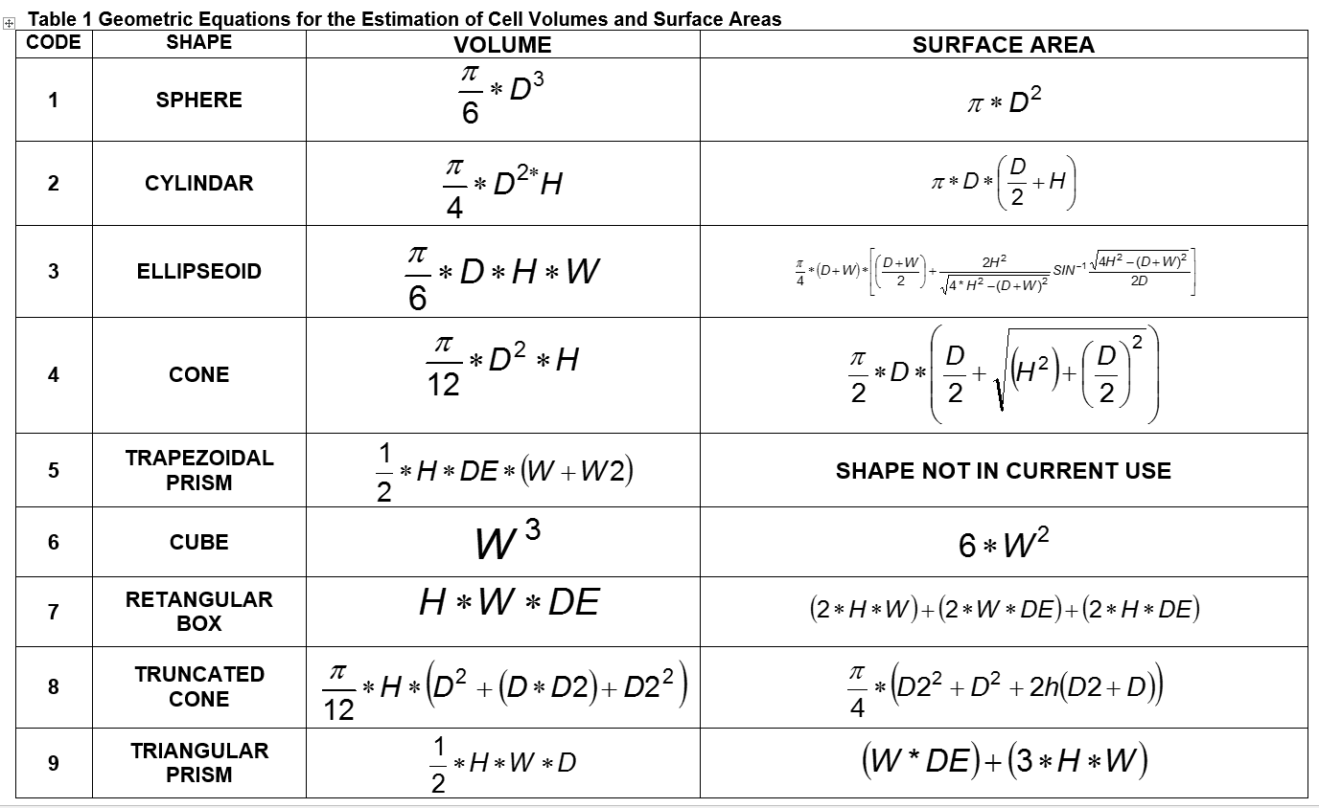

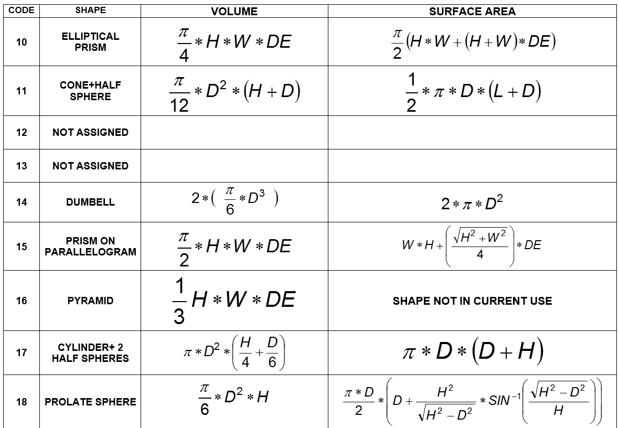

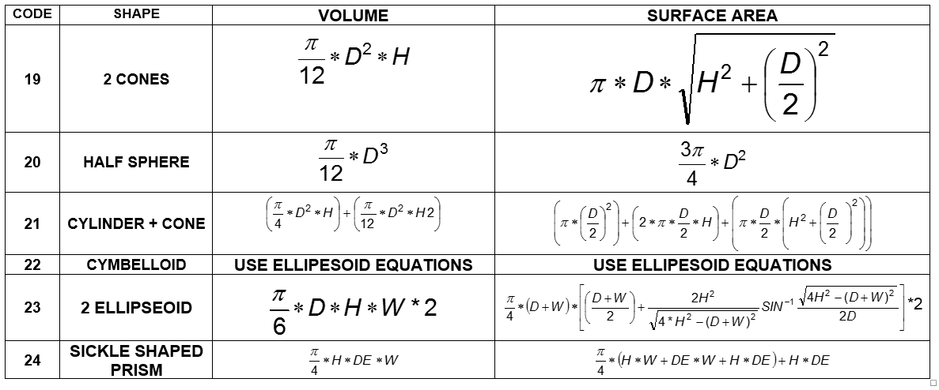

graph
Comparison of New vs Old Taxa Biomass Estimates
43.94 | 43.94
43.94 | 43.94
52.5 | 52.5
59.67 | 59.67
52.5 | 52.5
63.8 | 52.5
126 | 126
91.66 | 44.22
85 | 85
78.01 | 23.05
241.14 | 44.22
41.67 | 12.24
153.99 | 153.99
37.63 | 11.11
73.9 | 20.71
29.25 | 41.55
31.16 | 44.27
76.55 | 76.55
42.76 | 60.75
1048.16 | 326.4
1661.77 | 2002.95
685.17 | 685.17
3320.75 | 3320.74
484.4 | 8331.5
484.4 | 8331.5
6.02 | 3.44
14.04 | 14.72
54.4 | 31.06
1578.02 | 2342
760.32 | 546.75
315.24 | 204.92
143 | 74
249.31 | 139.5
249.31 | 139.5
796 | 436.74
162.27 | 178
281.07 | 154.21
72.86 | 446.54
311.4 | 311.4
99.77 | 99.77
162.27 | 733.57
244.99 | 134.42
127.5 | 127.5
209 | 209
341.71 | 187.49
733 | 733
340.43 | 186.78
244.99 | 134.42
244.99 | 134.42
531.74 | 291.75
...

