Shape Codes
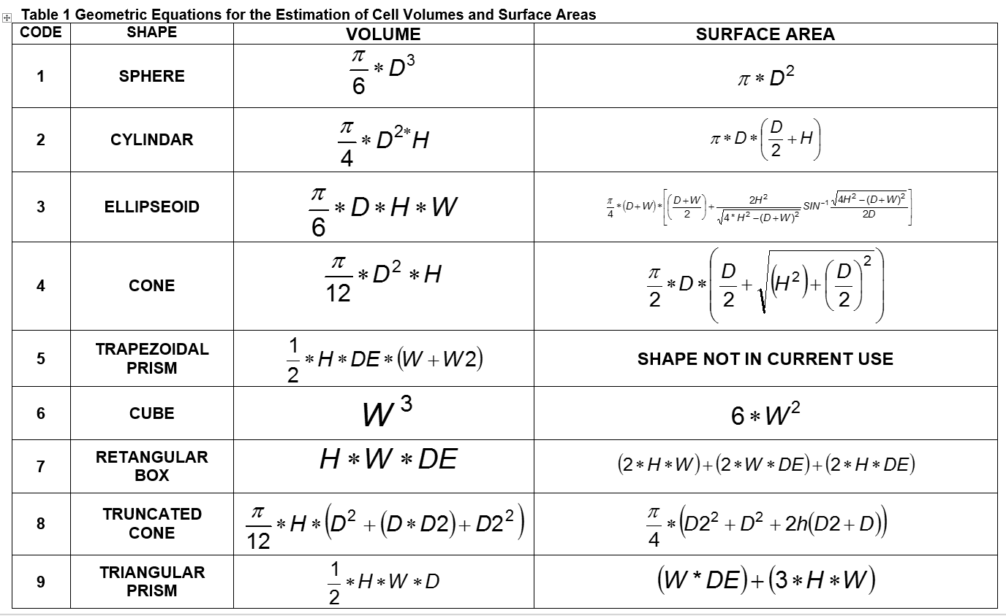

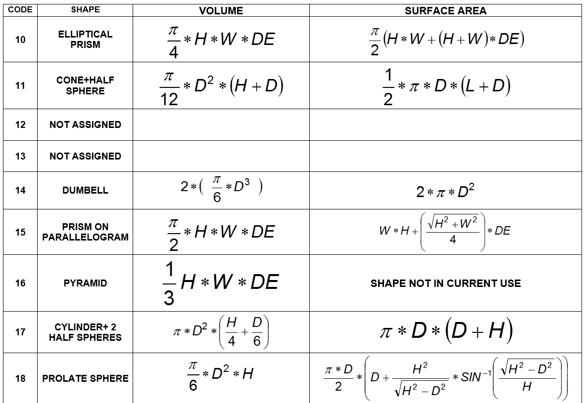

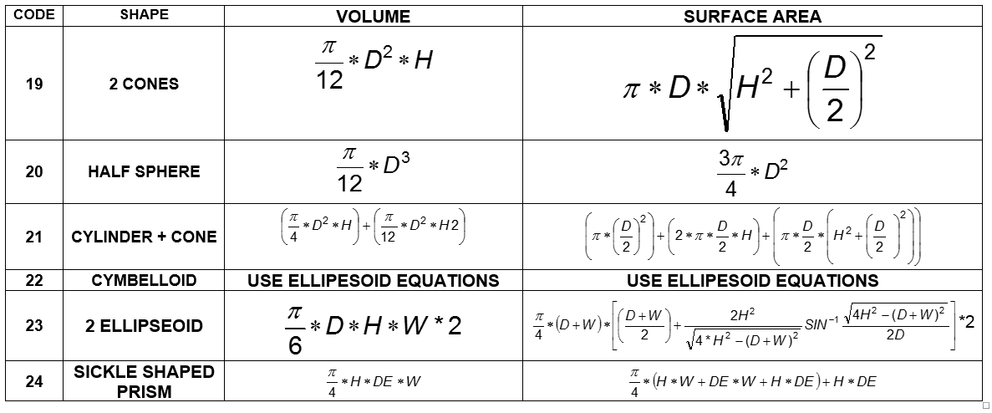

graph
Comparison of New vs Old Taxa Biomass Estimates
43.94 | 43.94
52.5 | 52.5
59.67 | 59.67
52.5 | 52.5
85 | 85
76.55 | 76.55
311.4 | 311.4
99.77 | 99.77
127.5 | 127.5
209 | 209
733 | 733
733 | 733
1057 | 1057
307.3 | 307.3
399.9 | 399.9
789.3 | 789.3
5489.36 | 5489.36
17407 | 17407
666.6 | 666.6
1984.1 | 1984.1
6333 | 6333
393.1 | 393.1
3200.6 | 3200.6
748 | 748
5346.2 | 5346.2
269.7 | 269.7
7229.6 | 7229.6
7853.4 | 7853.4
1441.9 | 1441.9
808.5 | 808.5
52665 | 52665
275.6 | 275.6
1080.7 | 1080.7
1032 | 1032
230.3 | 230.3
153.8 | 153.8
43.57 | 43.57
16.6 | 16.6
35.04 | 35.04
3.44 | 3.44
155.12 | 155.12
94.68 | 94.68
26.2 | 26.2
31.1 | 31.1
30.6 | 30.6
42.1 | 42.1
100.5 | 100.5
5.18 | 5.18
0.06 | 0.06
10.44 | 10.44
...

