Revenue_by_Month
Month | Total_Revenue
2024-09 | ₹43,065,425.00
2024-10 | ₹32,346,078.00
Revenue Distribution

Top10_Products
product | units_sold | avg_price | total_revenue
Apple AirPods Pro (2nd generation) with MagSafe Case (USB-C) Bluetooth (White, True Wireless) | 244 | ₹18,999.00 | 4635756
Sony HT-S20R Real 5.1ch Dolby Digital Soundbar for TV with subwoofer and Compact Rear Speakers, 5.1ch Home Theatre System (400W,Bluetooth | 130 | ₹17,500.00 | 2275000
Sony HT-S40R Real 5.1ch Dolby Audio Soundbar for TV with Subwoofer | 55 | ₹26,190.00 | 1440450
SONY HT-S20R 5.1ch Home Theatre with Dolby Digital, Subwoofer, Rear Speakers, 400 W Bluetooth Soundbar (Black, 5.1 Channel) | 81 | ₹17,290.00 | 1400490
Sony WH-1000XM5 Best Active Noise Cancelling Wireless Bluetooth Over Ear Headphones with Mic for Clear Calling, up to 40 Hours Battery -Black | 35 | ₹31,490.00 | 1102150
Top 10 Products
ZEBRONICS Juke BAR 9900, 725 Watts, Karaoke UHF Mic, Dolby Atmos, DTS X, 7.2.2 (5.2.4) Surround Soundbar with Dual Wireless Subwoofer | 38 | ₹28,999.00 | 1101962
Sony WH-1000XM4 Industry Leading Wireless Noise Cancellation Bluetooth Over Ear Headphones with Mic for Phone Calls, 30 Hours Battery Life, Quick Charge, AUX, Touch Control and Voice Control - Black | 48 | ₹22,775.00 | 1093200
Sony WH-CH720N Noise Cancellation Wireless Bluetooth Over Ear Headphones with Mic, Up to 50Hrs Battery- Black | 101 | ₹9,199.00 | 929099
Apple AirPods(2nd gen) with Charging Case Bluetooth Headset with Mic (White, True Wireless) | 107 | ₹7,999.00 | 855893
Marshall Emberton II Compact Portable Bluetooth Speaker with 30 Hours of Playtime, (360° Sound), Dust | 50 | ₹14,999.00 | 749950

Dashboard
Buyhatke Audio Data — Business Analysis Report

Total Revenue ₹75,411,503.00 | Top Product Apple AirPods Pro (2nd generation) with MagSafe Case (USB-C)

Revenue Growth (MoM) -24.89% | Average Price ₹3,572.65

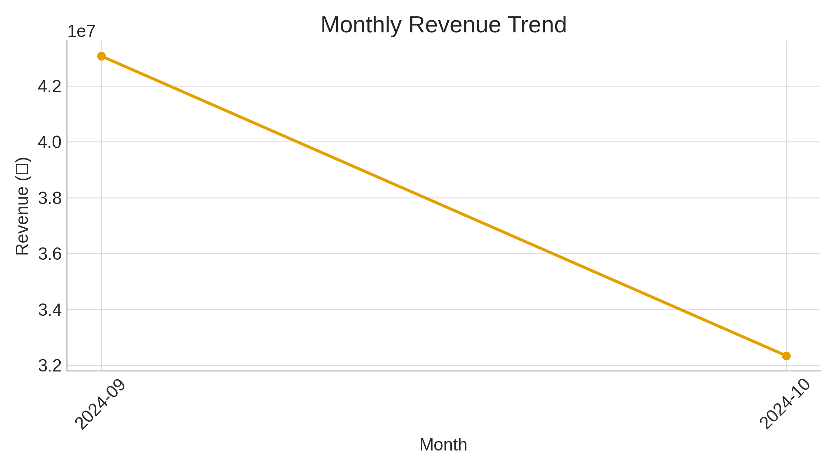

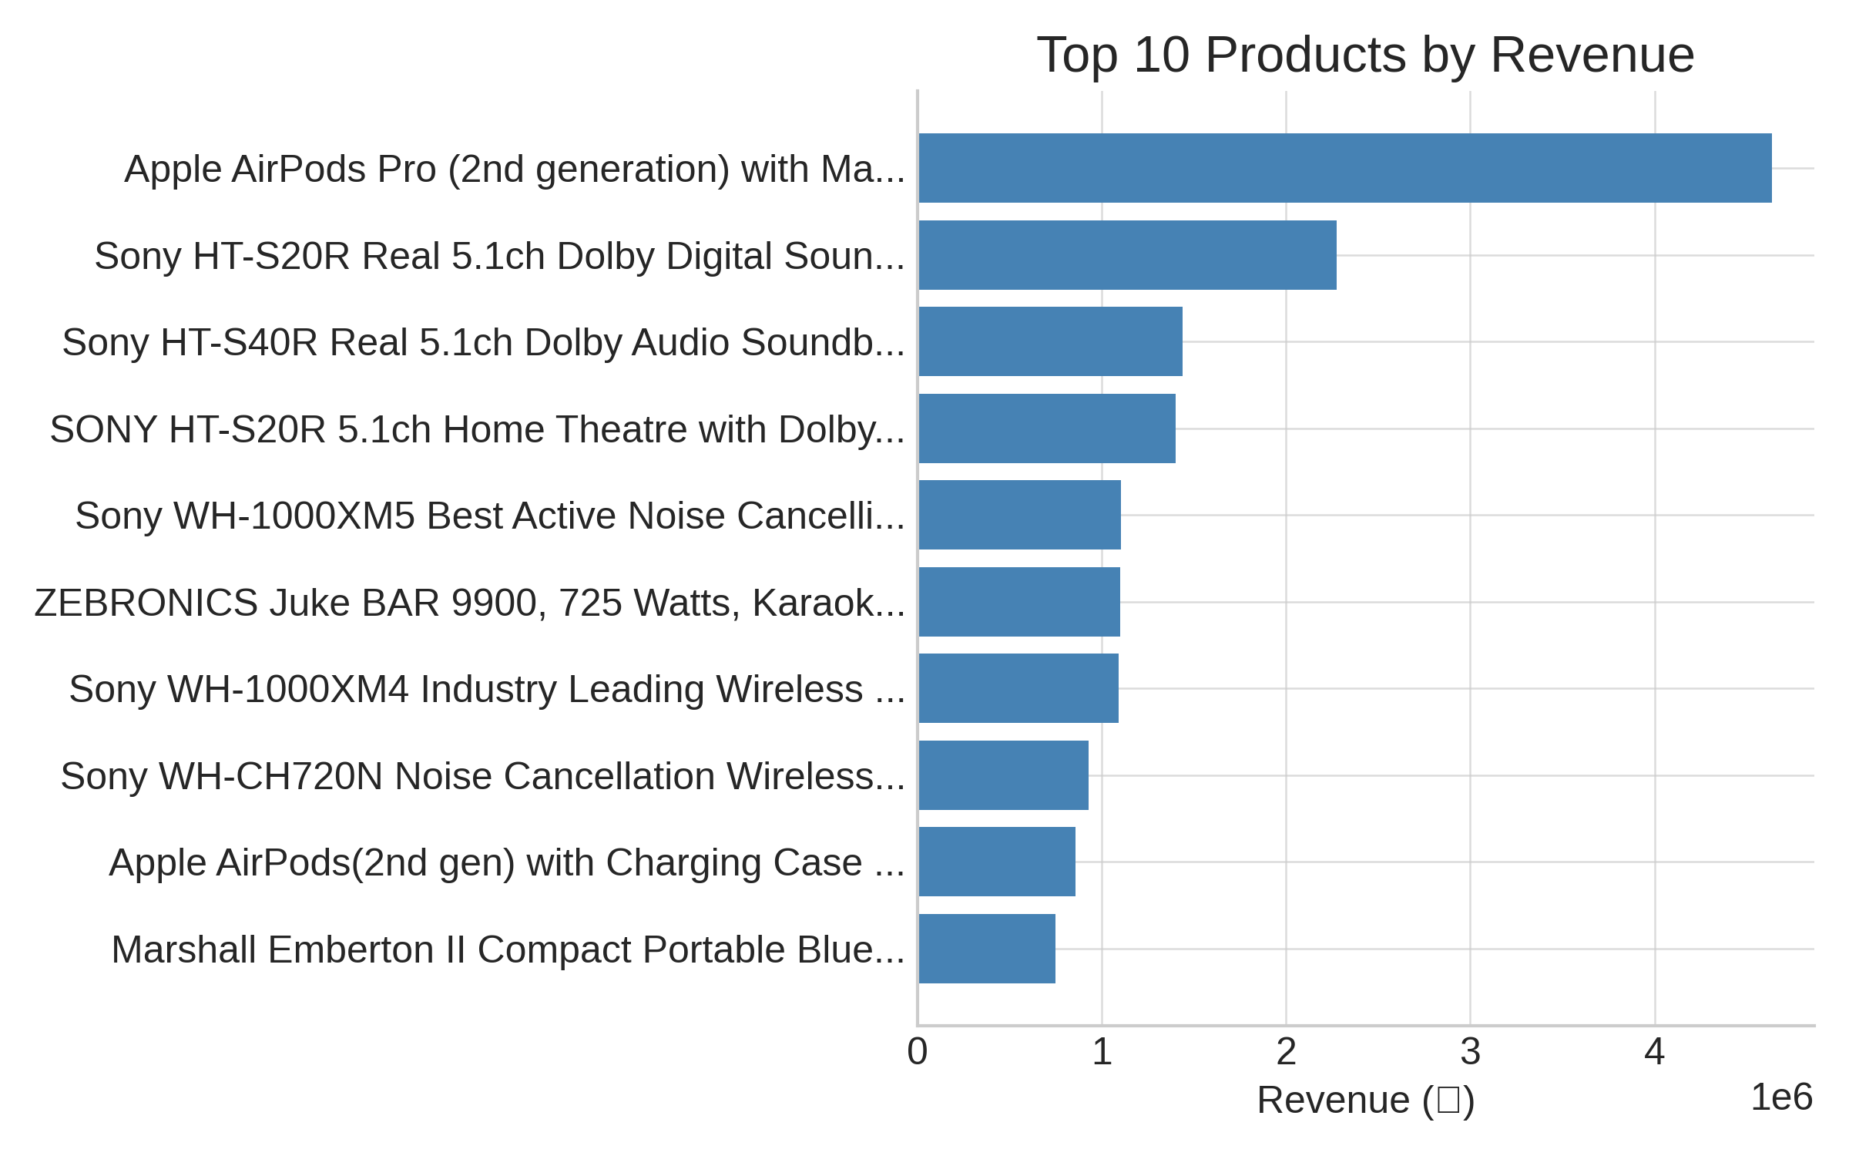

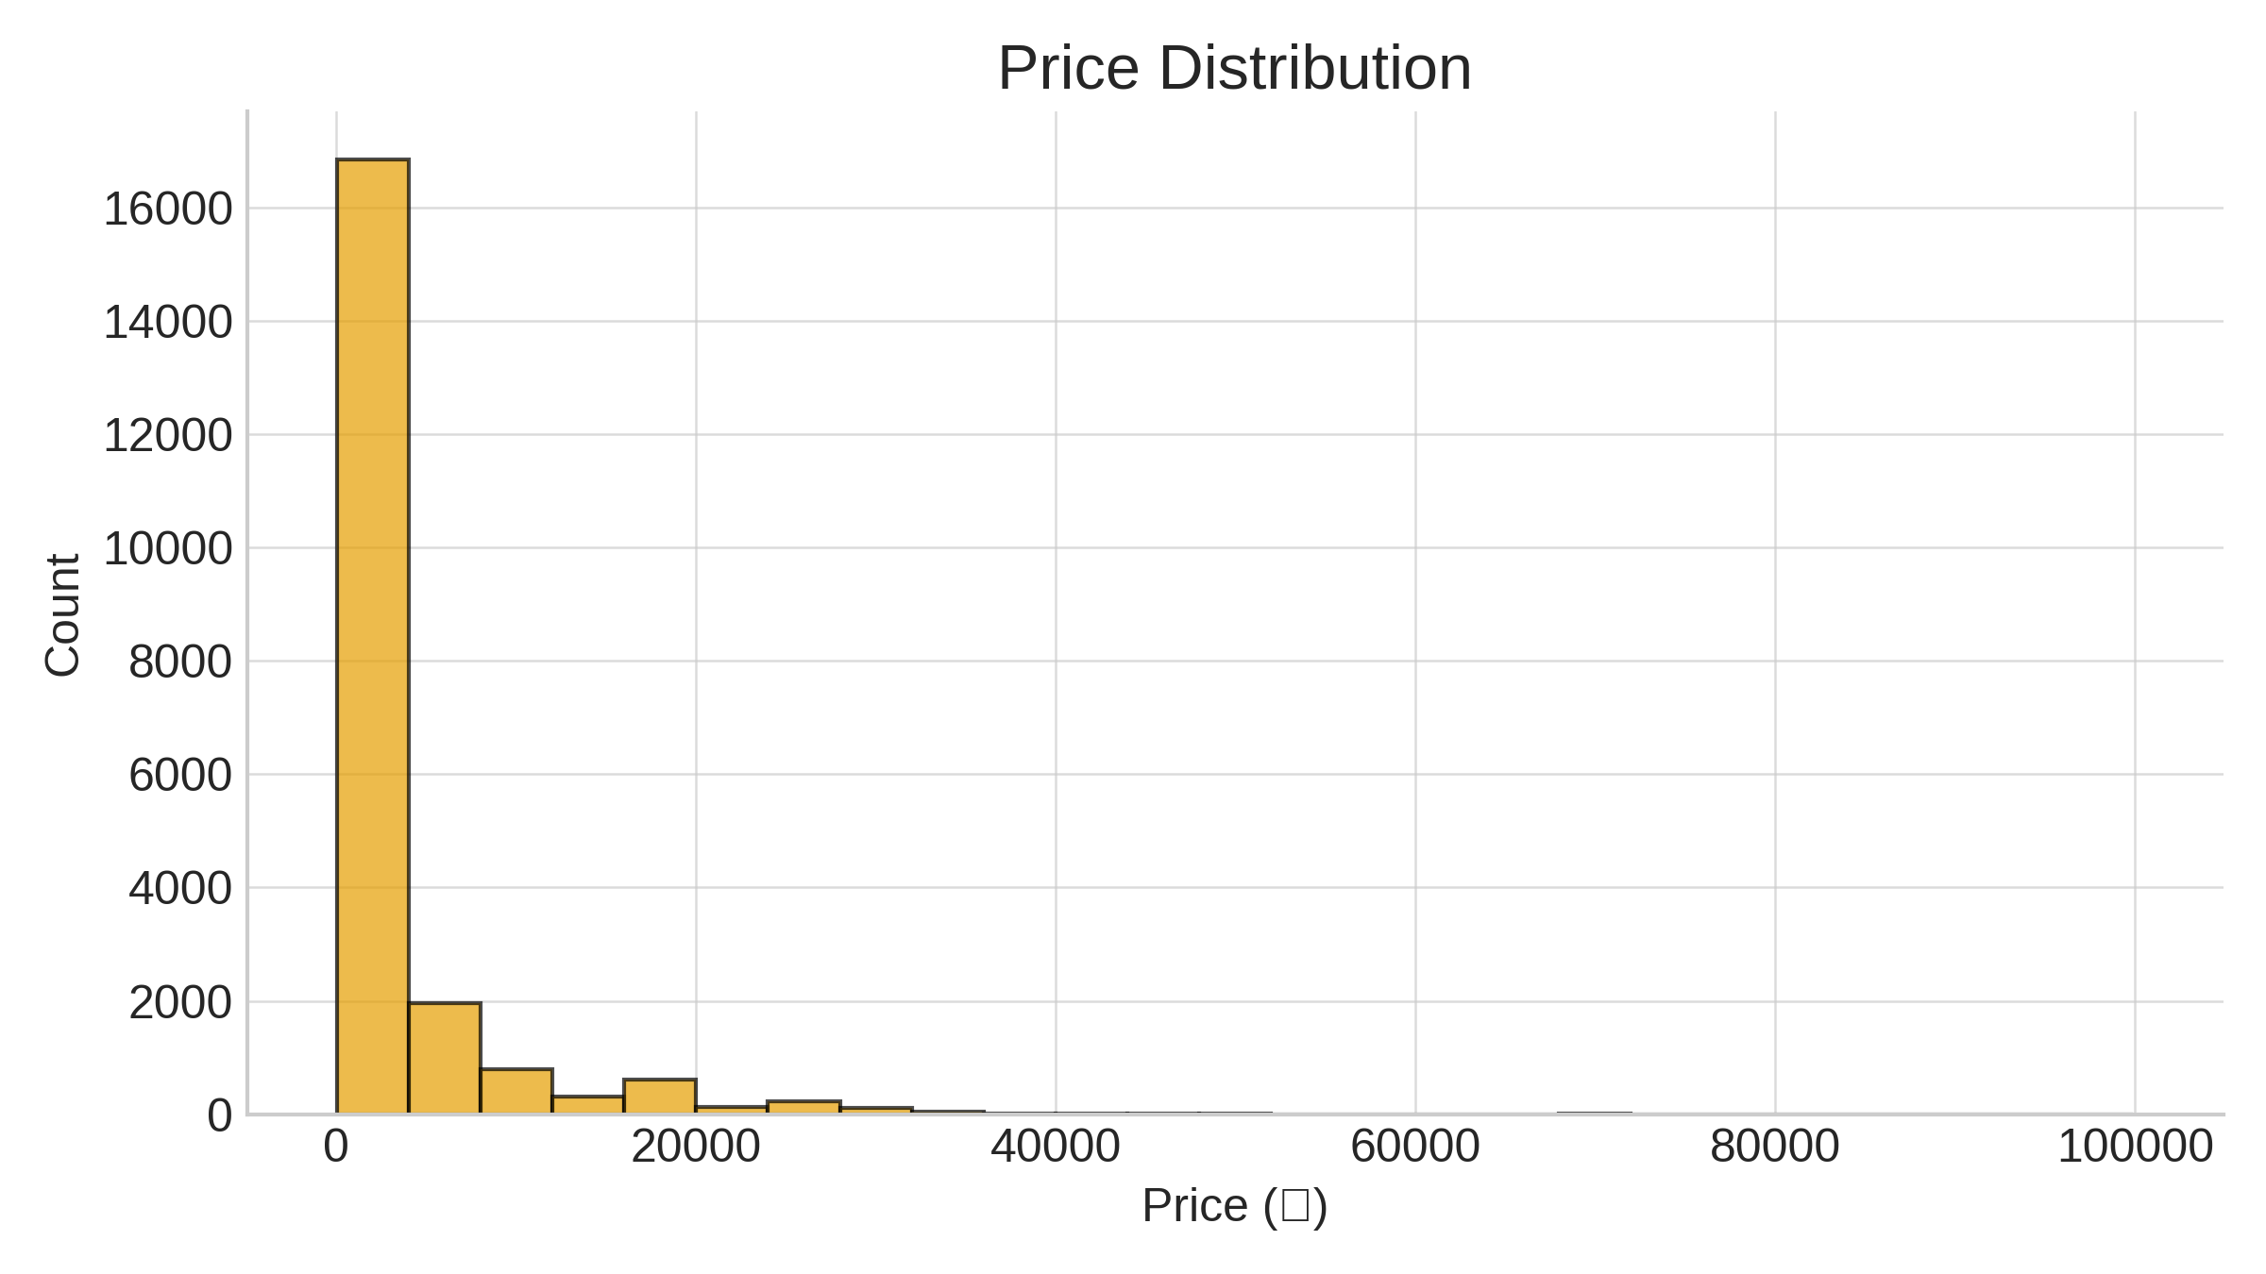

Revenue Distribution
 | Total_Revenue
2024-09 | ₹43,065,425.00
2024-10 | ₹32,346,078.00

