工作表2
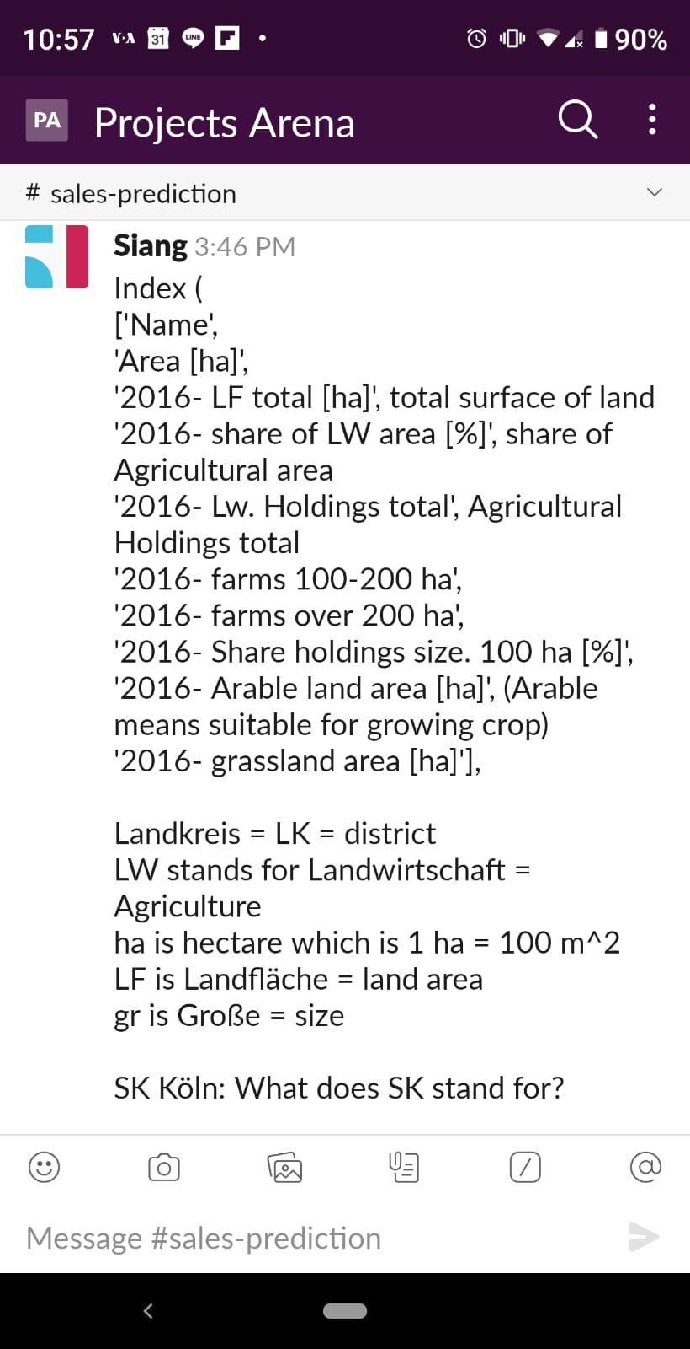

https://www.youtube.com/watch?v=W44q6qszdqY

