Bài 1
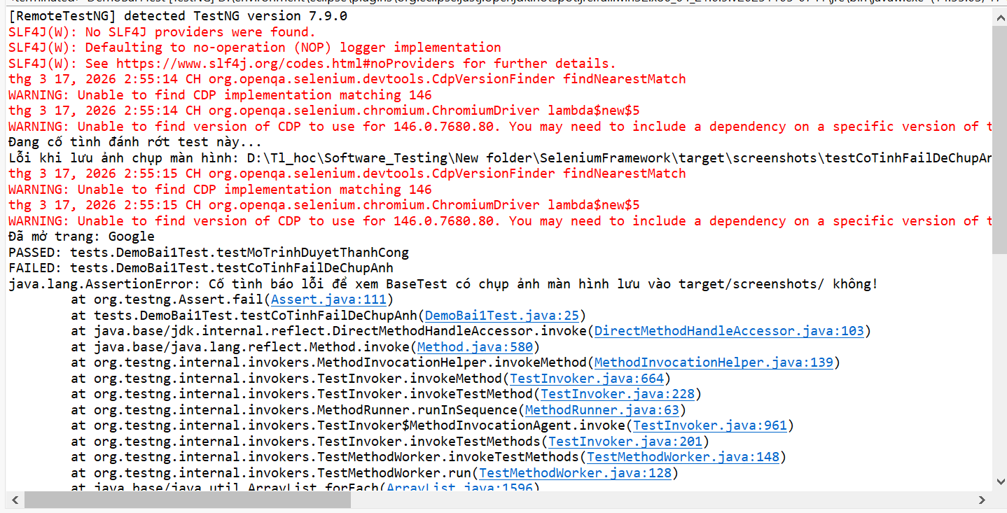
BasePage | BaseTest

package framework.base; | package framework.base;

import org.openqa.selenium.*; | import java.io.File;
import org.openqa.selenium.support.PageFactory; | import java.io.IOException;
import org.openqa.selenium.support.ui.ExpectedConditions; | import java.text.SimpleDateFormat;
import org.openqa.selenium.support.ui.WebDriverWait; | import java.time.Duration;
import java.time.Duration; | import java.util.Date;

public abstract class BasePage { | import org.openqa.selenium.OutputType;
protected WebDriver driver; | import org.openqa.selenium.TakesScreenshot;
protected WebDriverWait wait; | import org.openqa.selenium.WebDriver;
 | import org.openqa.selenium.chrome.ChromeDriver;
public BasePage(WebDriver driver) { | import org.openqa.selenium.edge.EdgeDriver;
this.driver = driver; | import org.openqa.selenium.io.FileHandler;
// Explicit wait 15 giây - KHÔNG dùng Thread.sleep() | import org.testng.ITestResult;
this.wait = new WebDriverWait(driver, Duration.ofSeconds(15)); | import org.testng.annotations.*;
PageFactory.initElements(driver, this);
} | import io.github.bonigarcia.wdm.WebDriverManager;
protected void waitAndClick(WebElement element) {
wait.until(ExpectedConditions.elementToBeClickable(element)).click(); | public abstract class BaseTest {
} | // Dùng ThreadLocal để hỗ trợ chạy song song an toàn, không dùng static biến thường
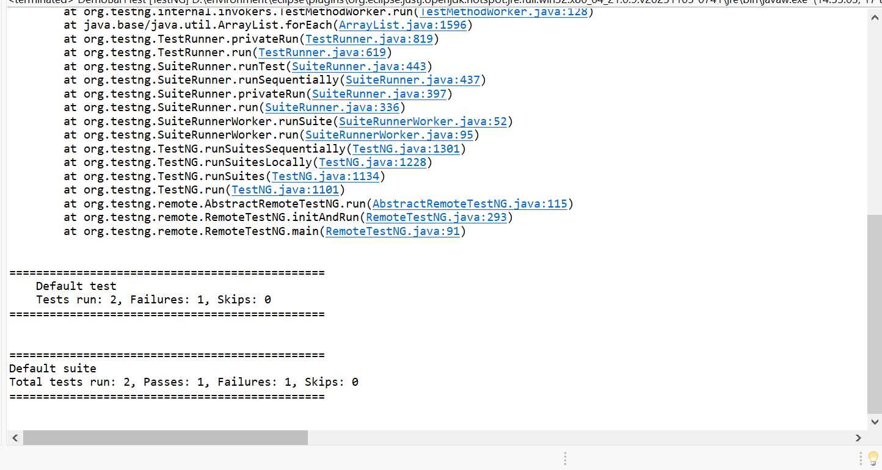
protected void waitAndType(WebElement element, String text) { | private static ThreadLocal<WebDriver> tlDriver = new ThreadLocal<>();
wait.until(ExpectedConditions.visibilityOf(element));
element.clear(); | protected WebDriver getDriver() {
element.sendKeys(text); | return tlDriver.get();
} | }
protected String getText(WebElement element) {
return wait.until(ExpectedConditions.visibilityOf(element)).getText().trim(); | // Nhận 2 tham số browser và env từ file testng.xml, có giá trị mặc định bằng @Optional
} | @Parameters({"browser", "env"})
protected boolean isElementVisible(By locator) { | @BeforeMethod(alwaysRun = true)
try { | public void setUp(@Optional("chrome") String browser, @Optional("dev") String env) {
return driver.findElement(locator).isDisplayed(); | System.setProperty("env", env);
} catch (NoSuchElementException | StaleElementReferenceException e) {
return false; | WebDriver driver;
} | if (browser.equalsIgnoreCase("edge")) {
} | WebDriverManager.edgedriver().setup();
protected void scrollToElement(WebElement element) { | driver = new EdgeDriver();
((JavascriptExecutor) driver).executeScript("arguments[0].scrollIntoView(true);", element); | } else {
} | WebDriverManager.chromedriver().setup();
protected void waitForPageLoad() { | driver = new ChromeDriver();
wait.until(d -> ((JavascriptExecutor) d) | }
.executeScript("return document.readyState").equals("complete"));
} | driver.manage().window().maximize();
protected String getAttribute(WebElement element, String attr) { | driver.manage().timeouts().implicitlyWait(Duration.ofSeconds(5));
return wait.until(ExpectedConditions.visibilityOf(element)).getAttribute(attr);
} | tlDriver.set(driver);
} | }

 | @AfterMethod(alwaysRun = true)
 | public void tearDown(ITestResult result) {
 | // Chụp ảnh màn hình nếu test bị FAIL
 | if (result.getStatus() == ITestResult.FAILURE) {
 | takeScreenshot(result.getName());
 | }

 | if (getDriver() != null) {
 | getDriver().quit();
 | tlDriver.remove(); // Tránh memory leak khi chạy song song
 | }
 | }

 | // Hàm hỗ trợ chụp ảnh màn hình lưu vào target/screenshots/
 | private void takeScreenshot(String testName) {
 | String timestamp = new SimpleDateFormat("yyyyMMdd_HHmmss").format(new Date());
 | File srcFile = ((TakesScreenshot) getDriver()).getScreenshotAs(OutputType.FILE);
 | String filePath = System.getProperty("user.dir") + "/target/screenshots/" + testName + "_" + timestamp + ".png";

 | try {
 | FileHandler.copy(srcFile, new File(filePath));
 | System.out.println("Đã lưu ảnh màn hình lỗi tại: " + filePath);
 | } catch (IOException e) {
 | System.out.println("Lỗi khi lưu ảnh chụp màn hình: " + e.getMessage());
 | }
 | }
 | }

Bài 2
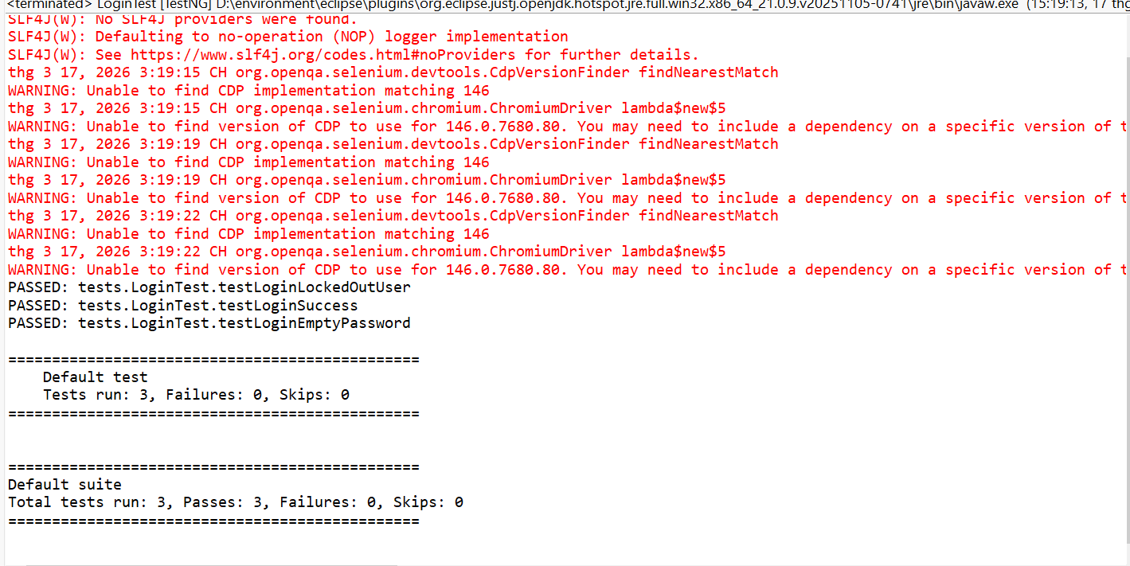
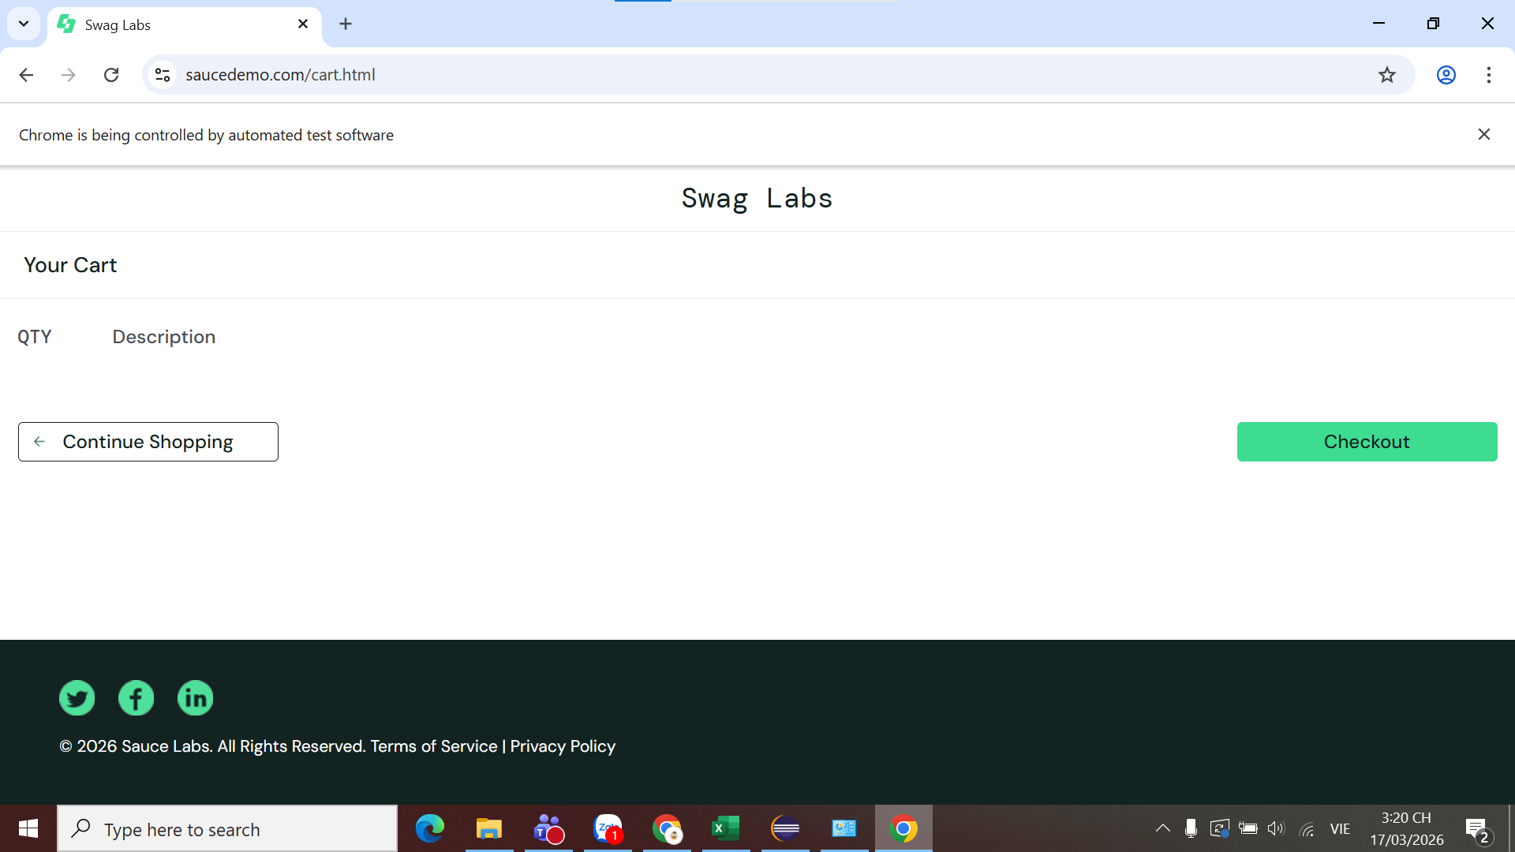
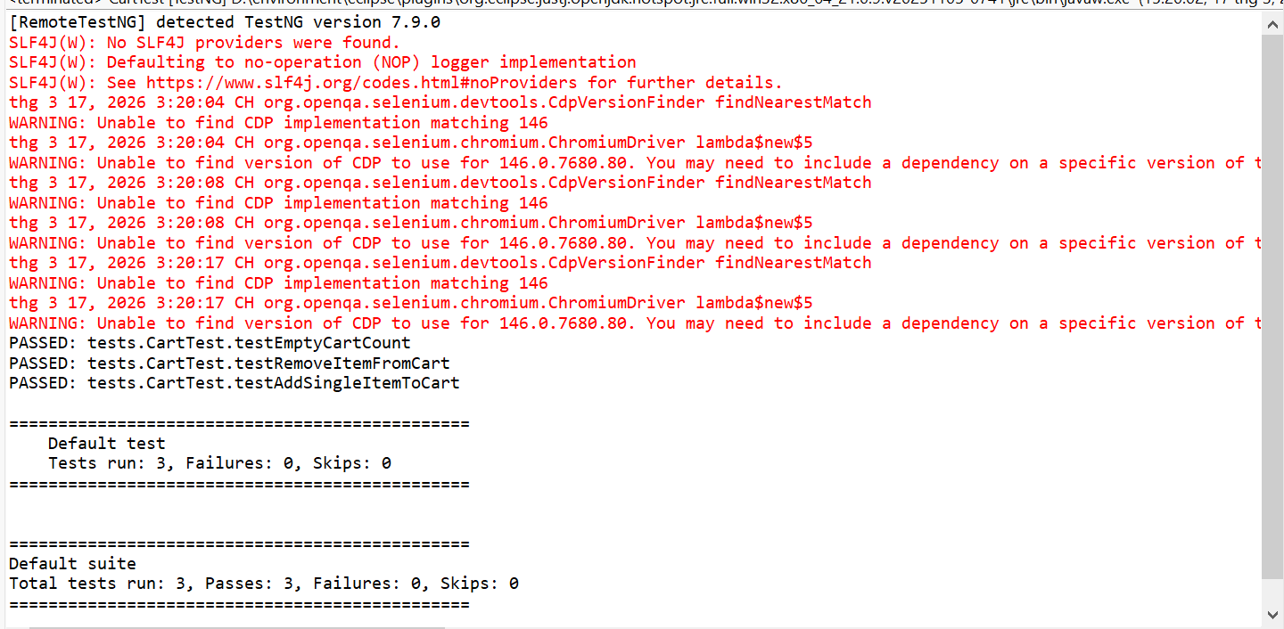

LoginPage | InventoryPage | CartPage

package framework.pages; | package framework.pages; | package framework.pages;

import framework.base.BasePage; | import framework.base.BasePage; | import framework.base.BasePage;
import org.openqa.selenium.By; | import org.openqa.selenium.By; | import org.openqa.selenium.WebDriver;
import org.openqa.selenium.WebDriver; | import org.openqa.selenium.WebDriver; | import org.openqa.selenium.WebElement;
import org.openqa.selenium.WebElement; | import org.openqa.selenium.WebElement; | import org.openqa.selenium.support.FindBy;
import org.openqa.selenium.support.FindBy; | import org.openqa.selenium.support.FindBy;
 |  | import java.util.ArrayList;
public class LoginPage extends BasePage { | import java.util.List; | import java.util.List;

 | public class InventoryPage extends BasePage { | public class CartPage extends BasePage {
@FindBy(id = "user-name")
private WebElement usernameField; | // Danh sách locator theo yêu cầu | @FindBy(css = ".cart_item")
 | @FindBy(css = ".inventory_list") | private List<WebElement> cartItems;
@FindBy(id = "password") | private WebElement inventoryList;
private WebElement passwordField; |  | @FindBy(xpath = "//button[text()='Remove']")
 | @FindBy(css = ".shopping_cart_badge") | private List<WebElement> removeButtons;
@FindBy(id="login-button") | private WebElement cartBadge;
private WebElement loginButton; |  | @FindBy(css = ".inventory_item_name")
 | @FindBy(css = ".inventory_item_name") | private List<WebElement> itemNames;
@FindBy(css = "[data-test='error']") | private List<WebElement> itemNames;
private WebElement errorMessage; |  | @FindBy(id = "checkout")
 | @FindBy(css = ".btn_inventory") | private WebElement checkoutButton;
public LoginPage(WebDriver driver) { | private List<WebElement> addToCartButtons;
super(driver); |  | public CartPage(WebDriver driver) {
} | @FindBy(className = "shopping_cart_link") | super(driver);
 | private WebElement cartLink; | }
public InventoryPage login(String username, String password) {
waitAndType(usernameField, username); // [cite: 232] | public InventoryPage(WebDriver driver) { | public int getItemCount() {
waitAndType(passwordField, password); // [cite: 233] | super(driver); | return cartItems.size();
waitAndClick(loginButton); // [cite: 234] | } | }
return new InventoryPage(driver); // [cite: 235]
} | public boolean isLoaded() { | public CartPage removeFirstItem() {
 | return isElementVisible(By.cssSelector(".inventory_list")); | if (!removeButtons.isEmpty()) {
public LoginPage loginExpectingFailure(String username, String password) { | } | waitAndClick(removeButtons.get(0));
waitAndType(usernameField, username); // [cite: 239] |  | }
waitAndType(passwordField, password); // [cite: 240] | public InventoryPage addFirstItemToCart() { | return this;
waitAndClick(loginButton); // [cite: 244] | waitAndClick(addToCartButtons.get(0)); | }
return this; // [cite: 245] | return this;
} | } | public List<String> getItemNames() {
 |  | List<String> names = new ArrayList<>();
public String getErrorMessage() { | public InventoryPage addItemByName(String name) { | for (WebElement item : itemNames) {
return getText(errorMessage); // [cite: 247] | for (int i = 0; i < itemNames.size(); i++) { | names.add(getText(item));
} | if (getText(itemNames.get(i)).equals(name)) { | }
 | waitAndClick(addToCartButtons.get(i)); | return names;
public boolean isErrorDisplayed() { | break; | }
return isElementVisible(By.cssSelector("[data-test='error']")); // [cite: 250] | }
} | } | public CheckoutPage goToCheckout() {
} | return this; | waitAndClick(checkoutButton);
 | } | return new CheckoutPage(driver);
 |  | }
 | public int getCartItemCount() { | }
 | try {
 | return Integer.parseInt(getText(cartBadge));
 | } catch (Exception e) {
 | return 0;
 | }
 | }

 | public CartPage goToCart() {
 | waitAndClick(cartLink);
 | return new CartPage(driver);
 | }
 | }

