ILSS_R-Squared
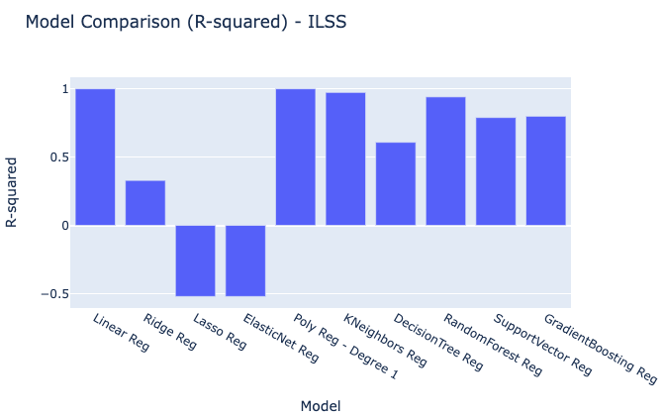
Model | R-squared
Linear Reg | 0.99974424214
Ridge Reg | 0.32895808183
Lasso Reg | -0.52081095025
ElasticNet Reg | -0.52081095025
Poly Reg - Degree 1 | 0.99974424214
KNeighbors Reg | 0.97312098594
DecisionTree Reg | 0.60802170647
RandomForest Reg | 0.94051448312
SupportVector Reg | 0.78923859985
GradientBoosting Reg | 0.79899316617

ILSS_MSE
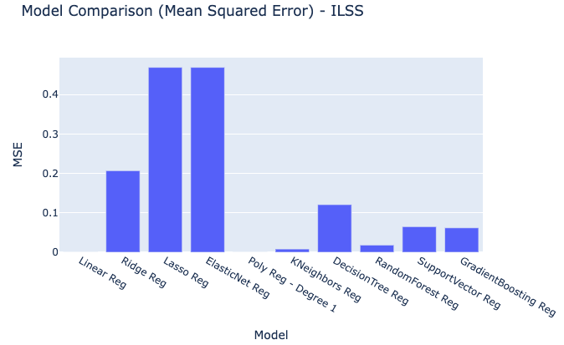
Model | MSE
Linear Reg | 7.89E-05
Ridge Reg | 0.20695286029
Lasso Reg | 0.46902610342
ElasticNet Reg | 0.46902610342
Poly Reg - Degree 1 | 7.89E-05
KNeighbors Reg | 0.0082896294415
DecisionTree Reg | 0.12088816931
RandomForest Reg | 0.018345646569
SupportVector Reg | 0.064999925369
GradientBoosting Reg | 0.06199156576

ILSS_RMSE
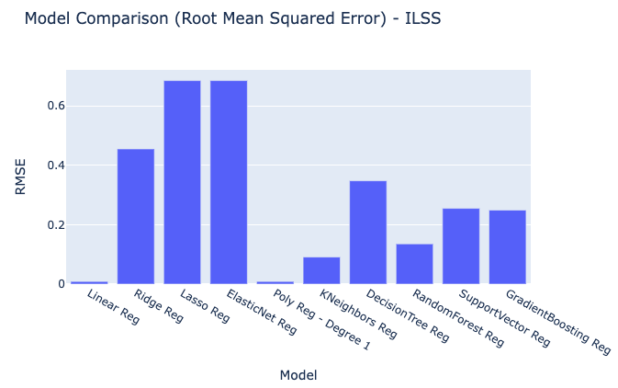
Model | RMSE
Linear Reg | 0.0088812764709
Ridge Reg | 0.45492071868
Lasso Reg | 0.68485480463
ElasticNet Reg | 0.68485480463
Poly Reg - Degree 1 | 0.0088812764709
KNeighbors Reg | 0.091047402168
DecisionTree Reg | 0.34768976015
RandomForest Reg | 0.13544610208
SupportVector Reg | 0.25495082932
GradientBoosting Reg | 0.24898105502

ILSS_MAE
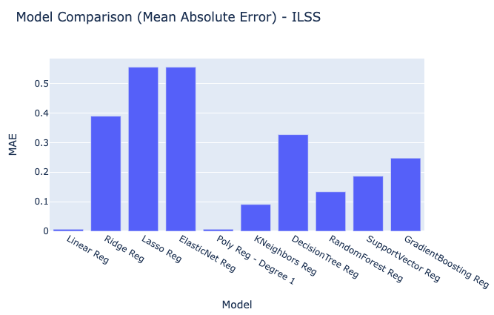
Model | MAE
Linear Reg | 0.0068758642031
Ridge Reg | 0.38945038601
Lasso Reg | 0.555342475
ElasticNet Reg | 0.555342475
Poly Reg - Degree 1 | 0.0068758642031
KNeighbors Reg | 0.090731221333
DecisionTree Reg | 0.327140411
RandomForest Reg | 0.13356724704
SupportVector Reg | 0.18631374889
GradientBoosting Reg | 0.2476168899

ILSS_RawModelResults
ILSS Predicted Values | Models | Index
5.2108384867 | Linear Reg | 0
7.4639454847 | Linear Reg | 1
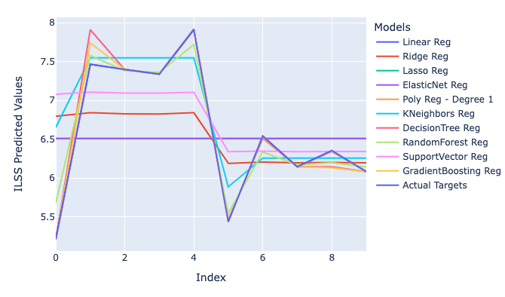
7.3984630431 | Linear Reg | 2
7.3388005552 | Linear Reg | 3
7.9184479151 | Linear Reg | 4
5.4627236346 | Linear Reg | 5
6.5125165411 | Linear Reg | 6
6.147387257 | Linear Reg | 7
6.3420178369 | Linear Reg | 8
6.0834803893 | Linear Reg | 9
6.7944620756 | Ridge Reg | 0
6.8406299484 | Ridge Reg | 1
6.8256377259 | Ridge Reg | 2
6.8247874809 | Ridge Reg | 3
6.8400775048 | Ridge Reg | 4
6.1894109628 | Ridge Reg | 5
6.2061288514 | Ridge Reg | 6
6.1956532861 | Ridge Reg | 7
6.2001843295 | Ridge Reg | 8
6.1964999345 | Ridge Reg | 9
6.5090822277 | Lasso Reg | 0
6.5090822277 | Lasso Reg | 1
6.5090822277 | Lasso Reg | 2
6.5090822277 | Lasso Reg | 3
6.5090822277 | Lasso Reg | 4
6.5090822277 | Lasso Reg | 5
6.5090822277 | Lasso Reg | 6
6.5090822277 | Lasso Reg | 7
6.5090822277 | Lasso Reg | 8
6.5090822277 | Lasso Reg | 9
6.5090822277 | ElasticNet Reg | 0
6.5090822277 | ElasticNet Reg | 1
6.5090822277 | ElasticNet Reg | 2
6.5090822277 | ElasticNet Reg | 3
6.5090822277 | ElasticNet Reg | 4
6.5090822277 | ElasticNet Reg | 5
6.5090822277 | ElasticNet Reg | 6
6.5090822277 | ElasticNet Reg | 7
6.5090822277 | ElasticNet Reg | 8
6.5090822277 | ElasticNet Reg | 9
5.2108384867 | Poly Reg - Degree 1 | 0
7.4639454847 | Poly Reg - Degree 1 | 1
7.3984630431 | Poly Reg - Degree 1 | 2
7.3388005552 | Poly Reg - Degree 1 | 3
7.9184479151 | Poly Reg - Degree 1 | 4
5.4627236346 | Poly Reg - Degree 1 | 5
6.5125165411 | Poly Reg - Degree 1 | 6
6.147387257 | Poly Reg - Degree 1 | 7
6.3420178369 | Poly Reg - Degree 1 | 8
6.0834803893 | Poly Reg - Degree 1 | 9
6.65215 | KNeighbors Reg | 0
7.54835 | KNeighbors Reg | 1
7.54835 | KNeighbors Reg | 2
7.54835 | KNeighbors Reg | 3
7.54835 | KNeighbors Reg | 4
5.8884700493 | KNeighbors Reg | 5
6.2562026073 | KNeighbors Reg | 6
6.2562026073 | KNeighbors Reg | 7
6.2562026073 | KNeighbors Reg | 8
6.2562026073 | KNeighbors Reg | 9
5.2215 | DecisionTree Reg | 0
7.9101 | DecisionTree Reg | 1
7.39715 | DecisionTree Reg | 2
7.3378 | DecisionTree Reg | 3
7.9101 | DecisionTree Reg | 4
5.4375 | DecisionTree Reg | 5
6.540697674 | DecisionTree Reg | 6
6.145134228 | DecisionTree Reg | 7
6.145134228 | DecisionTree Reg | 8
6.08277592 | DecisionTree Reg | 9
5.678475819 | RandomForest Reg | 0
7.576285319 | RandomForest Reg | 1
7.3817857725 | RandomForest Reg | 2
7.3610132725 | RandomForest Reg | 3
7.719529819 | RandomForest Reg | 4
5.5485436605 | RandomForest Reg | 5
6.3366786374 | RandomForest Reg | 6
6.1691009956 | RandomForest Reg | 7
6.1984658749 | RandomForest Reg | 8
6.1429105062 | RandomForest Reg | 9
7.0785310299 | SupportVector Reg | 0
7.104854322 | SupportVector Reg | 1
7.0931938859 | SupportVector Reg | 2
7.0928178003 | SupportVector Reg | 3
7.1021480371 | SupportVector Reg | 4
6.3384909762 | SupportVector Reg | 5
6.3462150932 | SupportVector Reg | 6
6.3396167611 | SupportVector Reg | 7
6.3422332302 | SupportVector Reg | 8
6.3406757812 | SupportVector Reg | 9
5.2215342 | GradientBoosting Reg | 0
7.7388445982 | GradientBoosting Reg | 1
7.3971229462 | GradientBoosting Reg | 2
7.3377814535 | GradientBoosting Reg | 3
7.910062787 | GradientBoosting Reg | 4
5.4375284627 | GradientBoosting Reg | 5
6.5406945761 | GradientBoosting Reg | 6
6.1451411157 | GradientBoosting Reg | 7
6.1329258684 | GradientBoosting Reg | 8
6.0827922806 | GradientBoosting Reg | 9
5.2215 | Actual Targets | 0
7.4652 | Actual Targets | 1
7.39715 | Actual Targets | 2
7.3378 | Actual Targets | 3
7.9101 | Actual Targets | 4
5.4375 | Actual Targets | 5
6.540697674 | Actual Targets | 6
6.145134228 | Actual Targets | 7
6.35451505 | Actual Targets | 8
6.08277592 | Actual Targets | 9

