TStrain_R-Squared
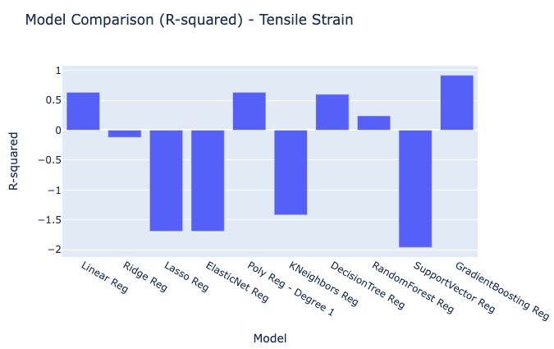
Model | R-squared
Linear Reg | 0.63362574513
Ridge Reg | -0.12077673038
Lasso Reg | -1.69
ElasticNet Reg | -1.69
Poly Reg - Degree 1 | 0.63362574513
KNeighbors Reg | -1.4177777778
DecisionTree Reg | 0.6
RandomForest Reg | 0.240576
SupportVector Reg | -1.96
GradientBoosting Reg | 0.91708804531

TStrain_MSE
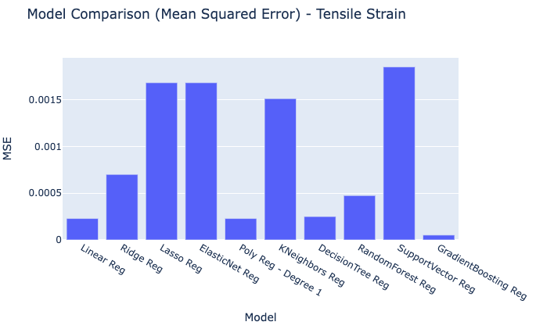
Model | MSE
Linear Reg | 0.00022898390929
Ridge Reg | 0.00070048545649
Lasso Reg | 0.00168125
ElasticNet Reg | 0.00168125
Poly Reg - Degree 1 | 0.00022898390929
KNeighbors Reg | 0.0015111111111
DecisionTree Reg | 0.00025
RandomForest Reg | 0.00047464
SupportVector Reg | 0.00185
GradientBoosting Reg | 5.18E-05

TStrain_RMSE
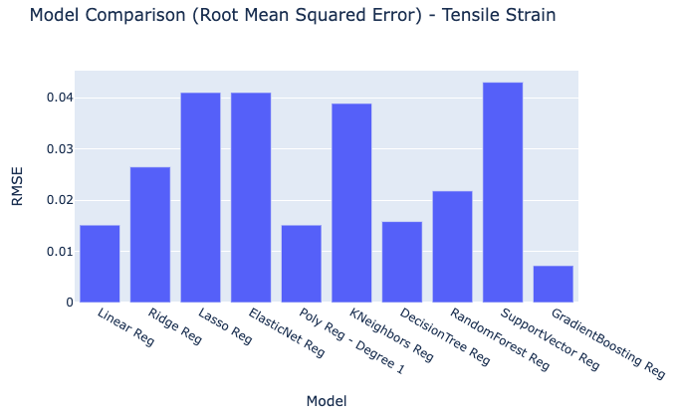
Model | RMSE
Linear Reg | 0.015132214289
Ridge Reg | 0.026466685786
Lasso Reg | 0.041003048667
ElasticNet Reg | 0.041003048667
Poly Reg - Degree 1 | 0.015132214289
KNeighbors Reg | 0.038873012632
DecisionTree Reg | 0.015811388301
RandomForest Reg | 0.021786234186
SupportVector Reg | 0.043011626335
GradientBoosting Reg | 0.0071986090103

TStrain_MAE
Model | MAE
Linear Reg | 0.011066752747
Ridge Reg | 0.026464684638
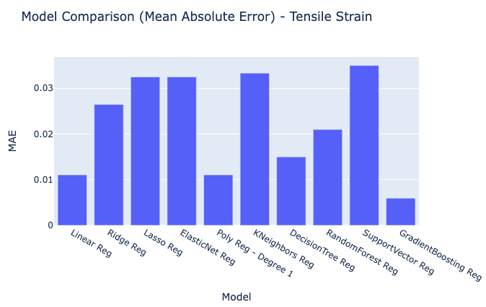
Lasso Reg | 0.0325
ElasticNet Reg | 0.0325
Poly Reg - Degree 1 | 0.011066752747
KNeighbors Reg | 0.033333333333
DecisionTree Reg | 0.015
RandomForest Reg | 0.021
SupportVector Reg | 0.035
GradientBoosting Reg | 0.0059575965452

TStrain_RawModelResults
Tensile Strain Predicted Values | Models | Index
1.6367878316 | Linear Reg | 0
1.6613871642 | Linear Reg | 1
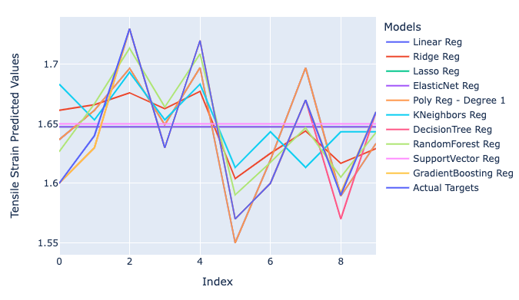
1.6967027542 | Linear Reg | 2
1.6492180872 | Linear Reg | 3
1.697291327 | Linear Reg | 4
1.5499034452 | Linear Reg | 5
1.6194952191 | Linear Reg | 6
1.6970963238 | Linear Reg | 7
1.5892536587 | Linear Reg | 8
1.6335050119 | Linear Reg | 9
1.6613599274 | Ridge Reg | 0
1.6661392257 | Ridge Reg | 1
1.6761305038 | Ridge Reg | 2
1.6627758526 | Ridge Reg | 3
1.677352194 | Ridge Reg | 4
1.6039834988 | Ridge Reg | 5
1.6251955863 | Ridge Reg | 6
1.6439647778 | Ridge Reg | 7
1.6167901435 | Ridge Reg | 8
1.6292376594 | Ridge Reg | 9
1.6475 | Lasso Reg | 0
1.6475 | Lasso Reg | 1
1.6475 | Lasso Reg | 2
1.6475 | Lasso Reg | 3
1.6475 | Lasso Reg | 4
1.6475 | Lasso Reg | 5
1.6475 | Lasso Reg | 6
1.6475 | Lasso Reg | 7
1.6475 | Lasso Reg | 8
1.6475 | Lasso Reg | 9
1.6475 | ElasticNet Reg | 0
1.6475 | ElasticNet Reg | 1
1.6475 | ElasticNet Reg | 2
1.6475 | ElasticNet Reg | 3
1.6475 | ElasticNet Reg | 4
1.6475 | ElasticNet Reg | 5
1.6475 | ElasticNet Reg | 6
1.6475 | ElasticNet Reg | 7
1.6475 | ElasticNet Reg | 8
1.6475 | ElasticNet Reg | 9
1.6367878316 | Poly Reg - Degree 1 | 0
1.6613871642 | Poly Reg - Degree 1 | 1
1.6967027542 | Poly Reg - Degree 1 | 2
1.6492180872 | Poly Reg - Degree 1 | 3
1.697291327 | Poly Reg - Degree 1 | 4
1.5499034452 | Poly Reg - Degree 1 | 5
1.6194952191 | Poly Reg - Degree 1 | 6
1.6970963238 | Poly Reg - Degree 1 | 7
1.5892536587 | Poly Reg - Degree 1 | 8
1.6335050119 | Poly Reg - Degree 1 | 9
1.6833333333 | KNeighbors Reg | 0
1.6533333333 | KNeighbors Reg | 1
1.6933333333 | KNeighbors Reg | 2
1.6533333333 | KNeighbors Reg | 3
1.6833333333 | KNeighbors Reg | 4
1.6133333333 | KNeighbors Reg | 5
1.6433333333 | KNeighbors Reg | 6
1.6133333333 | KNeighbors Reg | 7
1.6433333333 | KNeighbors Reg | 8
1.6433333333 | KNeighbors Reg | 9
1.6 | DecisionTree Reg | 0
1.63 | DecisionTree Reg | 1
1.73 | DecisionTree Reg | 2
1.63 | DecisionTree Reg | 3
1.72 | DecisionTree Reg | 4
1.57 | DecisionTree Reg | 5
1.6 | DecisionTree Reg | 6
1.67 | DecisionTree Reg | 7
1.57 | DecisionTree Reg | 8
1.66 | DecisionTree Reg | 9
1.6266 | RandomForest Reg | 0
1.6668 | RandomForest Reg | 1
1.7136 | RandomForest Reg | 2
1.6642 | RandomForest Reg | 3
1.7088 | RandomForest Reg | 4
1.5903 | RandomForest Reg | 5
1.6175 | RandomForest Reg | 6
1.6467 | RandomForest Reg | 7
1.6052 | RandomForest Reg | 8
1.6427 | RandomForest Reg | 9
1.65 | SupportVector Reg | 0
1.65 | SupportVector Reg | 1
1.65 | SupportVector Reg | 2
1.65 | SupportVector Reg | 3
1.65 | SupportVector Reg | 4
1.65 | SupportVector Reg | 5
1.65 | SupportVector Reg | 6
1.65 | SupportVector Reg | 7
1.65 | SupportVector Reg | 8
1.65 | SupportVector Reg | 9
1.6000083444 | GradientBoosting Reg | 0
1.6300017333 | GradientBoosting Reg | 1
1.7299944984 | GradientBoosting Reg | 2
1.6300017333 | GradientBoosting Reg | 3
1.7199986213 | GradientBoosting Reg | 4
1.5700015941 | GradientBoosting Reg | 5
1.6000055872 | GradientBoosting Reg | 6
1.6699910387 | GradientBoosting Reg | 7
1.5919169264 | GradientBoosting Reg | 8
1.6599985825 | GradientBoosting Reg | 9
1.6 | Actual Targets | 0
1.64 | Actual Targets | 1
1.73 | Actual Targets | 2
1.63 | Actual Targets | 3
1.72 | Actual Targets | 4
1.57 | Actual Targets | 5
1.6 | Actual Targets | 6
1.67 | Actual Targets | 7
1.59 | Actual Targets | 8
1.66 | Actual Targets | 9

