TS_R-Squared
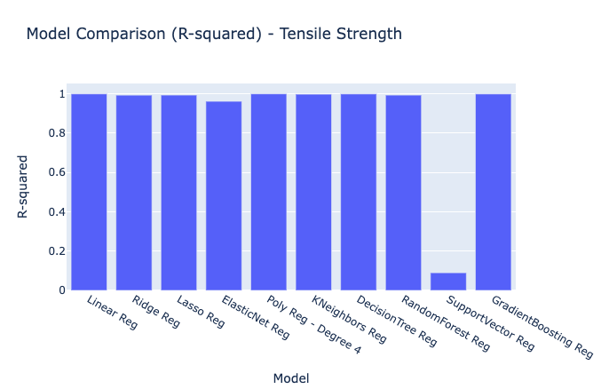
Model | R-squared
Linear Reg | 0.9997767807544808
Ridge Reg | 0.9934091100360601
Lasso Reg | 0.9937858016210923
ElasticNet Reg | 0.9621019342577988
Poly Reg - Degree 4 | 0.99999851086
KNeighbors Reg | 0.99829211101
DecisionTree Reg | 0.9995107250000299
RandomForest Reg | 0.99362681583
SupportVector Reg | 0.08992979333
GradientBoosting Reg | 0.9995117978059012

TS_MSE
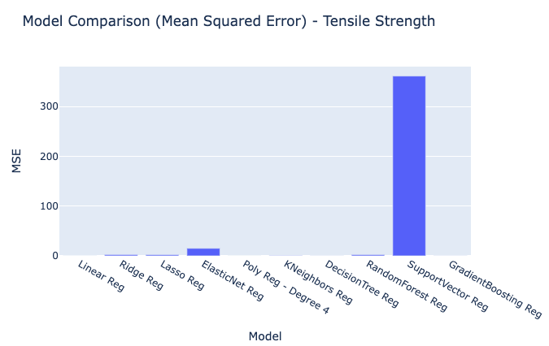
Model | MSE
Linear Reg | 0.088530365532
Ridge Reg | 2.613994578878547
Lasso Reg | 2.4645959746580806
ElasticNet Reg | 15.030646686882003
Poly Reg - Degree 4 | 0.00059060342766
KNeighbors Reg | 0.6773611111111224
DecisionTree Reg | 0.19404999999999972
RandomForest Reg | 2.5276508899999843
SupportVector Reg | 360.9404192226846
GradientBoosting Reg | 0.19362451744045311

TS_RMSE
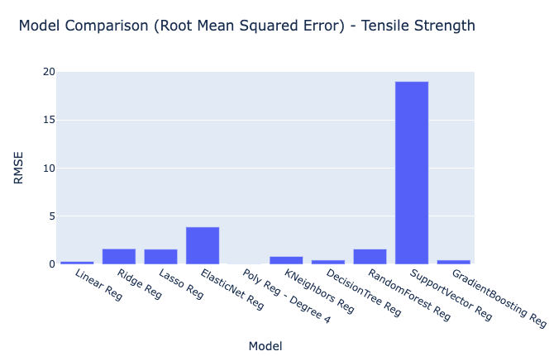
Model | RMSE
Linear Reg | 0.29754052755
Ridge Reg | 1.6167852605954034
Lasso Reg | 1.5699031736569236
ElasticNet Reg | 3.876937797654484
Poly Reg - Degree 4 | 0.02430233379
KNeighbors Reg | 0.8230195083417661
DecisionTree Reg | 0.4405110668303348
RandomForest Reg | 1.5898587641674289
SupportVector Reg | 18.998432020108517
GradientBoosting Reg | 0.44002785984577514

TS_MAE
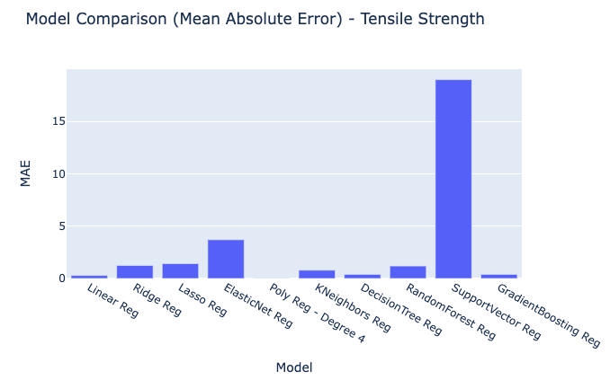
Model | MAE
Linear Reg | 0.29012316087933954
Ridge Reg | 1.2467383343927736
Lasso Reg | 1.4222656827367004
ElasticNet Reg | 3.7019885036519753
Poly Reg - Degree 4 | 0.024206244252
KNeighbors Reg | 0.7916666666666714
DecisionTree Reg | 0.395
RandomForest Reg | 1.1945000000000192
SupportVector Reg | 18.992040957611266
GradientBoosting Reg | 0.3944605379885928

TS_RawModelResults
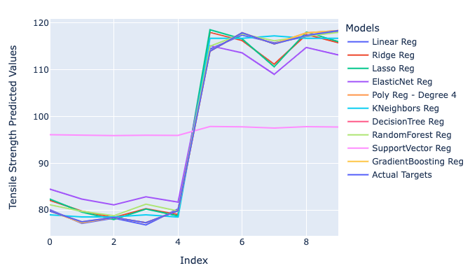
Tensile Strength Predicted Values | Models | Index
80.071890152 | Linear Reg | 0
77.133854744 | Linear Reg | 1
78.240644055 | Linear Reg | 2
76.801108756 | Linear Reg | 3
80.206357037 | Linear Reg | 4
114.44814592 | Linear Reg | 5
117.41109395 | Linear Reg | 6
115.77189358 | Linear Reg | 7
117.09589893 | Linear Reg | 8
118.15886654 | Linear Reg | 9
82.083112615 | Ridge Reg | 0
79.766125581 | Ridge Reg | 1
78.427478039 | Ridge Reg | 2
80.292892239 | Ridge Reg | 3
79.056926278 | Ridge Reg | 4
117.98672647 | Ridge Reg | 5
116.26520577 | Ridge Reg | 6
111.2038836 | Ridge Reg | 7
117.53735109 | Ridge Reg | 8
115.79377498 | Ridge Reg | 9
82.3381112 | Lasso Reg | 0
79.576913185 | Lasso Reg | 1
77.9802204 | Lasso Reg | 2
80.18917884 | Lasso Reg | 3
78.74855377 | Lasso Reg | 4
118.56983175 | Lasso Reg | 5
116.60097748 | Lasso Reg | 6
110.65839907 | Lasso Reg | 7
118.07761818 | Lasso Reg | 8
116.02472746 | Lasso Reg | 9
84.475599695 | ElasticNet Reg | 0
82.343477889 | ElasticNet Reg | 1
81.11055528 | ElasticNet Reg | 2
82.8162527 | ElasticNet Reg | 3
81.703841348 | ElasticNet Reg | 4
115.14957477 | ElasticNet Reg | 5
113.62927922 | ElasticNet Reg | 6
109.04058229 | ElasticNet Reg | 7
114.76950088 | ElasticNet Reg | 8
113.18431467 | ElasticNet Reg | 9
79.8 | Poly Reg - Degree 4 | 0
77.463634782 | Poly Reg - Degree 4 | 1
78.4 | Poly Reg - Degree 4 | 2
77.29 | Poly Reg - Degree 4 | 3
79.83 | Poly Reg - Degree 4 | 4
113.98 | Poly Reg - Degree 4 | 5
117.91 | Poly Reg - Degree 4 | 6
115.53 | Poly Reg - Degree 4 | 7
117.34204727 | Poly Reg - Degree 4 | 8
118.37 | Poly Reg - Degree 4 | 9
78.973333333 | KNeighbors Reg | 0
78.506666667 | KNeighbors Reg | 1
78.506666667 | KNeighbors Reg | 2
78.973333333 | KNeighbors Reg | 3
78.506666667 | KNeighbors Reg | 4
116.75333333 | KNeighbors Reg | 5
116.75333333 | KNeighbors Reg | 6
117.27 | KNeighbors Reg | 7
116.75333333 | KNeighbors Reg | 8
116.75333333 | KNeighbors Reg | 9
79.8 | DecisionTree Reg | 0
77.29 | DecisionTree Reg | 1
78.4 | DecisionTree Reg | 2
77.29 | DecisionTree Reg | 3
79.83 | DecisionTree Reg | 4
113.98 | DecisionTree Reg | 5
117.91 | DecisionTree Reg | 6
115.53 | DecisionTree Reg | 7
117.91 | DecisionTree Reg | 8
118.37 | DecisionTree Reg | 9
81.1259 | RandomForest Reg | 0
79.7337 | RandomForest Reg | 1
78.7744 | RandomForest Reg | 2
81.2429 | RandomForest Reg | 3
79.8035 | RandomForest Reg | 4
115.0547 | RandomForest Reg | 5
117.6555 | RandomForest Reg | 6
116.2054 | RandomForest Reg | 7
117.1747 | RandomForest Reg | 8
117.9968 | RandomForest Reg | 9
96.095381467 | SupportVector Reg | 0
95.989294078 | SupportVector Reg | 1
95.927658695 | SupportVector Reg | 2
96.0133124 | SupportVector Reg | 3
95.954546321 | SupportVector Reg | 4
97.855453692 | SupportVector Reg | 5
97.7801095 | SupportVector Reg | 6
97.544213378 | SupportVector Reg | 7
97.835212163 | SupportVector Reg | 8
97.757185367 | SupportVector Reg | 9
79.8004738 | GradientBoosting Reg | 0
77.290540491 | GradientBoosting Reg | 1
78.400511008 | GradientBoosting Reg | 2
77.290540491 | GradientBoosting Reg | 3
79.830473025 | GradientBoosting Reg | 4
113.97956595 | GradientBoosting Reg | 5
117.90946157 | GradientBoosting Reg | 6
115.52952478 | GradientBoosting Reg | 7
117.90946157 | GradientBoosting Reg | 8
118.36944935 | GradientBoosting Reg | 9
79.8 | Actual Targets | 0
77.49 | Actual Targets | 1
78.4 | Actual Targets | 2
77.29 | Actual Targets | 3
79.83 | Actual Targets | 4
113.98 | Actual Targets | 5
117.91 | Actual Targets | 6
115.53 | Actual Targets | 7
117.32 | Actual Targets | 8
118.37 | Actual Targets | 9

