TSwelling_R-Squared
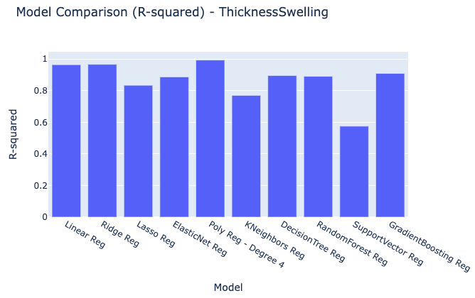
Model | R-squared
Linear Reg | 0.96403052256
Ridge Reg | 0.96629601941
Lasso Reg | 0.83388995962
ElasticNet Reg | 0.88664812545
Poly Reg - Degree 4 | 0.99331091607
KNeighbors Reg | 0.76978714396
DecisionTree Reg | 0.89524825321
RandomForest Reg | 0.89043115461
SupportVector Reg | 0.57523063902
GradientBoosting Reg | 0.90884686266

TSwelling_MSE
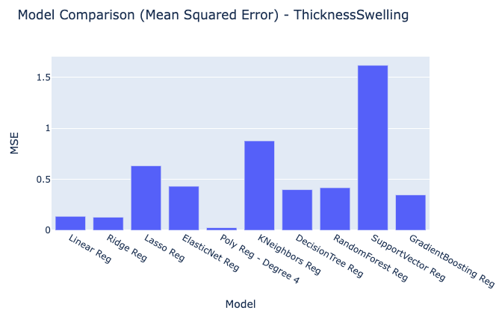
Model | MSE
Linear Reg | 0.13694321057
Ridge Reg | 0.12831799734
Lasso Reg | 0.63241514348
ElasticNet Reg | 0.43155393764
Poly Reg - Degree 4 | 0.025466720521
KNeighbors Reg | 0.8764677683
DecisionTree Reg | 0.3988114796
RandomForest Reg | 0.41715116629
SupportVector Reg | 1.6171844625
GradientBoosting Reg | 0.34703877201

TSwelling_RMSE
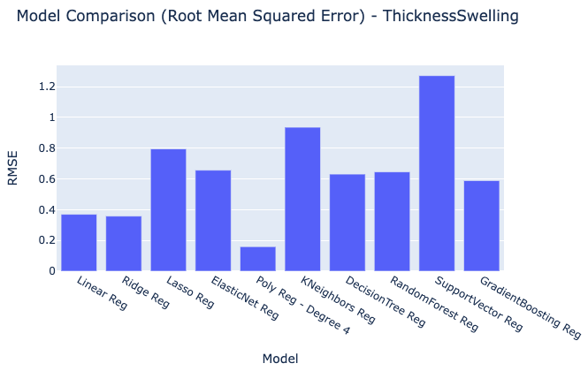
Model | RMSE
Linear Reg | 0.37005838806
Ridge Reg | 0.35821501552
Lasso Reg | 0.79524533541
ElasticNet Reg | 0.65692765024
Poly Reg - Degree 4 | 0.15958295811
KNeighbors Reg | 0.93619857312
DecisionTree Reg | 0.63151522515
RandomForest Reg | 0.64587240713
SupportVector Reg | 1.2716856776
GradientBoosting Reg | 0.58909996775

TSwelling_MAE
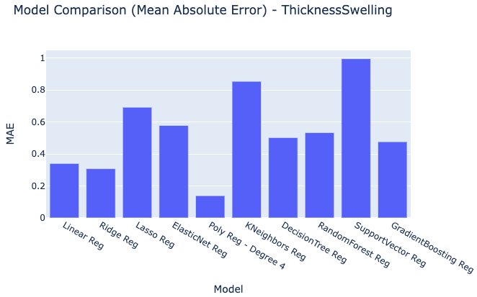
Model | MAE
Linear Reg | 0.34059772737
Ridge Reg | 0.30800425912
Lasso Reg | 0.69254214749
ElasticNet Reg | 0.57846746404
Poly Reg - Degree 4 | 0.13880700475
KNeighbors Reg | 0.85469253333
DecisionTree Reg | 0.50245826667
RandomForest Reg | 0.53372496067
SupportVector Reg | 0.99645255589
GradientBoosting Reg | 0.47668760281

TSwelling_RawModelResults
ThicknessSwelling Predicted Values | Models | Index
-0.17475856079 | Linear Reg | 0
0.59954213905 | Linear Reg | 1
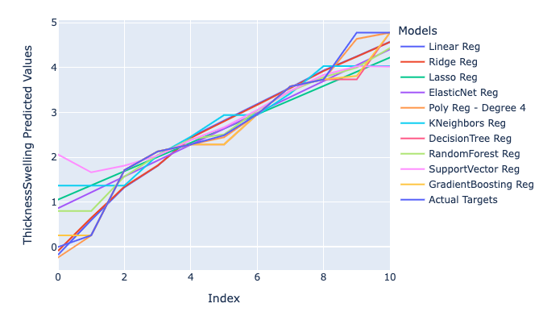
1.3308154149 | Linear Reg | 2
1.8090634178 | Linear Reg | 3
2.450578603 | Linear Reg | 4
2.8092539643 | Linear Reg | 5
3.1830467877 | Linear Reg | 6
3.5542522683 | Linear Reg | 7
3.9357531657 | Linear Reg | 8
4.2507173429 | Linear Reg | 9
4.5708204036 | Linear Reg | 10
-0.087120494853 | Ridge Reg | 0
0.64835470226 | Ridge Reg | 1
1.34510185 | Ridge Reg | 2
1.8141064483 | Ridge Reg | 3
2.4300642893 | Ridge Reg | 4
2.7914441513 | Ridge Reg | 5
3.1664309125 | Ridge Reg | 6
3.5390888626 | Ridge Reg | 7
3.9210134936 | Ridge Reg | 8
4.2430498688 | Ridge Reg | 9
4.5697116413 | Ridge Reg | 10
1.0560240403 | Lasso Reg | 0
1.3727479397 | Lasso Reg | 1
1.6894718392 | Lasso Reg | 2
2.0061957387 | Lasso Reg | 3
2.3229196381 | Lasso Reg | 4
2.6396435376 | Lasso Reg | 5
2.956367437 | Lasso Reg | 6
3.2730913365 | Lasso Reg | 7
3.5898152359 | Lasso Reg | 8
3.9065391354 | Lasso Reg | 9
4.2232630348 | Lasso Reg | 10
0.86381601201 | ElasticNet Reg | 0
1.218043917 | ElasticNet Reg | 1
1.572271822 | ElasticNet Reg | 2
1.9264997269 | ElasticNet Reg | 3
2.2807276319 | ElasticNet Reg | 4
2.6349555369 | ElasticNet Reg | 5
2.9891834419 | ElasticNet Reg | 6
3.3434113468 | ElasticNet Reg | 7
3.6976392518 | ElasticNet Reg | 8
4.0518671568 | ElasticNet Reg | 9
4.4060950617 | ElasticNet Reg | 10
-0.23537084785 | Poly Reg - Degree 4 | 0
0.25896 | Poly Reg - Degree 4 | 1
1.713985 | Poly Reg - Degree 4 | 2
2.128433 | Poly Reg - Degree 4 | 3
2.283737 | Poly Reg - Degree 4 | 4
2.4470432899 | Poly Reg - Degree 4 | 5
2.955124 | Poly Reg - Degree 4 | 6
3.580133 | Poly Reg - Degree 4 | 7
3.7354502 | Poly Reg - Degree 4 | 8
4.6395085437 | Poly Reg - Degree 4 | 9
4.77805 | Poly Reg - Degree 4 | 10
1.367126 | KNeighbors Reg | 0
1.367126 | KNeighbors Reg | 1
1.367126 | KNeighbors Reg | 2
2.0420516667 | KNeighbors Reg | 3
2.4557646667 | KNeighbors Reg | 4
2.9396646667 | KNeighbors Reg | 5
2.9396646667 | KNeighbors Reg | 6
3.4235690667 | KNeighbors Reg | 7
4.0312110667 | KNeighbors Reg | 8
4.0312110667 | KNeighbors Reg | 9
4.0312110667 | KNeighbors Reg | 10
0.25896 | DecisionTree Reg | 0
0.25896 | DecisionTree Reg | 1
1.713985 | DecisionTree Reg | 2
2.128433 | DecisionTree Reg | 3
2.283737 | DecisionTree Reg | 4
2.283737 | DecisionTree Reg | 5
2.955124 | DecisionTree Reg | 6
3.580133 | DecisionTree Reg | 7
3.7354502 | DecisionTree Reg | 8
3.7354502 | DecisionTree Reg | 9
4.77805 | DecisionTree Reg | 10
0.80188923 | RandomForest Reg | 0
0.80188923 | RandomForest Reg | 1
1.57084653 | RandomForest Reg | 2
2.04284344 | RandomForest Reg | 3
2.405694882 | RandomForest Reg | 4
2.509064332 | RandomForest Reg | 5
3.042021364 | RandomForest Reg | 6
3.474923602 | RandomForest Reg | 7
3.784715944 | RandomForest Reg | 8
3.99827668 | RandomForest Reg | 9
4.436168596 | RandomForest Reg | 10
2.0637423828 | SupportVector Reg | 0
1.664032415 | SupportVector Reg | 1
1.8143230342 | SupportVector Reg | 2
2.0351266764 | SupportVector Reg | 3
2.3835326971 | SupportVector Reg | 4
2.6658819493 | SupportVector Reg | 5
3.0552186402 | SupportVector Reg | 6
3.4795665641 | SupportVector Reg | 7
3.8357883031 | SupportVector Reg | 8
4.0287646644 | SupportVector Reg | 9
4.0185722799 | SupportVector Reg | 10
0.25902428586 | GradientBoosting Reg | 0
0.25902428586 | GradientBoosting Reg | 1
1.7140213923 | GradientBoosting Reg | 2
2.1284521039 | GradientBoosting Reg | 3
2.2837412616 | GradientBoosting Reg | 4
2.2837412616 | GradientBoosting Reg | 5
2.9551144179 | GradientBoosting Reg | 6
3.5801095338 | GradientBoosting Reg | 7
3.7354149521 | GradientBoosting Reg | 8
3.8128222158 | GradientBoosting Reg | 9
4.7779942525 | GradientBoosting Reg | 10
0 | Actual Targets | 0
0.25896 | Actual Targets | 1
1.713985 | Actual Targets | 2
2.128433 | Actual Targets | 3
2.283737 | Actual Targets | 4
2.489552 | Actual Targets | 5
2.955124 | Actual Targets | 6
3.580133 | Actual Targets | 7
3.7354502 | Actual Targets | 8
4.77805 | Actual Targets | 9
4.77805 | Actual Targets | 10

