WA_R-Squared
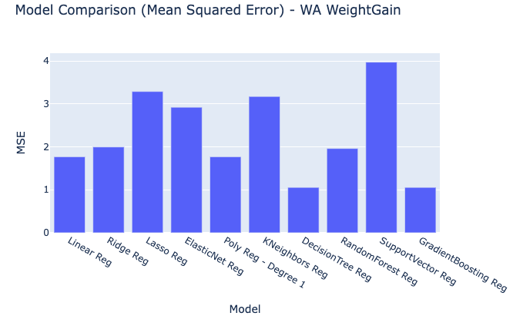
Model | R-squared
Linear Reg | 0.76162616387
Ridge Reg | 0.73091892236
Lasso Reg | 0.55699305954
ElasticNet Reg | 0.60640081365
Poly Reg - Degree 1 | 0.76162616387
KNeighbors Reg | 0.57256410096
DecisionTree Reg | 0.85774630169
RandomForest Reg | 0.7357259037
SupportVector Reg | 0.4649936524
GradientBoosting Reg | 0.85773367658

WA_MSE

Model | MSE
Linear Reg | 1.7704460636
Ridge Reg | 1.9985143606
Lasso Reg | 3.2902935433
ElasticNet Reg | 2.9233331201
Poly Reg - Degree 1 | 1.7704460636
KNeighbors Reg | 3.1746445718
DecisionTree Reg | 1.0565442261
RandomForest Reg | 1.9628120314
SupportVector Reg | 3.9735899607
GradientBoosting Reg | 1.0566379951

WA_RMSE
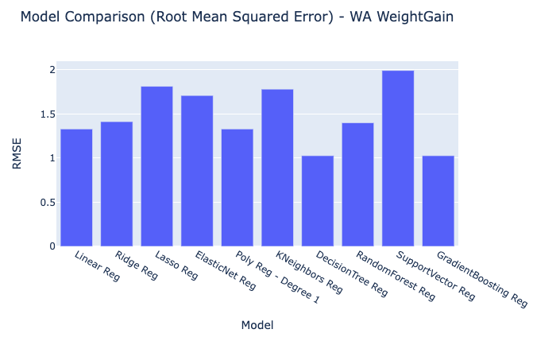
Model | RMSE
Linear Reg | 1.3305811
Ridge Reg | 1.413688212
Lasso Reg | 1.8139166308
ElasticNet Reg | 1.7097757514
Poly Reg - Degree 1 | 1.3305811
KNeighbors Reg | 1.7817532298
DecisionTree Reg | 1.0278833718
RandomForest Reg | 1.401003937
SupportVector Reg | 1.9933865558
GradientBoosting Reg | 1.0279289835

WA_MAE
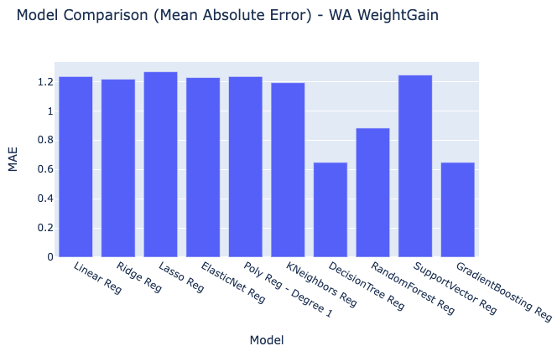
Model | MAE
Linear Reg | 1.2347585279
Ridge Reg | 1.2164143999
Lasso Reg | 1.2672448398
ElasticNet Reg | 1.2275482423
Poly Reg - Degree 1 | 1.2347585279
KNeighbors Reg | 1.1924499719
DecisionTree Reg | 0.647617737
RandomForest Reg | 0.88252342467
SupportVector Reg | 1.2448126942
GradientBoosting Reg | 0.64758102017

WA_RawModelResults
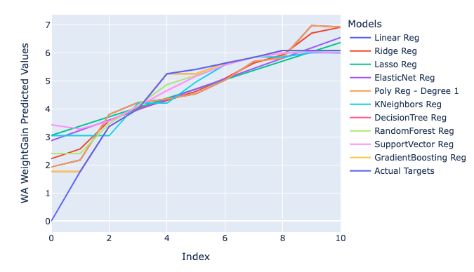
WA WeightGain Predicted Values | Models | Index
1.9357639509 | Linear Reg | 0
2.182790476 | Linear Reg | 1
3.8094461347 | Linear Reg | 2
4.2358239281 | Linear Reg | 3
4.363286017 | Linear Reg | 4
4.5490111995 | Linear Reg | 5
5.0343591658 | Linear Reg | 6
5.7036134668 | Linear Reg | 7
5.8310907815 | Linear Reg | 8
6.9820249524 | Linear Reg | 9
6.930348012 | Linear Reg | 10
2.2309557306 | Ridge Reg | 0
2.5805420538 | Ridge Reg | 1
3.5836506211 | Ridge Reg | 2
4.0181945901 | Ridge Reg | 3
4.3111439398 | Ridge Reg | 4
4.6316921759 | Ridge Reg | 5
5.0941699707 | Ridge Reg | 6
5.6437631195 | Ridge Reg | 7
5.9367196816 | Ridge Reg | 8
6.714481765 | Ridge Reg | 9
6.9225740053 | Ridge Reg | 10
3.062499734 | Lasso Reg | 0
3.3939816879 | Lasso Reg | 1
3.7254636418 | Lasso Reg | 2
4.0569455957 | Lasso Reg | 3
4.3884275496 | Lasso Reg | 4
4.7199095035 | Lasso Reg | 5
5.0513914574 | Lasso Reg | 6
5.3828734113 | Lasso Reg | 7
5.7143553652 | Lasso Reg | 8
6.0458373191 | Lasso Reg | 9
6.377319273 | Lasso Reg | 10
2.8744431996 | ElasticNet Reg | 0
3.2426191114 | ElasticNet Reg | 1
3.6107950233 | ElasticNet Reg | 2
3.9789709351 | ElasticNet Reg | 3
4.3471468469 | ElasticNet Reg | 4
4.7153227588 | ElasticNet Reg | 5
5.0834986706 | ElasticNet Reg | 6
5.4516745824 | ElasticNet Reg | 7
5.8198504943 | ElasticNet Reg | 8
6.1880264061 | ElasticNet Reg | 9
6.556202318 | ElasticNet Reg | 10
1.9357639509 | Poly Reg - Degree 1 | 0
2.182790476 | Poly Reg - Degree 1 | 1
3.8094461347 | Poly Reg - Degree 1 | 2
4.2358239281 | Poly Reg - Degree 1 | 3
4.363286017 | Poly Reg - Degree 1 | 4
4.5490111995 | Poly Reg - Degree 1 | 5
5.0343591658 | Poly Reg - Degree 1 | 6
5.7036134668 | Poly Reg - Degree 1 | 7
5.8310907815 | Poly Reg - Degree 1 | 8
6.9820249524 | Poly Reg - Degree 1 | 9
6.930348012 | Poly Reg - Degree 1 | 10
3.0518172167 | KNeighbors Reg | 0
3.0518172167 | KNeighbors Reg | 1
3.0518172167 | KNeighbors Reg | 2
4.214325462 | KNeighbors Reg | 3
4.214325462 | KNeighbors Reg | 4
4.967403562 | KNeighbors Reg | 5
5.581957274 | KNeighbors Reg | 6
5.8600248933 | KNeighbors Reg | 7
5.8600248933 | KNeighbors Reg | 8
6.012045347 | KNeighbors Reg | 9
6.012045347 | KNeighbors Reg | 10
1.773152473 | DecisionTree Reg | 0
1.773152473 | DecisionTree Reg | 1
3.379258782 | DecisionTree Reg | 2
4.003040395 | DecisionTree Reg | 3
5.260677209 | DecisionTree Reg | 4
5.260677209 | DecisionTree Reg | 5
5.638493082 | DecisionTree Reg | 6
5.846701531 | DecisionTree Reg | 7
6.094880067 | DecisionTree Reg | 8
6.094880067 | DecisionTree Reg | 9
6.094554443 | DecisionTree Reg | 10
2.4166834985 | RandomForest Reg | 0
2.4166834985 | RandomForest Reg | 1
3.4804018954 | RandomForest Reg | 2
4.1310458274 | RandomForest Reg | 3
4.8733714341 | RandomForest Reg | 4
5.2013009199 | RandomForest Reg | 5
5.6590372417 | RandomForest Reg | 6
5.8310565943 | RandomForest Reg | 7
6.0037600616 | RandomForest Reg | 8
6.0727939126 | RandomForest Reg | 9
6.0727190191 | RandomForest Reg | 10
3.4433010063 | SupportVector Reg | 0
3.291322311 | SupportVector Reg | 1
3.5735732504 | SupportVector Reg | 2
4.1030812191 | SupportVector Reg | 3
4.6612598973 | SupportVector Reg | 4
5.1696291577 | SupportVector Reg | 5
5.5743165744 | SupportVector Reg | 6
5.8481841884 | SupportVector Reg | 7
5.9949209272 | SupportVector Reg | 8
6.0442153741 | SupportVector Reg | 9
5.9944726796 | SupportVector Reg | 10
1.7732318436 | GradientBoosting Reg | 0
1.7732318436 | GradientBoosting Reg | 1
3.3792954921 | GradientBoosting Reg | 2
4.0030605366 | GradientBoosting Reg | 3
5.2606650608 | GradientBoosting Reg | 4
5.2606650608 | GradientBoosting Reg | 5
5.6384740362 | GradientBoosting Reg | 6
5.846674635 | GradientBoosting Reg | 7
6.0948286935 | GradientBoosting Reg | 8
6.0946783978 | GradientBoosting Reg | 9
6.0945276841 | GradientBoosting Reg | 10
0 | Actual Targets | 0
1.773152473 | Actual Targets | 1
3.379258782 | Actual Targets | 2
4.003040395 | Actual Targets | 3
5.260677209 | Actual Targets | 4
5.420239744 | Actual Targets | 5
5.638493082 | Actual Targets | 6
5.846701531 | Actual Targets | 7
6.094880067 | Actual Targets | 8
6.084741864 | Actual Targets | 9
6.094554443 | Actual Targets | 10

