YM_R-Squared
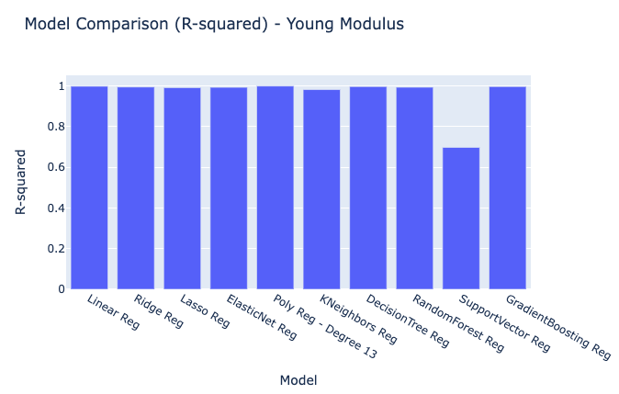
Model | R-squared
Linear Reg | 0.9980309577592521
Ridge Reg | 0.9942178542255892
Lasso Reg | 0.9910990964875885
ElasticNet Reg | 0.9927460411485508
Poly Reg - Degree 13 | 0.9990693979976193
KNeighbors Reg | 0.9815554360053749
DecisionTree Reg | 0.9965522099546624
RandomForest Reg | 0.9931729214109022
SupportVector Reg | 0.6974247929130464
GradientBoosting Reg | 0.9965493770027396

YM_MSE
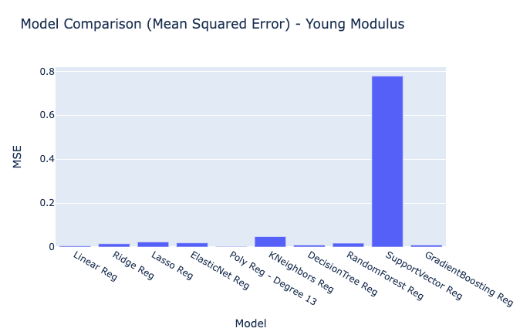
Model | MSE
Linear Reg | 0.0050628255302
Ridge Reg | 0.014867124046
Lasso Reg | 0.022886112147180337
ElasticNet Reg | 0.01865146786
Poly Reg - Degree 13 | 0.0023927752684
KNeighbors Reg | 0.047424888889
DecisionTree Reg | 0.008865
RandomForest Reg | 0.0175538681
SupportVector Reg | 0.7779850790082623
GradientBoosting Reg | 0.0088722841207

YM_RMSE
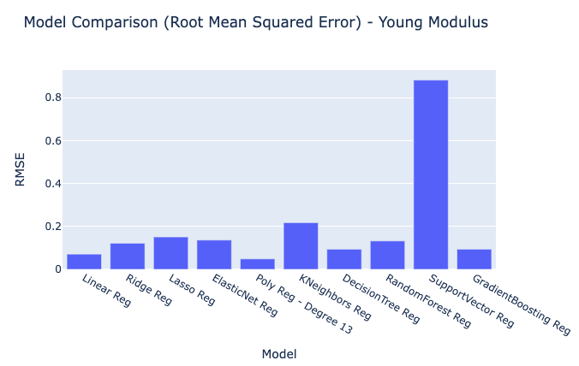
Model | RMSE
Linear Reg | 0.07115353491
Ridge Reg | 0.12193081663980988
Lasso Reg | 0.15128156578770705
ElasticNet Reg | 0.13657037694845128
Poly Reg - Degree 13 | 0.048916002171
KNeighbors Reg | 0.21777256229582506
DecisionTree Reg | 0.094154128959
RandomForest Reg | 0.13249101139322958
SupportVector Reg | 0.8820346246085027
GradientBoosting Reg | 0.094192802913

YM_MAE
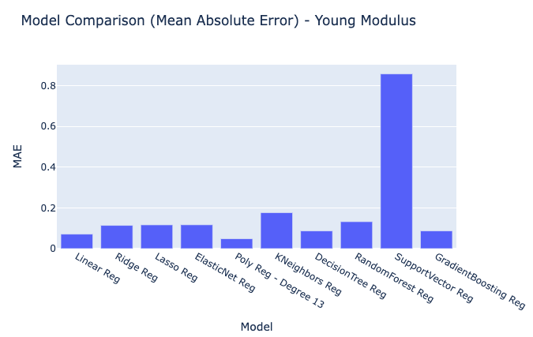
Model | MAE
Linear Reg | 0.071132061675
Ridge Reg | 0.11407328571
Lasso Reg | 0.11669084902
ElasticNet Reg | 0.11699393942
Poly Reg - Degree 13 | 0.048547484608
KNeighbors Reg | 0.17666666667
DecisionTree Reg | 0.087
RandomForest Reg | 0.1324
SupportVector Reg | 0.85842941341
GradientBoosting Reg | 0.087040860802

YM_RawModelResults
Young Modulus Predicted Values | Models | Index
7.274342088864051 | Linear Reg | 0
7.047880012487061 | Linear Reg | 1
6.769906516596993 | Linear Reg | 2
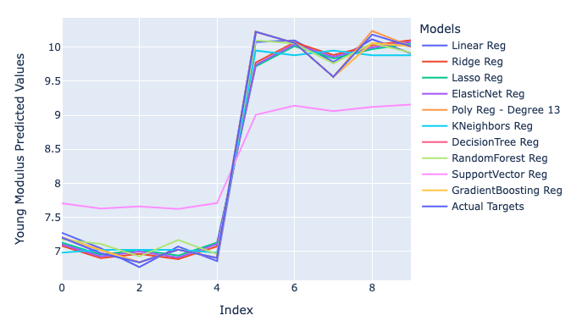
7.073812093151044 | Linear Reg | 3
6.860939301387916 | Linear Reg | 4
10.074558037595205 | Linear Reg | 5
10.095308942498757 | Linear Reg | 6
9.780383381480403 | Linear Reg | 7
10.112615889137045 | Linear Reg | 8
9.9067496384 | Linear Reg | 9
7.081838292224163 | Ridge Reg | 0
6.903989569905732 | Ridge Reg | 1
6.966489424751956 | Ridge Reg | 2
6.889669760724803 | Ridge Reg | 3
7.075329522864859 | Ridge Reg | 4
9.771441186885127 | Ridge Reg | 5
10.069319182002367 | Ridge Reg | 6
9.8822598925 | Ridge Reg | 7
10.024863858674308 | Ridge Reg | 8
10.099652738032553 | Ridge Reg | 9
7.129413869498654 | Lasso Reg | 0
6.954586655626712 | Lasso Reg | 1
7.023457982303539 | Lasso Reg | 2
6.939450100313125 | Lasso Reg | 3
7.131684352795693 | Lasso Reg | 4
9.716251172590855 | Lasso Reg | 5
10.01368448450286 | Lasso Reg | 6
9.833559476271162 | Lasso Reg | 7
9.969031646327775 | Lasso Reg | 8
10.048498561724113 | Lasso Reg | 9
7.106283371543086 | ElasticNet Reg | 0
6.928460911351903 | ElasticNet Reg | 1
6.9985121835484305 | ElasticNet Reg | 2
6.913065027352667 | ElasticNet Reg | 3
7.108592754142972 | ElasticNet Reg | 4
9.737439947012628 | ElasticNet Reg | 5
10.039969067597628 | ElasticNet Reg | 6
9.856758048006714 | ElasticNet Reg | 7
9.9945512098 | ElasticNet Reg | 8
10.075379600795873 | ElasticNet Reg | 9
7.204999999999956 | Poly Reg - Degree 13 | 0
7.017554404713275 | Poly Reg - Degree 13 | 1
6.8420000000000885 | Poly Reg - Degree 13 | 2
7.026000000000131 | Poly Reg - Degree 13 | 3
6.905999999999912 | Poly Reg - Degree 13 | 4
10.223000000000075 | Poly Reg - Degree 13 | 5
10.059000000000067 | Poly Reg - Degree 13 | 6
9.563999999999835 | Poly Reg - Degree 13 | 7
10.23654056450246 | Poly Reg - Degree 13 | 8
10.010999999999724 | Poly Reg - Degree 13 | 9
6.984333333333333 | KNeighbors Reg | 0
7.024333333333334 | KNeighbors Reg | 1
7.024333333333334 | KNeighbors Reg | 2
7.024333333333334 | KNeighbors Reg | 3
6.984333333333333 | KNeighbors Reg | 4
9.948666666666666 | KNeighbors Reg | 5
9.878 | KNeighbors Reg | 6
9.948666666666666 | KNeighbors Reg | 7
9.878 | KNeighbors Reg | 8
9.878 | KNeighbors Reg | 9
7.205 | DecisionTree Reg | 0
7.026 | DecisionTree Reg | 1
6.842 | DecisionTree Reg | 2
7.026 | DecisionTree Reg | 3
6.906 | DecisionTree Reg | 4
10.223 | DecisionTree Reg | 5
10.059 | DecisionTree Reg | 6
9.564 | DecisionTree Reg | 7
10.059 | DecisionTree Reg | 8
10.011 | DecisionTree Reg | 9
7.180220000000003 | RandomForest Reg | 0
7.112309999999996 | RandomForest Reg | 1
6.930439999999994 | RandomForest Reg | 2
7.168429999999996 | RandomForest Reg | 3
6.963609999999991 | RandomForest Reg | 4
10.096949999999985 | RandomForest Reg | 5
10.05450999999999 | RandomForest Reg | 6
9.758969999999987 | RandomForest Reg | 7
10.05450999999999 | RandomForest Reg | 8
9.917939999999989 | RandomForest Reg | 9
7.7091204810863845 | SupportVector Reg | 0
7.630737476715094 | SupportVector Reg | 1
7.661259327687971 | SupportVector Reg | 2
7.624093512797274 | SupportVector Reg | 3
7.710152468856772 | SupportVector Reg | 4
9.005706152290141 | SupportVector Reg | 5
9.140591889470455 | SupportVector Reg | 6
9.059879483983122 | SupportVector Reg | 7
9.120878649895383 | SupportVector Reg | 8
9.155816843896021 | SupportVector Reg | 9
7.205033852502883 | GradientBoosting Reg | 0
7.026038462664959 | GradientBoosting Reg | 1
6.842044083748705 | GradientBoosting Reg | 2
7.026038462664959 | GradientBoosting Reg | 3
6.906041349231446 | GradientBoosting Reg | 4
10.222951961420124 | GradientBoosting Reg | 5
10.058956741061637 | GradientBoosting Reg | 6
9.563971194162907 | GradientBoosting Reg | 7
10.058956741061637 | GradientBoosting Reg | 8
10.010962355207337 | GradientBoosting Reg | 9
7.205 | Actual Targets | 0
6.975 | Actual Targets | 1
6.842 | Actual Targets | 2
7.026 | Actual Targets | 3
6.906 | Actual Targets | 4
10.223 | Actual Targets | 5
10.059 | Actual Targets | 6
9.564 | Actual Targets | 7
10.182 | Actual Targets | 8
10.011 | Actual Targets | 9

