Table 1
For official use GOVERNMENT OF INDIA MINISTY OF WATER RESOURCES CENTRAL GROUND WATER BOARD
GROUND WATER BROCHURE OF KORBA DISTRICT, CHHATTISGARH 2012-2013
Pondi-uprora

Pali  |  |  |  |  |  |  |  |  |  |  |  |  |  |  |  |  |  |  |  |  |  |  |  |  |  |  |  Katghora |  |  |  |  |  |  |  |  | K o r b a    Kartala
Regional Director North Central Chhattisgarh Region, Reena Apartment, IInd Floor, NH-43, Pachpedi Naka, Raipur-492001 (C.G.) Ph. No. 0771-2413903, 2413689 E-mail: rdnccr- cgwb@nic.in
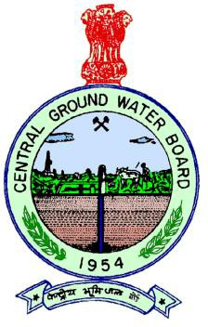
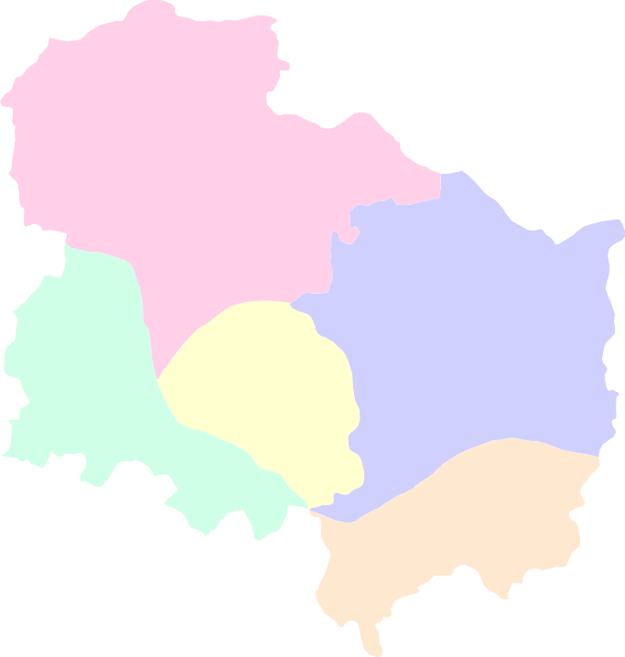
ACKNOWLEDGEMENT
The author is grateful to Shri Sushil Gupta, Chairman, Central Ground Water Board for giving this opportunity to prepare the ‘Ground Water Brochure’ of Korba district, Chhattisgarh. The author is thankful to Shri K.C.Naik, Regional Director, Central Ground Water Board, NCCR, Raipur for his guidance and constant encouragement for the preparation of this brochure. The author is also thankful to Shri S .K. Verma, Sr Hydrogeologist (Scientist ‘C’) for his valuable comments and guidance. A. K. PATRE Scientist ‘C’
GROUND WATER BROCHURE OF KORBA DISTRICT DISTRICT AT A GLANCE I. General 1. Geographical area : 7145.44 sq.km 2. Villages : 717 3. Development blocks : 5 nos 4. Population (2011) : 1206563 5. Average annual rainfall : 1329 mm 6. Major Physiographic unit : Northern Hilly and part of Chhattisharh Plain 7. Major Drainage : Hasdo, Teti, Son and Mand rivers 8. Forest area : 1866.07 sq. km II. Major Soil 1) Alfisols : Red gravelly, red sandy and red loamy 2) Ultisols : Lateritic soil, Red and yellow soil 3) Vertisols : Medium grey black soil III. Principal crops 1) Paddy : 109207 ha. 2) Wheat : 670 ha. 3) Pulses : 9556 ha. IV. Irrigation 1) Net area sown : 1314.68 sq. km 2) Gross Sown area : 1421.32 sq. km 3) Gross irrigated area : 8325 hectares a) By dug wells : 827 ha b By tube wells : 305 ha c) By tank/Ponds : 489 ha d) By canals : 4579 ha e) By other sources

VII. Hydrogeology 1) Water bearing formation : Weathered & fractured granite Porous Sandstones and Fractured shales, Cavernous Limestone
2) Water level a) Pre monsoon water level depth (May- 07) : 3.18 m to 22.23 m bgl b) Post monsoon water level depth (Nov-07) : 0.81m to 13.72 m bgl c) Water level trend (2001 - 2011) : 0.3 m/Fall in Korba and Salihabhata area VIII. Ground water exploration 1) Wells drilled : 83 no a) Exploration : 42 no b) Observation : 06 no c) Piezometer : 35 no 2) Depth range 45 to 341 mbgl 3) Discharge : 0.2 to 7.1 lps 4) Transmissivity : 0.87 to 56 m2/day (For Granites) 1.8 to 142.75 m2/day ( For Sandstone) IX. Ground water quality : Useful for all purposes. X. Ground water resources (2009) 1) Annual available resource : 42483 ha.m 2) Ground water draft : 6364.92 ha.m 3) Stage of ground water development : 14.98 % XI. Awareness and training activity : Mass Awareness Training Programme at Korba (2005-06, 09-10,12-13) On Roof Top rainwater Harvesting and Artificial XII. Artificial recharge and rain water harvesting 1) Projects by CGWB : Nil 2) Projects under technical guidance of CGWB : Nil XIII. Ground water control and regulation : Nil (No over exploited, Critical, notified areas) XIV. Major ground water problems and issues : Nil

GROUND WATER BROCHURE OF KORBA DISTRICT, CHHATTISGARH By A. K. Patre, Scientist ‘C’
1. General The Korba district covers an area of 7145.44 sq. km. It consists of 717 no of villages. For administrative convenience these villages are grouped into 5 tehsils and 5 development blocks. Korba is the district headquarters. The block head quarters are Korba, Pali, Poudi Uprora, Katghora and Kartala. The district is known mainly for its industrial development and mineral wealth. It is one of the leading Hydro and Thermal electricity producing districts of Chhattisgarh state. Fig.1 shows the location of the district along with the drainage, block head quarters, location of NHS established by CGWB and exploratory wells drilled. The entire area of the district is drained by River Hasdo except small area in eastern part. The tributaries are Tan, Teti Sondi Charnoi and Aharan Rivers. River Hasdo flows north to south through out its length in the district and eventually joins the Mahanadi River. The River Mand flows through eastern boundary of Korba district with Raigarh district. The tributaries for Mand River are Bijakera Nala, Chula Nala, Dhuwan Nala Korumsara Nala and Aonra Nala. The drainage pattern is typically dendritic in central and north western part and trellis in eastern part of the district controlled by initial slope. The drainage density is very high in the hilly areas of north and north-west part of the district indicating that the infiltration is low. A major irrigation project, named Minimata hasdeo Bango project is constructed on River Hasdeo, 42 kms away from the district headquarter, Korba and 12 km from Katghora. The main reservoir is spread over an area of 187 sq.kms and the gross catchment area of the reservoir is 6730 sq.kms. The live storage capacity of the reservoir is 3416 mcm and it caters the irrigation requirement of the adjoining districts. A well distributed canal network is spread in Akaltara, Janjgir, Champa, Sakti, Kharsia blocks of the Janjgir

Fig. 1
23° 00' |  |  |  |  |  |  |  |  |  |  |  |  |  | Index map of Korba district 
0 10 20
kilometers
−
22° 45' |  |  |  |  |  |  |  |  |  |       Pondi-uprora  
22° 30' |  |  |  |  |  |  |  |  |  |  |  |  |  |  |  |  | −  Katghora 
      Pali 
  |  |  |  |  |  |  |  |  |  |  |  |  |  |  |  |  |  |  |  |  |     |  |  |  |  |  |  |  |  |  |  |  | Korb a
22° 15' |  |  |  |  |  |  Key Map |  |  |  |  |  |  |  |  |  |  |  |  |  |  |      |  |  |  |  |  |  |  |  |  |  |  |  |  | −       |  |  |  |  |  |  |  |  |  |  |  |    Kartala
  
22° 00' |  |  |  |  |  |  |  |  |  |  |  |  |  |  |  |  |  | Block boundary District boundary |  |  |  |  |  |  |  |  |  |  |  |  |  |  |  |  |  |  | Legend   |  |  |  |  | National hydrograph Station Exploratory well
 Block head quarter |  |  |  |  |  |  |  |  |  |  |  |  |  |  |  |  |  |  |  |  |  |  |  |  |  |  |  |  |  |  |  |  |  |  |  |  |  |  |  |  Piezometer Monitoring station
21° 45' |  |  |  |  |  |  |  |  |  |  |  |  |  |  |  |  |  |  |  |  |  |  |  |  |  District head quater Road Railway |  |  |  |  |  |  |  |  |  |  |  |  |  |  |  |  | Basin devide Drainage Surface Water Body
82° 15' |  |  |  |  |  |  |  |  |  |  |  |  |  |  |  |  |  |  |  |  | 82° 30' |  |  |  |  |  |  |  |  |  |  |  | 82° 45' |  |  |  |  |  |  |  |  |  |  |  | 83° 00'
The district can be divided in to two Physiographic divisions. southern part of the district represents Chhattisgarh plains, with an elevation ranging between 290 and 320 m amsl. The northern part of the district is predominantly representing denudation hills. This is characterized by hilly tracks and intermediate plateau, flanked by high mounds and hillocks rising to an altitude of 1000 meters. The elevation of this region ranges from 400 to1000 meters. The slope is towards south direction. The main Geomorphological features and landforms developed in the district are structural plain, plateaus, and denudational hills. The soils in the district are having wide variations. About 83% of the district area, is covered by yellowish to reddish Alfisols, These soils are derived from weathering of crystallines and metamorphic rocks. About 14% area of the district in north and eastern parts is covered by Ultisols in the form of laterites. The remaining part of the district is represented by light grey and shallow black inceptisols, covering small parts of Pondi Upreda blocks. Inceptisols are soils of relatively new origin. 2. Geology and Hydrogeology The district is underlain mainly by three distinct geological formations ranging in age from Achaean to recent. The crystalline basement, occupy western and southwestern parts of the district, comprising of granite and granitic gneiss rocks belonging to Chhota Nagpur group, severally intruded by the quartz veins and basic dykes. The rocks of Chhattisgarh Super group are unconformably overlying the basement crystalline and are represented by the sandstone, limestone and shale sequence occupying small area at southern part of the district. The major part of the district is occupied by the rocks of Gondwana of Super Group are overlying the Chhattisgarh Super group and represented by the sandstone, shale and c

In all, 13 no of observation wells ( National Hydrograph Network Stations) and 4 no piezometers were established in the district to monitor water levels 4 times a year and water quality once a year. The pre-monsoon ground water level in the district (Fig.2) varies from 3.18 to 13.47 mbgl with average water level of 8.3 mbgl and the post monsoon water level ( Fig.3) varies from 0.81 to 10.21 mbgl with average water level of 4.5 mbgl. The water level fluctuation varies from 2.5 to 9.36 m with average fluctuation of 4.4 mbgl The water level trend (10 years) for premonsoon period indicates a rising trend in 29% of the stations with no significant rise in any station and a falling trend 71% of stations with significant fall in 2 stations ie: Korba and Salihabhata. The post -monsoon water level trend indicates a rising trend in 29 % of the stations with a significant rise in 1 stations at Pondi and a falling trend in remaining 71% of stations with a significant fall in 1 stations ie: Kartala. Nearly 75% of the exploratory wells drilled in hard rock terrain and remaining 25 %m in soft rock terrain by the department. The yield in granitic rocks varies from 0.5 to 3.5 lps. Nearly 15% of the exploratory wells in granitic rocks yielded more than 3 lps. The yield in Sedimentary formation varies from 0.28 to 7.1 lps. Nearly 27% of the exploratory wells drilled in Sedimentary formation yielded more than 3 lps. The Transmissivity values for granitic varies from 0.87 to 56 m2/day and for sedimentary rocks, mainly sandstones, is 1.8 to 142.75 m2/day. 3. Ground water resource The ground water resources for Korba district were estimated based on the GEC 1997 methodology and were projected to the year 2009. The estimates indicate that the annual replenishable ground water resource for the district was 456.15 mcm. . The net annual ground water availability was 424.83 mcm The gross annual draft was estimated as 63.65 mcm, out of which draft for irriga

Fig. 2 |  |  |  |  |  |  |  |  |  |  |  |  | Pre-monsoon depth to water level ( May 2012)
23° 00' 
0 10 20  kilometers
22°  45' 
−
Pondi-uprora  
22° 30' |  |  |  |  |  |  |  |  |  |  | −  Katghora   
Pali  |  |  |  |  |  |  |  |  |  |  |  |  |  |  |  |  |  | −    |  |  |  |  |  |   |  |  |  |  |  |  |  | Korba
22° 15' |  |  |  |  |  |  |  |  |  |  |  |  |           |  |  |  |  |  |  |  |  |  |  |  |  |  |  |  |  |  |  |  |  |  |  |  |  |  |  |  |  |  |  |  |  |  |  |  Kartala
22° 00' |  |  |  |  |  |  |  |  |  |  |  |  |  |  |  |  |  | Block boundary District boundary |  |  |  |  |  |  |  |  |  |  |  |  |  |  |  |  |  |  |  |  |  |  |  | Legend |  |  |  |  |  |  |  |  |  | Surface Water Body
21° 45' |  |  |  |  |  |  |  |  |  |  |  |  |  |  |  |  |  |  |  |  |  |  |  |  |  |  |  |  |  | Drainage Basin devide  National Hydrograph Station  Block head quarter  District head quater  Piezometer monitoring station |  |  |  |  |  |  |  |  |  |  |  |  |  |  |  |  |  |  | Depth to water level (mbgl) 0 - 5 5 - 10 10 - 15

82° 15' |  |  |  |  |  |  |  |  |  |  |  |  |  |  |  |  |  |  | 82° |  |  |  |  |  | 30' |  |  |  |  |  |  | 82° 45' |  |  |  |  |  |  |  |  |  |  |  |  |  | 83° 00'
Fig. 3 |  |  |  |  |  |  |  |  |  |  |  | Post-monsoon depth to water level (November 2012)
23° 00' 
0 10 20
− kilometers
22° 45' 
−
Pondi-uprora  
22° 30' |  |  |  |  |  |  |  |  |  |  |  |  | −  Katghora
− Pali   |  |  |  |  |  |  |  |  |  |  |  |  |  |  |  |  |  |  |  |  |  |  |  |  |  | − Korba
22° 15' |  |  |  |  |  |  |  |  |  |  |  |  |  |  |  |  |  |  |    Kartala
22° 00' |  |  |  |  |  |  |  |  |  |  |  |  |  |  |  |  | Block boundary District boundary Drainage Basin devide |  |  |  |  |  |  |  |  |  |  |  |  |  |  |  |  |  |  |  |  |  |  |  | Legend |  |  |  |  | Surface Water Body Depth to water level (mbgl)

21° 45' |  |  |  |  |  |  |  |  |  |  |  |  |  |  | − National Hydrograph Station  Block head quarter  District head quater  Piezometer monitoring station |  |  |  |  |  |  |  |  |  |  |  |  |  |  |  |  |  |  |  |  |  |  |  |  |  |  |  |  |  |  |  |  |  |  | 0 - 3 3 - 5 5 - 10

82° 15' |  |  |  |  |  |  |  |  |  |  |  |  |  |  |  |  |  | 82° |  |  |  |  | 30' |  |  |  |  |  |  | 82° 45' |  |  |  |  |  |  |  |  |  |  |  | 83° 00'
Fig. - 4
Ground Wat Net Ground resouces ava Ground wate for future us |  |  |  | er Resour 15320.65 14300.67 Pali  L water ilable (ham r resouces e (ham) |  |  |  |  | ce ( 8 5. P e |  |  | as on 99.81 87 ondi- 423 256 g e n Grou Stage devel |  |  |  | Mar upro 5.00 1.56 d nd w of g opm |  |  | ch 2009) ra 1558.61 36.8  ater draft ( round wat ent ( % ) |  |  |  | Map K o   ham) er |  |  |  |  | of Korba D r b a 5419.35 3688.62 |  |  |  |  |  | istrict  Kartala 1634.58 30.16

 |  |  |  |  |  |  |  |  |  |  |  |  |  |  |  |  |  |  |  |  |  |  |  | 11092.77 |  |  |  |  |  |  | 927.96
6415.51 4952.24 |  |  | 1343.96  20.95 Katghora |  |  |  |  |  |  |  |  |  |  |  |  |  |  |  |  |  |  |  |  | 10071.67 |  |  |  |  |  |  | 8.37
)
for the district is presented as Fig.5. The yield potential and the recommended suitable abstraction structures for the area are shown in Fig.6. The total 5876 Dug well is being used for irrigation purposes. The dug well depth varies from 4 to 15 m and the dia varies form 2.00 to 3.5 m. Diesel or electric operated pumps of 0.25 to 1HP or traditional teda is used to lift the water from dug wells for the irrigation purposes. The bore wells 515 no. drilled in the area with 60 to 90m deep and dia varying from 0.10 to 0.15 m. The electrical pump or rope and bucket are used to lift the water for domestic purpose. Submersible electrical pumps of 3 to 5 HP are used for irrigation purpose in case of bore wells in the area. The bore wells in granitic terrain can irrigate an area of 0.5 to1.5 ha for paddy crops. Ground water is the main sources of drinking water in the district. There are 11028 hand pumps installed covering 713 no of villages in the district . In all 515 no of bore wells and 5876 no of dug wells exist in the district. Together they irrigate around 1132 ha. The contribution of ground water for irrigation comes to nearly 15 % in the district. The use of ground water in non-command area is maximum. 5. Ground water quality The water samples collected from NHS stations during the month of May 2007 (premonsoon) were analysed to determine the quality of ground water in the district. The analysis shows that the major ions are as per BIS standard and the ground water in the district is suitable for all purposes. The plot of Piper tri linear diagram and US salinity diagram indicates that the ground water in the district is suitable for drinking, irrigation and all other purposes. The EC values particularly in granitic terrain range between 298 to 785 micro siemens/cm at 25oC. and the pH values range between 7.7 and 8.1. In sedimentary rocks the EC values ranges between 300 and 685 mi

Fig. 6 |  |  |  |  |  | Ground Water Development Potential and Artificial Recharge Prospects in Korba District
23° 00' 22° 45' |  |  |  |  |  |  |  Pasan |  |  |  |  |  |  |  |  Korbi |  |  |  |  |  |  |  |  | Madai  |  |  |  |  |  | Morga  |  |  |  |  |  |  |  |  |  |  |  |  |  |  |  |  |  0 10 20 kilometers
 |  | Chatu

Nagai 

Tuman 

Pondi-uprora  |  |  |  |  |  |  |  |  |  |  |  |  |  |  |  |  |  |  |  |  |  |  |  |  |  |  |  |  |  |  |  |  |  |  |  |  |  | Karela  |  |  |  |  |  |  |  |  |  |  |  |  |  Syang
22° 30' |  |  |  |  |  |  | rgarh |  |  |  |  |  |  |  |  |  |  Katghora |  |  |  |  |  |  |  |  |  |  |  |  |  |  |  |  |  |  |  |  |  |  | Laped 
Chaitma  |  |  |  |  |  |  |  |  |  |  |  |  |  |  |  |  |  |  |  |  |  |  |  |  |  |  |  |  |  | Gopalpur 
Pali Banbandha 
 Dipka |  |  |  |  |  |  |  |  |  |  |  |  |  |  |  |  |  |  |  |  |  |  |  |  |  |  |  |  |  |  |  |  | Korba
 Bhilai bazar
22° 15' |  |  |  |  |  |  |  |  |  |  |  |  |  |  |  |  |  |  |  | Urga |  |  |  |  |  |  |  |  |  |  | Salihabhata  |  | Kartala
 Tuman
22° 00' |  |  |  |  |  | L e g en d
Area feasible for |  |  |  |  |  |  |  |  |  |  |  |  |  |  |  |  |  |  |  |  |  |  |  |  | District boundary |  |  |  |  |  |  |  |  |  |  |  |  |  |  | Ground Water Potential
Dug well Dug well / Bore well |  |  |  |  |  |  |  |  |  |  |  |  |  |  |  |  |  |  |  |  |  |  District head quater  Block head quarter |  |  |  |  |  |  |  |  |  |  |  |  |  |  |  |  | (YIELD liter/sec) Soft rock |  |  |  |  |  |  |  |  |  |  |  |  | Hard rock

21° 45' |  |  |  |  | Bore well / Tubewell Deep Tube well |  |  |  |  |  |  |  |  |  |  |  |  |  |  |  |  |  | Surface Water Body Area suitable for Artificial Recharge |  |  |  |  |  |  |  |  |  |  |  |  |  |  |  | 1-3 1-5 |  |  |  |  | 1-10 |  |  |  |  | 1-3 |  |  |  | 1-5 | 1-10

82° 15' |  |  |  |  |  |  |  |  |  |  |  |  |  |  |  |  |  |  | 82° |  |  |  |  | 30' |  |  |  |  |  |  | 82° 45' |  |  |  |  |  |  |  |  |  |  |  | 83° 00'
Irrigation Development is in order of 356.05 mcm. The stage of ground water development is only 14.98 %. 7. Water Conservation and Artificial Recharge The normal annual rainfall for the district is 1329 mm. There exist a huge surplus non-committed run off in the district. Rain water harvesting and artificial recharge structures at suitable locations can be constructed to improve the storage capacity of the surface and subsurface reservoirs. An area of about 899 sq.kms in the district has been identified feasible for artificial recharge of ground water and is shown in fig.6. 8. Awareness and Training activity: So far Four Mass Awareness Training Programme on Roof Top Rain Water Harvesting and artificial recharge has been organized during 2005-06, 2009- 10 and 2012-13 by Central Ground Water board at district Head Quarter, Korba. Representatives from PHED, State Ground Water Survey dept. and Forest department, NGO’s and ground water professionals were participated in this training programme.
Fig. 5
 | 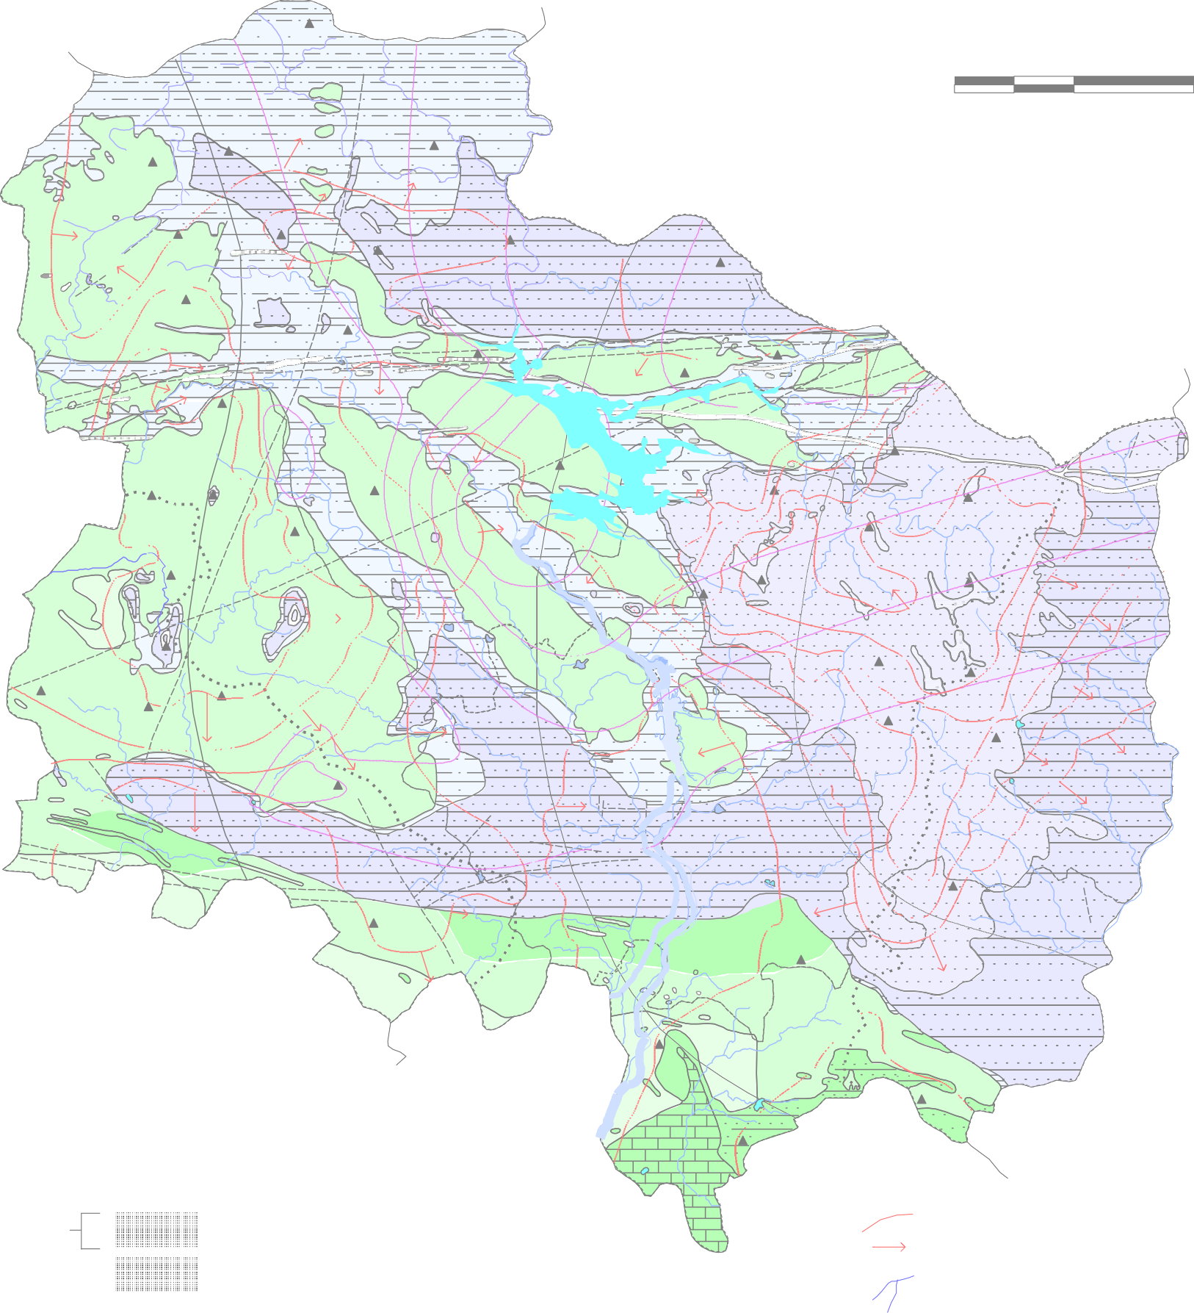 Hydrogeological Map of Korba District  400 450 500 1300 0 10 20  500  kilometers      481    650  436         600  

82° |  |  |  |  |  |  |  | 15' |  |  |  |  |  |  |  |  |  |  | 82° |  |  |  |  |  |  |  |  |  | 30' |  |  |  |  |  |  |  | 82° |  |  |  |  |  |  |  |  |  |  | 45' |  |  |  |  |  | 83° | 00'
23° 00
22° 45'
22° 30'
22° 15'
22° 00' 21° 45'

