Table 1
For Official use
GOVERNMENT OF INDIA MINISTY OF WATER RESOURCES CENTRAL GROUND WATER BOARD
GROUND WATER BROCHURE OF RAIPUR DISTRICT, CHHATTISGARH 2012-2013
Regional Director North Central Chhattisgarh Region, Reena Apartment, IInd Floor, NH-43, Pachpedi Naka, Raipur-492001 (C.G.) Ph. No. 0771-2413903, 2413689 E-mail: rdnccr- cgwb@nic.in
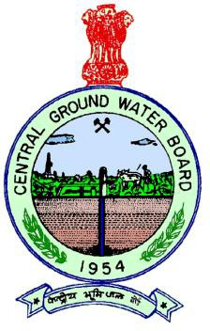
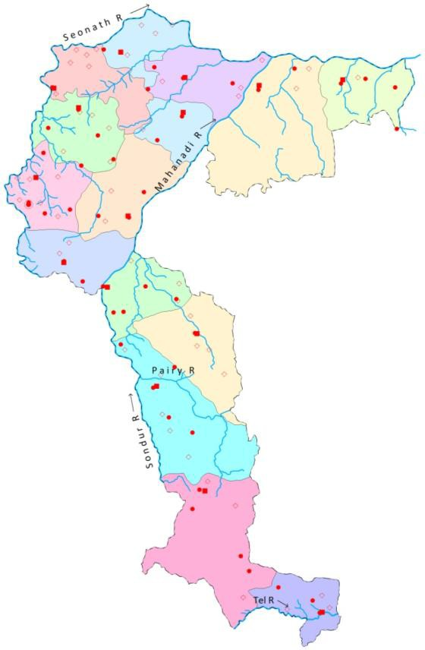
GROUND WATER BROCHURE OF RAIPUR DISTRICT DISTRICT AT A GLANCE
1 |  | GENERAL INFORMATION
 |  | i) Geographical area (Sq. km) |  |  |  |  |  |  |  |  |  |  |  |  |  | 13446
 |  | ii) Administrative Divisions a) Number of Block b) Number of Villages |  |  |  |  |  |  |  |  |  |  |  |  |  | 15 no.s 2134 no.s
 |  | iv) Annual Normal Rainfall (IMD) |  |  |  |  |  |  |  |  |  |  |  |  |  | 1319 mm
 |  | v) Annual Rainfall (IMD, 2011) |  |  |  |  |  |  |  |  |  |  |  |  |  | 1323 mm
2 |  | GEOMORPHOLOGY
 |  | i) Major Physiographic Units |  |  |  |  |  |  |  |  |  |  |  |  |  | Chhattisgarh plain and the Hilly Areas
 |  | ii) River Basin and Major Drainages |  |  |  |  |  |  |  |  |  |  |  |  |  | Mahanadi Basin; Pairy, Sondur, Jok, Kharun and Shivnath
3 |  | LAND USE (Sq. km)
 |  | i) Forest Area |  |  |  |  |  |  |  |  |  |  |  |  |  | 5259
 |  | ii) Net Area Sown |  |  |  |  |  |  |  |  |  |  |  |  |  | 5490
4 |  | MAJOR SOIL TYPES |  |  |  |  |  |  |  |  |  |  |  |  |  | Red gravelly/ sandy (Alfisols),Shallow black(Inceptisols),Red and yellow, lateritic(Ultisols)
5 |  | AREA UNDER PRINCIPAL CROPS, in Sq. km (As on 2012) |  |  |  |  |  |  |  |  |  |  |  |  |  | Rice: 2095 Pulses: 35 Wheat: 69
6 |  | IRRIGATION (GROSS) BY DIFFERENT SOURCES (2012) (Areas in Ha and Numbers of Structures)
 |  | i) Dug wells |  |  |  |  |  |  |  |  |  |  |  |  |  | 2758/ 22664
 |  | ii) Tube wells/Bore wells |  |  |  |  |  |  |  |  |  |  |  |  |  | 52735/23994
 |  | iii) Canals |  |  |  |  |  |  |  |  |  |  |  |  |  | 239660/103
 |  | iv) Ponds |  |  |  |  |  |  |  |  |  |  |  |  |  | 6125/ 7986
 |  | v) Other sources |  |  |  |  |  |  |  |  |  |  |  |  |  | 9868
 |  | vi) Net Irrigated Area |  |  |  |  |  |  |  |  |  |  |  |  |  | 300813
 |  | vii) Gross Irrigated Area |  |  |  |  |  |  |  |  |  |  |  |  |  | 311961
7. NUMBERS OF GR 31.3.2012) |  |  |  |  |  |  |  | OUND WATER MONITORING WELLS OF CGWB (As on
i) No of Dugwells |  |  |  |  |  |  |  | 48
ii) No of Piezometer |  |  |  |  |  |  |  | s 31
8. PREDOMINANT G Archaeans: Basem Sonakhan group(Gr Proterozoics: Chh |  |  |  |  |  |  |  | EOLOGICAL FORMATIONS ent crystalline( Granites, Gneiss and metasediments ), anite gneiss,Quattzite & calc-silicate rocks) attisgarh Supergroup (Sandstone, Shale and Limestone)
9. HYDROGEOLOGY
i) Major Water Bear |  |  |  |  |  |  |  | ing Formation Proterozoic Sedimentaries (Cavernous Limestone,fractured and weathered Sandstones),fractured & weathered granites and gneisses etc.
ii) Pre-monsoon De During 2012 (mbgl) |  |  |  |  |  |  |  | pth to Water Level 2.75 to 15, Avg.: 7.1
iii) Post-monsoon D During 2012 (mbgl) |  |  |  |  |  |  |  | epth to Water Level 0.56 to 7.86, Avg.: 2.82
10. GROUND WATER |  |  |  |  |  |  |  | EXPLORATION BY CGWB (As on 31.3.2012)
i) No of Wells Drille |  |  |  |  |  |  |  | d EW: 103, OW: 25, PZ: 31 Total: 159
ii) Depth Range (m) |  |  |  |  |  |  |  | 30 to 304
iii) Discharge (litres |  |  |  |  |  |  |  | per second) 0.5 to 40
iv) Transmissivity ( |  |  |  |  |  |  |  | m2/day) 1.0 to 1108
11. GROUND WATER |  |  |  |  |  |  |  | QUALITY
Type of Water |  |  |  |  |  |  |  | Water is potable and fit for irrigation purpose.
12. DYNAMIC GROUN |  |  |  |  |  |  |  | D WATER RESOURCES (As on March 2009)- in ham

i) Annual Available Ground Water |  |  |  |  |  |  |  |  |  |  |  | 115628.28
Resources ii) Gross Annual Ground Water Draft |  |  |  |  |  |  |  |  |  |  |  | 43433.37
 |  |  | iii) Available Ground Water Resources for future use |  |  |  |  |  |  |  |  |  |  |  |  |  |  | 70745.44
 |  |  | iv) Stage of Ground Water Development (%) |  |  |  |  |  |  |  |  |  |  |  |  |  |  | 36.7
13 |  |  | AWARENESS AND TRAINING ACTIVITY
Mass Awareness Programmes Organised i) Year 1998-99, Place: Raipur ii) Year 2000-01, Place:Raipur iii) Year 2003-04, Place: Raipur iv) Year 2004-05, Place: Raipur v) Year 2005-06, Place: Raipur vi) Year 1999-2000, Place:Dharsiwa Water Management Training Programmes Organised i) Year 1998-99, Place: Raipur ii) Year 2000-01, Place: Raipur iii) Year 2003-04, Place: Raipur iv) Year 2010-11, Place: Raipur
14 |  |  | EFFORTS OF ARTIFICIAL RECHARGE & RAIN WATER HARVESTING
 |  |  | i) Projects Completed by CGWB (No & Amount spent) |  |  |  |  |  |  |  |  |  |  |  |  |  |  | Nil
 |  |  | ii) Projects Under Technical Guidance of CGWB (Numbers) |  |  |  |  |  |  |  |  |  |  |  |  |  |  | At Chhokra Nala and Borjhara Nala
15 |  |  | GROUND WATER CONTROL AND REGULATION
 |  |  | i) Number of Over Exploited Blocks (Stage of Development > 100%) |  |  |  |  |  |  |  |  |  |  |  |  |  |  | Nil
 |  |  | ii) Number of Critical Blocks (Stage of Development > 90%) |  |  |  |  |  |  |  |  |  |  |  |  |  |  | Nil
 |  |  | iii) Number of Blocks Notified |  |  |  |  |  |  |  |  |  |  |  |  |  |  | Nil
16 |  |  | MAJOR GROUND WATER PROBLEMS AND ISSUES: Nil
1.0 INTRODUCTION Raipur district is located in the centre of the Chhattisgarh state and is bounded by East longitudes 81°32’05” & 82°59’05” and by North latitudes 19°46’35” & 21°53’00” falling in the Survey of India topo-sheets nos 64G, 64H, 64K, 64L & 65I. It covers an area of 13446 sq.km. It is surrounded by Odisha state on the south, Durg and Dhamtari districts in the west, Bilaspur and Janjgir-Champa district in the north, Raigarh and Mahasamund districts in the east (Fig-1). Raipur is the district headquarters. National Highway No. 6 passes through the town. It is on the Mumbai- Howrah main railway line. The district is well connected by all weathered roads. For the convenience of administration, the district is divided into 15 no. of tehsils, 15 no. of Community Development blocks and 2134 no. of revenue villages. In the district there are 8 urban centers. The Raipur town is covered by Municipal Corporation. According to the 2001 census the total population of the district is 3016930,out of which rural population is 2099312 (69.58%) and remaining is urban population of 917618 (30.41 %). As per 2011 provisional census figure, the population of the district is 4062160.The decadal growth of population is 34.64%. The high decadal growth in population is attributed to the growth in population in urban areas which includes the capital city of Raipur as well. Mahanadi is the principal river of this district. Its tributaries are Pairy, Sondur, Joan, Kharun and Shivnath. The fertility of lands of Raipur district can be attributed to the presence of these rivers. Mahanadi originating in the hills of Sihava flows in the direction of East into the Bay of Bengal. Mahanadi crosses the district diagonally from its south western corner to Northern boundaries. Around 406368 hectares (30.22%) of the total area is covered by forest. The land is very fertile and is mostly

Fig. 1: Index Map of Raipur District
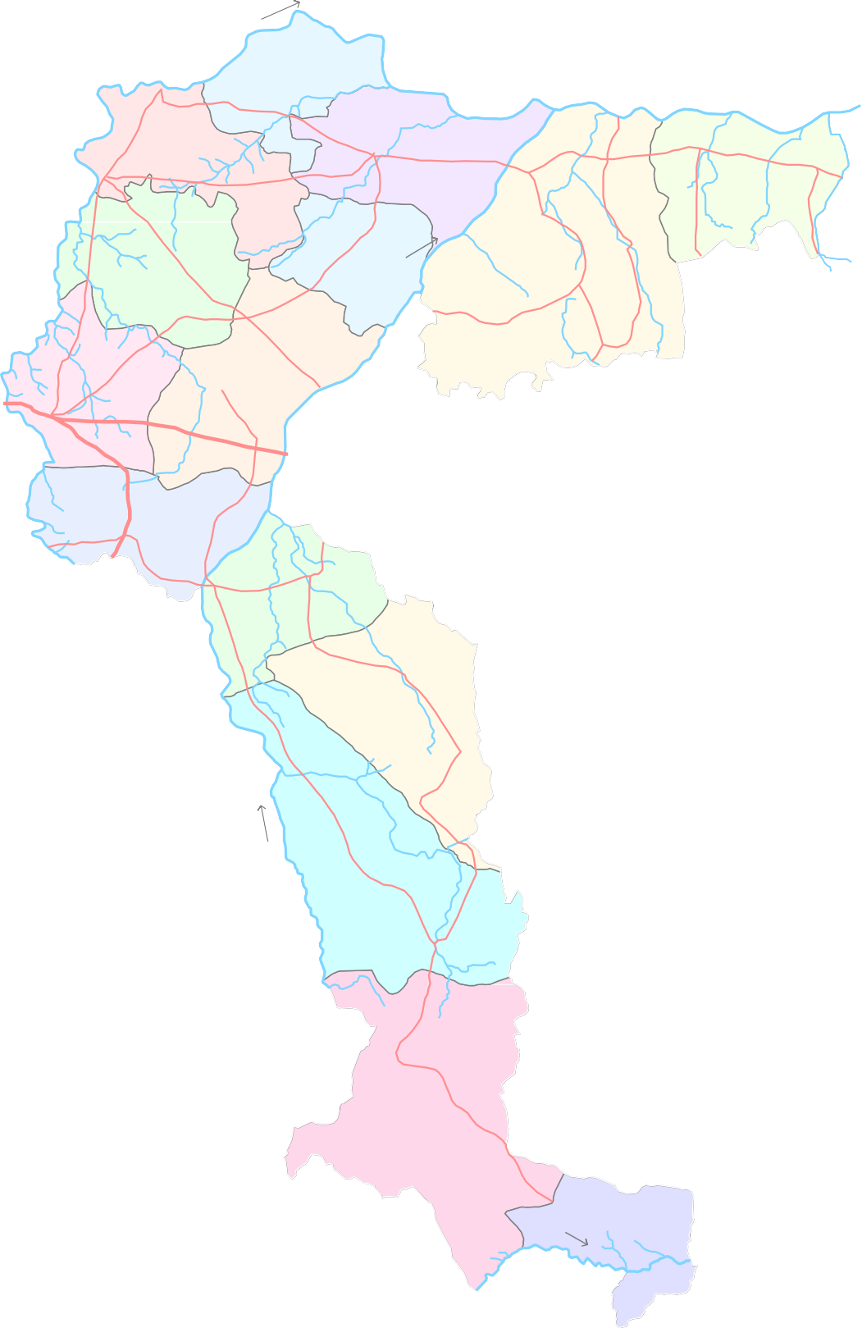 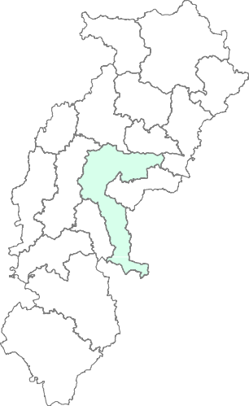  Bilaspur Dist. 0 20 40    Janjgir-Champa Dist. kilometers     Bhatapara         Balodabazar Bilaigarh   Simga   Kasdol      Tilda    Palari              Dharsiwa   Raipur     Arang  L E G E N D  State Boundary   Abhanpur  District Boundary   Block Boundary  Rajim   District Headquarters     Block Headquarters  Chhura National Hydrograph Satation   

C H H A T T I S G A R H |  |  |  |  |  |  |  |  |   Manpur           Deobhog Tel R
to early October with heaviest shower in the months of July and August. The normal rainfall in the district is 1319 mm and the average is 1323 mm in the year 2011. Raipur district has a tropical wet and dry climate; temperatures remain moderate throughout the year, except from March to June, which can be extremely hot. The highest temperature goes up to 43oC and observed in the months of May and June. Winters last from November to January and are mild and the lowest falls up to 13 °C and observed in the months of December and January. 3.0 GEOMORPHOLOGY & SOIL TYPES Geomorphologically the district is having matured type of land forms and can be broadly divided into two prominent geomorphic units. These are 1. Dissected pediplain made by Proterozoic shale- limestone dolomite area. 2. Alluvial Plain formed by Seonath-Mahanadi Alluvium. As per the US soil taxonomy only two soil types namely Vertisol and Ultisol have been found in the district. The soil orders in US soil taxonomy and their Indian equivalents, which are found in the district, are:
Sl. No. |  |  |  |  | US soil taxonomy |  |  | Indian equivalents
1 |  |  |  |  | Vertisol |  |  | Deep black soil
 |  |  |  |  |  |  |  | Medium black soil
2 |  |  |  |  | Ultisol |  |  | Lateritic soil
 |  |  |  |  |  |  |  | Red and yellow soil
Vertisols: They are characterised by a high content of expanding and shrinking clay known as montmorillonite that forms deep cracks in certain seasons. The indian equivalent of Vertisols which are available in the district are deep and medium black soils. These soils cover maximum parts of the district and are distributed in the entire district except the central and eastern part. Ultisols: The word "Ultisol" is derived from "ultimate", because Ultisols were seen as the ultimate product of continuous weathering of minerals in a humid temperate climate. This is a highly weathered and leached acid soil with high levels of clay
below the top layer. They are characterized by a humus-rich surface horizon (the uppermost layer) and by a layer of clay that has migrated below the surface horizon. The indian equivalent of Ultisols which are available in the district are Lateritic soil and red & yellow soils. They mainly occupy the entire eastern part and also as patches in the southern and central part of the district. 4.0 GEOLOGY & HYDROGEOLOGY The district is underlain mainly by two distinct geological formations ranging in agefrom Achaean to recent. The crystalline rocks occupy major parts of the district comprising of granite, granite gneiss, phyllite, and schist. Granites and phyllites intruded by quartz veins form the basement of the basin. The Chhattisgarh super group overlies granites. The contact between the Achaeans and the overlaying sedimentary is faulted alongthe western margin of the basin, which can be confirmed by the presence of highly sheared and brecciaed rocks in this region while unconformity lies between these two in the remaining portions of the basin, which can be quite evidenced by the presence of pebbly conglomerate bed at the basal portion of the sedimentaries. The rocks of Chhattisgarh Super group are unconformably overlying the basement crystalline and are represented by the sandstone, limestone and shale sequence occupying the north central and central part of the district. The rocks of Chhattisgarh super group have been classified into Chandrapur group and Raipur Group. The rocks of Chandrapur group are the oldest of Chhattisgarh Supergroup and can be further divided into three formation viz Lohardih, Choparadih and Kansapathar arranged in the ascending order of superposition. The sequence shows a variable thickness ranging from 20 m to as much as 90 m. The maximum thickness is attained in the SE part,

aquifer in the district. The alluvium blanket along the major rivers also form good repository of ground water. There are 79 no. of permanent observation wells (National Hydrograph Network Stations); out of which 48 nos are dug wells and 31 no.s are piezometers. These are established in the district to monitor the water levels four times a year and water quality once in a year. The pre-monsoon ground water level in the district (Fig 2) varies from 2.75 to 15 mbgl with an average value around 7.1 mbgl and the post- monsoon water level (Fig 3) varies from 0.56 to 7.86 mbgl with an average around 2.8 mbgl. The water level trend (for 10 years) for pre-monsoon and post-monsoon period on an average does not show significant change. Hard rock areas in the district have been proved to be potential aquifers. Under ground water exploration programme 128 bore wells have been drilled in the district ranging in depth from 30 to 304 m. They have yielded upto 40 lps. The aquifer parameters determined for various Formations based on preliminary yield test (PYT) results and aquifer performance test in the area shows that the limestone and dolomites of Chandi and Tarenga Formations have good transmissivity values. The yield of the wells drillied by CGWB in Chhattigarh formation varies from 0.5 to 40 Ips. The transmissivity of this formation ranges from 1.00 to 1108 m2/day and the specific capacity ranges between 2 and 20 Ipm/m of draw down and storativity ranges from 0.003 to 0.000224. The transmissivity value of Chandi Formation varies from 2.2 to 110m2/day where Tarenga Formation has transmissivity values ranging from 9.6 to 166 m2/day. The limestone and shale of Charmuria and Gundedehi Formations have very low transmissivity values varing between 1 and 2.5m2/day. The yield of wells in granite complex ranges from negligible to 10 Ips with the average value around 2 to 5 Ips. 5.0 GR

Fig. 2: Pre-Monsoon ( May 2012) Depth to Water Level in Raipur District
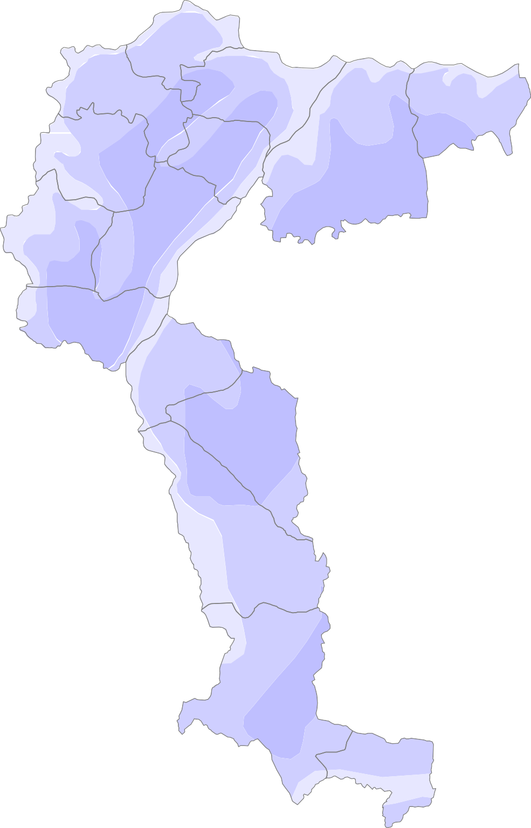 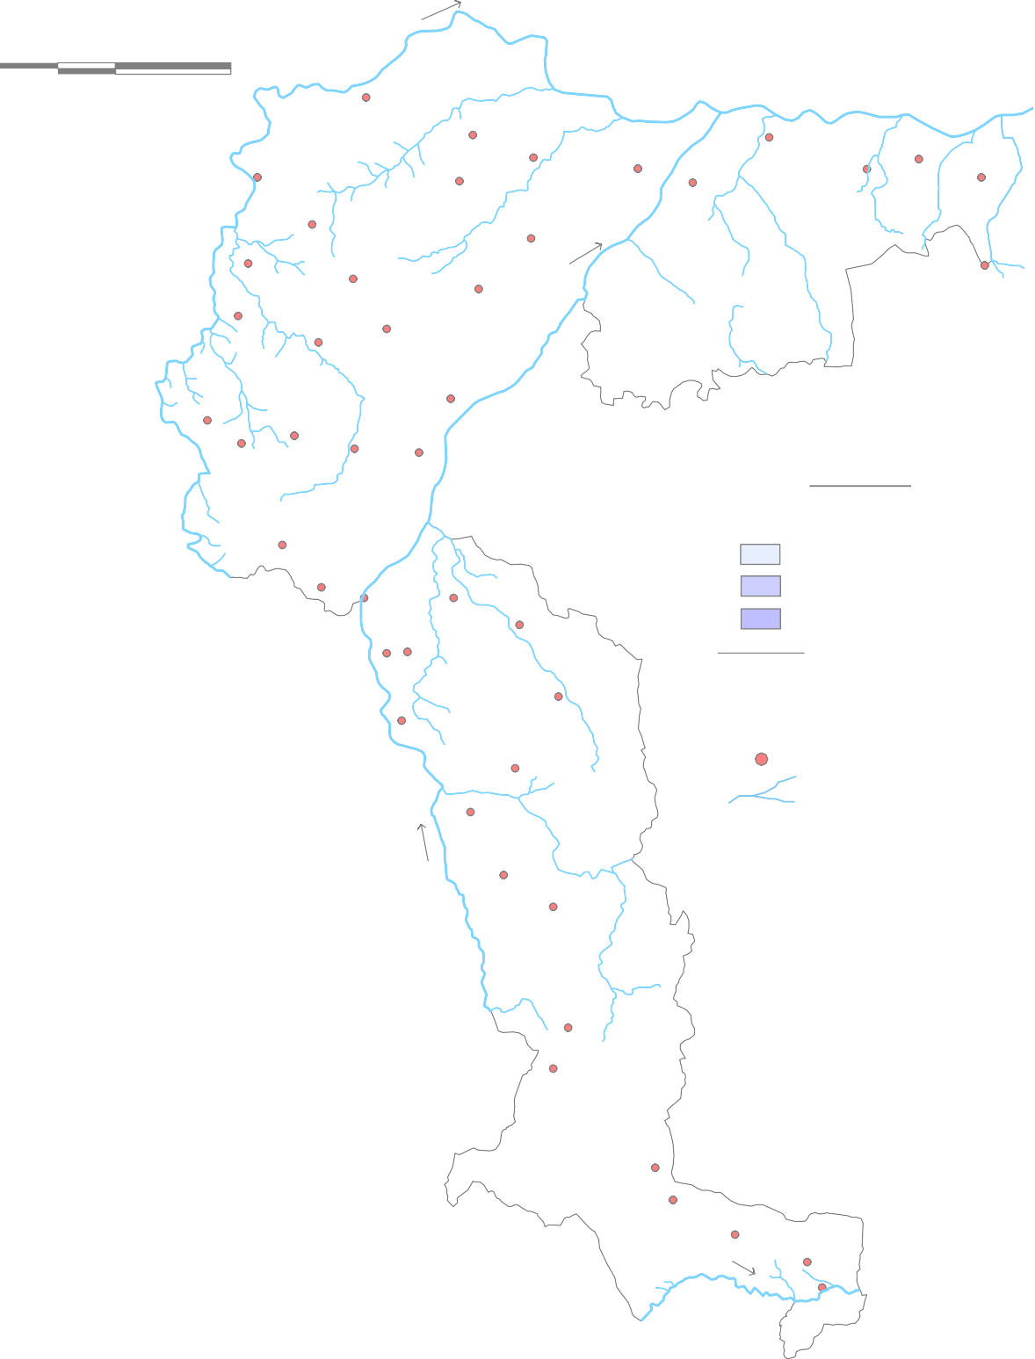  Bilaspur Dist. 0 20 40 Janjgir-Champa Dist. kilometers  Bhatapara  Balodabazar  Bilaigarh  Simga  Kasdol  Tilda  Palari  Dharsiwa Raipur  Arang L E G E N D DTW (m bgl)  Abhanpur < 5 5 to 10  Rajim 10 to 15 Block Boundary  Chhura  District Headquarters  Block Headquarters National Hydrograph Satation P a i r y R River  Gariyaband  Manpur  Deobhog Tel R

Fig. 3: Post-Monsoon (Nov. 2012) Depth to Water Level in Raipur District
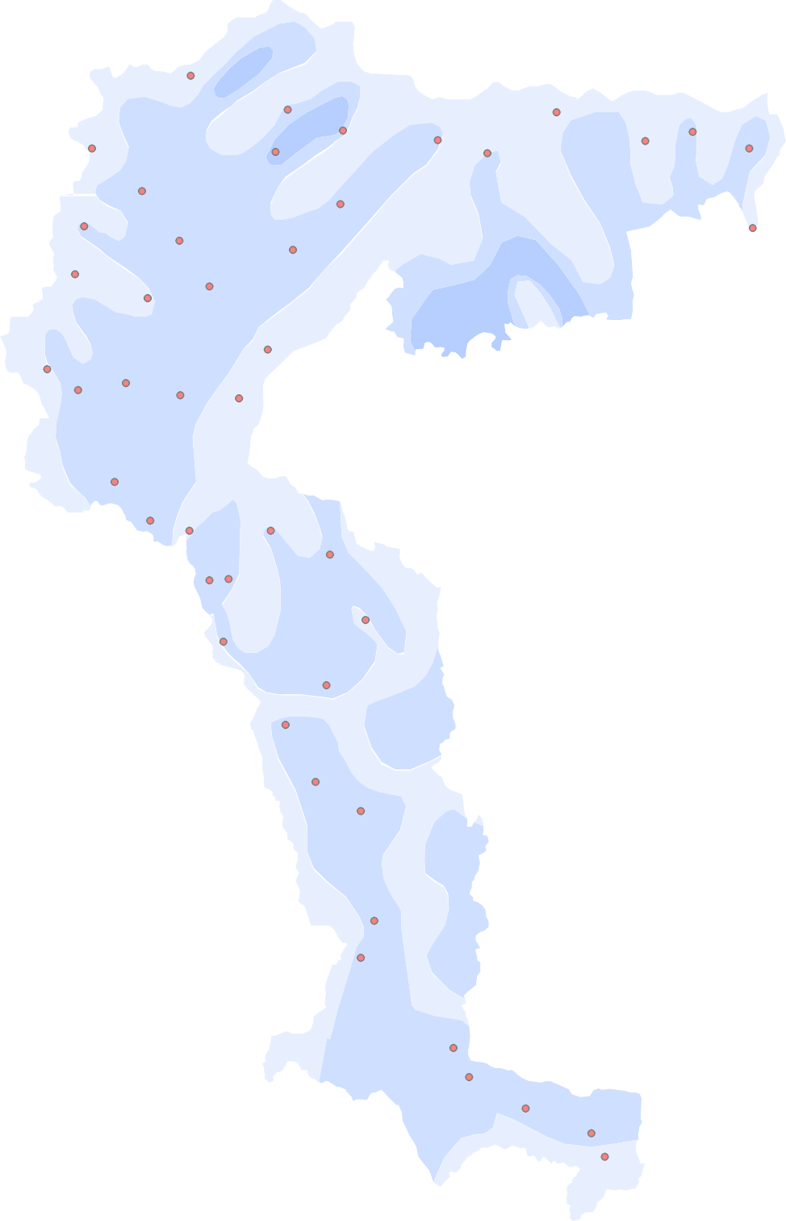 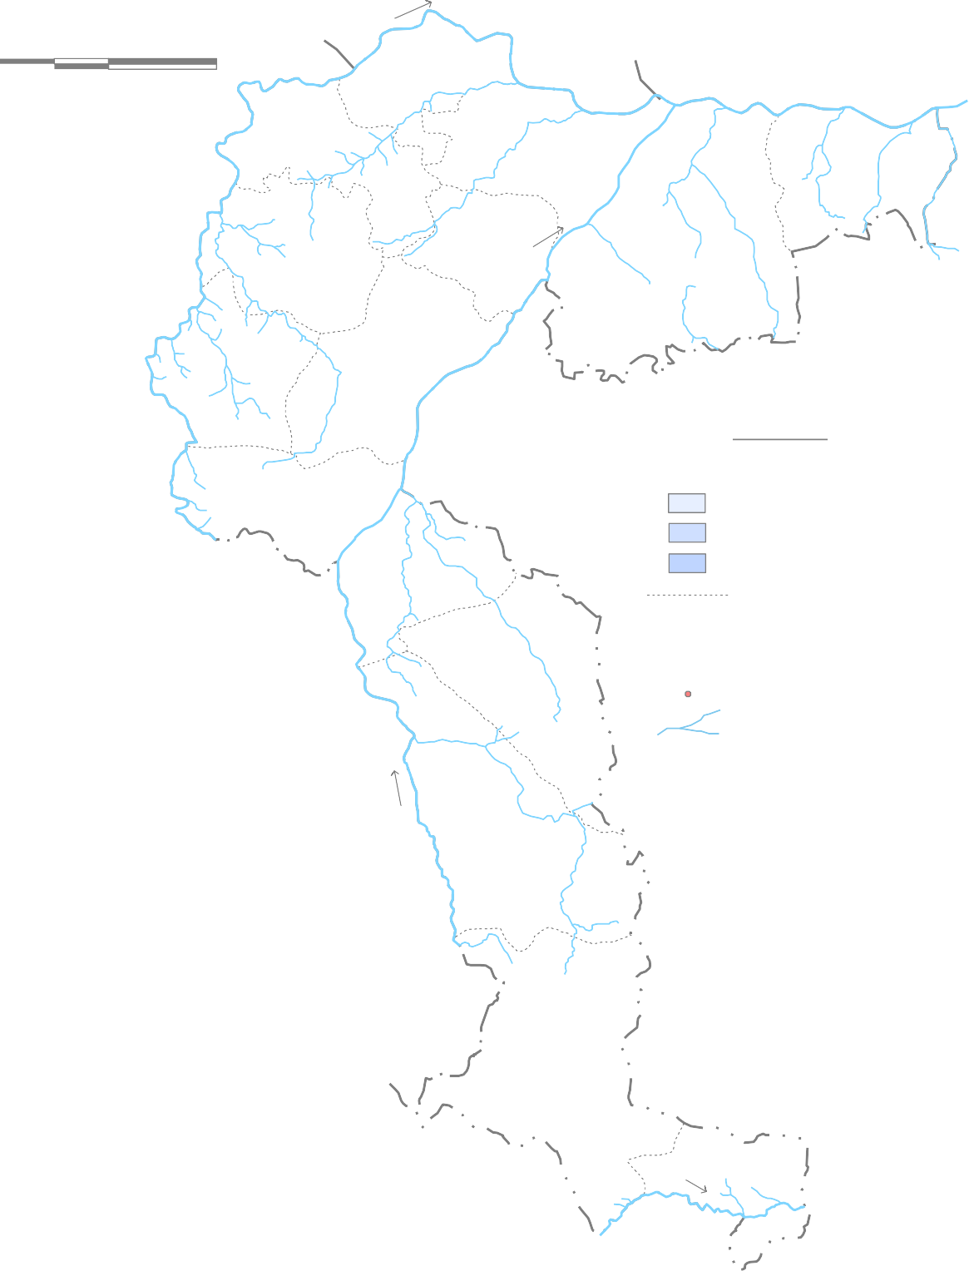  0 20 40 kilometers  Bhatapara  Balodabazar  Bilaigarh  Simga  Kasdol  Tilda Palari   Dharsiwa Raipur  Arang L E G E N D DTW (m bgl) < 3  Abhanpur 3 to 5  Rajim 5 to 8 Block Boundary  District Headquarters  Chhura  Block Headquarters National Hydrograph Satation P a i r y R River  Gariyaband  Manpur  Deobhog Tel R

More than 60% area of the district is covered by Chhattisgarh Supergroup of rocks, which comprise Sandstone, Limestone/dolomite and Shale. Nearly 30% area is occupied by Dongargarh Granite and rocks of Charnockite-Khondalite Group. Nawagarh Group of rocks exposed in the eastern boundary occupies nearly 10% area of the district. Annual replenishable resource and net ground water availability of the district have been estimated to be 121714 ha m and 115628 ham respectively. Gross ground water draft for all uses in the district is 42433 ham and stage of ground water development in the district is only 36.70%. All the blocks in the district have been categorised as ‘safe’. 6.0 STATUS OF GROUND WATER DEVELOPMENT The present Ground Water Development in the district has been calculated for command area and non-command area separately for each block. All the blocks in the study area have been categorized as safe from ground water abstraction point of view. The non-command areas of Bhatapara and Tilda blocks show significantly higher development than the command areas. The overall ground water development in the district is moderate except for the Dharsiwa block which has a higher stage of development. This may be attributed to the high stage of development in the Raipur urban area. The ground water development is 36.7% for Raipur district and 31.08% for the entire state of Chhattisgarh. The district as a whole and each individual blocks are safe from ground water development point of view.
The ground water development in the district is being done by dug wells and borewells. The dug well depth varies from 5 to 20 m and the diameter varies from 1 to 4 m. The bore wells drilled in the area are 60 to 150 m deep with diameter of 100 to 150 mm. Ground water is the main source of drinking in the district covering 2134 no. of villages. In all 23944 no. of tube wells and 22664 no. of dug wells exist in the district (2011-12). Together they irrigate around 55133 ha. The contribution of ground water for irrigation comes to nearly 15.22% of the net irrigated area and 18.32% of the gross irrigated area in the district. The contribution of ground water for irrigation comes to nearly 10.25% of the net sown area. The use of ground water for irrigation purpose in non-command area is maximum. The ground water development in the district is mainly for domestic and irrigation purposes. Nearly 75% of the population is living in the rural areas. The stage of ground water development is of the order of 36.70%. The stage of ground water development estimated for Abhanpur block is 44.14%, for Arang block is 35.51%, for Baloda Bazar block is 45.06%, for Bhatapara block is 33.58%,for Bilaigarh block is 21.69%, for Chhura block is 39.40%, for Deoghog block is 31.23%, for Dharsinwa block is 68.22%,
Fig. 4: Ground Water Resource Map of Raipur District
 Bilaspur Dist.
0 20 40 kilometers |  |  |  |  |  |  |  |  |  | 7560 3949 |  |  | 3564 52.24 | 6470 2173 BHATAPARA |  |  |  |  | 4455 33.58 | 5814 2620 |  |  | 3352 45.06 |  |  |  |  | Janjgir-Champa Dist. |  |  |  | 7164 | 5550
SIMGA BALODABAZAR KASDOL |  |  |  |  |  |  |  |  |  |  |  |  |  |  |  |  |  |  |  |  |  |  |  |  |  |  |  |  |  |  | 1554 BILAIGARH |  |  | 21.69
TILDA |  |  |  |  |  |  |  |  |  |  |  |  |  |  |  |  |  | 7691 |  | 5443 |  |  |  |  | 12892 10196
10961 7131 |  |  |  |  |  |  |  |  |  |  |  |  |  |  |  |  |  | 2203 |  | 28.64 |  |  |  |  |  | 2636 |  |  | 20.45
3794 |  |  |  |  |  |  |  |  |  |  |  | 34.61 |  |  |  |  |  | PALARI
DHARSIW A 9545 838 6512 68.22 |  |  |  |  |  |  |  |  |  |  |  |  | 8150 2894 ARANG |  | 5234 35.51
ABHANPUR 7249 3199 |  |  |  |  |  |  |  |  |  |  |  |  | 4081 44.14 | RAJIM 8016 3986 |  |  |  | 3975 49.73 |  | CHHURA |  |  |  |  |  |  | Ground Water |  |  |  | L E G E N D Ground Water Availability for
6489 2556 |  |  |  |  |  |  |  |  |  |  |  |  |  |  |  |  |  |  |  |  |  | 3895 39.40 |  |  |  |  |  | Availability (Ham) Ground Water Draft (Ham) |  |  |  | Future Use (Ham) Stage of Ground Water Development (%)
GARIYABAND
7874 1563 |  |  |  |  |  |  |  |  |  |  |  |  |  |  |  |  |  |  |  |  | 6202 19.85
MAINPUR
5156 1359 |  |  |  |  |  |  |  |  |  |  |  |  |  |  |  |  |  |  |  |  |  |  |  | 3758 26.35
DEOBHOG 4599 1436 |  |  |  |  |  |  |  |  |  |  |  |  |  |  |  |  |  |  |  |  |  |  |  |  |  |  |  |  |  | 30.71 31.23
for Fingeshwar block is 49.73%, for Gariabandh block is 19.85 %,, for Kasdol block is 20.45%, for Mainpur block is 26.35 %, for Palari block is 28.64%, for Simga block is 52.24% and for Tilda block is 34.61%. The ground water development is maximum in Dharsiwa block. At present the stage of ground water development in the district is limited to 36.70% leaving behind a wide scope for future development. The gross and net irrigated area by the ground water resources is 55133 ha. and 45784 ha. respectively. The stage of ground water development of blocks of Raipur district in different assessment years is given in following figure.
1990 1998 2001 2004 2009
80 70 60 50 40 30 20 10 0 7.0 GROUND WATER QUALITY The ground water quality of the samples collected from the National Hydrograph Network Stations (NHNS) has been taken into consideration for assessing the general quality of ground water in the phreatic zone. The average concentration of different parameters analysed for samples collected during the month of May from the year 2000 to 2010 from the NHNS were taken into consideration for the purpose. No quality problem was reported from the district. All the analysed parameters, in all stations fall well within safe limits for drinking as well as irrigation purpose as prescribed by the BIS. The pH value ranges from 7.65 to 8.3 and is within the prescribed limit by BIS. The Electrical Conductivity (EC) value ranges from 561 to 1287 micro siemens/cm (Fig. 5). All of the samples have EC value well within the range. The northern part of the district near Bhatapara has marginally higher value of EC. The Cl- varies from 37 mg/l to 188 mg/l (Fig. 5). The Total Hardness (TH) value ranges from 155 mg/l to 318 mg/l. The Ca+2 values vary from 38 mg/l to 81 mg/l and Mg+2 values vary from 7 mg/l to 39 mg/l. Almost all the values of the analysed parameters fall under the safe category for both drinking and irrigation purpose.

8.0 GROUND WATER MANAGEMENT STRATEGY The ground water in the district is developed mainly for irrigation and domestic needs. The agricultural sector is consuming most of the ground water and since 54% of the net sown area is under paddy, ground water is being used at present mainly to grow paddy. Paddy needs flood irrigation with high crop water requirement. Change in cropping pattern in the district and further efficient use of ground water resource can enhance the productivity as well as area of irrigation. Secondly the command area of Palari block shows poor ground water development. Since maximum areas of these blocks come under command area, this need special attention before it turns to water logged area. Dharsiwa and Simga blocks show higher ground water development as there is very less or absence of canal irrigation system in these blocks. So these blocks should be brought under canal command area. The alluvium covered hard rock areas of the district need suitable techniques to construct ground water abstraction structures so as to increase the yield and sustainability of the structures. 9.0 GROUND WATER RELATED ISSUES & PROBLEMS Ground water level was monitored in both dug wells and piezometers and two different scenario of water level was observed which is indicative of presence of two different aquifers in the district. As can be seen from the depth to water level map during pre-monsoon period, the water level is found to be deepest in east-central, northern and southern parts of the district in and around Kharora, Bhatapara, Balodabazar and Raipur respectively. Similarly during post-monsoon period deeper water level is observed in and around Bhatapara, Simga, Rajim, Abhanpur and Raipur urban area. The deeper water level is occurring in areas where the ground water is being exploited heavily by construction of bore wells for irrigation purpose. Such irrigation bore wells are f

Fig. 6: Ground Water Development Potential and Artificial Recharge Prospect in Raipur District
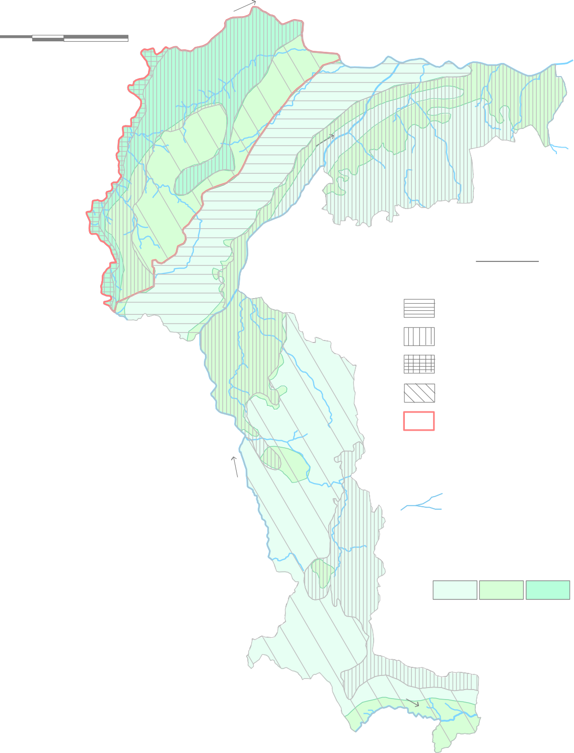  Bilaspur Dist. 0 20 40 Janjgir-Champa Dist. kilometers Bhatapara Balodabazar  Bilaigarh Simga  Kasdol Tilda  Palari  Dharsiwa Raipur  Arang L E G E N D Abhanpur Area suitable for dug well Rajim Area suitable for bore well Area suitable for dug-cum-bore well  Chhura Area suitable for dug well and bore well Area prioritised for artificial recharge P a i r y R Gariyaband  District Headquarters  Block Headquarters River Ground Water Potential Yield (litres/sec) Manpur 1 - 3 1 - 5 1 - 8 Deobhog Tel R

11.0 AWARENESS & TRAINING ACTIVITY 11.1 Mass Awareness Progremme (MAP) & Water Management Training Programme (WMTP) by CGWB Five mass awareness programme and three water management training programmes are conducted in the district. The details of the programmes are as follows.
Sl. No. |  |  |  | Year |  |  | Programme |  |  |  | Venue
1 |  |  |  | 1998-99 |  |  | WMTP |  |  |  | Raipur
2 |  |  |  | 2000-01 |  |  | WMTP |  |  |  | Raipur
3 |  |  |  | 2003-04 |  |  | WMTP |  |  |  | Raipur
4 |  |  |  | 2010-11 |  |  | WMTP |  |  |  | Raipur
4 |  |  |  | 1998-99 |  |  | MAP |  |  |  | Raipur
5 |  |  |  | 2000-01 |  |  | MAP |  |  |  | Raipur
6 |  |  |  | 2003-04 |  |  | MAP |  |  |  | Raipur
7 |  |  |  | 2004-05 |  |  | MAP |  |  |  | Raipur
8 |  |  |  | 2005-06 |  |  | MAP |  |  |  | Raipur
9 |  |  |  | 1999-2000 |  |  | MAP |  |  |  | Dharsiwa
12.0 AREAS NOTIFIED BY CGWA/SGWA None of the blocks in the district is categorized as over exploited from ground water abstraction point of view. Hence none of the blocks of the district has been notified by the CGWA/SGWA for regulation of ground water.
REFERENCE: 1. Verma J. R.; CGWB, NCCR, Raipur; Ground Water Brochure of Raipur District (2008-09); Unpublished Report. 2. CGWB, NCCR, Raipur; Dynamic Ground Water Resource of Chhattisgarh (As on March 2009); Unpublished Report. 3. CGWB, NCCR, Raipur; Dynamic Ground Water Resource of Chhattisgarh (As on March 2004); Unpublished Report. 4. CGWB, NCCR, Raipur; Hydroheology of Chhattisgarh-State Report, 2006; Unpublished Report. 5. CGWB, NCCR, Raipur; Ground Water Exploration of Chhattisgarh-State Report, 2011; Unpublished Report. 6. Sahoo B. K., CGWB, NCCR, Raipur; Reappraisal Hydrogeological Studies in Parts of Raipur District, Chhattisgarh, 2011; Unpublished Report. 7. Commissioner, Land Records, Chhattisgarh; Agriculture Statistical Tables, 2012, Unpublished Report. 8. http://www.imd.gov.in/section/hydro/distrainfall/chhattisgarh.html ACKNOWLEDGEMENT
The author is grateful to Shri Sushil Gupta, Chairman, Central Ground Water Board for giving the opportunity for preparation of the 'Ground Water Brochure of Raipur District, Chhattisgarh’. The author is thankful to Shri K. C. Naik, Regional Director, Central Ground Water Board, NCCR, Raipur for his guidance and constant encouragement for the preparation of this brochure. The author is also thankful to Shri S. K. Verma, Sr. Hydrogeologist (Scientist 'C') for his valuable comments and guidance. The help rendered by Shri J. R. Verma (Scientist 'B') in preparing the brochure is duly acknowledged. The author is also thankful to Shri B. K. Sahoo, Sr. Hydrogeologist (Scientist 'C’, RGNGWT&RI, Raipur) for his valuable guidance and help in preparation of the brochure. Mausumi Sahoo Scientist ‘B’
22° |  |  |  |  |  | Fig. - 5
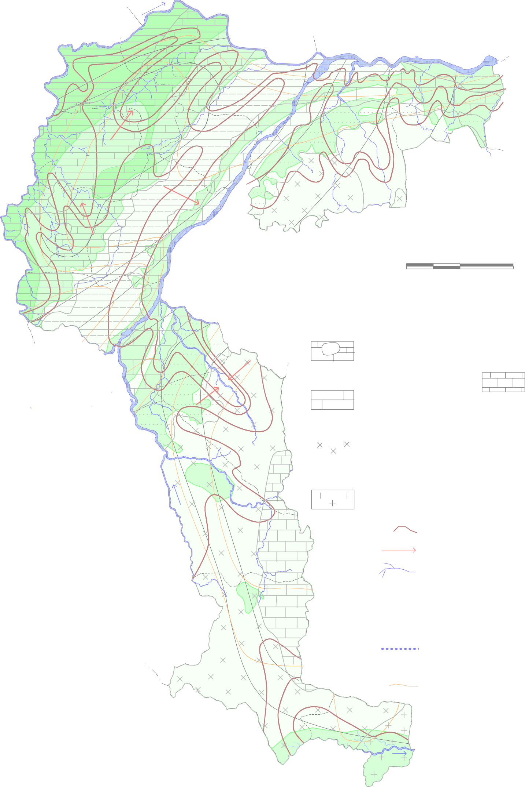
 | Hydrogeological Map of Raipur District    1000 Bhatapara          200  Balodabazar  Bilaigarh Simga    Kasdol    250    1000     300 200    800  Tilda             Palari           
0' 21°
0' 20°
0'
82° |  |  |  |  |  |  |  |  |  |  |  |  |  |  |  |  | 0' 83° |  |  |  |  |  |  |  |  |  |  |  |  |  |  |  |  |  | 0'

