Table 1
GOVERNMENT OF INDIA MINISTRY OF WATER RESOURCES CENTRAL GROUND WATER BOARD GROUND WATER INFORMATION BOOKLET BIJAPUR DISTRICT, KARNATAKA SOUTH WESTERN REGION BANGALORE JULY 2008

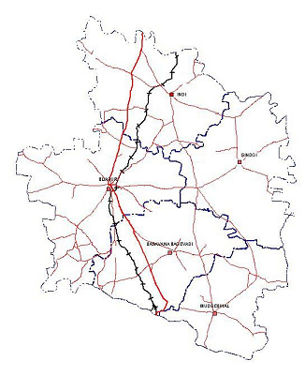

FOREWORD
Ground water contributes to about eighty percent of the drinking water requirements in the rural areas, fifty percent of the urban water requirements and more than fifty percent of the irrigation requirements of the nation. Central Ground Water Board has decided to bring out district level ground water information booklets highlighting the ground water scenario, its resource potential, quality aspects, recharge – discharge relationship, etc., for all the districts of the country. As part of this, Central Ground Water Board, South Western Region, Bangalore, is preparing such booklets for all the 27 districts of Karnataka state, of which six of the districts fall under farmers’ distress category. The Bijapur district Ground Water Information Booklet has been prepared based on the information available and data collected from various state and central government organisations by several hydro-scientists of Central Ground Water Board with utmost care and dedication. This booklet has been prepared by Dr.D.P.Reddy, Scientist-B under the guidance of Dr. K. Md. Najeeb, Superintending Hydrogeologist, Central Ground Water Board, South Western Region, Bangalore. The figures were prepared by S/Sri. H.P.Jayaprakash, Scientist-C and K.Rajarajan, Assistant Hydrogeologist. The efforts of Report processing section in finalising and bringing out the report in this format are commendable. I take this opportunity to congratulate them for the diligent and careful compilation and observation in the form of this booklet, which will certainly serve as a guiding document for further work and help the planners, administrators, hydrogeologists and engineers to plan the water resources management in a better way in the district. sd/- (T.M.HUNSE) Regional Director

BIJAPUR DISTRICT AT A GALANCE
Sl No |  | ITEMS |  |  |  |  |  |  |  |  |  |  |  |  |  |  |  |  | Statistics
1 |  | GENERAL INFORMATION
 |  | i) Geographical area (Sq.km) |  |  |  |  |  |  |  |  |  |  |  |  |  |  |  |  | 10541.00
 |  | ii) Administrative Divisions |  |  |  |  |  |  |  |  |  |  |  |  |  |  |  |  | 5
 |  | a) Number of Taluk |  |  |  |  |  |  |  |  |  |  |  |  |  |  |  |  | 5
 |  | b) Number of panchayat/Village |  |  |  |  |  |  |  |  |  |  |  |  |  |  |  |  | 199
 |  | iii) Population (As on 2001Census) |  |  |  |  |  |  |  |  |  |  |  |  |  |  |  |  | 18,06,918
 |  | iv) Average Annual Rainfall (mm) |  |  |  |  |  |  |  |  |  |  |  |  |  |  |  |  | 578
2 |  | GEOMORPHOLOGY
 |  | Major physiographic units |  |  |  |  |  |  |  |  |  |  |  |  |  |  |  |  | 03
 |  | Major Drainages |  |  |  |  |  |  |  |  |  |  |  |  |  |  |  |  | 03
3 |  | LAND USE (Sq.km)
 |  | a) Forest area |  |  |  |  |  |  |  |  |  |  |  |  |  |  |  |  | 1977
 |  | b) Net area sown |  |  |  |  |  |  |  |  |  |  |  |  |  |  |  |  | 7,17,253
 |  | c) Cultivable area |  |  |  |  |  |  |  |  |  |  |  |  |  |  |  |  | 64,906
4 |  | MAJOR SOIL TYPES |  |  |  |  |  |  |  |  |  |  |  |  |  |  |  |  | 3
5 |  | AREA UNDER PRINCIPAL CROPS |  |  |  |  |  |  |  |  |  |  |  |  |  |  |  |  | 7,87,593
6 |  | IRRIGATION BY DIFFERENT SOURCES (I.P Sets) |  |  |  |  |  |  |  |  |  |  |  |  |  |  |  |  | 76,906
 |  | Dug wells (sq.km) |  |  |  |  |  |  |  |  |  |  |  |  |  |  |  |  | 524.73
 |  | Bore wells (sq.km) |  |  |  |  |  |  |  |  |  |  |  |  |  |  |  |  | 354.24
 |  | Tanks/Ponds (sq.km) |  |  |  |  |  |  |  |  |  |  |  |  |  |  |  |  | -
 |  | Canals (sq.km) |  |  |  |  |  |  |  |  |  |  |  |  |  |  |  |  | 234.92
 |  | Other sources (sq.km) |  |  |  |  |  |  |  |  |  |  |  |  |  |  |  |  | 170.36
 |  | Net Irrigated area (Sq.km) |  |  |  |  |  |  |  |  |  |  |  |  |  |  |  |  | 1283
 |  | Gross irrigation area (sq.km) |  |  |  |  |  |  |  |  |  |  |  |  |  |  |  |  | -
7 |  | NUMBER OF GROUND WATER MONITORING WELLS OF CGWB
 |  | No of Dug wells |  |  |  |  |  |  |  |  |  |  |  |  |  |  |  |  | 58
 |  | No of Piezometers |  |  |  |  |  |  |  |  |  |  |  |  |  |  |  |  | 23
8 |  | PREDOMINANT GEOLOGICAL FORMATIONS |  |  |  |  |  |  |  |  |  |  |  |  |  |  |  |  | Basalts, Shales, Sandstones, Limestones, Granites & Gneisses
9 |  | HYDROGEOLOGY
 |  | Major water bearing formation |  |  |  |  |  |  |  |  |  |  |  |  |  |  |  |  | Basalts, Shales, Sandstones, Limestones, Granites & Gneisses
 |  | Pre-monsoon Depth to water level range during-2006 |  |  |  |  |  |  |  |  |  |  |  |  |  |  |  |  | 1.07 – 14.15 m
 |  | Post-monsoon Depth to water level range during-2006 |  |  |  |  |  |  |  |  |  |  |  |  |  |  |  |  | 0.78 – 13.20 m
 |  | Long term water level trend in 10 years (1997-2006) in m/year |  |  |  |  |  |  |  |  |  |  |  |  |  |  |  |  | Rise range from 0.009-0.740 m & Fall range from 0.009-0.580 m
10 |  | GROUND WATER EXPLORATION BY CGWB (As on 31.3.2007)
 |  | No of wells drilled (EW, OW, PZ, SH, Total Depth range (m) |  |  |  |  |  |  |  |  |  |  |  |  |  |  |  |  | 55- EW 30.0 – 87.8 m 7-OW 47.0 – 120.0 m
 |  | Discharge (litres per second) |  |  |  |  |  |  |  |  |  |  |  |  |  |  |  |  | 0.01 – 7.6
 |  | Storativity (S) |  |  |  |  |  |  |  |  |  |  |  |  |  |  |  |  | 1.77x10-2 to 9.1x10-5
 |  | Transmissivity (m2 /day) |  |  |  |  |  |  |  |  |  |  |  |  |  |  |  |  | 0.22-150
11 |  | GROUND WATER QUALITY
 |  | Presence of chemical constituents more than the permissible limit (e.g. EC, F, As, Fe) |  |  |  |  |  |  |  |  |  |  |  |  |  |  |  |  | EC: 380 – 11,100 micro mhos Cl: 110 – 2300 ppm, NO3 : 4 – 258 F : 0.1 – 4.8
 |  | Type of water |  |  |  |  |  |  |  |  |  |  |  |  |  |  |  |  | Potable to Brackish
12 |  | DYNAMIC GROUND WATER RESOURCES (2004) IN MCM
 |  | Annual Replenish able GW resources |  |  |  |  |  |  |  |  |  |  |  |  |  |  |  |  | 573.04
 |  | Net Annual Ground Water Draft |  |  |  |  |  |  |  |  |  |  |  |  |  |  |  |  | 356.33
 |  | Projected Demand for Domestic and industrial uses up to 2025 |  |  |  |  |  |  |  |  |  |  |  |  |  |  |  |  | 64.17
 |  | Stage of G W Development |  |  |  |  |  |  |  |  |  |  |  |  |  |  |  |  | 69%
13 |  | AWARENESS AND TRANING ACTIVITY
 |  | Mass Awareness Programme organised and No. of participants |  |  |  |  |  |  |  |  |  |  |  |  |  |  |  |  | ONE, dated 31.12.04 About 250
14 |  | EFFORTS OF ARITIFICIAL RECHARGE & RAINWATER HARVESTING |  |  |  |  |  |  |  |  |  |  |  |  |  |  |  |  | Display of posters, Distribution of pamphlets, brochures & stickers, Organising drawing competitions in schools, conducting awareness and training programmes, Delivering lectures, and presenting through power points and showing documentaries
 |  | Projects completed by CGWB (No & amount spent) |  |  |  |  |  |  |  |  |  |  |  |  |  |  |  |  | nil
 |  | Projects under technical guidance of CGWB (Numbers) |  |  |  |  |  |  |  |  |  |  |  |  |  |  |  |  | nil
15 |  | GROUND WATER CONTROL AND REGULATION
 |  | OE Area in % |  |  |  |  |  |  |  |  |  |  |  |  |  |  |  |  | 44% in B. Bagewadi, 15% in Bijapur, 31% in Indi, 55% in Muddebial and 59% in Sindagi taluk
 |  | Critical area in % |  |  |  |  |  |  |  |  |  |  |  |  |  |  |  |  | 30% in Bijapur taluk, 29% in Indi
 |  | No of Blocks notified |  |  |  |  |  |  |  |  |  |  |  |  |  |  |  |  | Nil
16 |  | MAJOR GROUND WATER PROBLEMS AND ISSUES |  |  |  |  |  |  |  |  |  |  |  |  |  |  |  |  | Rainfall is erratic, irregular and deficit, Application of traditional farming and irrigation methods, unscientific develop ment of groundwater, Brackishness and salinity of groundwater along the major river courses
1. INTRODUCTION 1.1 LOCATION & ACCESSIBILITY Bijapur district is located in the northern part of Karnataka state. It falls in the northern maidan region, between 150 50’- 170 28’ north latitudes and 740 59’- 760 28’ east longitudes and lies between two major rivers namely the Krishna and the Bhima. The district is bounded on the north by Sholapur district of Maharastra State, on the west by Belgaum district, on the east by Gulbarga district and on the south by Bagalkot district of Karnataka. Bijapur district is land locked district and is accessible both by rail and road. The broad gauge line of SW Railway connecting Hubli-Sholapur passes through the district. The NH 13 Bangalore to Sholapur and NH-213 of Hubli-Sholapur pass through the district. Bijapur district is connected with other district headquarters through state highways. 1.2 ADMINISTRATIVE DIVISIONS Bijapur town is the headquarters of the district. The district has a total geographical area of 10,541 sq kms. The district has been divided into five taluks for administrative convenience viz. Basavana Bagewadi, Bijapur, Indi, Muddebial and Sindagi taluks. The population and density of the district as per the 2001 Census is 18,06,918 and 245 respectively. The district witnessed a growth rate of 23 % during the last decade. Taluk-wise statistics is given in Table.1 and administrative map of the district is presented in Fig-1. Table-1: Taluk- wise Area, Villages & Population in Bijapur district
Sl. No. |  | Taluk |  |  |  | Area (sq. km) |  |  |  |  | No. of villages |  |  |  |  |  |  |  |  |  |  |  |  |  |  | Population (as per 2001 census)
 |  |  |  |  |  |  |  |  |  |  | Inhabited |  |  |  |  | Uninhabited
1 |  | Basavana Bagewadi |  |  |  | 1979 |  |  |  |  | 121 |  |  |  |  | 4 |  |  |  |  |  |  |  |  |  | 3,03,290
2 |  | Bijapur |  |  |  | 2659 |  |  |  |  | 118 |  |  |  |  | - |  |  |  |  |  |  |  |  |  | 5,69,348
3 |  | Indi |  |  |  | 2225 |  |  |  |  | 129 |  |  |  |  | 4 |  |  |  |  |  |  |  |  |  | 3,53,987
4 |  | Muddebial |  |  |  | 1502 |  |  |  |  | 145 |  |  |  |  | 8 |  |  |  |  |  |  |  |  |  | 2,53,638
5 |  | Sindagi |  |  |  | 2176 |  |  |  |  | 147 |  |  |  |  | 1 |  |  |  |  |  |  |  |  |  | 3,26,655
 |  | Total |  |  |  | 10541 |  |  |  |  | 660 |  |  |  |  | 17 |  |  |  |  |  |  |  |  |  | 18,06,918
1.3 DRAINAGE The Krishna River forms the southern boundary with Bagalkot district and Bhima river forms northern boundary with the Maharastra State. Southern part of Bijapur district forms a catchment area of the Krishna while northern part forms catchment area of Bhima. Bhima River is an important tributary of the Krishna River. A major dam has been constructed across the Krishna River near Almatti in the district. Don River is the tributary of the Krishna and flows for about 160 kms in a meandering course from west to east in the central part of the district. The water of this river is generally brackish; it becomes saline at several places
during dry months of the year, resulting salt encrustations on the banks of dry beds. During the rainy seasons the river is subjected to flash floods. The drainage pattern is sub-dendritic to sub-parallel in nature and the drainage density varies from 0.49 to 1.02 km/km2. The drainage network of the district is shown in Fig-2. 1.4 IRRIGATION PRACTICES In the district, irrigation is carried out from surface water as well as from ground water. Nearly 12% percent of the geographical area in the district is under irrigation. The land utilisation in the district is given in Table.2. Table: 2. Taluk wise land utilisation in Bijapur district (in sq.km)
Sl. No | Taluk |  |  |  | Area (sq.km) |  |  |  | Forest |  |  | Land not available for cultivation |  |  |  |  | Un- cultiva ble land |  |  |  | Fallow land |  |  |  |  |  | Net area sown
 |  |  |  |  |  |  |  |  |  |  |  |  |  |  |  |  |  |  |  |  |  |  |  |  |  |  | Net Sown Total Sown > once
1 | Basavana Bagewadi |  |  |  | 1978.65 |  |  |  | 11.43 |  |  | 123.99 |  |  |  |  | 14.23 |  |  |  | 617.05 |  |  |  |  |  | 1211.95 |  |  |  | 96.88 |  |  |  | 1308.83
2 | Bijapur |  |  |  | 2657.69 |  |  |  | 8.34 |  |  | 198.50 |  |  |  |  | 80.88 |  |  |  | 777.51 |  |  |  |  |  | 1592.46 |  |  |  | 118.58 |  |  |  | 1711.04
3 | Indi |  |  |  | 2224.92 |  |  |  | - |  |  | 141.55 |  |  |  |  | 24.93 |  |  |  | 610.87 |  |  |  |  |  | 1447.57 |  |  |  | 244.14 |  |  |  | 1691.71
4 | Muddebial |  |  |  | 1497.44 |  |  |  | - |  |  | 85.14 |  |  |  |  | 20.89 |  |  |  | 160.73 |  |  |  |  |  | 1230.68 |  |  |  | 123.78 |  |  |  | 1354.46
5 | Sindagi |  |  |  | 2176.01 |  |  |  | - |  |  | 99.88 |  |  |  |  | 22.90 |  |  |  | 363.36 |  |  |  |  |  | 1689.87 |  |  |  | 120.02 |  |  |  | 1809.89
 | Total |  |  |  | 10534.71 |  |  |  | 19.77 |  |  | 649.06 |  |  |  |  | 163.83 |  |  |  | 2529.52 |  |  |  |  |  | 7172.53 |  |  |  | 703.40 |  |  |  | 7875.93
Canals, tanks, wells, bore wells and lift irrigation are the important sources for irrigation. Taluk wise irrigated area from the different sources is given in Table.3. Ground water contributes nearly 68% of the total irrigation. There are 76,906 irrigation pump sets as on 31st March 2006 irrigating an area of 87,897 ha out of 1,28,590 ha. The canal irrigation in Shorapur taluk of Gulbarga district is through Indi canal of NLBC of Narayanpur project. Some of the areas of Basavana Bagewadi and Bijapur taluks are to be irrigated from the ALBC and Lift irrigation from the Almatti Dam in Basavana Bagewadi taluk of Bijapur district. Almatti and Narayanpur reservoirs submerge some of the areas of Basavana Bagewadi and Muddebial taluks respectively. Table-3: Area Irrigated by different sources in Bijapur district (in ha)
Sl. No. |  | Taluk |  |  |  | Canals |  |  |  | Tanks |  |  |  | Dug wells |  |  |  | Bore wells |  |  |  |  | Lift irrigation |  |  |  |  |  | Other source |  |  |  |  | Total
1 |  | Basavana Bagewadi |  |  |  | - |  |  |  | - |  |  |  | 2,310 |  |  |  | 3,526 |  |  |  |  | - |  |  |  |  |  | 3,319 |  |  |  |  | 9,155
2 |  | Bijapur |  |  |  | - |  |  |  | - |  |  |  | 11,206 |  |  |  | 13,772 |  |  |  |  | - |  |  |  |  |  | 5,820 |  |  |  |  | 30,798
3 |  | Indi |  |  |  | 5,657 |  |  |  | - |  |  |  | 14,700 |  |  |  | 3,118 |  |  |  |  | - |  |  |  |  |  | 6,280 |  |  |  |  | 29,755
4 |  | Muddebial |  |  |  | - |  |  |  | - |  |  |  | 265 |  |  |  | 9,117 |  |  |  |  | - |  |  |  |  |  | 686 |  |  |  |  | 10,069
5 |  | Sindagi |  |  |  | 17,835 |  |  |  | 164 |  |  |  | 23,992 |  |  |  | 5,891 |  |  |  |  | - |  |  |  |  |  | 931 |  |  |  |  | 48,813
Total |  |  |  |  |  | 23,492 |  |  |  | 164 |  |  |  | 52,473 |  |  |  | 35,424 |  |  |  |  | - |  |  |  |  |  | 17,036 |  |  |  |  | 1,28,590
The major crops grown in the district are Jowar, Bajra, Maize, Wheat, Pulses, Oil seeds and Vegetables.
1.5 STUDIES CARRIED OUT BY CGWB The Central Ground Water Board (CGWB) has drilled bore wells under ‘Ground Water Exploration Programme’. The statistics of these bore wells comprising number bore wells drilled, their depths, discharge etc. It also takes up periodic monitoring of depth to water levels of observation wells in the district during January, May, August and November months every year, which are discussed in the Hydrogeology chapter. Officers from the CGWB have carried out Systematic and Reappraisal Hydrogeological surveys and geophysical studies in the district. 2.0 RAINFALL AND CLIMATE The district experiences semi-arid climate with extreme summers. It enjoys a climate with hot summers and chilly winters. Incidence of drought occurs due to inadequate and erratic distribution of rainfall in space and time. The dust storms and severe heat waves are common during April and May months. The district experiences the temperature variation between 200C and 420C. The temperature begins to rise by the end of February, till the month May, which is the hottest month. Coldest months are December and January. The year is divided in to summer season from March to May, monsoon season from June to September, post-monsoon season from October to November. The highest monthly rainfall recorded 149.2 mm in September and the lowest is 3.4 mm in the month of February. The district receives an average annual rainfall of 578 mm and taluk wise normal rainfall of the district is given in Table.4. The normal rainfall of the district received is varied from 569 to 595 mm and the normal rainy days also varied from 36.5 to 39.5 mm in the year. Table: 4 Taluk-wise normal rainfalls in Bijapur district
Sl No |  |  | Taluk |  |  |  | No. of Rain gauge stations |  |  |  |  |  | Normal rainfall (mm) 1901-70 |  |  |  |  |  |  |  | Actual rainfall (mm) 2006 |  |  |  |  |  |  |  | Rainy days
1 |  |  | Basavana Bagewadi |  |  |  | 6 |  |  |  |  |  | 584 |  |  |  |  |  |  |  | 685.7 |  |  |  |  |  |  |  | 38.9
2 |  |  | Bijapur |  |  |  | 9 |  |  |  |  |  | 565 |  |  |  |  |  |  |  | 429.4 |  |  |  |  |  |  |  | 36.4
3 |  |  | Indi |  |  |  | 7 |  |  |  |  |  | 595 |  |  |  |  |  |  |  | 505.4 |  |  |  |  |  |  |  | 37.6
4 |  |  | Muddebial |  |  |  | 4 |  |  |  |  |  | 577 |  |  |  |  |  |  |  | 569.2 |  |  |  |  |  |  |  | 39.5
5 |  |  | Sindagi |  |  |  | 7 |  |  |  |  |  | 569 |  |  |  |  |  |  |  | 474.7 |  |  |  |  |  |  |  | 36.5
 |  |  | Average |  |  |  |  |  |  |  |  |  | 578 |  |  |  |  |  |  |  | 532.8 |  |  |  |  |  |  |  | 37.7
3.0 GEOMORPHOLOGY AND SOIL TYPES The entire district is categorised as Deccan Pediplain. Physiographically, it can be divided into four physiographic units’ viz., residual hills, pediments, pediplains and valleys. The ground altitude varies from 470 to 650 m above MSL. The ground surface is flat, gently sloping forming broad valleys and flat-topped
hills. Flat topped hills with step like sides exhibit the terraced landscape. The northern belt is a succession of low rolling uplands devoid of vegetation. The district is occupied by three types of soils viz. Black soils, Red sandy soils and mixed soils. Formation of various types of soils is a complex function of chemical weathering of bedrocks, vegetative decay and circulation of precipitated water. Soils are mostly insitu in nature. Black soils derived from basaltic bedrock. These soils in upland areas are shallower and are deeper in valley portions. The Don River valley has plains and consisting of rich tracks of deep black cotton soils stretching from west to east in the central part of the district. The infiltration characteristics are poor to moderate. The constant rate of infiltration in these soils varies from 0.75 to 2.5 cm/hr. These soils are alkaline in nature, low in potassium and nitrogen. Black cotton soils with high clay and humus content in low-lying areas. They have high moisture holding capacity and on drying up these soils develop open cracks. Red soils, which are sandy in nature derived from granites, gneisses and sandstones, are found in southern part of Muddebial taluk of the district. The infiltration rates of these soils range from 2.6 to 3.8 cm/hr. Mixed soils are derived from the fringe areas of Deccan traps and granites, gneisses, limestones and sandstones in Muddebial and Basavana Bagewadi taluks of Bijapur district. These are dark greyish brown and dark brown to dark reddish brown in colour. Their texture varies from loam to clay. The infiltration characteristics of these soils are moderate to good in nature. 4.0 HYDROGEOLOGY The hydrogeological map of Bijapur district has been shown in Fig.3, which depicts isohyets, depth to water levels contours and yields of bore wells. 4.1 WATER BEARING FORMATIONS: The major part of the dist

grained, highly vesicular and zeolitic in nature. At some places closed spaced joints, the columnar jointing and spheroidal weathering are commonly observed. The amygdaloidal basalts on weathering results in light grey to purple coloured decomposed material with shining secondary minerals similar to Blue dust. The inter-flow horizons are marked by the presence of red bole beds. The study of the fence diagram prepared based on exploration, indicates that a broad classification of three types of aquifers viz., 1. The top shallow weathered zone, which extends down to the depth of 30 m and form the shallow or phreatic aquifer, tapping mostly by dug wells dug-cum-bore wells and shallow bore wells and filter points, 2. Middle zone aquifer, which lies below the shallow zone extends to a depth of 80 m. and deeper zone to the depth up to 250 m, which was explored by the farmers. Weathered layer forms an important zone for infiltration of water and as its thickness increases, the holding capacity of formation increases. The extent of weathering depends on several factors like, topography, texture, mineralogical composition and extent of fracturing and jointing. Thick weathered zones with porous residual material forms in topographic lows, act as potential groundwater reservoirs. The thickness of weathered zone varies from place to place because of varied litho logical character of flows, slope, intensity of weathering and prevailing climate. Thick weathered zone favoured for storage of more water since the layer has more porosity and permeability than compact rock. Length of casing lowered indirectly indicates the thickness of weathered zone. 4.2 OCCURRENCE OF GROUND WATER The groundwater occurs under water table and semi-confined to confined conditions in weathered, fracture zones in basalts, limestones, shales, ortho- qurtzites, sandstones, granites and gneisses. The vesicul

massive trap. However, the water carrying capacity of the massive trap is not homogenous as it is completely depends upon the presence of fractures and joints, their nature, distribution and interconnection. 4.3 DEPTH TO WATER LEVEL The depth to water level is a subdued replica of the topography of the area. Besides the topography, geological features- fractures and joints control the water level. The depth to water level is highly variable. Shallow water level conditions are commonly observed in valley areas, topographic lows and flat terrain, whereas, the deeper water table conditions noticed near water divides and the topographic highs. The ground water flow is towards the Krishna River in the south, towards Don River in the middle of the area and towards north and northeast in the Bhima River. The depth to water levels under unconfined conditions mainly dependent on the thickness of the weathered zone, permeability, topographic set up, the nature of aquifer material and are the functions of recharge and discharge components in space and time. The groundwater table is deepest just prior to the onset of the predominant monsoon and reaches a peak a little before the cessation of monsoon. There after the groundwater table shows a declining trend with recession limb having two significant segments. 4.4 PRE-MONSOON DEPTH TO WATER LEVEL The Central Ground Water Board monitors, water levels at 58 NH Stations 23 Peizometers, four times in a year in the district. The depth to water levels during the pre-monsoon period varies from 1.75 (Almatti) to 24.15 mbgl (Bijapur). The deepest is recorded at Bijapur (Fig.4) because of elevated area. The depth to water level < 5.00 mbgl covers an area of about 10% and is recorded at Almatti, Hullur and Almel. About 70% of the area of the district falls 5.00-to 10.00 mbgl category. And t

groundwater reservoirs. During the non-monsoon period, the exploitation and evaporation deplete this. The water levels, in general, show regression from December to May months. The change in ground water levels also may be due to changes in groundwater storage, atmospheric pressure, deformation of aquifer, disturbance within wells. The water level fluctuation i.e., the difference in water level between the two specified periods represents the change in groundwater storage. A decline or fall in water level represents groundwater abstraction in excess of increment, while a rise represents ground water increment in excess of abstraction. Groundwater level represents the storage position of the reservoir. The difference over a period of time is the input and out put components of the storage equation, which reflects as change of storage. The water level fluctuation depends upon several factors like, climate, drainage, topography, geology, structure, sub-surface distribution of aquifer and recharge to and discharge from the aquifers etc. The specific yield of the formation in the zone of water level fluctuation is a prime factor in controlling the magnitude of fluctuation. Under similar hydrogeological conditions the water level fluctuation is inversely proportional to specific yield. Large water table fluctuation reflects in recharge areas or in areas of upland regions. Water table fluctuation varies from 1.0 m at Almatti to 6.91 m at Bijjargi. The principal factors that, control water level fluctuation are recharge to groundwater, withdrawal and specific yield of aquifer. 15% of the area recorded water level fluctuation of < 2m, 65% of area show 2 – 4 m fluctuation and rest of the area has the fluctuation of >4.00 m. 4.6 LONG-TERM WATER LEVEL TREND Long term water level data of NH Stations of the Central Ground Water Board have been observed that the wate

basalts, vesicular and zeolitic basalts. Groundwater occurs in the open spaces of jointed and fractured formations under semi-confined conditions. In 65% of the area the yields are less than 0.5lps. In 20% of the area, the yields are in the range of 1-2 lps. In 15% of the area, the yields are of more than 2 lps. Based on exploratory drilling data and other bore well data it is inferred the highest productivity is shown by wells drilled in the depth range of 20-60m, and further the productivity decreases with depth. The aquifers in zone up to the depth of 200 m are grouped under deep aquifer category. The aquifers consist of weathered and fractured vesicular and zeolitic basalts. Groundwater occurs in the open spaces of fractured and jointed formations under semi-confined and confined conditions. In 40% of the area the ‘T’ is <10 m2/day. In 30% of the area the T is 10 to 50 m2/day and 20% of the T is 50 to 100m2/day and 10% of the area the T is >100m2/day. In major part of the area (60%) the yields are <1lps. 30 % of the area is within the yield range of 1-5 lps. and rest is >5lps. In case of basalts, the productivity of wells is high in the depth range of 40-80 m. The productivity of wells drilled to the depth greater than 100 m is lowest. Some bore wells drilled down to a depth of 250 m (private bore wells) recorded very low (<1 lps) discharge. The low discharge of bore wells may be due to compact and massive nature of rock. Water bearing fractures yielding 5 lps occur within 60 to 80 m depth, which is the promising zone for the groundwater development. At places, deep fractures (80 – 100 m depths) with moderately good discharges were encountered. About 50% of bore wells drilled recorded moderate discharge (3 lps) indicating good prospects for groundwater development through bore wells with depth range of 60 – 120 m. 4.9 GROUNDWATER EXPLORATION The explorat

depth of 90 m, beyond which fractures are not common. It is also observed that there is wide variation in the occurrence and distribution of fracture zones both vertically and laterally. Based on the drilling data the occurrence of three types of aquifers viz., shallow, moderate and deep aquifers have been inferred. Groundwater occurs in basalts in the weathered, vesicular and fractured zones. Much of the original porosity in the vesicular zone has been obliterated due to amygdaloidal fillings. Weathering is the main factor, which has given rise to secondary porosity, otherwise these are impervious formations. Fractures and joints have also developed secondary porosity down to depth of 90.0m as indicated by drilling in the study area. This exploration programme has shown that the intra-formational paleo-weathering has given rise to multi aquifer system. All most all flow contacts down to explored depth (90.00 m) have yielded water. 4.10 YIELDS OF GROUNDWATER ABSTRACTION STRUCTURES Dug well yield varies from 20-to 250 m3 \day for 4 to 6 hrs of pumping. During summer months, very little water column available for pumping for 1 to 2 hrs daily. However, during monsoon months pumping hours go up to 8 to 10 hrs. Bore wells drilled for domestic and irrigation purposes, in the depth range 60 to 90 m yield up to 5 lps, rarely up to 10 lps, depending upon favourable locations. Bore wells located on the major lineaments or near to the intersection of two lineaments generally recorded very good discharge. Bore wells located near or minor lineaments have not given good yields. PHED, Govt. of Karnataka has drilled over 7558 bore wells to meet drinking water requirements in rural areas in Bijapur taluk. During the first phase of drilling up to 1995, the maximum depth of drilling was 100m, whereas the later part of decade up to 2005, the maximum depth of drilling has gone to beyond 200 m. There are 537 piped water s

varies from the taluk to taluk. The status of ground water utilization is shown in Fig.6
TABLE: 5 TALUKWISE GROUND WATER RESOURCES OF BIJAPUR DISTRICT AS ON 31ST MARCH 2004
Taluk |  |  |  | TOTAL ANNUAL GROUND WATER RECHARGE |  |  | NET ANkNUAL GROUND WATER AVAILABILITY |  |  |  | EXISTING GROSS GROUND WATER DRAFT FOR IRRIGATION |  |  |  | EXISTING GROSS GROUND WATER DRAFT FOR DOMESTIC AND INDUSTRIAL WATER SUPPLY |  |  |  |  | EXISTING GROSS GROUND WATER DRAFT FOR ALL USES |  |  |  |  |  | ALLOCATION FOR DOMESTIC AND INDUSTRIAL USE FOR NEXT 25 YEARS |  |  |  | NET GROUND WATER AVAILABILITY FOR FUTURE IRRIGATION DEVELOPMENT |  |  |  |  | AVERAGE CROP WATER REQUIREMENT | BALANCE GROUND WATER IRRIGATION POTENTIAL AVAILABLE | CATEGORISATIO N OF TALUKS AS ON MARCH 2004
 |  |  |  |  |  |  |  |  |  |  |  |  |  |  |  |  |  |  |  |  |  |  |  |  |  |  |  |  |  |  |  |  |  |  |  |  | SAFE AREA (%) | SEMI-CRITICAL AREA (%) | CRITICAL AREA (%) | OE AREA (%)
 |  |  |  | HAM |  |  | HAM |  |  |  | HAM |  |  |  | HAM |  |  |  |  | HAM |  |  |  |  |  | HAM |  |  |  | HAM |  |  |  |  | (m) | HAM
Basavana Bagewadi |  |  |  | 9794.97 |  |  | 9318.08 |  |  |  | 5807.48 |  |  |  | 594.06 |  |  |  |  | 6401.40 |  |  |  |  |  | 825.69 |  |  |  | 2704.51 |  |  |  |  | 71 | 2997.48 | 1 | 55 |  | 44
Bijapur |  |  |  | 14500.99 |  |  | 13936.16 |  |  |  | 5637.45 |  |  |  | 1599.97 |  |  |  |  | 7229.09 |  |  |  |  |  | 2223.80 |  |  |  | 6251.38 |  |  |  |  | 56 | 6887.14 | 33 | 22 | 30 | 15
Indi 15427.03 |  |  |  |  |  |  | 14657.65 |  |  |  | 10162.54 |  |  |  | 1055.73 |  |  |  |  | 11217.88 |  |  |  |  |  | 1467.36 |  |  |  | 3127.67 |  |  |  |  | 79 | 3473.06 | 36 | 4 | 29 | 31
Muddebial 6324.59 |  |  |  |  |  |  | 6053.81 |  |  |  | 3093.72 |  |  |  | 610.16 |  |  |  |  | 3701.45 |  |  |  |  |  | 848.06 |  |  |  | 2265.03 |  |  |  |  | 65 | 2499.32 | 12 | 33 |  | 55
Sindagi 11256.73 |  |  |  |  |  |  | 10695.33 |  |  |  | 6327.22 |  |  |  | 757.43 |  |  |  |  | 7083.61 |  |  |  |  |  | 1052.76 |  |  |  | 3664.39 |  |  |  |  | 69 | 3141.32 | 33 |  | 8 | 59
Total 57304.32 |  |  |  |  |  |  | 54661.03 |  |  |  | 31028.42 |  |  |  | 4617.35 |  |  |  |  | 35633.43 |  |  |  |  |  | 6417.67 |  |  |  | 18012.98 |  |  |  |  | 69 | 18998.33
5.1 GROUND WATER DEVELOPMENT Ground water is being developed through dug wells, bore wells, and the taluk wise ground water development in Bijapur district is given in Table.6. Within the weathered and fractured formations, phreatic aquifers are encountered at a shallow depth range of 0 to 20 mbgl and are tapped mainly by dug wells. Table: 5 Taluk wise ground water structures in Bijapur district
Sl. No |  | Taluk |  |  |  |  |  | Irrigation structures |  |  |  |  |  |  |  | Domestic water supply
 |  |  |  |  |  |  |  |  |  |  |  |  |  |  |  | Bore wells |  |  |  |  |  |  |  |  | Piped WS Schemes |  |  |  |  |  |  | MW schemes
1 |  | Basavana Bagewadi |  |  |  |  |  | 13100 |  |  |  |  |  |  |  | 1860 |  |  |  |  |  |  |  |  | 98 |  |  |  |  |  |  | 72
2 |  | Bijapur |  |  |  |  |  | 24266 |  |  |  |  |  |  |  | 1862 |  |  |  |  |  |  |  |  | 135 |  |  |  |  |  |  | 141
3 |  | Indi |  |  |  |  |  | 22420 |  |  |  |  |  |  |  | 1276 |  |  |  |  |  |  |  |  | 105 |  |  |  |  |  |  | 88
4 |  | Muddebial |  |  |  |  |  | 5459 |  |  |  |  |  |  |  | 1171 |  |  |  |  |  |  |  |  | 95 |  |  |  |  |  |  | 123
5 |  | Sindagi |  |  |  |  |  | 11661 |  |  |  |  |  |  |  | 1389 |  |  |  |  |  |  |  |  | 104 |  |  |  |  |  |  | 128
 |  | Total |  |  |  |  |  | 76906 |  |  |  |  |  |  |  | 7558 |  |  |  |  |  |  |  |  | 537 |  |  |  |  |  |  | 552
Average thickness of these aquifers ranges from 5 to 15m. At deeper depth range (40-200m) bore wells are the most common abstraction structures with a yield ranging from 1 to 8 lps. The unit draft of dug wells and bore wells range from 0.5 to 1.25 and 1 to 24 ham respectively. The average well density in the district is 8-wells/ sq.km. There are 76,906 irrigation pump sets in the district creating sizeable amount ground water draft. 5.2 GROUNDWATER MANAGEMENT STRATEGY A well-planned groundwater resource management strategy is essential to make economical, efficient and judicious use of ground water, so as to make the availability of ground water sustainable. Making aware, the water users on the ground water conditions in the different terrain conditions and encouraging its judicious use, adaptation of conjunctive use techniques of ground water and surface water can improve the ground water scenario. In view of the ever- growing population and increasing demand for groundwater for various developmental activities, it is suggested to adopt methods to artificially recharge the ground water in the water level depleting areas, in order to increase the ground water availability. The ground water management will also help in environmental management and ecological stability in the area. The development of water management model should be resource based and the whole problem should be tackled in its totality, vis-à-vis surface and groundwater resources, thereby, enabling us to meet the ever-growing demand for this precious natural resource by practicing conjunctive use in canal command areas. Apart from above, farmers should be encouraged to grow crops that require less water for its production and should be discouraged from growing water intensive crops like sugarcane and paddy, especially in the areas where water levels

Moderate to high sloping, undulating terrain is suitable for artificial recharge structures such as contour bunds and contour trenches. Selection of suitable artificial recharge structure is site specific. Therefore, care should be taken while selecting the site for a particular type of structure. Suitable recharge structures should be located where the depth of the water level is more than 5 m. bgl. 5.4 GROUND WATER QUALITY FOR DRINKING AND IRRIGATION PURPOSES The analysis of ground water samples of the district revealed that the ground water quality when compared with standards prescribed by BIS was in general found to be potable. It is also suitable for irrigation purposes in the major parts of the district. The groundwater quality depends upon multiple aspects viz., rock types, irrigation practices adopted, release of effluents from various industries and due to over exploitation. The chemical quality map of the district is shown in fig.7. In majority of water samples the pH is more than 7.0 i.e. the ground water is alkaline in nature. DOMESTIC USE The quality parameters considered are physical, chemical and biological. The physical parameters include- odour, colour, taste, turbidity and temperature. The water from bore wells is generally colourless and odourless and good to taste. But due to effluents or the presence of excess chemical salts it can impart taste to water. Surface effluents change colour, odour, and taste. Temperature of water does not vary much from the atmospheric temperature. The bacteriological parameters indicate the presence of disease causing bacteria. Normally the water from bore wells does not contain harmful bacteria but the water from dug wells may contain disease-causing bacteria. Chemical parameters-pH, TSS, TDS, EC, Dissolved Oxygen, cations (Ca, Mg, K, Na, Fe and Mn), anions (Cl, CO3, HCO3, SO4, NO3),

Dhavaslgi, Hire Mural, Hullur, and at Tambagi in Muddebial taluk and at Sindagi, Ambalnur, Belaganur, Chandakavate villages in Sindagi taluk. FLUORIDE: Excess fluoride is reported in many parts of the district and is ranging from 0.3 to 4.8 mg/l. Higher concentration of (>1.5 mg/l) of fluoride is reported at Indi, Tamba, New Dhulikhed, Chadchan in Indi taluk, Dhavalgi, Hullur, Nidgundi, Devar Hulbagal, Hire Mural in Muddebial taluk, Ukkali, Huvina Hippargi in Basavana Bagewadi taluk and at Tikota in Bijjapur taluk, Sivanagi in Sindagi taluk. In major part of Bijapur district contains fluoride less than 1.5 ppm. IRRIGATION USE: According to the classification of ground water, based on electrical conductivity, most of the ground water samples fall under excellent, good and permissible class having EC values less than 2250 micro mhos/cm, except at some localised patches and all along the Don river in Bijapur, Basavana Bagewadi taluks and along the Krishna river in Bijapur and Muddebial taluks and along the Bhima river in Indi and Sindagi taluks where thick black cotton soils exists.
Chemical analysis of groundwater samples collected from exploratory bore wells at the time of exploration show that the Electrical Conductivity ranges from 480 to 8300 micromhos/cm at 25oC. High value of EC of more than 3000 micromhos/cm at 25oC reported at Golsangi, Manguli,Aliyabad, Honwad, Khatijapur, Bommanahalli, Talikota. The concentration of chloride ranges from 18 to 2135 mg/l. SAR values range from 0.6 to 16.13. Chemical analysis of groundwater samples collected from dug wells during the surveys show that the Electrical Conductivity ranges from 430 to 11,100-micromhos/ cm at 25oC. High value of EC is of more than 3000 micromhos/cm at 25oC reported at Jumnal, Tikota, Solalgi, Golgeri, Yankanchi. The concentration of chloride ranges from 14 to 1700 mg/l. SAR values range from 0.48 to 9.29. 5.5 MASS AWARENESS PROGRAMME (MAP)) BY CGWB AT BIJAPUR Mass Awareness programme on ‘’ Protection and conservation of groundwater’’ was held at ZP Hall, Bijapur, Zilla Panchayat on 31.12.2004. Smt.Lalita N.Patil, President, Zilla Panchayat, inaugurated the programme. Sri. M. Nagaraj IPS, CEO, ZP, Bijapur, presided over the function. Sri. Kallappa B. Bellundagi, Vice president, ZP, Bijapur, and Sri. Mohammad Mohsan IAS, Deputy Commissioner, Bijapur district were the Guests of honour. Shri. C. S Ramasesha, Regional Director, delivered the keynote address. As a part of programme, professional artist staged a drama depicting the theme and drawing competition on the theme was also conducted for school children and prizes were distributed. Documentaries on artificial recharge structures and rainwater harvesting with case studies and quality of ground water were also shown. Working models on rainwater harvesting and artificial recharge were displayed in the hall. About 250 people representing from the state
Power presentation and lectures were delivered in the programme covering ground water development, conservation and management and stressed the importance of ground water recharge and rainwater harvesting. Radio and TV channels have covered the programme. 6. RECOMMENDATIONS The ground water development is not uniform in the district; even within the taluk it is variable. The following measures are suggested to improve the ground water situations in semi-critical, critical and over exploited areas. 1. In the area of poor aquifer transimissivity, the large diameter well is an ideal structure. The performance of the well can be improved by putting small diameter bores either vertical or inclined depending upon the local conditions. In a relatively high transimissivity area, the ideal structure could be a bore well, which costs less and occupies less area than a dug well. 2. In the district, dug wells are usually circular or square in shape and the depth varies from 7 to 18 m. Dug-cum-bore wells are common in upland plains. The dug wells have extensions of 10 – 30 m of bores. The dug well portion acts as a reservoir. The design of a well depends upon thickness of phreatic aquifer. 3. Bore wells are comparatively less in number in the past, but are increasingly becoming popular. The diameter of bore wells normally 150 mm and depth range from 40 to 120 m. In order to avoid interference the wells spacing should be maintained at least 100-150 m distance in between two wells. The shallow tube well should be placed at 150 to 300 m. apart, and deep bore wells should be located more than 300 m apart. 5. Excessive groundwater withdrawal and unscientific methods of groundwater exploitation have led to the depletion of groundwater level. All these instances suggest an urgent need for the groundwa

10. Farmers grow traditional crops, regardless of their suitability for the existing conditions. Cropping pattern should be selective. High water consuming crops are to be replaced by less water consuming crops. Long duration crop varieties are to be replaced by short duration crops. Use of improved hybrid varieties with drought resistant and salt tolerant crops should be preferred. 11. Evaporation of water in reservoirs is to be controlled by application of unharmful chemical, which form a thin layer on the surface of the water bodies. 12. De-silting of existing tanks is to be undertaken regularly to increase the storage and the recovered material is to be fed to the agricultural fields to improve the fertility. 13. Low forest density has been responsible for denudation of lands, degeneration of soils, and depletion of water table and degradation of environment. Revival of green cover is the only means to restore forest density. Green activities like grassing, hedging, rising crops, silviculture through bunds and boundary cultivation, horticulture, social forestry, aforestation and forestry are to be implemented. Contour techniques such as stone packing, ploughing, furrowing, trenching and bunding are to be adopted. 14. Sub-surface dykes\dams is to be constructed to check the sub-surface groundwater flow. 15. Educating the people by imparting the importance of groundwater in local languages, through regular village level camps, using audio-visual media, ensuring the participation of local chiefs, farmers has to be undertaken. By watershed approach rainwater retained in the upper reaches, improves soil moisture, prolong water movement and increase recharge to groundwater. -----
Fig-1
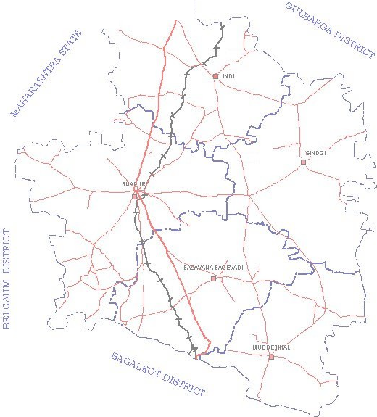 ADMINISTRATIVE SET-UP BIJAPUR DISTRICT KARNATAKA N · t, I ·""'"'-, \,..,-,,\ A i .J'i I., \.., R AICH UR DISTRICT LEGEND ---- Metalled road ;. Taluk boundary - National Highway • District headquarters Railway track • Taluk headquarters

Fig-2
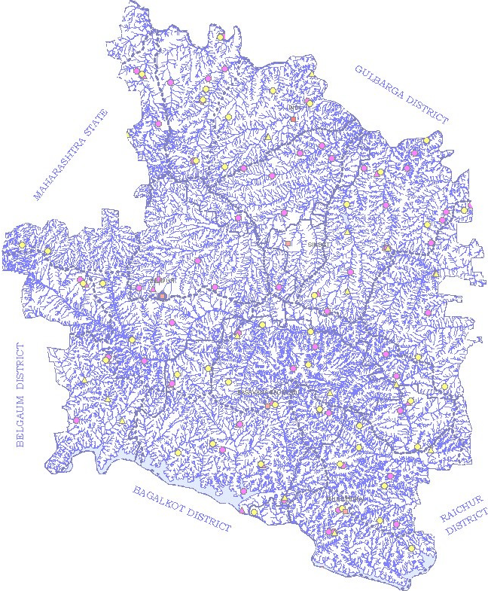 DRAINAGE & HYDROGRAPH MONITORING STATIONS N BIJAPUR DISTRICT, KARNATAKA A LEGEND CGWB STATIONS • Dugwell A Piezometer DMG STATIONS 0 Dugwell t:,. Piezometer 1 Surface waterbody Drainage •• • • • • Watershed Boundary

Fig-3
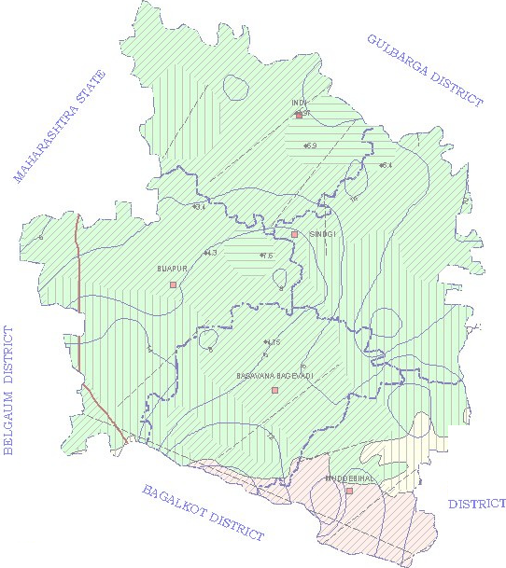 HYDROGEOLOGY BIJAPUR DISTRICT KARNATAKA N A RAICHUR Geology C:J Basalts LEGEND C:J Sandstone,quartzite, shales,slates,limestones --/ Lineament and Dolomites C:J Gneisses lsohyel _ Talukboundary Ground Water Prospects Decadal mean ■ Taluk headquarters [II] 'r1eld upto1 litres per second water levelin mbgl l2LL) 'r1eld upto 5 litres per second ,., 'rield>5 litres per second • Borewell with 'r1eld in litres per second

Fig-4
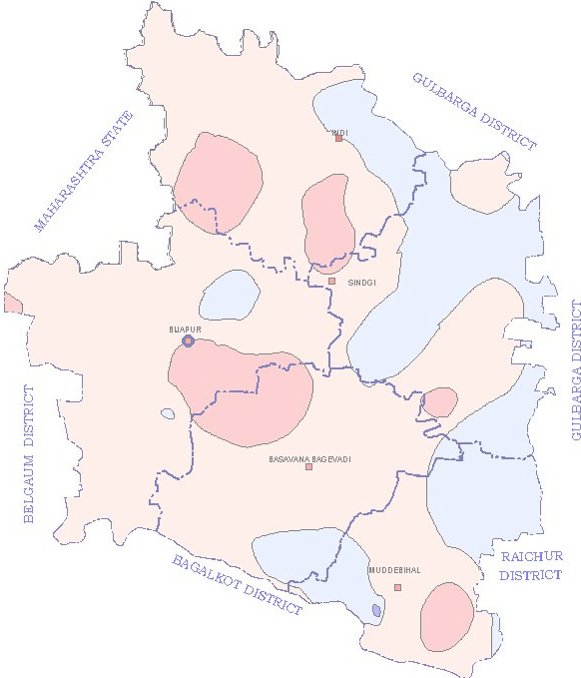 DEPTH TO WATER LEVEL PRE-MONSOON (MAY-2006)i\N. BIJAPUR DISTRICT , KARNATAKA 0 15 30 §iiiiiiiiiiiiiiii kilometers LEGEND Depth to Water Level (m bgl) Wl <2 D 2-5 D 5-10 D 10-20

Fig-5
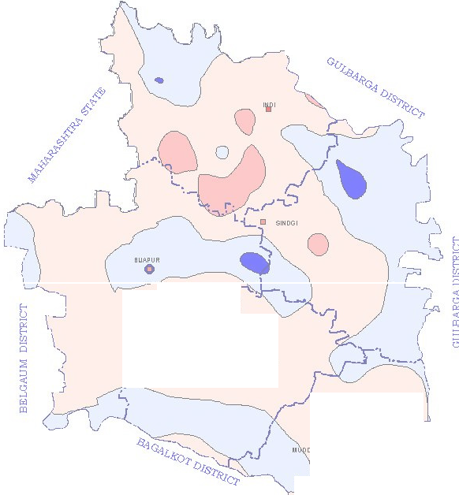 DEPTH TO WATER LEVEL POST-MONSOON N (NOVEMBER-2006) A BIJAPUR DISTRICT , KARNATAKA 0 15 30 §iiiiiiiiiiiiiiii kilometers r'CJ ......)' 8/JSAVAN'o 81'13EVAOI . •1:a•AL0 'rjr-F- RAICHUR DISTRICT ( 'J ......- - - --......_;- LEGEND .Depth<t2o Water Level (m bgl) D 2-5 D 5-10 D 10-20

r-- - ---:-: n Fi =CGRi |  |  |  |  |  |  |  |  |  |  |  |  |  |  |  | ROUNDWATERUTILISATION
STATUSO BIJAPUR DISTRICT
D Safe D Semi-Critical D |  |  |  |  |  |  |  |  |  |  |  |  |  |  |  |  |  |  |  |  |  | LEGEND
Critical D Over |  |  |  |  |  |  |  |  |  |  |  |  |  |  |  |  |  |  |  |  |  |  |  | ""'""-,... |  |  |  |  |  |  | Tau1 |  | k boundary
Exploited d uarters
Areasu·,table artificial recharge |  |  |  |  |  |  |  |  |  |  |  |  |  |  |  |  |  |  |  |  |  |  |  |  |  |  |  | ■ Taluk hea q
Fig-7
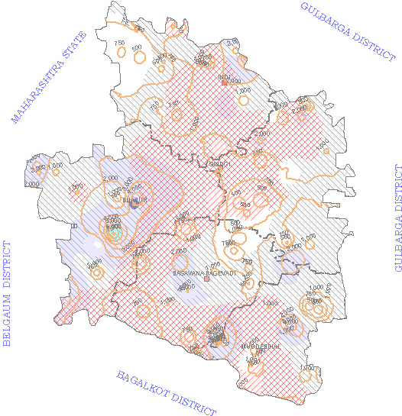 GROUND WATER QUALITY BIJAPUR DISTRICT KARNATAKA N RAICHUR DISTRICT LEGEND Fluoride concentration Chloride concentration Taluk boundary >1.5 Mgll • 250-1000 Mgll • District headquarters Nitrate concentration Chloride concentration > 45 Mgll >1000 Mgll • Taluk headquarters Electrical conductivity (Micro mhos/cm)

