Table 1
GOVERNMENT OF INDIA MINISTRY OF WATER RESOURCES CENTRAL GROUND WATER BOARD GROUND WATER INFORMATION BOOKLET GULBARGA DISTRICT, KARNATAKA SOUTH WESTERN REGION BANGALORE MARCH 2013

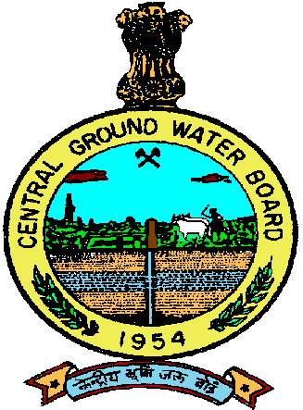 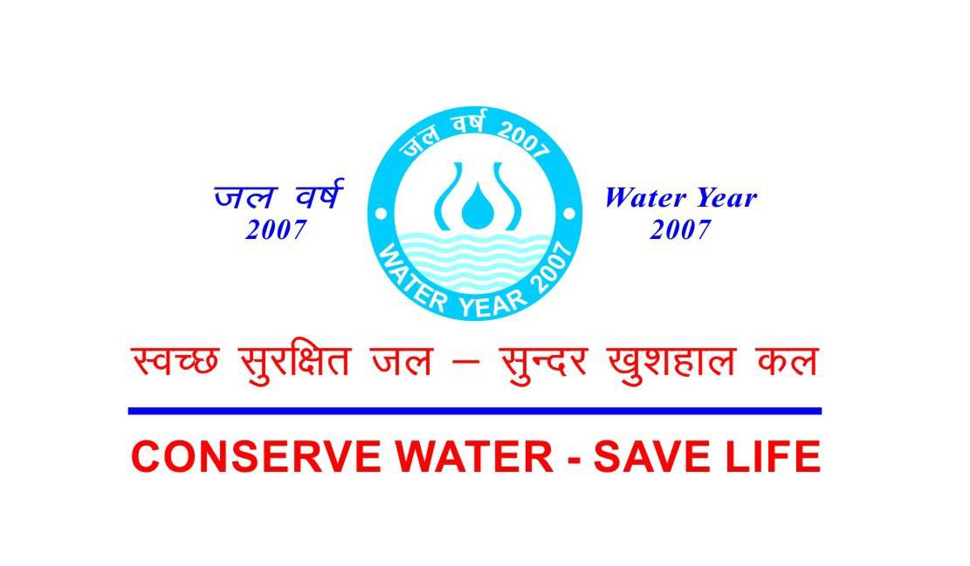 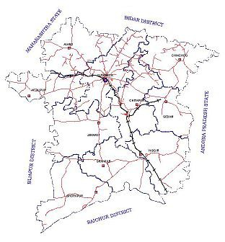 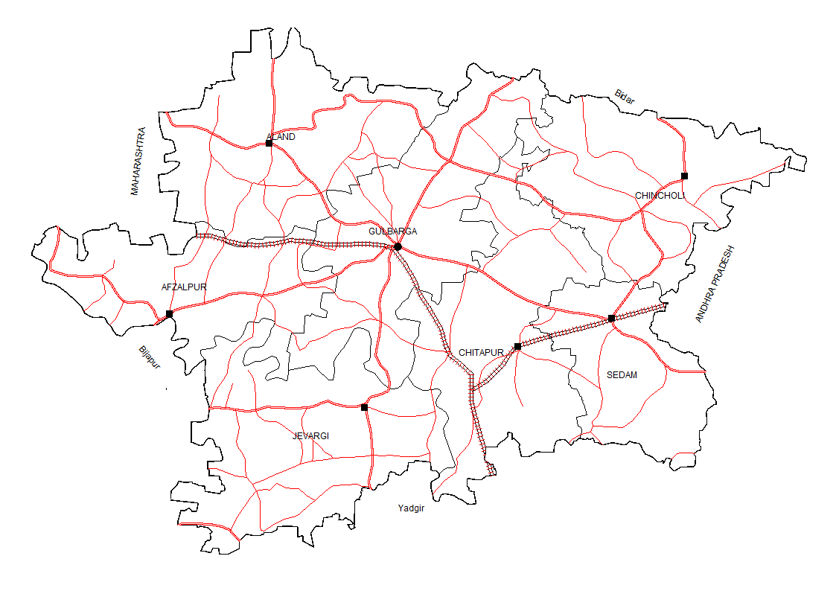

FOREWORD Groundwater is an essential component of the environment and economy. It sustains the flow in our rivers and plays an important role in maintaining the fragile ecosystems. The groundwater dependence of agrarian states like Karnataka is high. Recent studies indicate that 26 percent of the area of Karnataka State is under over exploited category and number of blocks is under critical category. In view of the growing concerns of sustainability of ground water sources, immediate attention is required to augment groundwater resources in stressed areas. Irrigated agriculture in the state is putting additional stress on the groundwater system and needs proper management of the resources. Central Ground Water Board is providing all technical input for effective management of ground water resources in the state. The groundwater scenario compiled on administrative divisions gives a better perspective for planning various ground water management measures by local administrative bodies. With this objective, Central Ground Water Board is publishing the revised groundwater information booklet for all the districts of the state. I do appreciate the efforts of Dr. K.Md.Najeeb, Regional Director and his fleet of dedicated Scientists of South Western Region, Bangalore for bringing out this booklet. I am sure these brochures will provide a portrait of the groundwater resources in each district for planning effective management measures by the administrators, planners and the stake holders.
Sushil Gupta CHAIRMAN
PREFACE Ground water contributes to about eighty percent of the drinking water requirements in the rural areas, fifty percent of the urban water requirements and more than fifty percent of the irrigation requirements of the nation. Central Ground Water Board has decided to bring out district level ground water information booklets highlighting the ground water scenario, its resource potential, quality aspects, recharge – discharge relationship, etc., for all the districts of the country. As part of this, Central Ground Water Board, South Western Region, Bangalore, is preparing such booklets for all the 30 districts of Karnataka state, of which six of the districts fall under farmers’ distress category. The Gulbarga district Ground Water Information Booklet has been prepared based on the information available and data collected from various state and central government organisations by several hydro-scientists of Central Ground Water Board with utmost care and dedication. This booklet has been prepared by Sri.J.Benjamin Vedanayagam, Scientist ‘B’, under the guidance of Dr.K.R.Sooryanarayana, Scientist-D, Central Ground Water Board, South Western Region, Bangalore. The figures were prepared by S/Sri. H.P.Jayaprakash, Scientist- C and J.Sivaramakrishnan, Assistant Hydrogeologist. The efforts of Report processing section in finalising and bringing out the report in this format are commendable. I take this opportunity to congratulate them for the diligent and careful compilation and observation in the form of this booklet, which will certainly serve as a guiding document for further work and help the planners, administrators, hydrogeologists and engineers to plan the water resources management in a better way in the district.

(Dr. K.Md. Najeeb) Regional Director
GULBARGA DISTRICT AT A GLANCE
Sl. No. | Items |  |  |  |  |  |  |  |  |  |  |  |  | Statistics
1. | General Information
 | (i) Geographical area (sq. km.) |  |  |  |  |  |  |  |  |  |  |  |  | 10950
 | (ii) Administrative Division (as on 2005 - 06)
 | (a) Number of Taluks |  |  |  |  |  |  |  |  |  |  |  |  | 7 (Aland, Afzalpur, Gulbarga, Chincholi, Chittapur, Sedam, Jewargi,)
 | (b) Number of Panchayats/ Villages |  |  |  |  |  |  |  |  |  |  |  |  | 337 / 1437
 | (iii) Population (as per 2011 Census) |  |  |  |  |  |  |  |  |  |  |  |  | 2564892
 | (iv) Average Annual Rainfall (mm) |  |  |  |  |  |  |  |  |  |  |  |  | 738
2. | Geomorphology
 | (i) Major physiographic units |  |  |  |  |  |  |  |  |  |  |  |  | Table land
 | (ii) Major Drainage |  |  |  |  |  |  |  |  |  |  |  |  | Krishna & Bhima
3. | Land Use (sq. km.)
 | (i) Forest area (ha) |  |  |  |  |  |  |  |  |  |  |  |  | 35316
 | (ii) Net area sown (ha) |  |  |  |  |  |  |  |  |  |  |  |  | 842636
 | (iii) Cultivable area (ha) |  |  |  |  |  |  |  |  |  |  |  |  | 832584
4 | Major soil types |  |  |  |  |  |  |  |  |  |  |  |  | Deep black soil, Medium black soil & lateritic soil
5. | Area under principal crops (as on 2008 - 09) |  |  |  |  |  |  |  |  |  |  |  |  | Crops |  |  | Area (ha)
 |  |  |  |  |  |  |  |  |  |  |  |  |  | Jowar |  |  | 222945
 |  |  |  |  |  |  |  |  |  |  |  |  |  | Bajra |  |  | 24033
 |  |  |  |  |  |  |  |  |  |  |  |  |  | Gram |  |  | 156081
 |  |  |  |  |  |  |  |  |  |  |  |  |  | Tur |  |  | 327398
 |  |  |  |  |  |  |  |  |  |  |  |  |  | Paddy |  |  | 4031
 |  |  |  |  |  |  |  |  |  |  |  |  |  | Wheat |  |  | 16557
 |  |  |  |  |  |  |  |  |  |  |  |  |  | Cotton |  |  | 16567
 |  |  |  |  |  |  |  |  |  |  |  |  |  | Groundnut |  |  | 6289
 |  |  |  |  |  |  |  |  |  |  |  |  |  | Sunflower |  |  | 105181
 |  |  |  |  |  |  |  |  |  |  |  |  |  | Sugarcane |  |  | 14578
6. | Irrigation by different sources (Area (ha) & Number of structures) (As per Third Census of Minor Irrigation Schemes 2000-01) |  |  |  |  |  |  |  |  |  |  |  |  | Area irrigated (ha) |  |  | Number
 | (i) Dug wells |  |  |  |  |  |  |  |  |  |  |  |  | 23110 |  |  | 16610
 | (ii) Tube wells/ Bore wells |  |  |  |  |  |  |  |  |  |  |  |  | 23356 |  |  | 8556
 | (iii) Tanks / Ponds |  |  |  |  |  |  |  |  |  |  |  |  | 689 |  |  | -
 | (iv) Canals |  |  |  |  |  |  |  |  |  |  |  |  | 33941 |  |  | -
 | (v) Other sources: (a) Lift Irrigation Schemes (b) Surface Flow irrigation |  |  |  |  |  |  |  |  |  |  |  |  | (a)2604 (b)961 |  |  | 3523 250
 | (vi) Net irrigated area |  |  |  |  |  |  |  |  |  |  |  |  | 75300 ha
7. | Number of ground water monitoring wells of Central Ground Water Board (as on 31.03.2011)
 | (i) Dug wells |  |  |  |  |  |  |  |  |  |  |  |  | 73
 | (ii) Piezometers |  |  |  |  |  |  |  |  |  |  |  |  | 24
8 | Predominant Geological Formations |  |  |  |  |  |  |  |  |  |  |  |  | Granite, Gneiss, Basalt, Limestone
9. | Hydrogeology
 | (i) Major water bearing formation |  |  |  |  |  |  |  |  |  |  |  |  | Granite, Gneiss, Vesicular Basalt & Limestone
 | (ii) Pre - monsoon depth to water level during May 2011 (in mbgl) |  |  |  |  |  |  |  |  |  |  |  |  | 1.87 to 16.75
 | (iii) Post – monsoon depth to water level during Nov. 2011 (in mbgl) |  |  |  |  |  |  |  |  |  |  |  |  | 0.68 to 11.98
 | (iv) Long term water level trend in 10 years (2002 – 2011) (in m/year)
 | (a) Pre – monsoon A t41 National Hydrograph Stations (NHS) water levels have shown rising trend in the range of 0.005 to 1.034 m/year while 14 NHS water levels have shown falling trend in the range of 0.002 to 0.*944 m/year..
 | (b) Post - monsoon At 53 National Hydrograph Stations (NHS) water levels have shown rising trend in the range of 0.010 to 1.230 m/year, while at 7 NHS water levels have recorded falling trend in the range of 0.025 to 0.391 m/year.
10. | Ground water exploration by Central Ground Water Board (as on 31.03.11)
 | (i) Number of wells drilled (EW, OW, PZ, SH, Total) |  |  |  |  |  |  |  |  |  |  |  |  | (a) Exploratory well - 82+32=114 (b) Observation well - 29+5=34 (c) Piezometer - 29 (d) Slim hole – 2 TOTAL - 179
 | (ii) Depth Range (mbgl) |  |  |  |  |  |  |  |  |  |  |  |  | 9 to 302.3
 | (iii) Discharge (litres per second) |  |  |  |  |  |  |  |  |  |  |  |  | 0.0136 to 9.49
 | (iv) Storativity (S) |  |  |  |  |  |  |  |  |  |  |  |  | 1.30 x 10-1 to 5.90 x 10-2
 | (v) Transmissivity (m2/day) |  |  |  |  |  |  |  |  |  |  |  |  | 0.72 to 370
11. | Ground water quality
 | (i) Presence of chemical constituents more than permissible limit |  |  |  |  |  |  |  |  |  |  |  |  | Fluoride & Nitrate
 | (ii) Type of water |  |  |  |  |  |  |  |  |  |  |  |  | Calcium – Magnesium Bicarbonate Type
12. | Dynamic ground water resource (2009)
 | (i) Net ground water availability (ham) |  |  |  |  |  |  |  |  |  |  |  |  | 63789
 | (ii) Total Annual Ground Water Draft (ham) |  |  |  |  |  |  |  |  |  |  |  |  | 25382
 | (iii) Projected demand for domestic & industrial uses upto 2025 (ham) |  |  |  |  |  |  |  |  |  |  |  |  | 4246
 | (iv) Stage of ground water development (%) |  |  |  |  |  |  |  |  |  |  |  |  | 57% (SAFE)
13. | Awareness & Training activity
 | (i) Mass awareness programmes organized |  |  |  |  |  |  |  |  |  |  |  |  | 2
 | (a) Date |  |  |  |  |  |  |  |  |  |  |  |  | (i) 14.02.02 (ii) March 1999
 | (b) Place |  |  |  |  |  |  |  |  |  |  |  |  | (i) Gulbarga University (ii) Mines & Geology office, Gulbarga
 | (ii) Water management Training Programmes organized |  |  |  |  |  |  |  |  |  |  |  |  | Nil
14. | Artificial recharge & rainwater harvesting |  |  |  |  |  |  |  |  |  |  |  |  | Nil
 | (i) Projects completed by CGWB (No. & amount spent)
 | (ii) Projects under technical guidance of CGWB
15. | Ground water control & Regulation |  |  |  |  |  |  |  |  |  |  |  |  | Nil
 | (i) Number of OE blocks
 | (ii) Number of Critical blocks |  |  |  |  |  |  |  |  |  |  |  |  | Nil
 | (iii) Number of blocks notified |  |  |  |  |  |  |  |  |  |  |  |  | Nil
16 | Major ground water problems & issues |  |  |  |  |  |  |  |  |  |  |  |  | A small percentage of area comes under SEMI CRITICAL CATEGORY chitapur taluk. Sedam, Chincholi & Chittapur taluks experience mild drought condition in spite of consistent rainfall. Fluoride & Nitrate concentration beyond permissible limit is reported in ground water of few areas falling in Shorapur, Shahpur, Jewargi, Gulbarga & Afzalpur taluks.
1.0 Introduction 1.1 Location Gulbarga district lies in the northern part of Karnataka between 16o42’ – 17o46’ N. latitudes and 76o04' - 77o41' E. longitudes, with a geographical area of 10950 sq. km. The district is bounded by Bidar district in the north, Bijapur district in west, Yadgir district in south and Andhra Pradesh in the east. 1.2 Administrative set up Gulbarga is the district headquarters. The district comprises of 7 taluks namely, Aland, Afzalpur, Gulbarga, Chincholi, Chittapur, Sedam and Jewargi, (Figure 1). There are 220 Gram Panchayats,918 Villages. 1.3 Population Population of the district (2011 Census) is 2564892 with an average population density of 233 per km2. 1.4 Drainage Krishna and Bhima Rivers drain the district. They constitute the two major river basins of the district. Kagna and Amarja are the two sub - basins of Bhima River, which occur within the geographical area of the district. Drainage Map of Gulbarga district is illustrated in Figure 2. 1.5 Crops & Irrigation practices About 75% of the geographical area of the district is under cultivation. Irrigation through dug wells is more prevalent in Aland, Gulbarga, & Afzalpur taluks, whereas, irrigation in Jewargi taluk is through canal of Upper Krishna Project. Lift Irrigation Schemes are under implementation along Bhima River. The crops cultivated in the district are mainly rain fed. The major crops of the district are jowar, bajra, gram, tur, groundnut, sunflower and sugarcane. The irrigated crops are rice, wheat and sugarcane. 1.6 Activities carried out by Central Ground Water Board (CGWB) Previous works have been carried out by CGWB, South Western Region (SWR), in different parts of Gulbarga district under Systematic Hydrogeological Surveys (1976 - 77, 1986 - 87), Reappraisal Hydrogeological Surveys (1991 - 92, 1993 - 94, 1997 - 98 & 1998 - 99) and Exploratory Drilling Programm

Fig.1
Fig.2
Fig.3
46. Although, consistent normal rainfall is prevalent, Sedam, Chincholi & Chitapur taluks experience mild drought conditions. Gulbarga district lies in the northern plains of Karnataka and has semi - arid type of climate. Dry climate prevails for most part of the year. December is the coldest month with mean daily maximum and minimum temperatures being 29.5oC & 15o to 10oC respectively. During peak summer, temperature shoots up to 45oC. Relative humidity varies from 26% in summer to 62% in winter. 3.0 Geomorphology & Soil Types The northern part of the district represents a plateau, typical of Deccan Trap terrain and is deeply indented with ravines. The southern part represents undulating terrain with sparsely distributed knolls & tors.. The ground elevation varies significantly from 340 m amsl in southeast to 620 m amsl in the north. The regional slope is towards south and southeast. The soil types in the district are deep black, medium black soil, shallow soil and lateritic soil. The deep & medium black soil covers practically the entire district's area, except a small portion towards the northern part of the district. Black soil has been derived from basaltic rocks and varies in colour from medium to deep black. Its thickness varies from 0.5 to 3.6 m. Infiltration rate of shallow, medium and deep black soil is moderate to poor. Infiltration rate of medium black soil recorded in the district is 2.5 cm/hr. Lateritic soil occurs in small extent towards the northern part of the district and its thickness varies from 1.0 to 5.0 m. It has moderate to good infiltration characteristics. 4.0 Ground water scenario 4.1 Hydrogeology The southern part of the district comprises the Peninsular Gneiss and granites. Central, northeastern and southwestern part comprises of sedimentary formations viz. sandstone, quartzite, shale, slate, limestone and dolomite (Fig

Fig. 4
1
4.1.2 Depth to water level Out of 73 National Hydrograph Station (NHS) dug wells located in Gulbarga district, the depth to water levels recorded during pre and post monsoon periods are 1.87 to 16.75 mbgl and 0.68 to 11.98 mbgl respectively (Figure 5 & 6). The map depicts that a major part of the district has moderately deep water levels between 5 to 10 mbgl during pre – monsoon period. Depth to water level in 24 NHS piezometers in the district during pre – monsoon (May 2011) and post – monsoon (Nov. 2011) periods were in the range of 1.20 to 15.70 mbgl and 1.01 to 13.36 mbgl respectively. 4.1.3 Seasonal ground water level fluctuation Subsequent to seasonal rainfall, ground water level records a rise, indicating recharge to ground water. During pre-monsoon period there is depletion of ground water level due to exploitation, natural discharge and no recharge. This is manifested as fall in ground water level during pre-monsoon period. Therefore, ground water level in general shows a receding trend from December to May. Seasonal water level fluctuation (May & November 2011) as observed in 60 NHS dug wells indicate that in 85% of NHS there is rise in ground water level in the range of 0.032 to 1.309 m, whereas in 14% of NHS there is fall in ground water level in the range of 0.024 to1.602 m. Seasonal water level fluctuation as observed in 12 NHS piezometers indicate that there is rise in ground water level in the range of 0.060 to1.630 m and fall in the range of 0.151 to 0.181 m. 4.1.4 Long – term water level trend Pre-monsoon ground water level data for NHS in Gulbarga district, water level trend (2002 – 2011) of 41 NHS show rise in the range of 0.005 to 1.034 m/year. Similarly, for 14 NHS falling trend in the range of 0.002 to 0.944 m/year. Rising water level trend during pre – monsoon period may be attributed to less ground water draft and recharge through canal, tanks or reser

1
\Fig. 5
Fig.6
Fig. 7
Fig.8
4.1.5 Aquifer system encountered in the area Under, ground water exploration programme of CGWB, in the district, attempt has been made to study aquifer geometry & parameters through drilling exploratory bore wells. The selection of sites of all such bore wells was done based on detailed hydrogeological investigation and geophysical surveys. The aquifer zones in the area have been found to occur under phreatic condition at shallow depth primarily in the weathered formation, followed by semi – confined to confined condition in fractured & jointed formation at greater depth. Geological formations occurring in the district are Deccan Trap basalts, sedimentary of Bhima Formation and Peninsular gneisses & granites. In Deccan Trap basalts, exploratory bore wells have been drilled to depth ranging from 20 to 101 mbgl. The thickness of weathered zone encountered ranges from 0.95 to 17m. Water bearing fractures occur within the depth range of 3.5 to 90 mbgl. Drill time discharge ranges from 0.40 to 3.7 lps. Transmissivity ranges from 16.50 to 174 m2/day. The depth of exploratory bore wells drilled in the sedimentary of Bhima Formation range from 18 to 92 mbgl. The thickness of weathered zone encountered range from 1.5 to 10 m. Water bearing fractures occur within the depth range of 4.5 to 92 mbgl. Drill time discharge ranges from 0.05 to 9.5 lps. Transmissivity ranges from 91.30 to 370 m2/day. The depth of exploratory bore wells drilled in gneisses and granite range from 8.0 to 90 mbgl. The thickness of weathered zone encountered range from 1.7 to 18.5 m. Water bearing fractures occur within the depth range of 7.5 to 90 mbgl. Drill time discharge ranges from 0.60 to 28.0 lps. 4.2 Ground water resources Taluk wise ground water resource potential as per the Ground Water Estimation Methodology (GEM) 1997 on March 2009 is mentioned in Table 1. As illustrated in Table 1 and Map (Figur

recharge depends on the quantity and intensity of rainfall, the infiltration characteristics of the soil, the depth to ground water level, the slope of the area and the geomorphology. The ground water recharge is assessed separately for the monsoon and non monsoon period due to rainfall as well as due to other sources which includes return seepage from irrigated area, seepage from canals, water bodies, influent rivers etc The total ground water recharge is expressed in meters which can be arrived at by dividing the total annual ground water recharge by the area. In Karnataka state ,the unit area recharge is grouped into four categories viz.0.025-0.10m,0.10-0.15m, 0.15-0.25, and 0.25-0.5m. In Gulbarga major area falls in .025-.10m category and only oin Jevargi taluk it falls in 0.1 to 0.15m category (Fig.10). Table 1: Taluk wise ground water resource potential of Gulbarga district, Karnataka.
GROUND WATER RESOURCES OF GULBARGA DISTRICT AS ON 2004
TALUK |  | Net Ground water Availability (HAM) | Irrigation draft (HAM) | Domestic and industrial draft (HAM) |  | Total annual ground water draft (HAM) |  | Projected domestic and industrial draft 2025 (HAM) | Ground water availability for future irrigation** (HAM) |  | Average Stage of development (%) | STAGE OF DEVELOPMENT AS ON MARCH 2004
 |  |  |  |  |  |  |  |  |  |  |  | SAFE AREA (%) |  | SEMI-CRITICAL AREA (%) | CRITICAL AREA (%) | OE AREA (%)
AFZALPUR |  | 5004 | 4476 | 216 |  | 4691 |  | 237 | 537 |  | 94 | 85 |  | - | - | 15
ALAND |  | 6720 | 5081 | 406 |  | 5486 |  | 493 | 1168 |  | 82 | 99 |  | - | - | 01
CHINCHOLI |  | 6553 | 2374 | 500 |  | 2874 |  | 616 | 3564 |  | 44 | 100 |  | - | - | -
CHITAPUR |  | 3008 | 1579 | 448 |  | 2027 |  | 548 | 881 |  | 67 | 75 |  | 25 | - | -
GULBARGA |  | 8453 | 3705 | 617 |  | 4322 |  | 762 | 3986 |  | 51 | 100 |  | - | - | -
JEVARGI |  | 29845 | 3166 | 670 |  | 3836 |  | 1255 | 25455 |  | 13 | 85 |  |  |  | 15
SEDAM |  | 4206 | 1871 | 275 |  | 2146 |  | 335 | 2000 |  | 51 | 99 |  | 01 | - | -
Total |  | 63789 | 22252 | 3132 |  | 25382 |  | 4246 | 37591
4.3 Ground water quality Quality of ground water in the district, in general is good and potable. It is suitable for domestic and irrigation purposes. Water samples collected from NHS (dug wells) were analysed to decipher the quality of shallow aquifer. All important parameters viz. EC, pH & TDS are within permissible limit, whereas fluoride concentration beyond permissible limit has been found to occur in a few samples collected from , Jewargi, Gulbarga and Afzalpur taluks. Nitrate content beyond permissible limit has been found to occur in a few samples collected from Jewargi, Gulbarga, Chittapur and Afzalpur taluk. Specific conductance ranges from 427 to 3550 micro mhos per cm at 25oC and chloride is in the range of 28 to 652 ppm, thus rendering it suitable for irrigation.
Fig. 9
Fig 10
1
4.4 Status of groundwater development Dug wells are mainly the ground water abstraction structure in use for irrigation purposes in all the taluks, followed by shallow tube wells.. Lift irrigation schemes are also being executed to a large extent in Afzalpur, Jevargi and Sedam taluks respectively. Dug cum bore wells are not much in practice. The details of ground water abstraction structures constructed under various minor irrigation schemes in Gulbarga district are mentioned in Table 2. Table 2: Taluk wise ground water abstraction structures constructed under various minor irrigation schemes in Gulbarga district.
Sl. No. | Taluk |  |  |  | Dug wells |  | Shallow tube wells |  |  | Surface flow irrigation |  |  | Lift irrigation
1 | Afzalpur |  |  |  | 2233 |  | 2422 |  |  | 18 |  |  | 1837
2 | Aland |  |  |  | 5707 |  | 1615 |  |  | 24 |  |  | 169
3 | Chincholi |  |  |  | 998 |  | 948 |  |  | 33 |  |  | 314
4 | Chitapur |  |  |  | 895 |  | 777 |  |  | 43 |  |  | 219
5 | Gulbarga |  |  |  | 3810 |  | 1088 |  |  | 57 |  |  | 182
6 | Jevargi |  |  |  | 2212 |  | 519 |  |  | 12 |  |  | 645
7 | Sedam |  |  |  | 755 |  | 1187 |  |  | 63 |  |  | 157
TOTAL |  |  |  |  | 16610 |  | 8556 |  |  | 250 |  |  | 3523
Source: iv th Census of Minor Irrigation Schemes 2006 – 07 4.4.1 Afzalpur taluk Afzalpur taluk is located towards the western part of Gulbarga district. Major water bearing formation in the area is Deccan Trap basalt. The depth of exploratory bore wells drilled by CGWB in the area is within the range 35 to 90 mbgl having drill time discharge between 0.5 and 5 lps. 2233 irrigation-dug wells exist (as per iv th Census of Minor Irrigation Schemes 2006 – 07), out of which, 1712 are functional. The water lifting device fitted in dug wells are generally electric pumps of 4 to 6 HP and 4 average pumping hour. Season wise irrigation potential created through dug wells is 1572 ha. Out of 1909 irrigation shallow bore wells, 1775 are in use and are fitted mainly with electric pumps of 4 to 6 HP with an average pumping hour of 4. Season wise irrigation potential created through these bore wells is 2660 ha. 4.4.2 Aland taluk Aland taluk is located towards northwestern part of Gulbarga district. Major water bearing formation in the area is Deccan Trap basalt. The depth of exploratory bore wells drilled by CGWB in the area is within the range 39 to 80 mbgl having drill time discharge between 0.5 and 5 lps. 5707 irrigation-dug wells exist (as per iv th Census of Minor Irrigation Schemes 2006 – 07), out of which, 5534 are functional. The water lifting devices fitted in dug wells are generally electric or diesel pumps. Electric pumps of 4 to 6 HP are mainly in use
having 4 average pumping hours. Season wise irrigation potential created through dug wells is 8603 ha. Out of 1143 irrigation shallow bore wells, 1118 are in use and are fitted mainly with electric pumps of 4 to 6 HP with an average pumping hour of 4. Season wise irrigation potential created through these bore wells is 2233 ha. 4.4.3 Chincholi taluk Chincholi taluk is located towards northeastern part of Gulbarga district. Major water bearing formation is Deccan Trap basalt followed by sediments of Bhima Formation. The depths of bore wells drilled by CGWB are within the range 44 to 82 mbgl and drill time discharge is within 0.30 to 9.5 lps. 998 irrigation-dug wells exist, (as per iv th Census of Minor Irrigation Schemes 2006 – 07), out of which, 903 are functional and in use for irrigation purposes. Water lifting device fitted in dug wells is mainly electric pump of 4 to 6 HP with average pumping of 4 hours. Season wise irrigation potential created through dug wells is 1499 ha. Out of 673 irrigation shallow bore wells, 525 are in use. Water is being lifted from these tube wells primarily by electric pumps of 4 to 6 HP, with average pumping of 4 to 8 hours. Season wise irrigation potential created through bore wells is 1596 ha. 4.4.4 Chitapur taluk Chitapur taluk is located in the central part of Gulbarga district. Major water bearing formation is sedimentaries of Bhima Formation followed by basalt and granite gneiss. The depths of bore wells drilled by CGWB are within the range 20.50 to 92 mbgl and drill time discharge is within 0.15 to 5.96 lps. 895 irrigation-dug wells exist, (as per iv th Census of Minor Irrigation Schemes 2006 – 07), out of which, 608 are in use. Water lifting device fitted in dug wells is mainly electric pump of 2 to 6 HP with average pumping of 4 to 8 hours. Season wise irrigation potential created through dug wells is 849 ha. Out of 623 irrigation shallow bore wells, 611are

Out of 1012 irrigation shallow bore wells, 957 are in use. Water is being lifted from these tube wells primarily by electric pumps of 2 to 6 HP, with average pumping of 4 to 8 hours. Season wise irrigation potential created through bore wells is 1444 ha. In addition to above, surface flow irrigation schemes are also under implementation. 4.4.6 Jevargi taluk Jevargi taluk is located in the western part of the district. Major water bearing formation is Deccan Trap basalt followed by sedimentries of Bhima Formation. The depths of bore wells drilled by CGWB are within the range 54.0 to 101 mbgl and drill time discharge is within 0.22 to 1.75 lps. 2212 irrigation-dug wells exist, (as per ivth Census of Minor Irrigation Schemes 2006 – 07), out of which, 2076 are in use. Water lifting device fitted in dug wells is mainly electric pump of 2 to 8 HP with average pumping of 4 to 8 hours. Season wise irrigation potential created through dug wells is 3774 ha. Out of 347 irrigation shallow bore wells, 318 are in use. Water is being lifted from these tube wells primarily by electric pumps of 2 to 8 HP, with average pumping of 4 to 8 hours. Season wise irrigation potential created through bore wells is 947 ha. 4.4.7 Sedam taluk Sedam taluk is located in the eastern part of the district. Major water bearing formation is sedimentries of Bhima Formation followed by granite gneiss. The depths of bore wells drilled by CGWB are within the range 9 to 90 mbgl and drill time discharge is within 0.10 to 9 lps. 755 irrigation-dug wells exist, (as per iv th Census of Minor Irrigation Schemes 2006 – 07), out of which, 634 are in use. Water lifting device fitted in dug wells is either electric or diesel pump of 2 to 6 HP with average pumping of 4 to 8 hours. Season wise irrigation potential created through dug wells is 620 ha. Out of 1052 irrigation shallow bore wells, 779 are in use. Water is being lifted from these tube wells primarily by electric p

Dug wells are the ideal (as also indicated in Table 2) and prevalent ground water abstraction structure in the district. Their diameter may be 4.5 to 5m and depth between 15 and 20m. Dug cum bore wells may be constructed to tap the weathered and fractured zone wherever feasible, based on hydro geological considerations. The bore wells from the bottom of dug wells may be drilled up to a depth of 40 to 80m with a diameter of extension bore wells in the range of 100 to 152 mm. Bore wells of 152 mm diameter can be constructed from the surface by lowering the casing pipe up to the semi-weathered formation and leaving the rest of bore well naked. The depth of bore wells in the range of 8 to 100m, yielding between 0.50 to 9.5 lps or more can be drilled at suitable sites after hydro geological and geophysical investigations. 5.2 Water conservation & Artificial recharge As per ground water resource assessment data, major part of the district is falling under SAFE category. The stage of ground water development in the district is 57%, which implies that there is enough scope for further ground water development. However, water conservation and artificial recharge to ground water methods may be adopted in SEMI CRITICAL pockets of Chitapur taluk as well as in non-command areas. On the basis of data available, about 169,558 ha is the net area irrigated through canal, which constitutes a major part of all sources of irrigation. Hence, the canal command area may not require adoption of artificial recharge techniques. Thus, based on hydro geological conditions and terrain type, the area suitable for artificial recharge to ground water is depicted in Map (Figure 11). Net area irrigated through tanks in the district is 11816 ha, of which maximum tank irrigated area 2789 ha, is in Gulbargai taluk followed by Chincholi( 2234 ha) Sedam (1901 ha),Chitaput(1619 ha),Alan

Fig.11
Quality of ground water in the district in general is good and potable. However, fluoride concentration beyond permissible limit has been found to occur in a few samples collected from , Jewargi, Gulbarga and Afzalpur taluks. Nitrate content beyond permissible limit has been found to occur in a few samples collected from Jewargi, Gulbarga, Chittapur and Afzalpur taluks. 7.0 Awareness & Training Activity 7.1(a) Mass Awareness Programme (MAP) Central Ground Water Board, South western Region, Bangalore has organized MAP during March 1999 at Mines & Geology office in Gulbarga. The programme was attended by State Senior Geologist, BDO, Chairman of Gram Panchayat, Ex- MLA of Gulbarga constituency and local farmers. The programme was highly appreciated and was given wide publicity by the media. MAP was also organized by CGWB on 14.01.2002 at Gulbarga University, on the theme”Artificial Recharge to ground water & roof top rainwater harvesting”. The programme was presided over by the Vice Chancellor of Gulbarga University. The programme was attended by the students, officers of Central/ State government departments, representatives of NGOs & Voluntary Organizations and public. Lectures on various aspects of ground water development, management and legislature were delivered by the scientists of CGWB on the occasion of two MAP organized at different venues in Gulbarga district. 7.1(b) Water Management Training Programme (WMTP) by Central Ground Water Board Central Ground Water Board, Southwestern Region, Bangalore, has not organized WMTP in Gulbarga district. However, during subsequent Annual Action Plans, it is envisaged to organise WMTP at Gulbarga district. 7.2 Presentations and lectures delivered in public forum Lectures on various aspects of ground water development, management and legislature were delivered by the scientists of CGWB on the

wells to increase the yield. The district is categorised, as SAFE from the point of view of ground water development, thus there is scope for mitigating drought condition through judicious ground water exploitation. Artificial recharge to ground water through percolation tanks and rejuvenation of existing tanks by desilting will help in recharging the phreatic zone. Dug well recharge can also help in rejuvenating dry dug wells. Fluoride concentration beyond permissible limit in ground water of some areas of Jewargi, Gulbarga and Afzalpur taluks may be of geogenic origin. The remedy could be use of surface water resource for drinking purpose. Nitrate content beyond permissible limit in ground water samples of some areas in Jewargi, Gulbarga, Chittapur & Afzalpur taluks may be attributed to excessive use of fertilizer for agriculture. Thus leaching of nitrate in the phreatic zone occurs, which the dug wells normally tap. In such areas water from deep bore wells may be used for drinking purpose.

