Table 1
OREWORD utes to about eighty p ments in the rural areas, fi f rements and more than fi f ments of the nation. Ce Water Board has decided to bring out district water information booklets highlighting the ground water scenario, its rGeOsoVuErcReNpMotEenNtiTalO, qFuIaNliDtyIAaspects, recharge – dischargMe IrNelIaStiToRnsYhiOp,FeWtc.A, TfoEr RallRthEeSOdiUstRricCtsESof the country. AsCpEartNTofRthAis,LCGenRtraOl GUrNouDndWWAateTr EBoRarBd,OSAouRthDWestern Region, Bangalore, is preparing such booklets for all the 30 districts of Karnataka state, of which six of the districts fall
GROUunNdeDr faWrmeArsT’ dEisRtresIsNcaFteOgoRryM. |  |  |  |  |  |  |  |  |  |  |  |  |  | ATION BOOKLET
ct Ground Water Information Booklet has
YADGIR |  |  |  |  |  |  |  | aDseIdSoTn RtheICinfTorm, aKtioAn RavaNilaAbleTaAndKdaAta
SOUTH WESTERN REGION BANGALORE FEBRUARY 2013 1
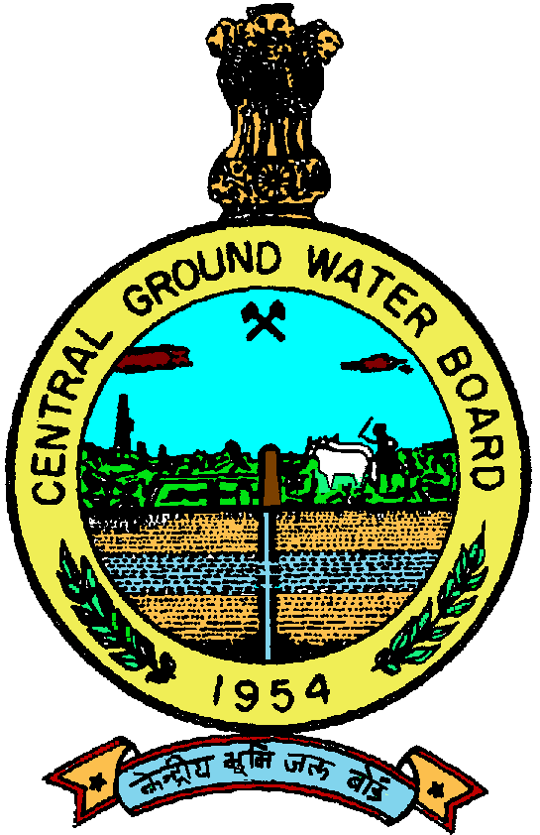 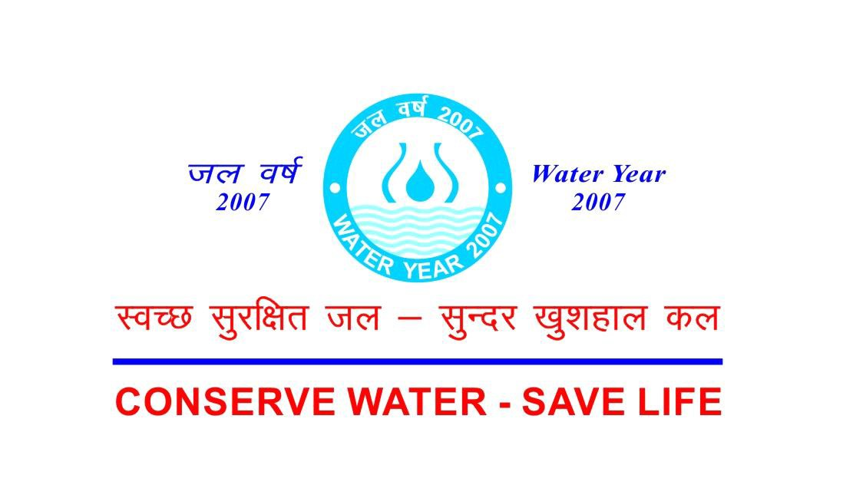 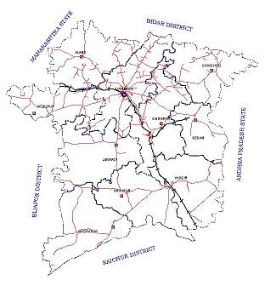 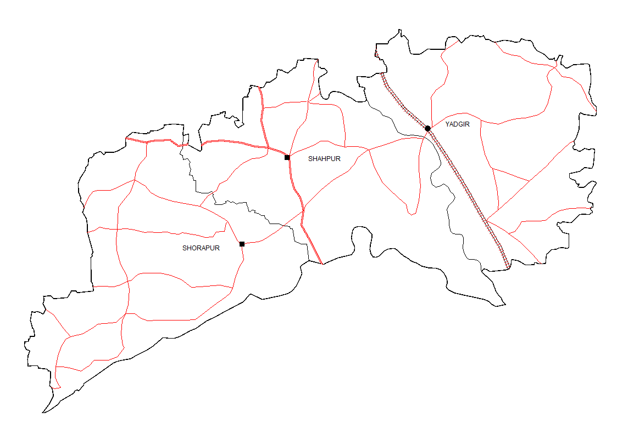

FOREWORD Groundwater is an essential component of the environment and economy. It sustains the flow in our rivers and plays an important role in maintaining the fragile ecosystems. The groundwater dependence of agrarian states like Karnataka is high. Recent studies indicate that 26 percent of the area of Karnataka State is under over exploited category and number of blocks is under critical category. In view of the growing concerns of sustainability of ground water sources, immediate attention is required to augment groundwater resources in stressed areas. Irrigated agriculture in the state is putting additional stress on the groundwater system and needs proper management of the resources. Central Ground Water Board is providing all technical input for effective management of ground water resources in the state. The groundwater scenario compiled on administrative divisions gives a better perspective for planning various ground water management measures by local administrative bodies. With this objective, Central Ground Water Board is publishing the revised groundwater information booklet for all the districts of the state. I do appreciate the efforts of Dr. K.Md.Najeeb, Regional Director and his fleet of dedicated Scientists of South Western Region, Bangalore for bringing out this booklet. I am sure these brochures will provide a portrait of the groundwater resources in each district for planning effective management measures by the administrators, planners and the stake holders.
Sushil Gupta CHAIRMAN
PREFACE Ground water contributes to about eighty percent of the drinking water requirements in the rural areas, fifty percent of the urban water requirements and more than fifty percent of the irrigation requirements of the nation. Central Ground Water Board has decided to bring out district level ground water information booklets highlighting the ground water scenario, its resource potential, quality aspects, recharge – discharge relationship, etc., for all the districts of the country. As part of this, Central Ground Water Board, South Western Region, Bangalore, is preparing such booklets for all the 30 districts of Karnataka state, of which six of the districts fall under farmers’ distress category. The Yadgir district Ground Water Information Booklet has been prepared based on the information available and data collected from various state and central government organisations by several hydro-scientists of Central Ground Water Board with utmost care and dedication. This booklet has been prepared by Sri.J.Benjamin Vedanayagam, Scientist ‘B’, under the guidance of Dr.K.R.Sooryanarayana, Scientist-D, Central Ground Water Board, South Western Region, Bangalore. The figures were prepared by S/Sri. H.P.Jayaprakash, Scientist-C and J.Sivaramakrishnan, Assistant Hydrogeologist. The efforts of Report processing section in finalising and bringing out the report in this format are commendable. I take this opportunity to congratulate them for the diligent and careful compilation and observation in the form of this booklet, which will certainly serve as a guiding document for further work and help the planners, administrators, hydrogeologists and engineers to plan the water resources management in a better way in the district.

(Dr. K.Md. Najeeb) Regional Director
YADGIR DISTRICT AT A GLANCE
Sl. No. |  | Items |  |  |  |  |  |  |  |  |  |  |  |  |  |  |  |  |  |  | Statistics
1. |  | General Information
 |  | (i) Geographical area in (Sq.Km)( as on 2008-09) |  |  |  |  |  |  |  |  |  |  |  |  |  |  |  |  |  |  | 5234.4
 |  | (ii) Administrative Division (as on 2009-10)
 |  | (a) Number of Taluks |  |  |  |  |  |  |  |  |  |  |  |  |  |  |  |  |  |  | 3 ( Yadgir, Shorapur, Shahpur)
 |  | (b) Number of Panchayats/ Villages(2001 census) |  |  |  |  |  |  |  |  |  |  |  |  |  |  |  |  |  |  | 117/519
 |  | (iii) Population (as per 2011 Census) |  |  |  |  |  |  |  |  |  |  |  |  |  |  |  |  |  |  | 1172985
 |  | (iv) Average Annual Rainfall (mm) |  |  |  |  |  |  |  |  |  |  |  |  |  |  |  |  |  |  | 633
2. |  | Geomorphology
 |  | (i) Major physiographic units |  |  |  |  |  |  |  |  |  |  |  |  |  |  |  |  |  |  | Table land
 |  | (ii) Major Drainage |  |  |  |  |  |  |  |  |  |  |  |  |  |  |  |  |  |  | Krishna & Bhima
3. |  | Land Use in (ha)
 |  | (i) Forest area |  |  |  |  |  |  |  |  |  |  |  |  |  |  |  |  |  |  | 33773
 |  | (ii) Net area sown |  |  |  |  |  |  |  |  |  |  |  |  |  |  |  |  |  |  | 421199
 |  | (iii) Cultivable area |  |  |  |  |  |  |  |  |  |  |  |  |  |  |  |  |  |  | 2385
4 |  | Major soil types |  |  |  |  |  |  |  |  |  |  |  |  |  |  |  |  |  |  | Deep black soil, Medium black soil & lateritic soil
5. |  | Area under principal crops (as on 2008 - 09) |  |  |  |  |  |  |  |  |  |  |  |  |  |  |  |  |  |  | Crops |  | Area (ha)
 |  |  |  |  |  |  |  |  |  |  |  |  |  |  |  |  |  |  |  |  | Jowar |  | 83028
 |  |  |  |  |  |  |  |  |  |  |  |  |  |  |  |  |  |  |  |  | Bajra |  | 28665
 |  |  |  |  |  |  |  |  |  |  |  |  |  |  |  |  |  |  |  |  | Paddy |  | 66254
 |  |  |  |  |  |  |  |  |  |  |  |  |  |  |  |  |  |  |  |  | Gram |  | 25686
 |  |  |  |  |  |  |  |  |  |  |  |  |  |  |  |  |  |  |  |  | Wheat |  | 3776
 |  |  |  |  |  |  |  |  |  |  |  |  |  |  |  |  |  |  |  |  | Tur |  | 52371
 |  |  |  |  |  |  |  |  |  |  |  |  |  |  |  |  |  |  |  |  | Sunflower |  | 29184
 |  |  |  |  |  |  |  |  |  |  |  |  |  |  |  |  |  |  |  |  | Sugarcane |  | 765
 |  |  |  |  |  |  |  |  |  |  |  |  |  |  |  |  |  |  |  |  | Cotton |  | 34409
 |  |  |  |  |  |  |  |  |  |  |  |  |  |  |  |  |  |  |  |  | Ground Nut |  | 35038
6. |  | Irrigation by different sources (Area (ha) & Number of structures) (As per Third Census of Minor Irrigation Schemes 2008-09) |  |  |  |  |  |  |  |  |  |  |  |  |  |  |  |  |  |  | Area irrigated (ha) |  | Number
 |  | (i) Dug wells |  |  |  |  |  |  |  |  |  |  |  |  |  |  |  |  |  |  | 6330 |  | 3042
 |  | (ii) Tube wells/ Bore wells |  |  |  |  |  |  |  |  |  |  |  |  |  |  |  |  |  |  | 8687 |  | 5445
 |  | (iii) Tanks / Ponds |  |  |  |  |  |  |  |  |  |  |  |  |  |  |  |  |  |  | 2520 |  | -
 |  | (iv) Canals |  |  |  |  |  |  |  |  |  |  |  |  |  |  |  |  |  |  | 151163 |  | -
 |  | (v) Other sources: (a) Lift Irrigation Schemes (b) Surface Flow irrigation |  |  |  |  |  |  |  |  |  |  |  |  |  |  |  |  |  |  | (a) 2749 (b) 4547 |  | 2390 391
 |  | (vi) Net irrigated area |  |  |  |  |  |  |  |  |  |  |  |  |  |  |  |  |  |  | 175996 ha
7. |  | Number of ground water monitoring wells of Central Ground Water Board (as on 31.03.2011)
 |  | (i) Dug wells |  |  |  |  |  |  |  |  |  |  |  |  |  |  | 32
 |  | (ii) Piezometers |  |  |  |  |  |  |  |  |  |  |  |  |  |  | 5
8 |  | Predominant Geological Formations |  |  |  |  |  |  |  |  |  |  |  |  |  |  | Granite, Gneiss, Basalt, Limestone,Sandstone,Dolomites
9. |  | Hydrogeology
 |  | (i) Major water bearing formation |  |  |  |  |  |  |  |  |  |  |  |  |  |  | Granite, Gneiss, Vesicular Basalt & Limestone
 |  | (ii) Pre - monsoon depth to water level during May 2011 (in mbgl) |  |  |  |  |  |  |  |  |  |  |  |  |  |  | 1.15 to 8.75
 |  | (iii) Post – monsoon depth to water level during Nov. 2011 (in mbgl) |  |  |  |  |  |  |  |  |  |  |  |  |  |  | 0.77 to 9.53
 |  | (iv) Long term water level trend in 10 years (2001-2011) (in m/year)
 |  | (a) Pre – monsoon At 16 National Hydrograph Stations (NHS) water levels have shown rising trend in the range of 0.015 to0.283 m/year, while at 7 NHS water levels have recorded falling trend in the range of 0.03 to 0.247 m/year.
 |  | (b) Post – monsoon At 16 National Hydrograph Stations (NHS) water levels have shown rising trend in the range of 0.018 to0.265 m/year, while at 9 NHS water levels have recorded falling trend in the range of 0.007 to 0.499 m/year..
10. |  | Ground water exploration by Central Ground Water Board (as on 31.03.2011)
 |  | (i) Number of wells drilled (EW, OW, PZ, SH, Total) (during 2010-2011) |  |  |  |  |  |  |  |  |  |  |  |  |  |  | (a) Exploratory well -10
 |  | (ii) Depth Range (mbgl) |  |  |  |  |  |  |  |  |  |  |  |  |  |  | 8 to 90
 |  | (iii) Discharge (litres per second) |  |  |  |  |  |  |  |  |  |  |  |  |  |  | 0.01 to 28.60
 |  | (v) Transmissivity (m2/day) |  |  |  |  |  |  |  |  |  |  |  |  |  |  | 0.56 to250.91
11. |  | Ground water quality
 |  | (i) Presence of chemical constituents more than permissible limit |  |  |  |  |  |  |  |  |  |  |  |  |  |  | Fluoride & Nitrate
 |  | (ii) Type of water |  |  |  |  |  |  |  |  |  |  |  |  |  |  | Calcium – Magnesium Bicarbonate Type
12. |  | Dynamic ground water resource (2008-09)
 |  | (i) Net annual ground water availability (ham) |  |  |  |  |  |  |  |  |  |  |  |  |  |  | 33559
 |  | (ii) Total Annual Ground Water Draft (ham) |  |  |  |  |  |  |  |  |  |  |  |  |  |  | 9747
 |  | (iii) Projected demand for domestic & industrial uses upto 2025 (ham) |  |  |  |  |  |  |  |  |  |  |  |  |  |  | 3209
 |  | (iv) Stage of ground water development in non command area (%) |  |  |  |  |  |  |  |  |  |  |  |  |  |  | 60% (SAFE)
13. |  | Awareness & Training activity
 |  | (i) Mass awareness programmes organized |  |  |  |  |  |  |  |  |  |  |  |  |  |  |  |  | Nil
 |  | (ii) Water management Training Programmes organized |  |  |  |  |  |  |  |  |  |  |  |  |  |  |  |  | Nil
14. |  | Artificial recharge & rainwater harvesting |  |  |  |  |  |  |  |  |  |  |  |  |  |  |  |  | Nil
 |  | (i) Projects completed by CGWB (No. & amount spent)
 |  | (ii) Projects under technical guidance of CGWB
15. |  | Ground water control & Regulation |  |  |  |  |  |  |  |  |  |  |  |  |  |  |  |  | Nil
 |  | (i) Number of OE blocks
 |  | (ii) Number of Critical blocks |  |  |  |  |  |  |  |  |  |  |  |  |  |  |  |  | Nil
 |  | (iii) Number of blocks notified |  |  |  |  |  |  |  |  |  |  |  |  |  |  |  |  | Nil
16 |  | Major ground water problems & issues |  |  |  |  |  |  |  |  |  |  |  |  |  |  |  |  | Average stage of ground water development has reached 29% for the district as a whole and thus falls in the SAFE CATEGORY. A small percentage of area comes under SEMICRITICALCATEGORY in ygiri taluk. Fluoride & Nitrate concentration beyond permissible limit is reported in ground water of few areas falling in Shorapur, Shahpur & Yadgir taluks.
1.0 Introduction 1.1 Location Yadgir district lies in the northern part of Karnataka between 16o11’ – 16o50’ N. latitudes and 76o17' - 77o28' E. longitudes, with a geographical area of 5234.4 Sq.Km. The district is bounded byGulbarga district in the north, Bijapur district in west, Raichur district in south and Andhra Pradesh in the east. 1.2 Administrative set up Yadgir is the district headquarters. The district comprises of 3 taluks namely, Shahapur, Yadgiri and Shorapur (Figure 1). There are16 hoblies, 117 Gram Panchayats, 4 Municipalities,8 Towns/ Urban agglomeration and 487 inhabited &32 un-inhabited villages. 1.3 Population Population of the district (2011 Census) is 1172985 with an average population density of 224 per km2. 1.4 Drainage Krishna and Bhima Rivers drain the district. They constitute the two major river basins of the district. Kagna and Amarja are the two sub - basins of Bhima River, which occur within the geographical area of the district. 1.5 Crops & Irrigation practices About 75% of the geographical area of the district is under cultivation. Irrigation through dug wells is more prevalent in Yadgir taluk, whereas, irrigation in Shorapur and Shahpur taluks is through canal of Upper Krishna Project. Lift Irrigation Schemes are under implementation along Bhima River. The crops cultivated in the district are mainly rain fed. The major crops of the district are jowar, bajra, gram, tur, groundnut, sunflower and sugarcane. The irrigated crops are rice, wheat and sugarcane. 1.6 Activities carried out by Central Ground Water Board (CGWB) Previous works have been carried out by CGWB, South Western Region (SWR), in different parts of Yadgir district under Systematic Hydrogeological Surveys (1976 - 77, 1986 - 87), Reappraisal Hydrogeological Surveys (1991 - 92, 1993 - 94, 1997 - 98 & 1998 - 99) and Explorato

1
Fig.2
constitutes over 77% of the annual rainfall. Significant rainfall occurs during the winter monsoon owing to north eastern monsoon, which constitutes 7% of the annual rainfall. Normal Rainfall of the district is699 mm (2001 - 2010) and actual rainfall is 633 mm (2011). Yadgir district lies in the northern plains of Karnataka and has semi - arid type of climate. Dry climate prevails for most part of the year. December is the coldest month with mean daily maximum and minimum temperatures being 29.5oC & 15o to 10oC respectively. During peak summer, temperature shoots up to 45oC. Relative humidity varies from 26% in summer to 62% in winter. 3.0 Geomorphology & Soil Types The northern part of the district represents a plateau, typical of Deccan Trap terrain and is deeply indented with ravines. The southern part represents undulating terrain with sparsely distributed knolls & tors. The prominent hill ranges in the district at Shorapur and Shahpur have an altitude of 567 & 604 m amsl respectively. The ground elevation varies significantly from 340 m amsl in southeast to 620 m amsl in the north. The regional slope is towards south and southeast. The soil types in the district are deep black, medium black soil, shallow soil and lateritic soil. The deep & medium black soil covers practically the entire district's area, except a small portion towards the northern part of the district. Black soil has been derived from basaltic rocks and varies in colour from medium to deep black. Its thickness varies from 0.5 to 3.6 m. Infiltration rate of shallow, medium and deep black soil is moderate to poor. Infiltration rate of medium black soil recorded in the district is 2.5 cm/hr. Lateritic soil occurs in small extent towards the northern part of the district and its thickness varies from 1.0 to 5.0 m. It has moderate to good infiltration characteristics. 4.0 Ground water scenario 4.1 Hydrog

Fig. 3 1

ground water. In limestone, solution cavities are considered to be more potential than weathered and fractured zones. Laterite have primary porosity and are considered to be moderately good aquifer. 4.1.2 Depth to water level Out of 32 National Hydrograph Station (NHS) dug wells located in Yadgir district, the depth to water levels recorded during pre – monsoon (May 2011) and post – monsoon (Nov. 2011) periods were in the range of 1.15 to 8.75 mbgl and 0.77 to 9.53 mbgl respectively (Figure 4 & 5). The map depicts that a major part of the district has moderate to moderately deep water levels between 2 to 5 and 5 to 10 mbgl during pre – monsoon period. Depth to water level in 6 NHS piezometers in the district during pre – monsoon (May 2011) and post – monsoon (Nov. 2011) periods were in the range of 3.90 to 10.30 mbgl and-0.35 to 8.73 mbgl respectively. 4.1.3 Seasonal ground water level fluctuation Subsequent to seasonal rainfall, ground water level records a rise, indicating recharge to ground water. During pre-monsoon period there is depletion of ground water level due to exploitation, natural discharge and no recharge. This is manifested as fall in ground water level during pre-monsoon period. Therefore, ground water level in general shows a receding trend from December to May. Seasonal water level fluctuation (May & November 2011) as observed in 12 NHS dug wells indicate that in 90% of NHS there is rise in ground water level in the range of 0.15 to 2.35 m, whereas in 8 wells indicate 14% of NHS there is fall in ground water level in the range of 0.01 to 1.28 m. Seasonal water level fluctuation as observed in 6 NHS piezometers indicate that there is rise in ground water level in the range of 0.21 to 4.25 m and f and here is no fall. 4.1.4 Long – term water level trend Pre-monsoon ground water level data for NHS in Yadgir district, water level trend (2

1
Fig.4
Fig. 5
Fig. 6
Fig. 7
4.1.5 Aquifer system encountered in the area Under, ground water exploration programme of CGWB, in the district, attempt has been made to study aquifer geometry & parameters through drilling exploratory bore wells. The selection of sites of all such bore wells was done based on detailed hydrogeological investigation and geophysical surveys. The aquifer zones in the area have been found to occur under phreatic condition at shallow depth primarily in the weathered formation, followed by semi – confined to confined condition in fractured & jointed formation at greater depth. Geological formations occurring in the district are Deccan Trap basalts, sedimentaries of Bhima Formation and Peninsular gneisses & granites. In Deccan Trap basalts, exploratory bore wells have been drilled to depth ranging from 20 to 101 mbgl. The thickness of weathered zone encountered ranges from 0.95 to 17m. Water bearing fractures occur within the depth range of 3.5 to 90 mbgl. Drill time discharge ranges from 0.40 to 3.7 lps. Transmissivity ranges from 16.50 to 174 m2/day. The depth of exploratory bore wells drilled in the sedimentaries of Bhima Formation range from 18 to 92 mbgl. The thickness of weathered zone encountered range from 1.5 to 10 m. Water bearing fractures occur within the depth range of 4.5 to 92 mbgl. Drill time discharge ranges from 0.05 to 9.5 lps. Transmissivity ranges from 91.30 to 370 m2/day. The depth of exploratory bore wells drilled in gneisses and granite range from 8.0 to 90 mbgl. The thickness of weathered zone encountered range from 1.7 to 18.5 m. Water bearing fractures occur within the depth range of 7.5 to 90 mbgl. Drill time discharge ranges from 0.60 to 28.0 lps. 4.2 Ground water resources Taluk wise ground water resource potential as per the Ground Water Estimation Methodology (GEM) 1997 on March 2004 is mentioned

Table 1: Taluk wise ground water resource potential of Yadgir district, Karnataka.
GROUND WATER RESOURCES OF YADGIR DISTRICT AS ON 2008-09
TALUK |  |  | Net Ground water Availability (HAM) | Irrigation draft (HAM) | Domestic and industrial draft (HAM) |  | Total annual ground water draft (HAM) |  |  | Projected domestic and industrial draft 2025 (HAM) | Ground water availability for future irrigation** (HAM) |  | Average Stage of development (%) |  | STAGE OF DEVELOPMENT AS ON MARCH 2004
 |  |  |  |  |  |  |  |  |  |  |  |  |  |  | SAFE AREA (%) |  |  | SEMI-CRITICAL AREA (%) |  | CRITICAL AREA (%) |  | OE AREA (%)
SHAHPUR |  |  | 14692 | 808 | 461 |  | 1270 |  |  | 1133 | 12750 |  | 75 |  | SAFE
SHORAPUR |  |  | 11898 | 2077 | 585 |  | 2662 |  |  | 1042 | 8922 |  | 22 |  | 85 |  |  |  |  |  |  | 15
YADGIR |  |  | 6969 | 4900 | 895 |  | 5795 |  |  | 1034 | 1035 |  | 83 |  | 40 |  |  | 60
TOTAL |  |  | 33559 | 7785 | 1941 |  | 9727 |  |  | 3209 | 22707 |  | 60 |  | SAFE
4.3 Status of groundwater development Dug wells are mainly the ground water abstraction structure in use for irrigation purposes in all the taluks, followed by shallow tube wells. However, in Yadgiri taluk shallow tube wells are extensively used. Lift irrigation schemes are also being executed to a large extent in Shahapur and Shorapur taluks respectively. Dug cum bore wells are not much in practice. The details of ground water abstraction structures constructed under various minor irrigation schemes in Yadgir district are mentioned in Table 2. Table 2: Taluk wise ground water abstraction structures constructed under various minor irrigation schemes in Yadgir district.
Sl. No. | Taluk |  |  |  |  | Dug wells |  |  | Shallow tube wells |  |  | Surface flow irrigation |  |  |  | Lift irrigation
1 | Shahapur |  |  |  |  | 1222 |  |  | 373 |  |  | 69 |  |  |  | 1030
2 | Shorapur |  |  |  |  | 1152 |  |  | 188 |  |  | 58 |  |  |  | 1047
3 | Yadgiri |  |  |  |  | 668 |  |  | 4884 |  |  | 264 |  |  |  | 313
TOTAL |  |  |  |  |  | 3042 |  |  | 5445 |  |  | 391 |  |  |  | 2781
Source: IVth Census of Minor Irrigation Schemes 2006–07 4.3.1 Shahapur taluk Shahapur taluk is located towards south of Yadgir district. Major water bearing formation is granite gneiss followed by sedimentries of Bhima Formation. The depths of bore wells drilled by CGWB are within the range 8.0 to 90 mbgl and drill time discharge is within 0.01 to 6.67 lps. 1222 irrigation-dug wells exist, (as per IVth Census of Minor Irrigation Schemes 2006 – 07), out of which, 634 are in use. Water lifting device fitted in dug wells is either electric or diesel pump of 2 to 6 HP with average pumping of 4 to 8 hours. Season wise irrigation potential created through dug wells is 1537 ha.
Out of 373 irrigation shallow bore wells, 301 are in use. Water is being lifted from these tube wells primarily by electric pumps of 2 to 6 HP, with average pumping of 4 to 8 hours. Season wise irrigation potential created through bore wells is 915 ha. 4.3.2 Shorapur taluk Shorapur taluk is located towards southwestern part of Yadgir district. Major water bearing formation is granite gneiss followed by sedimentries of Bhima Formation & Deccan Trap basalts respectively. The depths of bore wells drilled by CGWB are within the range 36 to 90 mbgl and drill time discharge is within 0.25 to 5.0 lps. 1152 irrigation-dug wells exist, (as per iv th Census of Minor Irrigation Schemes 2006 – 07), out of which, 700 are in use. Water lifting device fitted in dug wells is either electric or diesel pump of 2 to 6 HP with average pumping of 4 to 8 hours. Season wise irrigation potential created through dug wells is 623 ha. Out of 188 irrigation shallow bore wells, 154 are in use. Water is being lifted from these tube wells primarily by electric pumps of 4 to 6 HP, with average pumping of 4 hours. Season wise irrigation potential created through bore wells is 623 ha. 4.3.3 Yadgiri taluk Yadgiri taluk is located towards southeastern part of Yadgir district. Major water bearing formation is granite gneiss. The depths of bore wells drilled by CGWB are within the range 17.40 to 90 mbgl and drill time discharge is within 0.07 to 28.6 lps. 668 irrigation-dug wells exist, (as per iv th Census of Minor Irrigation Schemes 2006 – 07), out of which, 229 are in use. Water lifting devices fitted in dug wells is either electric or diesel pump of 2 to 6 HP with average pumping of 4 to 8 hours. Season wise irrigation potential created through dug wells is 313 ha. 4.5 Unit area annual ground water recharge Sustainability of ground water resource depends mainly on two factors viz. Annual ground water recharge and annual gr

Fig.8
Fig. 9 1

In Yadgir district, the unit area annual recharge is in the range of 0.025 m to 0.1 m for the entire area as shown in fig.9. Out of 4884 irrigation shallow bore wells, 4576 are in use. Water is being lifted from these tube wells primarily by electric pumps of 2 to 6 HP, with average pumping of7628 ha. 5. Ground water quality Quality of ground water in the district, in general is good and potable. It is suitable for domestic and irrigation purposes. Water samples collected from NHS (dug wells) were analysed to decipher the quality of shallow aquifer. All important parameters viz. EC, pH & TDS are within permissible limit, whereas fluoride concentration beyond permissible limit has been found to occur in a few samples collected from Shorapur and Shahpur taluks. Nitrate content beyond permissible limit has been found to occur in a few samples collected from Shorapur and Shahpurlpur taluks. Specific conductance ranges from 427 to 3550 micro mhos per cm at 25oC and chloride is in the range of 28 to 652 ppm, thus rendering it suitable for irrigation. 6 Ground water management strategy 6.1 Ground water development Ground water development has reached 60% for the district as a whole and the district falls in the “SAFE” category. There is a lot of scope for further development of ground water resource. Based on the annual ground water availability (Table 1) for future irrigation use it is proposed that the ground water development structures viz. dug wells, dug cum bore wells and bore wells can be constructed in the entire district, since a marginal portion of the district area in Shorapur taluk (Figure 10) is categorised as semi-critical and over exploited. Location of ground water abstraction structures may be decided based on local hydro geological condition and topography of the area, after scientific survey. Dug wells are the ideal (as also indicated in

6.2Water conservation & Artificial recharge As per ground water resource assessment data, major part of the district is falling under SAFE category. The stage of ground water development in the district is 60%, which implies that there is enough scope for further ground water development. However, water conservation and artificial recharge, as well as in non-command areas. On the basis of data available, about 10517 ha is the net area irrigated through canal, which constitutes a major part of all sources of irrigation. Hence, the canal command area may not require adoption of artificial recharge techniques. Thus, based on hydro geological conditions and terrain type, the area suitable for artificial recharge to ground water is depicted in Map (Figure 10). Net area irrigated through tanks in the district is 15649 ha, of which a maximum of 8048 ha, is in Shahapur taluk followed by Shorapur (4724), and Yadgiri (2878 ha). It is therefore, recommended that proper maintenance of existing tanks through desilting and construction of additional percolation tanks will help in recharging the phreatic zone. Sub-surface dykes may be constructed at suitable locations of the river course, preferably at those sites where the thickness of alluvium is more. In addition to these, infiltration dug/ bore wells and check dams are also feasible at suitable locations. 7.0 Ground water related issues & problems As the stage of ground water development in the district is only 29%, there is ample scope for exploitation of available ground water resource. A small percentage of area comes under SEMI CRITICAL category in Shorapur taluk. Quality of ground water in the district in general is good and potable. However, fluoride concentration beyond permissible limit has been found to occur in a few samples collected from Shorapur,

Fig. 10
8.2 Presentations and lectures delivered in public forum Central Ground Water Board, South western Region, Bangalore planned to organize Lectures on various aspects of ground water development, management and legislature will be delivered by the scientists of CGWB, on the occasion of MAP organized in Yadgir district. 9 Areas notified by Central Ground Water Authority (CGWA) Based on status of ground water utilisation in Yadgir district, only in a marginal part of Shorapur taluk over- exploitation of ground water is recorded. Apart from it, the entire district is categorised as SAFE from the point of view of ground water development. Therefore, no area is considered for notification by CGWA. 10.0 Recommendations The district in general receives consistent rainfall; . To cope with the situation, the existing dug wells may be deepened and preference may be given to dug- cum-bore wells to increase the yield. The district is categorised, as SAFE from the point of view of ground water development, thus there is scope for mitigating drought condition through judicious ground water exploitation. Artificial recharge to ground water through percolation tanks and rejuvenation of existing tanks by desilting will help in recharging the phreatic zone. Dug well recharge can also help in rejuvenating dry dug wells. Fluoride concentration beyond permissible limit in ground water of some areas of Shorapur and Shahpur taluks may be of geogenic origin. The remedy could be use of surface water resource for drinking purpose. Nitrate content beyond permissible limit in ground water samples of some areas in Shorapur and Shahpur taluks may be attributed to excessive use of fertilizer for agriculture. Thus leaching of nitrate in the phreatic zone occurs, which the dug wells normally tap. In such areas water from deep bore wells may be used for drinking purpose.

