Table 1
Govt. of India MINISTRY OF WATER RESOURCES CENTRAL GROUND WATER BOARD KORAPUT DISTRICT, ORISSA South Eastern Region Bhubaneswar March, 2013

KORAPUT DISTRICT AT A GLANCE
Sl No | ITEMS |  |  |  |  |  |  |  |  |  |  |  |  | Statistics
1 | GENERAL INFORMATION
 | i. |  | Geographical Area (Sq. Km.) |  |  |  |  |  |  |  |  |  |  | 8807
 | ii. |  | Administrative Divisions as on 31.03.2007
 | Number of Tehsil / Block |  |  |  |  |  |  |  |  |  |  |  |  | 7 Tehsils,14 Blocks
 | Number of Panchayat / Villages |  |  |  |  |  |  |  |  |  |  |  |  | 226 Panchayats 2028 Villages
 | iii |  | Population (As on 2011 Census) |  |  |  |  |  |  |  |  |  |  | 1,376,934
 | iv |  | Average Annual Rainfall (mm) |  |  |  |  |  |  |  |  |  |  | 1521.8
2 | GEOMORPHOLOGY
 | Major physiographic units |  |  |  |  |  |  |  |  |  |  |  |  | Mostly highly rugged mountain with narrow intermontane valleys, gently undulating with isolated hillocks and mounds in the west
 | Major Drainages |  |  |  |  |  |  |  |  |  |  |  |  | Indravati, Kolab, Sileru, Vegabati, Subarnamukhi & their tributaries
3 | LAND USE (Sq. Km.)
 | a) |  | Forest Area |  |  |  |  |  |  |  |  |  |  | 2321.59
 | b) |  | Net Sown Area |  |  |  |  |  |  |  |  |  |  | 2408.97
 | c) |  | Cultivable Area |  |  |  |  |  |  |  |  |  |  | 3010
4 | MAJOR SOIL TYPES |  |  |  |  |  |  |  |  |  |  |  |  | Alfisols, Ultisols
5 | AREA UNDER PRINCIPAL CROPS |  |  |  |  |  |  |  |  |  |  |  |  | Cereals etc : 2,17,000 Ha Pulses etc. : 25,630 Ha Oil seeds : 12,610 Ha
6 | IRRIGATION BY DIFFERENT SOURCES
 | (Areas and Number of Structures)
 | Dug wells |  |  |  |  |  |  |  |  |  |  |  |  | 4,264 Ha
 | Tube wells / Bore wells
 | Tanks / ponds |  |  |  |  |  |  |  |  |  |  |  |  | 5,404 Ha
 | Canals |  |  |  |  |  |  |  |  |  |  |  |  | 47,687Ha
 | Other sources
 | Net irrigated area |  |  |  |  |  |  |  |  |  |  |  |  | 57,355 Ha
 | Gross irrigated area |  |  |  |  |  |  |  |  |  |  |  |  | 57,355 Ha
7 | NUMBERS OF GROUND WATER MONITORING WELLS OF CGWB( As on 31-3-2011)
 | No of Dug wells |  |  |  |  |  |  |  |  |  |  |  |  | 49
 | No of Piezometers |  |  |  |  |  |  |  |  |  |  |  |  | 2
10 | PREDOMINANT GEOLOGICAL FORMATIONS |  |  |  |  |  |  |  |  |  |  |  |  | Granites, Granite Gneiss & its variants
11 | HYDROGEOLOGY
 | Major Water bearing formation |  |  |  |  |  |  |  |  |  |  |  |  | Granites, Granite Gneiss
 | Pre-monsoon Depth to water level during 2011 |  |  |  |  |  |  |  |  |  |  |  |  | 3 – 7 mbgl
 | Post-monsoon Depth to water level during 2011 |  |  |  |  |  |  |  |  |  |  |  |  | 1.5 – 4.6 mbgl
 | Long term water level trend in 10 yrs (2001-2011) in m/yr |  |  |  |  |  |  |  |  |  |  |  |  | No perceptible change
12 | GROUND WATER EXPLORATION BY CGWB (As on 31-03-2011)
 | No of wells drilled(EW, OW, PZ, SH, Total) |  |  |  |  |  |  |  |  |  |  |  |  | EW-17,OW-7,PZ-2,SH-0>26
 | Depth Range(m) |  |  |  |  |  |  |  |  |  |  |  |  | 25 – 200.80
 | Discharge(litres per second) |  |  |  |  |  |  |  |  |  |  |  |  | 0.10 – 6.90
 | Storativity(S) |  |  |  |  |  |  |  |  |  |  |  |  | -
Sl No | ITEMS |  |  |  |  |  |  |  |  |  |  |  |  | Statistics
 | Transmissivity(m2/day) |  |  |  |  |  |  |  |  |  |  |  |  | -
13 | GROUND WATER QUALITY
 | Presence of Chemical constituents more than permissible limit(e.g. EC, F, As, Fe) |  |  |  |  |  |  |  |  |  |  |  |  | Not reported
 | Type of Water |  |  |  |  |  |  |  |  |  |  |  |  | Mostly Calcium Bicarbonate, C2S1 Irrigation Class
14 | DYNAMIC GROUND WATER RESOURCES(2009) – in mcm
 | Net Ground Water Resources Availability |  |  |  |  |  |  |  |  |  |  |  |  | 69.117
 | Net Annual Ground Water Draft |  |  |  |  |  |  |  |  |  |  |  |  | 6.530
 | Projected Demand for Domestic and Industrial Uses up to 2025 |  |  |  |  |  |  |  |  |  |  |  |  | 3.388
 | Stage of Ground Water Development |  |  |  |  |  |  |  |  |  |  |  |  | 9.45 %
15 | AWARENESS AND TRAINING ACTIVITY
 | Mass Awareness Programmes organized |  |  |  |  |  |  |  |  |  |  |  |  | 1
 | Date |  |  |  |  |  |  |  |  |  |  |  |  | 21st December, 2005
 | Place |  |  |  |  |  |  |  |  |  |  |  |  | Koraput Town
 | No of Participants |  |  |  |  |  |  |  |  |  |  |  |  | 150
 | Water Management Training Programmes organized |  |  |  |  |  |  |  |  |  |  |  |  | 1
 | Date |  |  |  |  |  |  |  |  |  |  |  |  | 22nd December, 2005
 | Place |  |  |  |  |  |  |  |  |  |  |  |  | Koraput Town
 | No of Participants |  |  |  |  |  |  |  |  |  |  |  |  | 150
16 | EFFORTS OF ARTIFICIAL RECHARGE & RAIN WATER HARVESTING
 | Projects completed by CGWB(No & Amount spent) |  |  |  |  |  |  |  |  |  |  |  |  | Nil
 | Projects under technical guidance of CGWB(Numbers) |  |  |  |  |  |  |  |  |  |  |  |  | Nil
17 | GROUND WATER CONTROL AND REGULATION
 | Number of OE Blocks |  |  |  |  |  |  |  |  |  |  |  |  | Nil
 | No of Critical Blocks |  |  |  |  |  |  |  |  |  |  |  |  | Nil
 | No of Blocks notified |  |  |  |  |  |  |  |  |  |  |  |  | Nil
18 | MAJOR GROUND WATER PROBLEMS AND ISSUES |  |  |  |  |  |  |  |  |  |  |  |  | None.
Sl No |  | Block |  | Net Annual Ground Water Availability |  | Existing Gross Ground Water Draft for Irrigation |  | Existing Gross Ground Water Draft for domestic & Industrial Supply |  |  |  | Existing Gross Ground Water Draft for all uses |  |  | Provision for domestic & industrial requirement supply for next 25 years |  |  | Net Ground Water Availability for future irrigation development | Stage of Ground Water Development
 |  |  |  | (ham) |  | (ham) |  | (ham) |  |  |  | (ham) |  |  | (ham) |  |  | (ham) | ( % )
1 |  | 2 |  | 3 |  | 4 |  | 5 |  |  |  | 6 |  |  | 7 |  |  | 8 | 9
1 |  | Baipariguda |  | 11101.00 |  | 244.00 |  | 243.00 |  |  |  | 487.00 |  |  | 322.00 |  |  | 10535.00 | 4.39
2 |  | Bandhugaon |  | 1396.00 |  | 123.00 |  | 119.00 |  |  |  | 242.00 |  |  | 164.00 |  |  | 1109.00 | 17.34
3 |  | Boriguma |  | 7600.00 |  | 455.00 |  | 387.45 |  |  |  | 842.00 |  |  | 431.00 |  |  | 6714.00 | 11.08
4 |  | Dasmantapur |  | 4377.00 |  | 205.00 |  | 176.18 |  |  |  | 381.00 |  |  | 224.00 |  |  | 3949.00 | 8.70
5 |  | Jeypore |  | 6122.00 |  | 211.00 |  | 517.32 |  |  |  | 728.00 |  |  | 337.00 |  |  | 5574.00 | 11.89
6 |  | Koraput |  | 6511.00 |  | 284.00 |  | 265.00 |  |  |  | 549.00 |  |  | 216.00 |  |  | 6011.00 | 8.43
7 |  | Kotpad |  | 9450.00 |  | 398.00 |  | 250.26 |  |  |  | 648.00 |  |  | 259.00 |  |  | 8793.00 | 6.86
8 |  | Kundra |  | 6331.00 |  | 280.00 |  | 149.94 |  |  |  | 429.00 |  |  | 193.00 |  |  | 5859.00 | 6.78
9 |  | Lamtaput |  | 2849.00 |  | 221.00 |  | 148.00 |  |  |  | 369.00 |  |  | 183.00 |  |  | 2445.00 | 12.95
10 |  | Laxmipur |  | 1628.00 |  | 175.00 |  | 197.00 |  |  |  | 372.00 |  |  | 188.00 |  |  | 1265.00 | 22.85
11 |  | Nandapur |  | 4585.00 |  | 212.00 |  | 211.19 |  |  |  | 424.00 |  |  | 286.00 |  |  | 4087.00 | 9.25
12 |  | Narayanapatna |  | 1627.00 |  | 94.00 |  | 154.00 |  |  |  | 248.00 |  |  | 190.00 |  |  | 1343.00 | 15.24
13 |  | Potangi |  | 2124.00 |  | 107.00 |  | 155.00 |  |  |  | 262.00 |  |  | 205.00 |  |  | 1812.00 | 12.34
14 |  | Similiguda |  | 3416.00 |  | 161.00 |  | 387.77 |  |  |  | 549.00 |  |  | 190.00 |  |  | 3065.00 | 16.07
 |  | District Total |  | 69117.00 |  | 3170.00 |  | 3362.00 |  |  |  | 6530.00 |  |  | 3388.00 |  |  | 62561.00 | 9.45

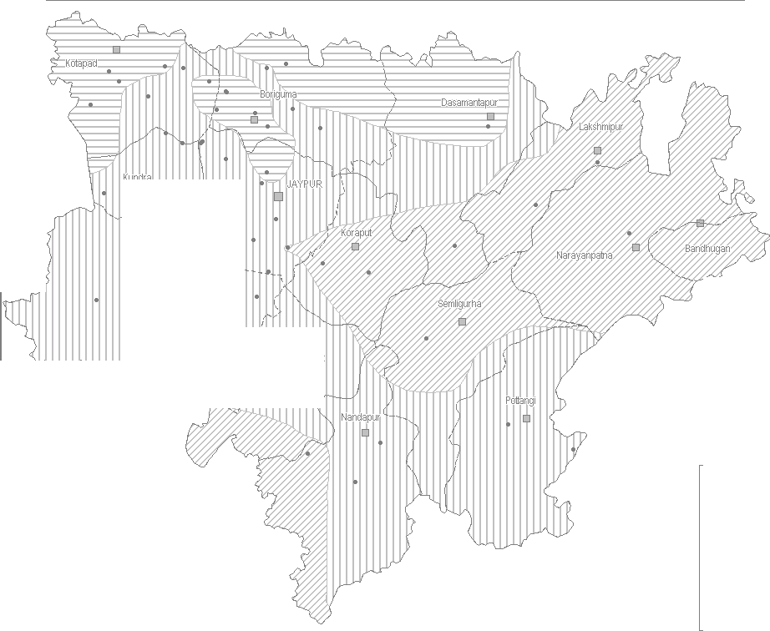 Bi rg h mP,ala ot |  |  |  |  |  |  |  |  |  |  |  |  |  |  |  |  | PLATE - 3 KORAPUT Post-Monsoon Depth to Waler Level November - 2011in Metres Below Ground Level 0 15 Kilomelres
 |  |  |  |  |  |  |  |  |  |  |  |  |  |  |  |  | C:::J DISTRICT BOUNDARY :_-_-_-_-_: BLOCK BOUNDAYR D BLOCK HEADQUARETR Cl DISTRICT HEADQUARTER • Gr ound W ater Obse r vati on Wells Post Monsoon Depthto Water Levelinmbgl E::3 0 - 2 m ITIIIJ 2 - s m 5 - 10 m
PLATE - 4 KORAPUT Hydrogeology
W+ N E s
kilometres
: __ __ : BlockBoundary withName Hilly .O.reas Hydrogeology fill RecerrtAlluvium. Yield<15lp$ !ZI Pre-Cambrian limestones.Shale.Ouartzfo. Yield< 5 l ps Pre-Carr1brian Shales,Ph llltes,Schish, tfoble. Yiedl < 5 Lps [8 Pre-Cambrian Chmocklte,. Khondalltu.Calc-Silicatu. Yield 2· 5 lps 0 Pre-CambrinaGmltes & Gneisses. Yield 10-15 lps Pre-Monsoon Decadal Mean Dep1hto iruater Tablein mbgl -- lso Conductivity Contours in MicroMhos I cm TI Iron> Pent1issibte limit of1 mgA. I),,,. fluoride > Pemisi:siblelimit of1.5 mg A.
PLATE - 4 KORAPUT Hydrogeology
W+ N E s
kilometres
: __ __ : BlockBoundary withName Hilly .O.reas Hydrogeology fill RecerrtAlluvium. Yield<15lp$ !ZI Pre-Cambrian limestones.Shale.Ouartzfo. Yield< 5 l ps Pre-Carr1brian Shales,Ph llltes,Schish, tfoble. Yiedl < 5 Lps [8 Pre-Cambrian Chmocklte,. Khondalltu.Calc-Silicatu. Yield 2· 5 lps 0 Pre-CambrinaGmltes & Gneisses. Yield 10-15 lps Pre-Monsoon Decadal Mean Dep1hto iruater Tablein mbgl -- lso Conductivity Contours in MicroMhos I cm TI Iron> Pent1issibte limit of1 mgA. I),,,. fluoride > Pemisi:siblelimit of1.5 mg A.
RAPUT DISTRICT
KO 00 d wm, "'"" , <'"
Dynam'"(As"'",.. ) /"" '"- / '-, .,-,.-',J'--c ,I, '--'·t r < , , '"'-
'j •r |  |  |  |  | 'v:- '-' |  |  |  |  | , ', |  |  | '\ /'J ;, ( ,
l.l ...J..,I,_., .•-, ""JJ" "'-',\ |  |  |  |  |  |  |  |  |  |  |  | - _"","."'·N)...' |  |  |  | ....) \J, t 7
I - --.,,,\ v~,,..".f-.,..7 "; '·,,""'u/82:ss % ) , -- •• -,····-- _,-,,'-;, .
_Cl \ ..II I / .. .-· J { / _J·, •• KU'D-R>A(67S%) JEYPORE(11.S9%); ;' !:I ' \ /Si --, • :r NA RAYANPATNA( 1 5. 2\ 4% i '·, =•• o,rf,o"'6,orn%)
j JI /'\ '-....:-., /-
_j'-,,.. BOIPARIGUDA(4.39%) ' '·•-,-/, ;.., "'"'""/ """'"7... />
l ") |  |  |  | ' ,.,, |  | -·' | '.ao |  | , ,I I |  | '),·-' _ell |  |  |  | a,<-
'.J /', : ( ' ---. ) "-,,-) ., / "";-·-biMPTAPUT(1295%\ ') ---'==- / 1 r" /l' ,,,-,J ( i POTTANGl(12 34%) r==:;-::= ;;;;;;;---- V "1-·---- _c:. \.. ( <,,,.l 1-:=_-:= 1 DI S TRICT BOUND:RY
V-/ PUR(925%) ('_ _'\J 1 ...J\_ ) ·---··'"BiLlhOnCaKmBeO&UsNtaDgAeRogf roun d walerd eve lo pme n1
C,, .. -1L , ; l,j |  |  |  |  |  |  |  |  |  | ' \, ,.. d WaterResour ces( HaM) ,./ Dy nam ic G ro ," on31.03.2009 f" ...- 1 ,2 000 Gross GroundW ater D:i : ltyi Net GroundWerter Ava d WaterResourc es AnnualReplenishable Groun
CHEMICAL QUALITY OF KORAPUT DISTRICT * • * IRON EC RANGE 0.0000 to 500.0000 - 500.0000 to 1000.0000 - 1000 0000 to 1500.0000

