Table 1
DISTRICT AT A GLANCE
Sr. No. | Items |  |  |  |  |  |  |  |  |  |  | Statistics
1 | GENERAL INFORMATION (i) Geographical Area (Sq. km) (ii) Number of Blocks (iii) Number of Panchayat (iv) Number of Villages (v) Population as on 2011 Census (vi) Average annual rainfall (mm) |  |  |  |  |  |  |  |  |  |  | 8706 22 475 3212 3,520,151 1295 |  |  |  |  |  |  | 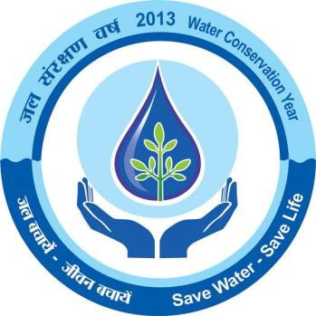
2 | GEOMORPHOLOGY 1.Major Physiographic Units 2.Major Drainages |  |  |  |  |  |  |  |  |  |  | (i)Undulating plains dotted with residual hills (ii)Scattered hill with high relief Rushikulya & Bahuda
3 | LAND USE (Hect) a) Forest Area b) Net Area Sown |  |  |  |  |  |  |  |  |  |  | 57000.0 292000.0
4 | MAJOR SOIL TYPE |  |  |  |  |  |  |  |  |  |  | Alfisol, Ultisols, Entisols
5 | AREA UNDER PRINCIPAL CROPS |  |  |  |  |  |  |  |  |  |  | 1. Autumn – 126166 Ha 2. Winter – 1449577 Ha 3. Summer – 53586 Ha
6 | IRRIGATION BY DIFFERENT SOURCES ( Area and nos of structures) 1. Canals 2. Net Irrigated Area |  |  |  |  |  |  |  |  |  |  | (i) Major & Medium Irrigation Project – 130.8 Ha(Kharif) & 13.68(Rabi). (ii) Minor Irrigation Project (Flow) – 103.93 Ha(Kharif); 6.80(Rabi) (iii) Lift Irrigation Project – 25.09 (Kharif); 14.71(Rabi) 294.36 Ha (Kharif) 70.45 Ha(Rabi)
7 | NUMBER OF GROUN WATER MONITORING WELLS OF CGWB ( as on 31.3.2011) 1. No of BoreWells |  |  |  |  |  |  |  |  |  |  | 39
 | 2. Nos of Piezometers |  |  |  |  |  |  |  |  |  |  | Nil
8 | PREDOMINANT GEOLOGICAL FORMATIONS |  |  |  |  |  |  |  |  |  |  | (i) Eastern Ghat Supergroup of Rocks (Precambrian Crystalline Rocks) (ii) Quternaries
9
 | HYDROGEOLOGY • Major Water Bearing Formations |  |  |  |  |  |  |  |  |  |  | Weathered & Fractured Crystalline Rocks
 | • Pre-Monsoon Depth to Water Level during 2011 • Post-Monsoon Depth to Water Level during 2011 • Long Term water level trend in 10 yrs (2001-2011) in m/yr |  |  |  |  |  |  |  |  |  |  | 1.05 mbgl to 12.99 mbgl 1.14 mbgl to 11.62 mbgl 53.8% of wells show rise from 0-2m, 7.7% wells show rise from 2-4 m (Pre-monsoon). 58.8% of wells show rise in 0-2 m, 11.8% of wells show rise from 2-4 m (Post monsoon).
10 | GROUND WATER EXPLORATION BY
 | CGWB (As on 31.3.2011)
 | No of wells drilled (EW,OW,Pz,SH,Total) |  |  |  |  |  |  |  |  |  |  | E/W - 15 (Departmental) O/W – 4 (do) E/W-18 (Outsourcing) Total – 34.
 | Depth Range (m) Discharge (lps) Transmissivity(m ²/day) |  |  |  |  |  |  |  |  |  |  | 90 – 200m Negligible to 25 0.5 to 116
11 | GROUND WATER QUALITY
 | Presence of Chemical constituents more than permissible limit (e.g. EC ,F,AS, Fe) |  |  |  |  |  |  |  |  |  |  | EC and F value higher in limited patches.
 | Type of water |  |  |  |  |  |  |  |  |  |  | Normal( pH 7.12 to 8.19 mg/ltr)
12 | DYNAMIC GROUND WATER RESOURCES (2009 in Ham) 1. Annual replenishable Ground Water Resources |  |  |  |  |  |  |  |  |  |  | 114541.00
 | 2. Net Annual Ground Water Draft 3. Projected demand for domestic and industrial uses up to 25 years 4. Stage of Ground Water Development |  |  |  |  |  |  |  |  |  |  | 6969 9203 29.17%
13 | AWARENESS AND TRAINING ACTIVITY Mass Awareness Programmes organized Data Place No of Participiants |  |  |  |  |  |  |  |  |  |  | One
 | Water Management and Training Programmes Organised Data Place No of Participiants |  |  |  |  |  |  |  |  |  |  | Nil
14 | EFFORTS OF ARTIFICIAL RECHARGE &
 | RAIN WATER HARVESTING
 | Projects compiled by CGWB ( No & Amont
 | spent ) |  |  |  |  |  |  |  |  |  |  | Nil
 | Projects under technical guidance of CGWB |  |  |  |  |  |  |  |  |  |  | Nil
 | (numbers)
15 | GROUND |  |  | WATER |  | CONTROL |  |  | AND
 | REGULATION
 | No of OE Blocks |  |  |  |  |  |  |  |  |  |  | Nil
 | No of Critical Blocks No of Blocks Notified |  |  |  |  |  |  |  |  |  |  | Nil Nil
16 | MAJOR GROUND WATER PROBLEMS AND ISSUES |  |  |  |  |  |  |  |  |  |  | Groundwater pollution & depletion in parts of blocks
Recent to Sub-Recent |  |  |  | Alluvium |  |  |  |  |  | Sand, Silt, Clay in varying proportions.
 |  |  |  | Laterite and Lateritic gravels

HYDROGEOLOGY Water bearing formations The contrasting water bearing properties of different geological formations usually play an important role in the occurrence and movement of groundwater. The crystalline rocks occupy major part of the total geographical area. The narrow discontinuous patches of recent to sub-recent alluvium along the major river courses and on coastal plain occupy about 300sq. km. area in the district. Hydrogeologically the weathered and fractured zones of the crystallines and the porous alluvial and coastal deposits form the main repository of ground water in the area. Depending on the water yielding properties of various formations, the district can be broadly grouped into three distinct hydrogeological units. 1. Consolidated formations 2. Semiconsolidated formations 3. Unconsolidated formations Consolidated formations These include granites and granite gneisses, khondalites and charnockites of Eastern Ghat Group. These rocks are devoid of primary porosity and are usually very hard and compact in nature. The secondary porosity in the consolidated formations developed as result of weathering and fracturing due to major and minor tectonic movement form the conduits for movement of groundwater as also act as reservoir of groundwater. This fractured and jointed rocks when interconnected form potential aquifers, which sustain limited to moderate yield. Groundwater occurs under water table conditions in the weathered residuum while it occurs under semi-confined to confined conditions in the fractured and jointed rocks. Occurrence movement and distribution of ground water in each unit Granites and Granite gneisses The most prevalent rock types occurring in the district are granite and granite gneisses. These rocks reduce to loose kaolinised granular material on weathering. The thickness of weathered mantle range
Sl No |  | Block |  |  | Net Annual Ground Water Availability |  | Existing Gross Ground Water Draft for Irrigation | Existing Gross Ground Water Draft for domestic & Industrial Supply |  |  | Existing Gross Ground Water Draft for all uses |  |  | Provision for domestic & industrial requirement supply for next 25 years |  |  | Net Ground Water Availability for future irrigation development | Stage of Ground Water Development
 |  |  |  |  | (ham) |  | (ham) | (ham) |  |  | (ham) |  |  | (ham) |  |  | (ham) | ( % )
1 |  | 2 |  |  | 4 |  | 5 | 6 |  |  | 7 |  |  | 8 |  |  | 9 | 10
1 |  | Aska |  |  | 4461.00 |  | 1895.00 | 427.51 |  |  | 2323.00 |  |  | 537.00 |  |  | 2029.00 | 52.07
2 |  | Belaguntha |  |  | 4124.00 |  | 1176.00 | 297.75 |  |  | 1474.00 |  |  | 368.00 |  |  | 2579.00 | 35.74
3 |  | Bhanjanagar |  |  | 9120.00 |  | 1452.00 | 332.06 |  |  | 1784.00 |  |  | 455.00 |  |  | 7213.00 | 19.56
4 |  | Buguda |  |  | 5565.00 |  | 928.00 | 297.80 |  |  | 1226.00 |  |  | 391.00 |  |  | 4246.00 | 22.03
5 |  | Chhatrapur |  |  | 5794.00 |  | 1206.00 | 388.41 |  |  | 1595.00 |  |  | 392.00 |  |  | 4196.00 | 27.53
6 |  | Chikiti |  |  | 4619.00 |  | 1455.00 | 185.87 |  |  | 1641.00 |  |  | 261.00 |  |  | 2903.00 | 35.53
7 |  | Dharakote |  |  | 4611.00 |  | 883.00 | 269.33 |  |  | 1152.00 |  |  | 359.00 |  |  | 3369.00 | 24.98
8 |  | Digapahandi |  |  | 7569.00 |  | 1159.00 | 335.29 |  |  | 1494.00 |  |  | 469.00 |  |  | 5941.00 | 19.74
9 |  | Ganjam |  |  | 2865.00 |  | 1375.00 | 204.94 |  |  | 1580.00 |  |  | 208.00 |  |  | 1282.00 | 55.15
10 |  | Hinjilicut |  |  | 4031.00 |  | 1683.00 | 277.22 |  |  | 1960.00 |  |  | 386.00 |  |  | 1961.00 | 48.62
11 |  | Jaganathprasad |  |  | 8051.00 |  | 1040.00 | 285.00 |  |  | 1325.00 |  |  | 374.00 |  |  | 6637.00 | 16.46
12 |  | Kabisuryanagar |  |  | 3379.00 |  | 784.00 | 315.91 |  |  | 1100.00 |  |  | 405.00 |  |  | 2190.00 | 32.55
13 |  | Khalikote |  |  | 4292.00 |  | 1191.00 | 330.00 |  |  | 1521.00 |  |  | 528.00 |  |  | 2573.00 | 35.44
14 |  | Kodala |  |  | 3857.00 |  | 720.00 | 323.44 |  |  | 1043.00 |  |  | 445.00 |  |  | 2692.00 | 27.04
15 |  | Kukudakhandi |  |  | 6400.00 |  | 769.00 | 323.53 |  |  | 1093.00 |  |  | 417.00 |  |  | 5213.00 | 17.08
16 |  | Patrapur |  |  | 4345.00 |  | 882.00 | 309.06 |  |  | 1191.00 |  |  | 403.00 |  |  | 3060.00 | 27.41
17 |  | Polasara |  |  | 4568.00 |  | 922.00 | 343.22 |  |  | 1265.00 |  |  | 487.00 |  |  | 3159.00 | 27.69
18 |  | Purusottampur |  |  | 5283.00 |  | 2059.00 | 401.56 |  |  | 2461.00 |  |  | 525.00 |  |  | 2699.00 | 46.58
19 |  | Rangeilunda |  |  | 3975.00 |  | 1010.00 | 334.17 |  |  | 1345.00 |  |  | 411.00 |  |  | 2554.00 | 33.84
20 |  | Sanakhemundi |  |  | 5753.00 |  | 1190.00 | 361.69 |  |  | 1551.00 |  |  | 503.00 |  |  | 4061.00 | 26.96
21 |  | Shergada |  |  | 3676.00 |  | 1179.00 | 299.23 |  |  | 1478.00 |  |  | 426.00 |  |  | 2071.00 | 40.21
22 |  | Sorada |  |  | 8203.00 |  | 1479.00 | 325.92 |  |  | 1806.00 |  |  | 453.00 |  |  | 6271.00 | 22.02
 |  | District Total |  |  | 114541.00 |  | 26437.00 | 6969.00 |  |  | 33408.00 |  |  | 9203.00 |  |  | 78899.00 | 29.17
GROUND WATER QUALITY : Ground water quality depends upon the lithological and chemical composition of the aquifer, climate condition, quantum of recharge made and its movement, micro organisms activity and presence of contaminants in the environment etc. The water samples collected from the national hydrograph stations during ground water monitoring work hydrogeological surveys are analyzed in the chemical laboratory of CGWB for assessing ground water quality. As per the standards of the ISI mostly ground water of Gajapati district is suitable for drinking purpose except for a few places in granitic & Khondalitic terrain where NO3 and Fe connection exceed the permissible limits which may be attributed due to local pollution. The suitability of ground water for irrigation use depends on the degree of tis mineralization and the effects of the dissolved constituents on plants and the soil. High Sodium concentration reflects reducing permeability of the soil as for as the suitability for irrigation purpose is concerned. The sodium absorption ration (SAR) is important for studying the suitability of ground water for irrigation purpose. From chemical analysis data, it is observed that ground water can be used for irrigation with moderate teaching and moderate salt tolerant crops. It is also suitable for forest product industries, broiler feed and livestock use. The ground water from deeper aquifers, of few exploratory wells mainly restricted in the southern part of the district also reveals that the water is suitable for drinking and irrigation use. STATUS OF GROUND WATER DEVELOPMENT : Ground water development in the district is mainly through dug wells, Dug-cum- bore wells, bore wells & shallow tube wells. Ground water is mainly used for domestic and irrigation purpose and in a few small industrial purpose. Dug wells are most common

Artificial Recharge & Rainwater Harvesting: Although Ganjam district does not represents drastic fall of depth to water level then also there are scope for implementating artificial recharge structure and rainwater harvesting structures here. The district shows rugged terrain where there is high surface run off in comparison to the rate of infiltration. The ground water resource can be augmented through adoption of artificial recharge techniques like construction of sub surface dykes, percolation tank, gully plugging etc. 6.0 Ground Water related issues & Problems Ground Water Problems : There is no significant ground water problems. There are water quality problems in very few locales of the district.
. 7.0 Awareness & Training Activity There was no Mass Awareness & Training Activity in the district of Raygada. 8.0 Areas Notified by CGWA
The stage of Groundwater development is well within Safe Category and there is no overexploitation and major threat of Groundwater pollution and depletion. Hence no area has been notified by CGWA. 9.0 Recommendations
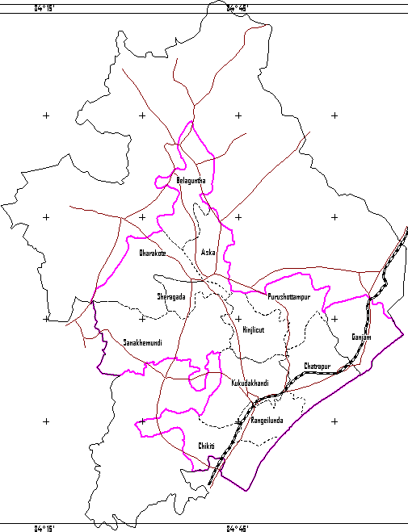
PLATE -1
 |  |  |  |  |  |  |  |  |  |  |  |  |  |  | ADMINISTRATIVEMAP OF THE STUDY AREA W+ N E s 0 25 50 Kilometres
 |  |  |  |  |  |  |  |  |  |  |  |  |  |  | c::::::J GANJAM DISTRICT BOUNDARY ;.......:., BLOCK BOUNDARY WITH NAME L.........J STUDY AREA BOUNDARY METALLED ROADS
 |  |  |  |  |  |  |  |  |  |  |  |  |  |  | RAILWAY TRACK(ECo Railway)
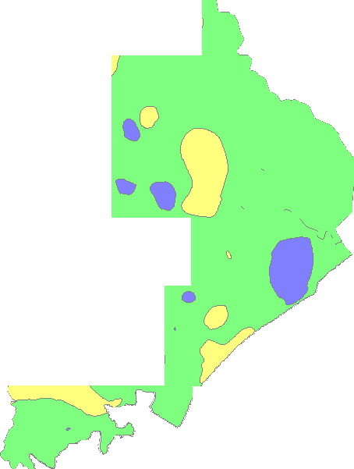 DEPTli TO WATER LEVEL MAP Plate:- 2 OF GANJAM (APRIL 2011) •V , ,/ . --.) 1-,--, \ _ -_-, - '-- (.) • ·, o < LEGEND -. ? · District Boundary , f 0 Depth to W ater Level (mbgl) • 0102 □ 2105 □ 5to 10
Plate:- 3 DEPTH TO WATER LEVEL MAP OF GANJAM (NOVEMBER 2011) LEGEND District Boundary Depth to Water Level (mbgl) - Oto2 □D 2tos sto 10
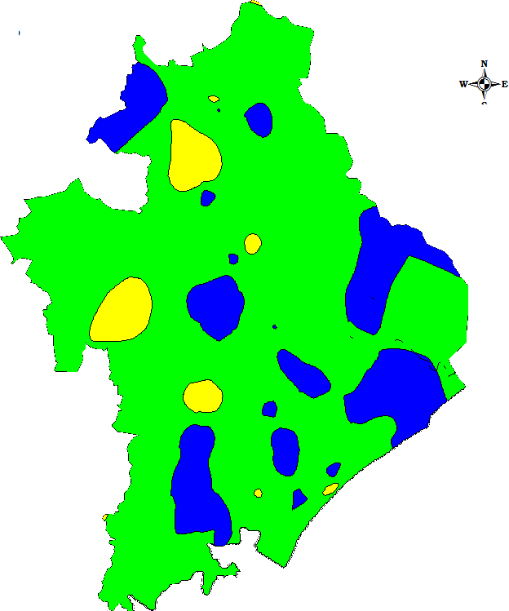
1v',L. N |  |  |  |  |  |  |  |  |  |  |  |  |  |  |  | HYDROGEOLOGY
-YQ G an jam Di strict 0' -5, LEGEND
;§> / |  |  | th Prasad% :,:,- |  |  |  |  |  |  |  | lo HillyRegion ( Slo1>e > 20 %) Hard Rook: Yi eld 5 - 10 l1>s u' [Kl Hard Rook: Yield 2 - 5 l1>s (''1
/' @]Soft Rook: Yield 3 - 10 l1>s D Wate r Bo<ly ( Chilk a L ak e ) 0--o M a;or River (Rushikulya} c::
Q'.. 6 -;J_ Sca l e (!) |  |  |  |  |  |  |  |  |  |  |  |  | 22 0-; |  |  | D sntemaLine ■Chikiti Blot k H ea d<1uater ■CHATRAPURDistrfot Head<1uater
20 10 0 20 40 Kms.

